Year Month Sales
Total Sales
Year | Month | Total Sales($)
2021 | Jan | 12,245.45
 | Feb | 29.95
 | Mar | 11,553.05
 | Apr | 24,500.00
 | May | 16,458.30
 | Jun | 16,939.70
 | Jul | 24,588.85
 | Aug | 27,298.25
 | Sep | 23,846.20
 | Oct | 34,787.50
 | Nov | 92,606.45
 | Dec | 119,661.50
2021 Total |  | 404,515.20
2022 | Jan | 25,847.20
 | Feb | 16,595.80
 | Mar | 13,423.60
 | Apr | 15,105.70
 | May | 44,968.95
 | Jun | 41,624.45
 | Jul | 29,849.70
 | Aug | 36,167.00
 | Sep | 35,967.50
 | Oct | 12,572.55
 | Nov | 106,143.85
 | Dec | 107,911.00
2022 Total |  | 486,177.30
2023 | Jan | 19,871.10
 | Feb | 32,969.70
 | Mar | 14,772.95
 | Apr | 47,650.50
 | May | 19,585.00
 | Jun | 5,914.35
 | Jul | 31,612.80
 | Aug | 36,882.90
 | Sep | 49,449.30
 | Oct | 80,379.85
 | Nov | 124,052.70
 | Dec | 117,306.15
2023 Total |  | 580,447.30
2024 | Jan | 24,940.15
 | Feb | 15,607.10
 | Mar | 8,091.75
 | Apr | 46,408.90
 | May | 37,400.60
 | Jun | 48,865.20
 | Jul | 61,946.20
 | Aug | 32,765.80
 | Sep | 33,820.10
 | Oct | 64,287.80
 | Nov | 141,946.55
 | Dec | 89,602.10
2024 Total |  | 605,682.25
Grand Total |  | 2,076,822.05

Region Year Sales
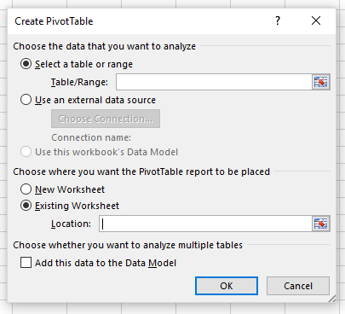
Region | Year | Total Sales($) | Dif from previous sales($) | Region | Year | frequecy | YOYtranchange
CA | 2021 | 197,175.25 |  | CA | 2021 | 93
 | 2022 | 270,049.20 | 36.96% |  | 2022 | 111 | 19.35%
 | 2023 | 301,886.20 | 11.79% |  | 2023 | 99 | -10.81%
 | 2024 | 339,533.50 | 12.47% |  | 2024 | 137 | 38.38%
WA | 2021 | 207,339.95 |  | WA | 2021 | 96
 | 2022 | 216,128.10 | 4.24% |  | 2022 | 103 | 7.29%
 | 2023 | 278,561.10 | 28.89% |  | 2023 | 104 | 0.97%
 | 2024 | 266,148.75 | -4.46% |  | 2024 | 115 | 10.58%
Grand Total |  | 2,076,822.05 | 41.17% | Grand Total |  | 858 | 41.58%

Ave Monthly Sales by Product
Avg Monthly Sales($) | Year
Product | 2021 | 2022 | 2023 | 2024 | Grand Total
Aspen | 3,377.82 | 5,183.51 | 5,272.18 | 6,647.53 | 5,120.26
Carlota | 21,955.85 | 23,106.43 | 31,230.36 | 29,742.85 | 26,508.87
Quad | 4,647.71 | 7,746.19 | 7,207.80 | 8,299.23 | 6,975.23
Yanaki | 3,728.22 | 4,478.65 | 4,660.27 | 5,783.92 | 4,662.77
Grand Total | 33,709.60 | 40,514.77 | 48,370.61 | 50,473.52 | 43,267.13

Total Sales by Supplier & Year
Total Sales($) | Column Labels
Row Labels | Colorado Booms | Gel Booms | Grand Total
2021 | 85,272.50 | 319,242.70 | 404,515.20
2022 | 115,945.95 | 370,231.35 | 486,177.30
2023 | 119,189.35 | 461,257.95 | 580,447.30
2024 | 149,177.40 | 456,504.85 | 605,682.25
Grand Total | 469,585.20 | 1,607,236.85 | 2,076,822.05

