Sheet1
...
2017-18 | 2018-19 | 2019-20 | 2020-21
33 | 35 | 35 | 35 | 28.666666667
5838 | 6374 | 6545 | 6208 | 6871.75
80 | 86 | 75 | 72 | 70.111111111
910 | 953 | 980 | 1019 | 877.44444444
2702 | 3005 | 3163 | 3417 | 2473.6666667
161 | 156 | 173 | 152 | 161.22222222
2592 | 2613 | 3011 | 3047 | 2441.7777778
617 | 632 | 653 | 550 | 574.88888889
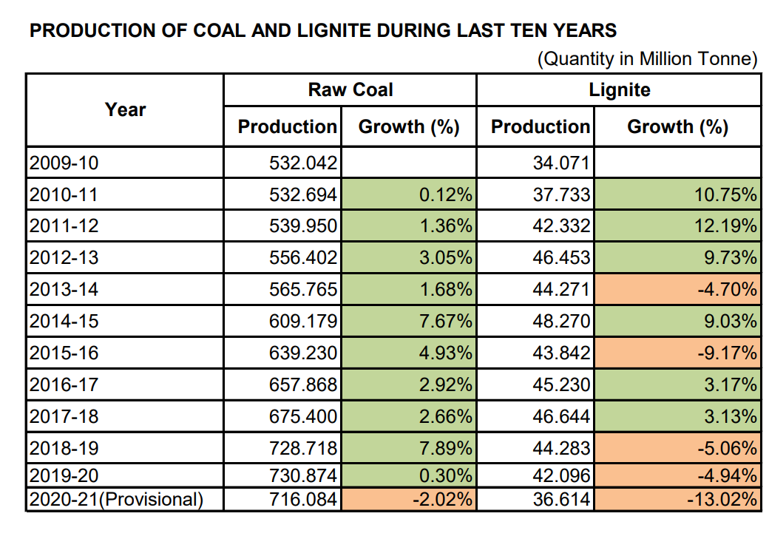
253 | 256 | 257 | 222 | 232.77777778
3183 | 3230 | 3309 | 2956 | 2993.6666667
412 | 428 | 435 | 408 | 414.55555556
10999 | 11659 | 11394 | 11162 | 10419.777778
5078 | 5367 | 5451 | 5316 | 4889
940 | 985 | 1042 | 1019 | 937.77777778
1881 | 1959 | 2003 | 1977 | 1771.1111111
791 | 868 | 894 | 995 | 810.66666667
6787 | 7176 | 7280 | 6885 | 6728.2222222
2500 | 2503 | 2632 | 2512 | 2381.8888889
5 | 5 | 5 | 6 | 5
6993 | 7567 | 7617 | 8344 | 6532.3333333
14976 | 15829 | 15517 | 15068 | 14224.222222
87 | 92 | 92 | 97 | 79.333333333
156 | 196 | 211 | 203 | 186.11111111
50 | 67 | 65 | 73 | 53.888888889
80 | 90 | 81 | 83 | 74.444444444
2880 | 3181 | 2969 | 2985 | 2780.7777778
267 | 276 | 285 | 264 | 255.33333333
5481 | 5529 | 5678 | 5845 | 5258.7777778
7119 | 7983 | 8128 | 8531 | 7025.8888889
49 | 51 | 55 | 55 | 46.555555556
10601 | 10938 | 10882 | 10119 | 10097.333333
6032 | 6670 | 6831 | 6700 | 6093.5
260 | 186 | 154 | 148 | 154.11111111
12005 | 11710 | 12255 | 12437 | 10974.555556
1346 | 1385 | 1447 | 1383 | 1303.2222222
5076 | 5224 | 5295 | 5164 | 4833.5555556
119215 | 127456 | 129101 | 127553 | 115109.77778
 |  |  |  | 6220.7484985

 |  |  |  | 18775.45557
...
 | -0.1215367986
...

