blade def
ALL SI UNITS
Hub Height | 120 |  |  |  |  | NEEDS TO BE A RECTANGLE!!
Blde Height | 63 |  | 7.875
Blade Chord | 2 | 1
Blade t/c | 0.5
Blade thinkness | 1
Blade Mass | 13700
Density | 2000
youngs mod | 4.50E+10
G | 3.26E+09

Calculated
Section Thickness | 1.83E-02 |  | AD File |  |  |  |  |  |  | ED Blade File |  |  |  |  |  |  |  |  |  |  | 1st |  |  |  |  | 2nd
 |  |  | TwrElev | TwrDiam | TwrCd | TwrTI | TwrCb |  |  | HtFract | BlFract | PitchAxis | StrcTwst | BMassDen | FlpStff | EdgStff |  |  |  | FA | 1.7625021123 | -0.82313434229 | 0.017533958264 | 0.0078094622645 | 0.035288809483 | -10.887535919 | 15.49586315 | 9.8071123059 | -21.311457158 | 7.8960176212
CS area | 1.0873E-01 |  | (m) | (m) | (-) | (-) | (-) |  |  | (-) | (-) | (-) | (deg) | (kg/m) | (Nm^2) | (Nm^2) |  |  |  | S2S | 1.7625021123 | -0.82313434229 | 0.017533958261 | 0.0078094622665 | 0.035288809482 | -10.887535919 | 15.49586315 | 9.8071123059 | -21.311457158 | 7.8960176212
 |  |  | 0 | 2 | 0.5 | 0.1 | 0 | 0 |  | 0.00000 | 0.00000E+00 | 2.50000E-01 | 0.00000E+00 | 2.17460E+02 | 9.18650E+08 | 9.18650E+08
Linear density | 2.17E+02 |  | 3.5 | 2 | 0.5 | 0.1 | 0 | 0.14285714286 |  | 0.05556 | 5.55556E-02 | 2.50000E-01 | 0.00000E+00 | 2.17460E+02 | 9.18650E+08 | 9.18650E+08
Total mass | 1.37E+04 |  | 7 | 2 | 0.5 | 0.1 | 0 | 0.28571428571 |  | 0.11111 | 1.11111E-01 | 2.50000E-01 | 0.00000E+00 | 2.17460E+02 | 9.18650E+08 | 9.18650E+08
error | 2.39E-03 |  | 10.5 | 2 | 0.5 | 0.1 | 0 | 0.42857142857 |  | 0.16667 | 1.66667E-01 | 2.50000E-01 | 0.00000E+00 | 2.17460E+02 | 9.18650E+08 | 9.18650E+08
 |  |  | 14 | 2 | 0.5 | 0.1 | 0 | 0.57142857143 |  | 0.22222 | 2.22222E-01 | 2.50000E-01 | 0.00000E+00 | 2.17460E+02 | 9.18650E+08 | 9.18650E+08
 |  |  | 17.5 | 2 | 0.5 | 0.1 | 0 | 0.71428571429 |  | 0.27778 | 2.77778E-01 | 2.50000E-01 | 0.00000E+00 | 2.17460E+02 | 9.18650E+08 | 9.18650E+08 |  |  |  |  |  | FA | S2S
Stiff Prop |  |  | 21 | 2 | 0.5 | 0.1 | 0 | 0.85714285714 |  | 0.33333 | 3.33333E-01 | 2.50000E-01 | 0.00000E+00 | 2.17460E+02 | 9.18650E+08 | 9.18650E+08 |  |  |  |  | 1st | 1.7625021123 | 1.7625021123
 |  |  | 24.5 | 2 | 0.5 | 0.1 | 0 | 1 |  | 0.38889 | 3.88889E-01 | 2.50000E-01 | 0.00000E+00 | 2.17460E+02 | 9.18650E+08 | 9.18650E+08 |  |  |  |  |  | -0.82313434229 | -0.82313434229
Iflap | 2.04E-02 |  | 28 | 2 | 0.5 | 0.1 | 0 |  |  | 0.44444 | 4.44444E-01 | 2.50000E-01 | 0.00000E+00 | 2.17460E+02 | 9.18650E+08 | 9.18650E+08 |  |  |  |  |  | 0.017533958264 | 0.017533958261
Iedge | 5.92E-02 |  | 31.5 | 2 | 0.5 | 0.1 | 0 |  |  | 0.50000 | 5.00000E-01 | 2.50000E-01 | 0.00000E+00 | 2.17460E+02 | 9.18650E+08 | 9.18650E+08 |  |  |  |  |  | 0.0078094622645 | 0.0078094622665
J | 7.96E-02 |  | 35 | 2 | 0.5 | 0.1 | 0 |  |  | 0.55556 | 5.55556E-01 | 2.50000E-01 | 0.00000E+00 | 2.17460E+02 | 9.18650E+08 | 9.18650E+08 |  |  |  |  |  | 0.035288809483 | 0.035288809482
 |  |  | 38.5 | 2 | 0.5 | 0.1 | 0 |  |  | 0.61111 | 6.11111E-01 | 2.50000E-01 | 0.00000E+00 | 2.17460E+02 | 9.18650E+08 | 9.18650E+08 |  |  |  |  | 2nd | -10.887535919 | -10.887535919
Icp | 0 |  | 42 | 2 | 0.5 | 0.1 | 0 |  |  | 0.66667 | 6.66667E-01 | 2.50000E-01 | 0.00000E+00 | 2.17460E+02 | 9.18650E+08 | 9.18650E+08 |  |  |  |  |  | 15.49586315 | 15.49586315
 |  |  | 45.5 | 2 | 0.5 | 0.1 | 0 |  |  | 0.72222 | 7.22222E-01 | 2.50000E-01 | 0.00000E+00 | 2.17460E+02 | 9.18650E+08 | 9.18650E+08 |  |  |  |  |  | 9.8071123059 | 9.8071123059
 |  |  | 49 | 2 | 0.5 | 0.1 | 0 |  |  | 0.77778 | 7.77778E-01 | 2.50000E-01 | 0.00000E+00 | 2.17460E+02 | 9.18650E+08 | 9.18650E+08 |  |  |  |  |  | -21.311457158 | -21.311457158
torsion Stiff, K | 4.69E-02 |  | 52.5 | 2 | 0.5 | 0.1 | 0 |  |  | 0.83333 | 8.33333E-01 | 2.50000E-01 | 0.00000E+00 | 2.17460E+02 | 9.18650E+08 | 9.18650E+08 |  |  |  |  |  | 7.8960176212 | 7.8960176212
 |  |  | 56 | 2 | 0.5 | 0.1 | 0 |  |  | 0.88889 | 8.88889E-01 | 2.50000E-01 | 0.00000E+00 | 2.17460E+02 | 9.18650E+08 | 9.18650E+08
 |  |  | 59.5 | 2 | 0.5 | 0.1 | 0 |  |  | 0.94444 | 9.44444E-01 | 2.50000E-01 | 0.00000E+00 | 2.17460E+02 | 9.18650E+08 | 9.18650E+08
 |  |  | 63 | 2 | 0.5 | 0.1 | 0 |  |  | 1.00000 | 1.00000E+00 | 2.50000E-01 | 0.00000E+00 | 2.17460E+02 | 9.18650E+08 | 9.18650E+08

Shear Calculations
 |  |  |  |  |  |  |  |  |  | BD file |  |  |  |  |  | BD blade File
theta_p, theta_s | 0 |  |  |  |  |  |  |  |  | kp_xr | kp_yr | kp_zr | initial_twist
Kxs | 1 | 1?? |  |  |  |  |  |  |  | (m) | (m) | (m) | (deg) |  |  | 0.00
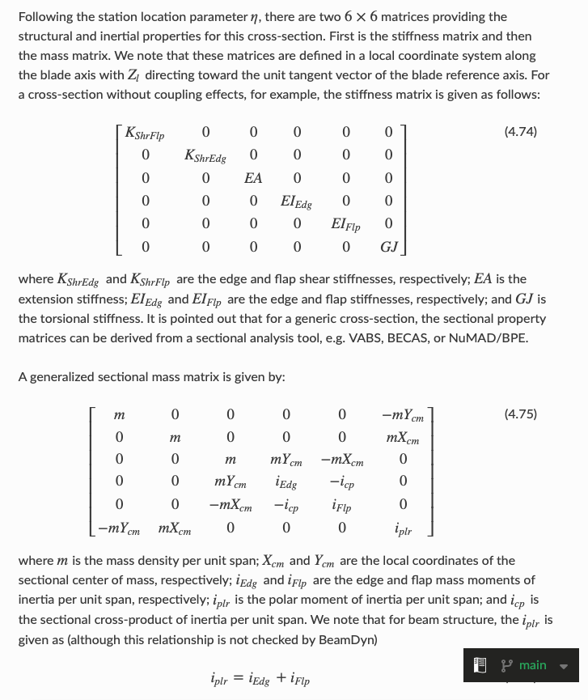
Kys | 0.6 |  |  |  |  |  |  |  |  | 0.000E+00 | 0.000E+00 | 0.000E+00 | 0.000E+00 |  |  |  | 3.5500E+08 | 0.0000E+00 | 0.0000E+00 | 0.0000E+00 | 0.0000E+00 | 0.0000E+00
KshrFlp | 3.55E+08 |  |  | K_xx = GA * ( kxs*cos(theta_s)**2 + kys*sin(theta_s)**2 ) |  |  |  |  |  | 0.000E+00 | 0.000E+00 | 3.500E+00 | 0.000E+00 |  |  |  | 0.0000E+00 | 2.1300E+08 | 0.0000E+00 | 0.0000E+00 | 0.0000E+00 | 0.0000E+00
KshrEdg | 2.13E+08 |  |  | K_yy = GA * ( kxs*sin(theta_s)**2 + kys*cos(theta_s)**2 ) |  |  |  |  |  | 0.000E+00 | 0.000E+00 | 7.000E+00 | 0.000E+00 |  |  |  | 0.0000E+00 | 0.0000E+00 | 4.8929E+09 | 0.0000E+00 | 0.0000E+00 | 0.0000E+00
 |  |  |  |  |  |  |  |  |  | 0.000E+00 | 0.000E+00 | 1.050E+01 | 0.000E+00 |  |  |  | 0.0000E+00 | 0.0000E+00 | 0.0000E+00 | 2.6623E+09 | 0.0000E+00 | 0.0000E+00
 |  |  |  |  |  |  |  |  |  | 0.000E+00 | 0.000E+00 | 1.400E+01 | 0.000E+00 |  |  |  | 0.0000E+00 | 0.0000E+00 | 0.0000E+00 | 0.0000E+00 | 9.1865E+08 | 0.0000E+00
Ycm | 0 |  |  |  |  |  |  |  |  | 0.000E+00 | 0.000E+00 | 1.750E+01 | 0.000E+00 |  |  |  | 0.0000E+00 | 0.0000E+00 | 0.0000E+00 | 0.0000E+00 | 0.0000E+00 | 3.2650E+09
Xcm | 0 |  |  |  |  |  |  |  |  | 0.000E+00 | 0.000E+00 | 2.100E+01 | 0.000E+00
m | 2.1746E+02 |  |  |  |  |  |  |  |  | 0.000E+00 | 0.000E+00 | 2.450E+01 | 0.000E+00 |  |  |  | 2.1746E+02 | 0.0000E+00 | 0.0000E+00 | 0.0000E+00 | 0.0000E+00 | 0.0000E+00
 |  |  |  |  |  |  |  |  |  | 0.000E+00 | 0.000E+00 | 2.800E+01 | 0.000E+00 |  |  |  | 0.0000E+00 | 2.1746E+02 | 0.0000E+00 | 0.0000E+00 | 0.0000E+00 | 0.0000E+00
 |  |  |  |  |  |  |  |  |  | 0.000E+00 | 0.000E+00 | 3.150E+01 | 0.000E+00 |  |  |  | 0.0000E+00 | 0.0000E+00 | 2.1746E+02 | 0.0000E+00 | 0.0000E+00 | 0.0000E+00
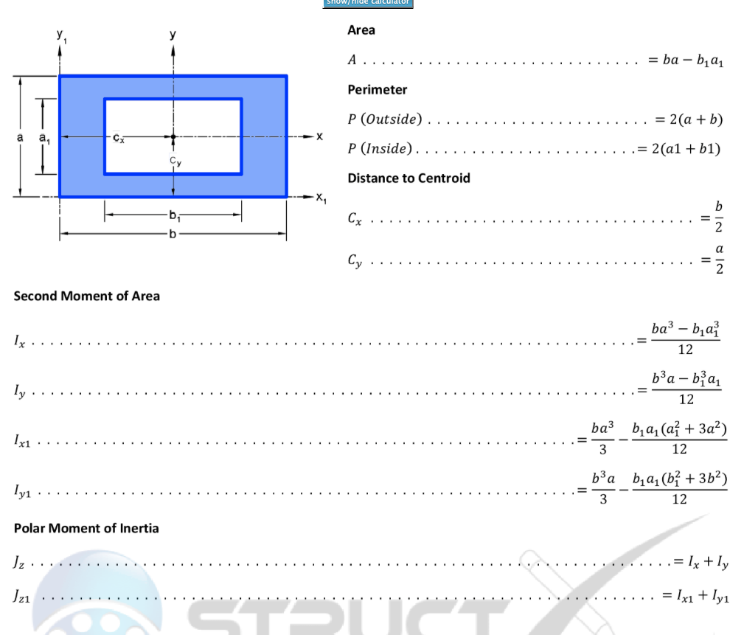
 |  |  |  |  |  |  |  |  |  | 0.000E+00 | 0.000E+00 | 3.500E+01 | 0.000E+00 |  |  |  | 0.0000E+00 | 0.0000E+00 | 0.0000E+00 | 5.9163E-02 | 0.0000E+00 | 0.0000E+00
 |  |  |  |  |  |  |  |  |  | 0.000E+00 | 0.000E+00 | 3.850E+01 | 0.000E+00 |  |  |  | 0.0000E+00 | 0.0000E+00 | 0.0000E+00 | 0.0000E+00 | 2.0414E-02 | 0.0000E+00
 |  |  |  |  |  |  |  |  |  | 0.000E+00 | 0.000E+00 | 4.200E+01 | 0.000E+00 |  |  |  | 0.0000E+00 | 0.0000E+00 | 0.0000E+00 | 0.0000E+00 | 0.0000E+00 | 7.9577E-02
 |  |  |  |  |  |  |  |  |  | 0.000E+00 | 0.000E+00 | 4.550E+01 | 0.000E+00
 |  |  |  |  |  |  |  |  |  | 0.000E+00 | 0.000E+00 | 4.900E+01 | 0.000E+00 |  |  | 0.05
 |  |  |  |  |  |  |  |  |  | 0.000E+00 | 0.000E+00 | 5.250E+01 | 0.000E+00 |  |  |  | 3.5500E+08 | 0.0000E+00 | 0.0000E+00 | 0.0000E+00 | 0.0000E+00 | 0.0000E+00
 |  |  |  |  |  |  |  |  |  | 0.000E+00 | 0.000E+00 | 5.600E+01 | 0.000E+00 |  |  |  | 0.0000E+00 | 2.1300E+08 | 0.0000E+00 | 0.0000E+00 | 0.0000E+00 | 0.0000E+00
 |  |  |  |  |  |  |  |  |  | 0.000E+00 | 0.000E+00 | 5.950E+01 | 0.000E+00 |  |  |  | 0.0000E+00 | 0.0000E+00 | 4.8929E+09 | 0.0000E+00 | 0.0000E+00 | 0.0000E+00
 |  |  |  |  |  |  |  |  |  | 0.000E+00 | 0.000E+00 | 6.300E+01 | 0.000E+00 |  |  |  | 0.0000E+00 | 0.0000E+00 | 0.0000E+00 | 2.6623E+09 | 0.0000E+00 | 0.0000E+00
 |  |  |  |  |  |  |  |  |  |  |  |  |  |  |  |  | 0.0000E+00 | 0.0000E+00 | 0.0000E+00 | 0.0000E+00 | 9.1865E+08 | 0.0000E+00
 |  |  |  |  |  |  |  |  |  |  |  |  |  |  |  |  | 0.0000E+00 | 0.0000E+00 | 0.0000E+00 | 0.0000E+00 | 0.0000E+00 | 3.2650E+09

 |  |  |  |  |  |  |  |  |  | Blade Calculated Frequencies |  |  |  |  |  |  | 2.1746E+02 | 0.0000E+00 | 0.0000E+00 | 0.0000E+00 | 0.0000E+00 | 0.0000E+00
 |  |  |  |  |  |  |  |  |  |  | Flap | Edge | Torsion | Check OK |  |  | 0.0000E+00 | 2.1746E+02 | 0.0000E+00 | 0.0000E+00 | 0.0000E+00 | 0.0000E+00
 |  |  |  |  |  |  |  | 1.8751 | 1.57 | 1 | 1.82 | 3.10 | 3.44E+01 | 1.82E+00 |  |  | 0.0000E+00 | 0.0000E+00 | 2.1746E+02 | 0.0000E+00 | 0.0000E+00 | 0.0000E+00
 |  |  |  |  |  |  |  | 4.6941 | 4.71 | 2 | 11.41 | 19.43 | 1.03E+02 |  |  |  | 0.0000E+00 | 0.0000E+00 | 0.0000E+00 | 5.9163E-02 | 0.0000E+00 | 0.0000E+00
 |  |  |  |  |  |  |  | 7.8548 | 7.85 | 3 | 31.95 | 54.39 | 1.72E+02 |  |  |  | 0.0000E+00 | 0.0000E+00 | 0.0000E+00 | 0.0000E+00 | 2.0414E-02 | 0.0000E+00
 |  |  |  |  |  |  |  | 10.996 |  | 4 | 62.61 | 106.59 |  |  |  |  | 0.0000E+00 | 0.0000E+00 | 0.0000E+00 | 0.0000E+00 | 0.0000E+00 | 7.9577E-02

 |  |  |  |  |  |  |  |  |  |  |  |  |  |  |  | 0.10
 |  |  |  |  |  |  |  |  |  |  |  |  |  |  |  |  | 3.5500E+08 | 0.0000E+00 | 0.0000E+00 | 0.0000E+00 | 0.0000E+00 | 0.0000E+00
 |  |  |  |  |  |  |  |  |  |  |  |  |  |  |  |  | 0.0000E+00 | 2.1300E+08 | 0.0000E+00 | 0.0000E+00 | 0.0000E+00 | 0.0000E+00
 |  |  |  |  |  |  |  |  |  |  |  |  |  |  |  |  | 0.0000E+00 | 0.0000E+00 | 4.8929E+09 | 0.0000E+00 | 0.0000E+00 | 0.0000E+00
 |  |  |  |  |  |  |  |  |  |  |  |  |  |  |  |  | 0.0000E+00 | 0.0000E+00 | 0.0000E+00 | 2.6623E+09 | 0.0000E+00 | 0.0000E+00
 |  |  |  |  |  |  |  |  |  |  |  |  |  |  |  |  | 0.0000E+00 | 0.0000E+00 | 0.0000E+00 | 0.0000E+00 | 9.1865E+08 | 0.0000E+00
 |  |  |  |  |  |  |  |  |  |  |  |  |  |  |  |  | 0.0000E+00 | 0.0000E+00 | 0.0000E+00 | 0.0000E+00 | 0.0000E+00 | 3.2650E+09

 |  |  |  |  |  |  |  |  |  |  |  |  |  |  |  |  | 2.1746E+02 | 0.0000E+00 | 0.0000E+00 | 0.0000E+00 | 0.0000E+00 | 0.0000E+00
 |  |  |  |  |  |  |  |  |  |  |  |  |  |  |  |  | 0.0000E+00 | 2.1746E+02 | 0.0000E+00 | 0.0000E+00 | 0.0000E+00 | 0.0000E+00
 |  |  |  |  |  |  |  |  |  |  |  |  |  |  |  |  | 0.0000E+00 | 0.0000E+00 | 2.1746E+02 | 0.0000E+00 | 0.0000E+00 | 0.0000E+00
 |  |  |  |  |  |  |  |  |  |  |  |  |  |  |  |  | 0.0000E+00 | 0.0000E+00 | 0.0000E+00 | 5.9163E-02 | 0.0000E+00 | 0.0000E+00
 |  |  |  |  |  |  |  |  |  |  |  |  |  |  |  |  | 0.0000E+00 | 0.0000E+00 | 0.0000E+00 | 0.0000E+00 | 2.0414E-02 | 0.0000E+00
 |  |  |  |  |  |  |  |  |  |  |  |  |  |  |  |  | 0.0000E+00 | 0.0000E+00 | 0.0000E+00 | 0.0000E+00 | 0.0000E+00 | 7.9577E-02

 |  |  |  |  |  |  |  |  |  |  |  |  |  |  |  | 0.15
 |  |  |  |  |  |  |  |  |  |  |  |  |  |  |  |  | 3.5500E+08 | 0.0000E+00 | 0.0000E+00 | 0.0000E+00 | 0.0000E+00 | 0.0000E+00
 |  |  |  |  |  |  |  |  |  |  |  |  |  |  |  |  | 0.0000E+00 | 2.1300E+08 | 0.0000E+00 | 0.0000E+00 | 0.0000E+00 | 0.0000E+00
 |  |  |  |  |  |  |  |  |  |  |  |  |  |  |  |  | 0.0000E+00 | 0.0000E+00 | 4.8929E+09 | 0.0000E+00 | 0.0000E+00 | 0.0000E+00
 |  |  |  |  |  |  |  |  |  |  |  |  |  |  |  |  | 0.0000E+00 | 0.0000E+00 | 0.0000E+00 | 2.6623E+09 | 0.0000E+00 | 0.0000E+00
 |  |  |  |  |  |  |  |  |  |  |  |  |  |  |  |  | 0.0000E+00 | 0.0000E+00 | 0.0000E+00 | 0.0000E+00 | 9.1865E+08 | 0.0000E+00
 |  |  |  |  |  |  |  |  |  |  |  |  |  |  |  |  | 0.0000E+00 | 0.0000E+00 | 0.0000E+00 | 0.0000E+00 | 0.0000E+00 | 3.2650E+09

 |  |  |  |  |  |  |  |  |  |  |  |  |  |  |  |  | 2.1746E+02 | 0.0000E+00 | 0.0000E+00 | 0.0000E+00 | 0.0000E+00 | 0.0000E+00
 |  |  |  |  |  |  |  |  |  |  |  |  |  |  |  |  | 0.0000E+00 | 2.1746E+02 | 0.0000E+00 | 0.0000E+00 | 0.0000E+00 | 0.0000E+00
 |  |  |  |  |  |  |  |  |  |  |  |  |  |  |  |  | 0.0000E+00 | 0.0000E+00 | 2.1746E+02 | 0.0000E+00 | 0.0000E+00 | 0.0000E+00
 |  |  |  |  |  |  |  |  |  |  |  |  |  |  |  |  | 0.0000E+00 | 0.0000E+00 | 0.0000E+00 | 5.9163E-02 | 0.0000E+00 | 0.0000E+00
 |  |  |  |  |  |  |  |  |  |  |  |  |  |  |  |  | 0.0000E+00 | 0.0000E+00 | 0.0000E+00 | 0.0000E+00 | 2.0414E-02 | 0.0000E+00
 |  |  |  |  |  |  |  |  |  |  |  |  |  |  |  |  | 0.0000E+00 | 0.0000E+00 | 0.0000E+00 | 0.0000E+00 | 0.0000E+00 | 7.9577E-02

 |  |  |  |  |  |  |  |  |  |  |  |  |  |  |  | 0.20
 |  |  |  |  |  |  |  |  |  |  |  |  |  |  |  |  | 3.5500E+08 | 0.0000E+00 | 0.0000E+00 | 0.0000E+00 | 0.0000E+00 | 0.0000E+00
 |  |  |  |  |  |  |  |  |  |  |  |  |  |  |  |  | 0.0000E+00 | 2.1300E+08 | 0.0000E+00 | 0.0000E+00 | 0.0000E+00 | 0.0000E+00
 |  |  |  |  |  |  |  |  |  |  |  |  |  |  |  |  | 0.0000E+00 | 0.0000E+00 | 4.8929E+09 | 0.0000E+00 | 0.0000E+00 | 0.0000E+00
 |  |  |  |  |  |  |  |  |  |  |  |  |  |  |  |  | 0.0000E+00 | 0.0000E+00 | 0.0000E+00 | 2.6623E+09 | 0.0000E+00 | 0.0000E+00
 |  |  |  |  |  |  |  |  |  |  |  |  |  |  |  |  | 0.0000E+00 | 0.0000E+00 | 0.0000E+00 | 0.0000E+00 | 9.1865E+08 | 0.0000E+00
 |  |  |  |  |  |  |  |  |  |  |  |  |  |  |  |  | 0.0000E+00 | 0.0000E+00 | 0.0000E+00 | 0.0000E+00 | 0.0000E+00 | 3.2650E+09

 |  |  |  |  |  |  |  |  |  |  |  |  |  |  |  |  | 2.1746E+02 | 0.0000E+00 | 0.0000E+00 | 0.0000E+00 | 0.0000E+00 | 0.0000E+00
 |  |  |  |  |  |  |  |  |  |  |  |  |  |  |  |  | 0.0000E+00 | 2.1746E+02 | 0.0000E+00 | 0.0000E+00 | 0.0000E+00 | 0.0000E+00
 |  |  |  |  |  |  |  |  |  |  |  |  |  |  |  |  | 0.0000E+00 | 0.0000E+00 | 2.1746E+02 | 0.0000E+00 | 0.0000E+00 | 0.0000E+00
 |  |  |  |  |  |  |  |  |  |  |  |  |  |  |  |  | 0.0000E+00 | 0.0000E+00 | 0.0000E+00 | 5.9163E-02 | 0.0000E+00 | 0.0000E+00
 |  |  |  |  |  |  |  |  |  |  |  |  |  |  |  |  | 0.0000E+00 | 0.0000E+00 | 0.0000E+00 | 0.0000E+00 | 2.0414E-02 | 0.0000E+00
 |  |  |  |  |  |  |  |  |  |  |  |  |  |  |  |  | 0.0000E+00 | 0.0000E+00 | 0.0000E+00 | 0.0000E+00 | 0.0000E+00 | 7.9577E-02

 |  |  |  |  |  |  |  |  |  |  |  |  |  |  |  | 0.25
 |  |  |  |  |  |  |  |  |  |  |  |  |  |  |  |  | 3.5500E+08 | 0.0000E+00 | 0.0000E+00 | 0.0000E+00 | 0.0000E+00 | 0.0000E+00
 |  |  |  |  |  |  |  |  |  |  |  |  |  |  |  |  | 0.0000E+00 | 2.1300E+08 | 0.0000E+00 | 0.0000E+00 | 0.0000E+00 | 0.0000E+00
 |  |  |  |  |  |  |  |  |  |  |  |  |  |  |  |  | 0.0000E+00 | 0.0000E+00 | 4.8929E+09 | 0.0000E+00 | 0.0000E+00 | 0.0000E+00
 |  |  |  |  |  |  |  |  |  |  |  |  |  |  |  |  | 0.0000E+00 | 0.0000E+00 | 0.0000E+00 | 2.6623E+09 | 0.0000E+00 | 0.0000E+00
 |  |  |  |  |  |  |  |  |  |  |  |  |  |  |  |  | 0.0000E+00 | 0.0000E+00 | 0.0000E+00 | 0.0000E+00 | 9.1865E+08 | 0.0000E+00
 |  |  |  |  |  |  |  |  |  |  |  |  |  |  |  |  | 0.0000E+00 | 0.0000E+00 | 0.0000E+00 | 0.0000E+00 | 0.0000E+00 | 3.2650E+09

 |  |  |  |  |  |  |  |  |  |  |  |  |  |  |  |  | 2.1746E+02 | 0.0000E+00 | 0.0000E+00 | 0.0000E+00 | 0.0000E+00 | 0.0000E+00
 |  |  |  |  |  |  |  |  |  |  |  |  |  |  |  |  | 0.0000E+00 | 2.1746E+02 | 0.0000E+00 | 0.0000E+00 | 0.0000E+00 | 0.0000E+00
 |  |  |  |  |  |  |  |  |  |  |  |  |  |  |  |  | 0.0000E+00 | 0.0000E+00 | 2.1746E+02 | 0.0000E+00 | 0.0000E+00 | 0.0000E+00
 |  |  |  |  |  |  |  |  |  |  |  |  |  |  |  |  | 0.0000E+00 | 0.0000E+00 | 0.0000E+00 | 5.9163E-02 | 0.0000E+00 | 0.0000E+00
 |  |  |  |  |  |  |  |  |  |  |  |  |  |  |  |  | 0.0000E+00 | 0.0000E+00 | 0.0000E+00 | 0.0000E+00 | 2.0414E-02 | 0.0000E+00
 |  |  |  |  |  |  |  |  |  |  |  |  |  |  |  |  | 0.0000E+00 | 0.0000E+00 | 0.0000E+00 | 0.0000E+00 | 0.0000E+00 | 7.9577E-02

 |  |  |  |  |  |  |  |  |  |  |  |  |  |  |  | 0.30
 |  |  |  |  |  |  |  |  |  |  |  |  |  |  |  |  | 3.5500E+08 | 0.0000E+00 | 0.0000E+00 | 0.0000E+00 | 0.0000E+00 | 0.0000E+00
 |  |  |  |  |  |  |  |  |  |  |  |  |  |  |  |  | 0.0000E+00 | 2.1300E+08 | 0.0000E+00 | 0.0000E+00 | 0.0000E+00 | 0.0000E+00
 |  |  |  |  |  |  |  |  |  |  |  |  |  |  |  |  | 0.0000E+00 | 0.0000E+00 | 4.8929E+09 | 0.0000E+00 | 0.0000E+00 | 0.0000E+00
 |  |  |  |  |  |  |  |  |  |  |  |  |  |  |  |  | 0.0000E+00 | 0.0000E+00 | 0.0000E+00 | 2.6623E+09 | 0.0000E+00 | 0.0000E+00
 |  |  |  |  |  |  |  |  |  |  |  |  |  |  |  |  | 0.0000E+00 | 0.0000E+00 | 0.0000E+00 | 0.0000E+00 | 9.1865E+08 | 0.0000E+00
 |  |  |  |  |  |  |  |  |  |  |  |  |  |  |  |  | 0.0000E+00 | 0.0000E+00 | 0.0000E+00 | 0.0000E+00 | 0.0000E+00 | 3.2650E+09

 |  |  |  |  |  |  |  |  |  |  |  |  |  |  |  |  | 2.1746E+02 | 0.0000E+00 | 0.0000E+00 | 0.0000E+00 | 0.0000E+00 | 0.0000E+00
 |  |  |  |  |  |  |  |  |  |  |  |  |  |  |  |  | 0.0000E+00 | 2.1746E+02 | 0.0000E+00 | 0.0000E+00 | 0.0000E+00 | 0.0000E+00
 |  |  |  |  |  |  |  |  |  |  |  |  |  |  |  |  | 0.0000E+00 | 0.0000E+00 | 2.1746E+02 | 0.0000E+00 | 0.0000E+00 | 0.0000E+00
 |  |  |  |  |  |  |  |  |  |  |  |  |  |  |  |  | 0.0000E+00 | 0.0000E+00 | 0.0000E+00 | 5.9163E-02 | 0.0000E+00 | 0.0000E+00
 |  |  |  |  |  |  |  |  |  |  |  |  |  |  |  |  | 0.0000E+00 | 0.0000E+00 | 0.0000E+00 | 0.0000E+00 | 2.0414E-02 | 0.0000E+00
 |  |  |  |  |  |  |  |  |  |  |  |  |  |  |  |  | 0.0000E+00 | 0.0000E+00 | 0.0000E+00 | 0.0000E+00 | 0.0000E+00 | 7.9577E-02

 |  |  |  |  |  |  |  |  |  |  |  |  |  |  |  | 0.35
 |  |  |  |  |  |  |  |  |  |  |  |  |  |  |  |  | 3.5500E+08 | 0.0000E+00 | 0.0000E+00 | 0.0000E+00 | 0.0000E+00 | 0.0000E+00
 |  |  |  |  |  |  |  |  |  |  |  |  |  |  |  |  | 0.0000E+00 | 2.1300E+08 | 0.0000E+00 | 0.0000E+00 | 0.0000E+00 | 0.0000E+00
 |  |  |  |  |  |  |  |  |  |  |  |  |  |  |  |  | 0.0000E+00 | 0.0000E+00 | 4.8929E+09 | 0.0000E+00 | 0.0000E+00 | 0.0000E+00
 |  |  |  |  |  |  |  |  |  |  |  |  |  |  |  |  | 0.0000E+00 | 0.0000E+00 | 0.0000E+00 | 2.6623E+09 | 0.0000E+00 | 0.0000E+00
 |  |  |  |  |  |  |  |  |  |  |  |  |  |  |  |  | 0.0000E+00 | 0.0000E+00 | 0.0000E+00 | 0.0000E+00 | 9.1865E+08 | 0.0000E+00
 |  |  |  |  |  |  |  |  |  |  |  |  |  |  |  |  | 0.0000E+00 | 0.0000E+00 | 0.0000E+00 | 0.0000E+00 | 0.0000E+00 | 3.2650E+09

 |  |  |  |  |  |  |  |  |  |  |  |  |  |  |  |  | 2.1746E+02 | 0.0000E+00 | 0.0000E+00 | 0.0000E+00 | 0.0000E+00 | 0.0000E+00
 |  |  |  |  |  |  |  |  |  |  |  |  |  |  |  |  | 0.0000E+00 | 2.1746E+02 | 0.0000E+00 | 0.0000E+00 | 0.0000E+00 | 0.0000E+00
 |  |  |  |  |  |  |  |  |  |  |  |  |  |  |  |  | 0.0000E+00 | 0.0000E+00 | 2.1746E+02 | 0.0000E+00 | 0.0000E+00 | 0.0000E+00
 |  |  |  |  |  |  |  |  |  |  |  |  |  |  |  |  | 0.0000E+00 | 0.0000E+00 | 0.0000E+00 | 5.9163E-02 | 0.0000E+00 | 0.0000E+00
 |  |  |  |  |  |  |  |  |  |  |  |  |  |  |  |  | 0.0000E+00 | 0.0000E+00 | 0.0000E+00 | 0.0000E+00 | 2.0414E-02 | 0.0000E+00
 |  |  |  |  |  |  |  |  |  |  |  |  |  |  |  |  | 0.0000E+00 | 0.0000E+00 | 0.0000E+00 | 0.0000E+00 | 0.0000E+00 | 7.9577E-02

 |  |  |  |  |  |  |  |  |  |  |  |  |  |  |  | 0.40
 |  |  |  |  |  |  |  |  |  |  |  |  |  |  |  |  | 3.5500E+08 | 0.0000E+00 | 0.0000E+00 | 0.0000E+00 | 0.0000E+00 | 0.0000E+00
 |  |  |  |  |  |  |  |  |  |  |  |  |  |  |  |  | 0.0000E+00 | 2.1300E+08 | 0.0000E+00 | 0.0000E+00 | 0.0000E+00 | 0.0000E+00
 |  |  |  |  |  |  |  |  |  |  |  |  |  |  |  |  | 0.0000E+00 | 0.0000E+00 | 4.8929E+09 | 0.0000E+00 | 0.0000E+00 | 0.0000E+00
 |  |  |  |  |  |  |  |  |  |  |  |  |  |  |  |  | 0.0000E+00 | 0.0000E+00 | 0.0000E+00 | 2.6623E+09 | 0.0000E+00 | 0.0000E+00
 |  |  |  |  |  |  |  |  |  |  |  |  |  |  |  |  | 0.0000E+00 | 0.0000E+00 | 0.0000E+00 | 0.0000E+00 | 9.1865E+08 | 0.0000E+00
 |  |  |  |  |  |  |  |  |  |  |  |  |  |  |  |  | 0.0000E+00 | 0.0000E+00 | 0.0000E+00 | 0.0000E+00 | 0.0000E+00 | 3.2650E+09

 |  |  |  |  |  |  |  |  |  |  |  |  |  |  |  |  | 2.1746E+02 | 0.0000E+00 | 0.0000E+00 | 0.0000E+00 | 0.0000E+00 | 0.0000E+00
 |  |  |  |  |  |  |  |  |  |  |  |  |  |  |  |  | 0.0000E+00 | 2.1746E+02 | 0.0000E+00 | 0.0000E+00 | 0.0000E+00 | 0.0000E+00
 |  |  |  |  |  |  |  |  |  |  |  |  |  |  |  |  | 0.0000E+00 | 0.0000E+00 | 2.1746E+02 | 0.0000E+00 | 0.0000E+00 | 0.0000E+00
 |  |  |  |  |  |  |  |  |  |  |  |  |  |  |  |  | 0.0000E+00 | 0.0000E+00 | 0.0000E+00 | 5.9163E-02 | 0.0000E+00 | 0.0000E+00
 |  |  |  |  |  |  |  |  |  |  |  |  |  |  |  |  | 0.0000E+00 | 0.0000E+00 | 0.0000E+00 | 0.0000E+00 | 2.0414E-02 | 0.0000E+00
 |  |  |  |  |  |  |  |  |  |  |  |  |  |  |  |  | 0.0000E+00 | 0.0000E+00 | 0.0000E+00 | 0.0000E+00 | 0.0000E+00 | 7.9577E-02

 |  |  |  |  |  |  |  |  |  |  |  |  |  |  |  | 0.45
 |  |  |  |  |  |  |  |  |  |  |  |  |  |  |  |  | 3.5500E+08 | 0.0000E+00 | 0.0000E+00 | 0.0000E+00 | 0.0000E+00 | 0.0000E+00
 |  |  |  |  |  |  |  |  |  |  |  |  |  |  |  |  | 0.0000E+00 | 2.1300E+08 | 0.0000E+00 | 0.0000E+00 | 0.0000E+00 | 0.0000E+00
 |  |  |  |  |  |  |  |  |  |  |  |  |  |  |  |  | 0.0000E+00 | 0.0000E+00 | 4.8929E+09 | 0.0000E+00 | 0.0000E+00 | 0.0000E+00
 |  |  |  |  |  |  |  |  |  |  |  |  |  |  |  |  | 0.0000E+00 | 0.0000E+00 | 0.0000E+00 | 2.6623E+09 | 0.0000E+00 | 0.0000E+00
 |  |  |  |  |  |  |  |  |  |  |  |  |  |  |  |  | 0.0000E+00 | 0.0000E+00 | 0.0000E+00 | 0.0000E+00 | 9.1865E+08 | 0.0000E+00
 |  |  |  |  |  |  |  |  |  |  |  |  |  |  |  |  | 0.0000E+00 | 0.0000E+00 | 0.0000E+00 | 0.0000E+00 | 0.0000E+00 | 3.2650E+09

 |  |  |  |  |  |  |  |  |  |  |  |  |  |  |  |  | 2.1746E+02 | 0.0000E+00 | 0.0000E+00 | 0.0000E+00 | 0.0000E+00 | 0.0000E+00
 |  |  |  |  |  |  |  |  |  |  |  |  |  |  |  |  | 0.0000E+00 | 2.1746E+02 | 0.0000E+00 | 0.0000E+00 | 0.0000E+00 | 0.0000E+00
 |  |  |  |  |  |  |  |  |  |  |  |  |  |  |  |  | 0.0000E+00 | 0.0000E+00 | 2.1746E+02 | 0.0000E+00 | 0.0000E+00 | 0.0000E+00
 |  |  |  |  |  |  |  |  |  |  |  |  |  |  |  |  | 0.0000E+00 | 0.0000E+00 | 0.0000E+00 | 5.9163E-02 | 0.0000E+00 | 0.0000E+00
...

