dog
date | time (2400) | minutes into day | temperature | code | notes | body temp
2025-01-08 | 2100 | 1260 | 92 | sleep |  | 101

2025-01-09 | 800 | 480 | 66
 | 1100 | 660 | 70
 | 1300 | 780 | 65
 | 1630 | 990 | 65
 | 1800 | 1080 | 64
Diurnal fluctuations in rhinarium temperature of a domestic canine
 | 2000 | 1200 | 74 | sleep | nap
 | 2030 | 1230 | 62 | outside | outside
 | 2045 | 1245 | 66
 | 2115 | 1275 | 88
 | 2130 | 1290 | 95

2025-01-10 | 700 | 420 | 98 | sleep | circle
 | 730 | 450 | 76 |  | pre-food licking
 | 745 | 465 | 56 | outside | postfood, back from outside
 | 800 | 480 | 63
 | 1100 | 660 | 79
 | 1200 | 720 | 69

 |  |  | 98
 |  |  | 56
 |  |  | 42

colors
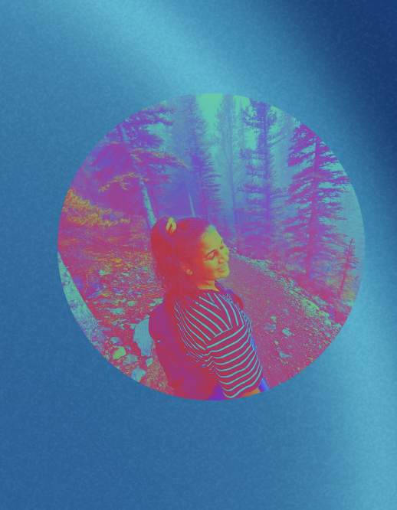
Main background |  |  |  |  |  |  |  |  |  |  | value | olive | green | teal | blue | purple | red | orange | yellow | skin | stone | grey
Stone | #f6f2ee | #e0dcca | #c5c1a5 | #a5a083 | #888364 | #5e5948 |  | row1 <- c("#f6f2ee", "#e0dcca", "#c5c1a5", "#a5a083", "#888364", "#5e5948") |  |  | 1 | #f2eeb3 | #d7e5c5 | #cae5ee | #c5e5fb | #e9d3ea | #f6ceca | #fbdcbc | #ffeec1 | #f6e5d3 | #f6f2ee | #e5e5e9
Grey | #e5e5e9 | #c5cad7 | #96a0b3 | #6e788d | #435369 | #1c2a43 |  | row2 <- c("#e5e5e9", "#c5cad7", "#96a0b3", "#6e788d", "#435369", "#1c2a43") |  |  | 2 | #dcdc64 | #a1ca78 | #96ced3 | #9bcae9 | #d3a9ce | #e9a0a5 | #fabd7d | #f6dc87 | #dcbca1 | #e0dcca | #c5cad7
 |  |  |  |  |  |  |  |  |  |  | 3 | #c5c500 | #5eb342 | #49bcbc | #5496ce | #b778b3 | #dc6464 | #f29742 | #e9c54e | #bc9678 | #c5c1a5 | #96a0b3
Main accents |  |  |  |  |  |  |  |  |  |  | 4 | #96a008 | #429130 | #0096a0 | #006eae | #a64791 | #c5373d | #e96a00 | #ca9b23 | #916953 | #a5a083 | #6e788d
Red | #f6ceca | #e9a0a5 | #dc6464 | #c5373d | #9b241c | #730c0d |  | row3 <- c("#f6ceca", "#e9a0a5", "#dc6464", "#c5373d", "#9b241c", "#730c0d") |  |  | 5 | #647314 | #1c6e2b | #006479 | #00488d | #792374 | #9b241c | #b34900 | #9b740a | #734e3d | #888364 | #435369
Blue | #c5e5fb | #9bcae9 | #5496ce | #006eae | #00488d | #002359 |  | row4 <- c("#c5e5fb", "#9bcae9", "#5496ce", "#006eae", "#00488d", "#002359") |  |  | 6 | #304316 | #0e3716 | #003648 | #002359 | #430b4e | #730c0d | #832a00 | #69540b | #432a17 | #5e5948 | #1c2a43
Yellow | #ffeec1 | #f6dc87 | #e9c54e | #ca9b23 | #9b740a | #69540b |  | row5 <- c("#ffeec1", "#f6dc87", "#e9c54e", "#ca9b23", "#9b740a", "#69540b")

Extended palette
Olive | #f2eeb3 | #dcdc64 | #c5c500 | #96a008 | #647314 | #304316 |  | row6 <- c("#f2eeb3", "#dcdc64", "#c5c500", "#96a008", "#647314", "#304316")
Green | #d7e5c5 | #a1ca78 | #5eb342 | #429130 | #1c6e2b | #0e3716 |  | row7 <- c("#d7e5c5", "#a1ca78", "#5eb342", "#429130", "#1c6e2b", "#0e3716")
Teal | #cae5ee | #96ced3 | #49bcbc | #0096a0 | #006479 | #003648 |  | row8 <- c("#cae5ee", "#96ced3", "#49bcbc", "#0096a0", "#006479", "#003648")
Blue | #c5e5fb | #9bcae9 | #5496ce | #006eae | #00488d | #002359 |  | row9 <- c("#c5e5fb", "#9bcae9", "#5496ce", "#006eae", "#00488d", "#002359") |  |  |  |  |  |  |  |  |  | #435369 |  | #e5e5e9
Purple | #e9d3ea | #d3a9ce | #b778b3 | #a64791 | #792374 | #430b4e |  | row10 <- c("#e9d3ea", "#d3a9ce", "#b778b3", "#a64791", "#792374", "#430b4e") |  |  |  |  |  |  |  |  |  | #6e788d |  | #96a0b3
Red | #f6ceca | #e9a0a5 | #dc6464 | #c5373d | #9b241c | #730c0d |  | row11 <- c("#f6ceca", "#e9a0a5", "#dc6464", "#c5373d", "#9b241c", "#730c0d") |  |  |  |  |  |  |  |  |  | #c5cad7 |  | #435369
Orange | #fbdcbc | #fabd7d | #f29742 | #e96a00 | #b34900 | #832a00 |  | row12 <- c("#fbdcbc", "#fabd7d", "#f29742", "#e96a00", "#b34900", "#832a00")
Yellow | #ffeec1 | #f6dc87 | #e9c54e | #ca9b23 | #9b740a | #69540b |  | row13 <- c("#ffeec1", "#f6dc87", "#e9c54e", "#ca9b23", "#9b740a", "#69540b")
Skin tones | #f6e5d3 | #dcbca1 | #bc9678 | #916953 | #734e3d | #432a17 |  | row14 <- c("#f6e5d3", "#dcbca1", "#bc9678", "#916953", "#734e3d", "#432a17")

15 color interpolation: cp <- c("#429130", "#2f9a71", "#159594", "#0096a0", "#0083ab", "#0075b3", "#006eae", "#5b5da3", "#8d4b9b", "#a64791", "#b03e67", "#c5373d", "#d8571f", "#e96a00", "#ca9b23")
white-red: c("#FFFFFF", "#F6CECA", "#E9A0A5", "#DC6464", "#C5373D", "#9B241C", "#730C0D")
white-teal: teals <- c("f6eff7", "#cae5ee", "#96ced3", "#49bcbc", "#0096a0", "#006479", "#003648")
 |  |  |  | #002359 | #006eae | #9bcae9 | #e5e5e9 | #e9a0a5 | #c5373d | #730c0d
 |  |  |  | #003648 | #0096a0 | #96ced3 | #e5e5e9 | #d3a9ce | #a64791 | #430b4e
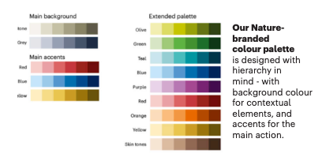
white-grey <- c("f6eff7", "#e5e5e9", "#c5cad7", "#96a0b3", "#6e788d", "#435369", "#1c2a43")

 | ac low | ac high | ctcf | polycomb

 | #b34900 | #9b241c | #006479 | #1c6e2b
crispr + | #e96a00 | #c5373d | #0096a0 | #429130
crispr all | #f29742 | #dc6464 | #49bcbc | #5eb342
gw | #fabd7d | #e9a0a5 | #96ced3 | #a1ca78

k27me3 | ctcf | ac high | ac med | ac low
#429130 | #49bcbc | #c5373d | #d9694a | #ea9561 |  |  | red i used for stars somehwere?
 |  |  |  |  |  |  | #e82b2b

k27me3 | ctcf |  | dnase high | dnase low
#429130 | #49bcbc | k27ac high | #792374 | #c5373d
 |  | k27ac low | #5496ce | #c5cad7

https://maketintsandshades.com/

pred_id | pred_col | boolean | alpha | aggregate_function | fill_value | inverse_predictor | pred_name_long | color
baseline | distToTSS | FALSE |  | mean | Inf | TRUE | Distance to TSS | #c5cad7
baseline | nearestTSS | TRUE |  | max | 0 | FALSE | Nearest TSS | #6e788d
baseline | nearestGene | TRUE |  | max | 0 | FALSE | Nearest gene | #435369
baseline | within100kbTSS | TRUE |  | max | 0 | FALSE | Within 100kb of TSS | #1c2a43
ABC_refDefault | ABC.Score | FALSE | 0.017 | max | 0 | FALSE | ABC (default TSS) | #9bcae9
ABC_refABC | ABC.Score | FALSE | 0.017 | max | 0 | FALSE | ABC (ABC TSS) | #5496ce
ABC_refRefGene | ABC.Score | FALSE | 0.017 | max | 0 | FALSE | ABC (RefGene TSS) | #006eae
ABC_refMAGE | ABC.Score | FALSE | 0.017 | max | 0 | FALSE | ABC (MAGE TSS) | #00488d

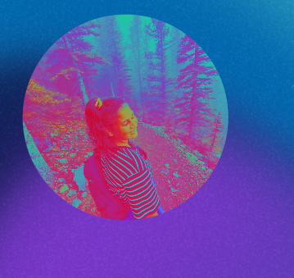
 |  | #d51e44
 |  | #feb43a
 |  | #93e35f
 |  | #3dd5a9
 |  | #8345b6
 |  | #b11e85

