Graphic Test
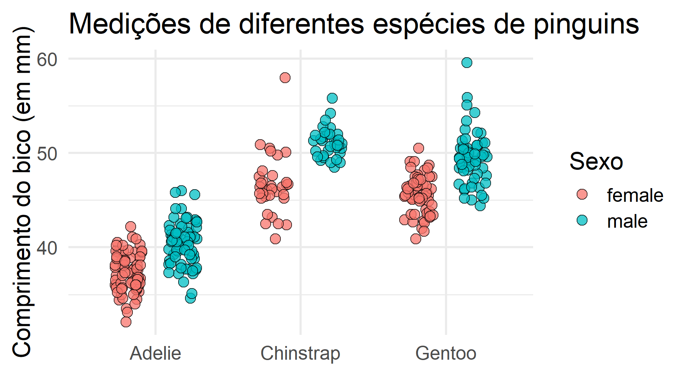
species | island | bill_length_mm | bill_depth_mm | flipper_length_mm | body_mass_g | sex | year
Adelie | Torgersen | 39.1 | 18.7 | 181 | 3750 | male | 2007
Adelie | Torgersen | 39.5 | 17.4 | 186 | 3800 | female | 2007
Adelie | Torgersen | 40.3 | 18 | 195 | 3250 | female | 2007
Adelie | Torgersen | 36.7 | 19.3 | 193 | 3450 | female | 2007
Adelie | Torgersen | 39.3 | 20.6 | 190 | 3650 | male | 2007
Adelie | Torgersen | 38.9 | 17.8 | 181 | 3625 | female | 2007

