Requirements
REQ.No | Text | True or False Requirement
REQ-1 | Title | 0
REQ-2 | Requirements Document - UpDown Counter | 0
REQ-3 | 1. Introduction | 0
REQ-4 | 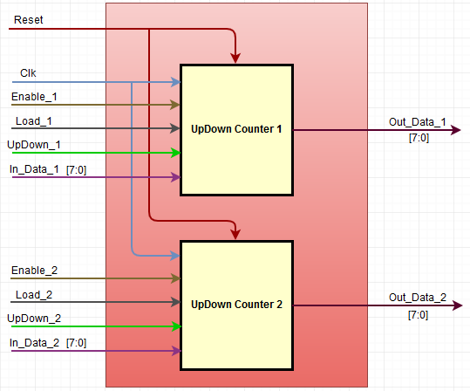 This document defines the functional requirements for the UpDown Counter. The top level functional block diagram is as below. | 0
REQ-5 | 2. Conventions Used | 0
REQ-6 | 2.1. DUT The term "DUT" in this document refers to the DUT1 and DUT2. The DUT1 and DUT2 input and output signals are merger to represent them as single DUT signals. | 0
REQ-7 | 2.2. Common Signals The Clock signal "Clk" and the Reset signal "Reset" are the common signal for the "DUT". | 0
REQ-8 | 2.3. Merger Signals For the functional representation of the "DUT" the following input and output signals are merged. 1. The Enable_1 and Enable_2 are merged to represent as "Enable" signal. 2. The Load_1 and Load_2 are merged to represent as "Load" signal. 3. The UpDown_1 and UpDown_2 are merged to represent as "UpDown" signal. 4. The InData_1 and InData_2 are merged to represent as "InData" signal. 5. The OutData_1 and OutData_2 are merged to represent as "OutData" signal. | 0
REQ-9 | 2.4 Numerical Notation A numerical subscript will be used to indicate base of all numbers. Subscripts to be used are dec ('d) for decimal, bin ('b) for binary, hex (0x or 'h) for hexadecimal. | 0
REQ-10 | 2.5 Signal/Bit State "Assert" - It will be used to indicate when a signal should be driven to the active state. "Deassert" - It will be used to indicate when a signal should be driven to the inactive state. "Set" - It will be used to indicate when a logic bit should be set to '1'. "Clear" - It will be used to indicate when a logic bit should be set to '0'. | 0
REQ-11 | 3. Signals Definitions | 0
REQ-12 | Refer to the tab "Signals_Definitions" for the signals description and definitions. | 0
REQ-13 | 4. Requirements | 0
REQ-14 | 4.1. Reset | 0
REQ-15 | Input Signal “Reset” is an active low signal. | 0
REQ-16 | The "Reset Period" is defined as the period when the "DUT" input signal "Reset" is "Assert" for 20ns and then it is "Deassert". | 0
REQ-17 | The "DUT" output signal "OutData" value Shall be set to value 0x00, after the "Reset Period". | 1
REQ-18 | 4.2. Clock
REQ-19 | The Clock Frequency is defined as 50MHz. | 0
REQ-20 | 4.3. Enable & Load | 0
REQ-21 | The "DUT" output signal "OutData" value Shall be held to its previous value, when the input signal "Enable" is "Clear". | 1
REQ-22 | The "DUT" output signal "OutData" value Shall be set to value of input signal "InData", when the input signal "Enable" and "Load" are "Set". | 1
REQ-23 | 4.4. UpDown | 0
REQ-24 | The "DUT" output signal "OutData" value Shall be incremented by 'b1, when the input signal "Enable" is "Set", "Load" is "Clear" and "UpDown" is "Set". | 1
REQ-25 | The "DUT" output signal "OutData" value Shall be decremented by 'b1, when the input signal "Enable" is "Set", "Load" and "UpDown" are "Clear". | 1
REQ-26 | The "DUT" output signal "OutData" value Shall be rollover from 0xFF to 0x00, when the output signal "OutData" value is 0xFF, input signal "Enable" is "Set", "Load" is "Clear" and "UpDown" is "Set". | 1
REQ-27 | The "DUT" output signal "OutData" value Shall be rollback from 0x00 to 0xFF, when the output signal "OutData" value is 0x00, input signal "Enable" is "Set", "Load" and "UpDown" are "Clear". | 1

 |  |  | FALSE | DUT 1
 |  |  | TRUE | DUT 2
 |  |  |  | DUT 1 & DUT 2

