Sheet1
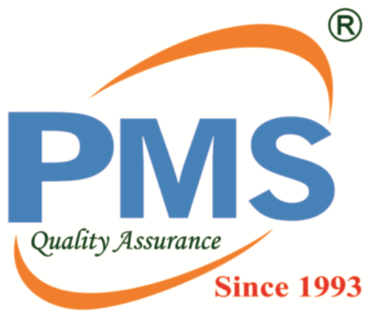 Service Report
Customer Care No: 1800 267 7039 / 8976320030 Email: solution@pestmanagements.in
Contract Number | Service Name | Service Type | Service Status | Service Date | Technician Comment | Technician Name | Image 1 | Image 2 | Image 3

