Bug Report
BUG REPORT
Bug ID | FC_09 | Auto
Module | Login
Requirements/Submodule/Feature | Login page requirement
Test Case Name | FC_09
Release/Server | QA
Status | New/Open/tO-DO | Auto
Reporter | Owner | Auto
Date | 2024-04-13 | Auto
Assign To | Developer
CC | TL/PM | NA
Severity | S1
Priority | P3
Platform | Web,MOBILE,DATABASE,API
Build No. | 1 | NA
Test Data | Username = mayurbparalkar@gmail.com and password = admin123
Attachment | NA | 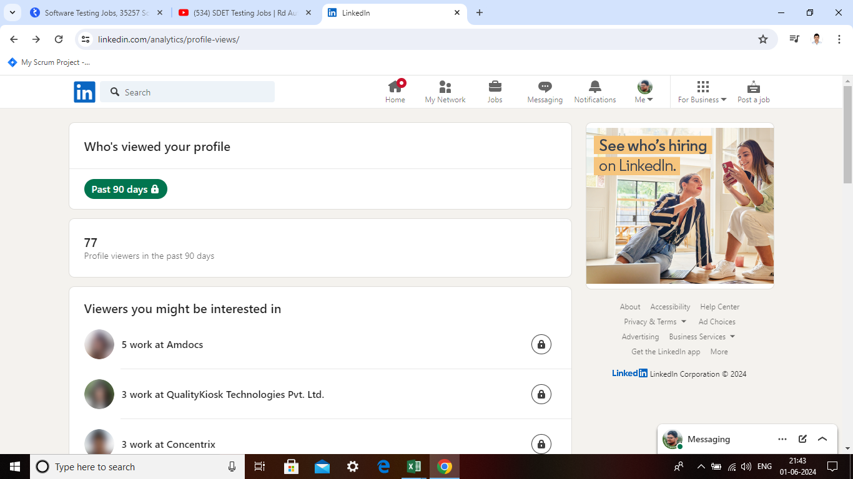
Navigation Steps | 1. Open URL 2. Enter Valid Username with different cases and correct password 3. Click on Login button. 4 HOMEPAGE 5 Profile viewers
Expected Result | If users check view the profile name and number of viewers.
Actual Result | who's view your profile show the name.

