ReadMeFirst
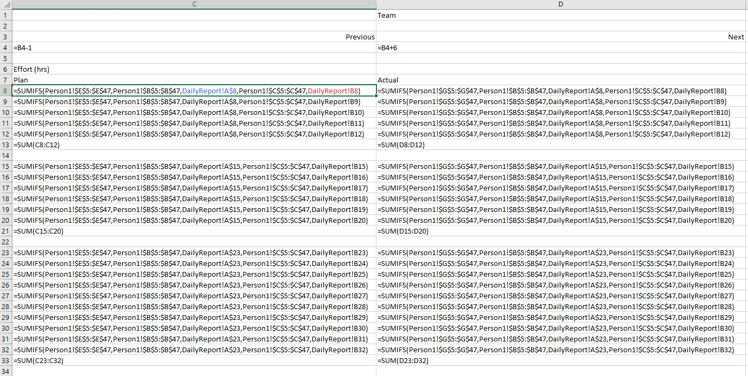
INFO 8440 Team and Individual Project Plan, Time, Effort, Status Reporting Workbook
*** This is a sample, and a template ****
*** Teams submitting a RACI workbook that is not based on this Template will receive, at best, an Adequate rating ***

Created by: | Bill Nixon |  | Version | 5

History Table:
 | Date | Version | Comments
 | Aug-17 | 1 | Created and published
 | 2019-10-17 | 2 | Added Actual RACI Columns, and Task Types
 | Dec-18 | 3 | Added Person Sheets, and Daily Report
 | Jan-21 | 4 | Created RACI Deliverables, and RACI Tasks sheets
 | Dec-22 | 5 | Renamed sheets. Added more documentation and guidance.

Sheets
ReadMeFirst | This sheet. Gives an overview of the entire workbook
RACI Deliverables | Required. The latest version of the RACI Deliverables for the team for this project. This sheet is cloned at the first of every class day, and then updated.
RACI Tasks | Optional. The latest version of the RACI Tasks for the team for this project. This sheet is cloned at the first of every class day, and then updated.
Dlvrbls Day 3-1 | Required. The RACI Deliverables sheet as of Week 3 Day 1 at start of class. This should never be changed. Comparing this to the latest sheet will show the RACI changes, and thus team decisions.
 | By the time that the project is finished, there must be one backup sheet for each of all but the last 2 days (Briefing/Presentation Days) of the Project
Tasks Day 3-1 | Optional. The RACI Tasks sheet as of Week 3 Day 1 at start of class. This should never be changed.
Person1 | The Daily Time log for Person1 of the Team. Always insert new lines at the base of the list, so that the message at the bottom (Row 47 in the sampe) always stays.
** More Daily Log sheets needed - one for each team member! ** These should be kept in separate workbooks during the project, and submitted separately for final submission **

Gantt | Reserved Sheet for a Ecel based Gantt of the RACI Deliverables Sheet.
 | For the PM Docs version of this workbook, the Gantt will have no data, and thus no date range graphics, but it will have Excel formulas to create the graphics.

Guidance:
1) | Update RACI data only in the RACI sheet!
2) | The Activity Numbers in the Person Sheets are the code number for the Activity from the RACI
3) | All Required Deliverables for the Final Project submission must be provided in the Delvierables sheets. RFI and PM Docs Deliverable are optional.
4) | Every Deliverable Item must have a Responsible and Accountable person. It is allowable to be A,R, but someone else should do a Quality Check on all person's work.
5) | Formatting is left to you to do. This workbook is given to you as a guide. It must look different than this sample when submitted as INFO 8440 work.
6) | Save your work often. Save different versions of this file as backups.
7) | All dates must be formatted as DD-MMM or DD-MMM-YY 11-Jan-17 or 11-Jan
8) | The RACI-Actual Columns should only be filled in when the Actual differs from the Plan.
9) | Vlookup is used to echo the names of the deliverables into the Tasks sheets and the Gantt sheet
10) | Sheets are created to support filtering, not grouped reporting
11) | The Actual IsBuilt Date in RACI Deliverables indicates the date when the original creator has received a Quality OK rating from the team.
 | Usually, the component is then included in the final report and/or presentation
12) | In the RACI Deliverables and RACI Tasks sheets, from Row 7 and down, THERE MUST BE NO MERGED CELLS!
13) | Projected Effort data in the RACI+ Deliverables is expected in the Phase 3 Project, but optional in Phase 1
14) | The Deliverable Grouping is optional data.
15) | Minutes of Team Meetings are not required in this course. Instead, this RACI must be kept up to date, and backup sheets done every class day.
16) | This RACI+ workbook will be required as a weekly submission for later weeks in each project. Professor will provide details at that time.

Gantt sheet
TaskID | Task | Start date | End Date | Duration
J | Requests for Information with NDA (included as an Appendix) | 2022-02-25 | 2022-02-26 | 1
A | Letter of Transmittal | 2022-02-25 | 2022-02-26 | 1
B | Cover Page | 2022-02-25 | 2022-02-26 | 1
C | Page Headers, Footers and Numbering | 2022-02-25 | 2022-02-26 | 1
D | TOC | 2022-02-25 | 2022-02-26 | 1
E | Document History | 2022-02-25 | 2022-02-26 | 1
F | Executive Summary | 2022-02-25 | 2022-02-26 | 1
G | Assumptions | 2022-02-25 | 2022-02-26 | 1
H | Conclusions | 2022-02-25 | 2022-02-26 | 1
I | Background and overview of client | 2022-02-25 | 2022-02-26 | 1
T | Business Challenges | 2022-02-27 | 2022-03-04 | 5
U | Current Brands Involved and their Statuses | 2022-02-27 | 2022-03-04 | 5
Z | Gantt Chart | 2022-02-27 | 2022-03-04 | 5
AJ | Measuring Success and Failure in improving TrackR manufacturing process | 2022-02-26 | 2022-03-05 | 7
AI | Possible Future Analysis and Development for TrackR manufacturing process | 2022-02-26 | 2022-03-05 | 7
K | Project Scope Document | 2022-02-25 | 2022-03-05 | 8
AK | Probable Benefits of Changing TrackR manufacturing Process | 2022-02-25 | 2022-03-05 | 8
X | AS-IS Spaghetti Diagram | 2022-02-28 | 2022-03-06 | 6
Y | AS-IS Spaghetti Diagram labels and Notes | 2022-02-28 | 2022-03-06 | 6
W | AS-IS Excel Schedule sheet | 2022-02-28 | 2022-03-06 | 6
L | AS-IS Excel Component sheet | 2022-02-28 | 2022-03-06 | 6
O | AS-IS Excel Assembly Actions,Components,Tests, Failure Rates and Movements sheet | 2022-02-28 | 2022-03-06 | 6
AD | AS-IS Workbook Documentation | 2022-02-27 | 2022-03-07 | 8
AF | AS-IS Profit and Loss Model (P&L) calculations | 2022-02-27 | 2022-03-07 | 8
AG | AS-IS Profit and Loss Model (P&L) income calculations | 2022-02-27 | 2022-03-07 | 8
AH | Detailed References for all Sources of Knowledge | 2022-02-27 | 2022-03-07 | 8
M | AS-IS Excel Component Price sheet with max and min value | 2022-02-28 | 2022-03-08 | 8
AA | AS-IS Daily production sheet | 2022-02-27 | 2022-03-08 | 9
AE | AS-IS Profit and Loss Model (P&L) data | 2022-02-27 | 2022-03-08 | 9
AB | AS-IS Average Production sheet | 2022-02-27 | 2022-03-08 | 9
AC | AS-IS Wholesale sheet | 2022-02-27 | 2022-03-08 | 9
N | AS-IS Excel Picking sheet | 2022-02-26 | 2022-03-08 | 10
V | AS-IS Excel Employee detail sheet | 2022-03-07 | 2022-03-09 | 2
Q | AS-IS Excel Assembly - Component Costs,Totals (Running and Grand) | 2022-02-28 | 2022-03-09 | 9
R | AS-IS Excel Assembly - Labour & Component Costs,Totals (Running and Grand) response to Test fails | 2022-02-28 | 2022-03-09 | 9
S | AS-IS Excel Assembly Movement | 2022-02-28 | 2022-03-09 | 9
P | AS-IS Excel Assembly Assembly - Labour Costs | 2022-02-27 | 2022-03-09 | 10
AM | Six sigma and Failure reduction process report | 2022-03-09 | 2022-03-13 | 4
AL | Suggestion Overview | 2022-03-09 | 2022-03-13 | 4
AO | Siplace Impact and ROI report | 2022-03-09 | 2022-03-15 | 6
AU | Suggestion on Environment Changes | 2022-03-10 | 2022-03-20 | 10
AP | TO BE model - Siplace machine impact | 2022-03-09 | 2022-03-28 | 19
AQ | TO BE Picking process - Financial excel model | 2022-03-09 | 2022-03-28 | 19
AR | TO BE Assembly process - Financial excel model | 2022-03-09 | 2022-03-28 | 19
AS | TO BE Staffing process - Financial excel model | 2022-03-09 | 2022-03-28 | 19
AN | TO BE model - Six sigma process | 2022-03-09 | 2022-03-29 | 20
BY | Powerpoint Presentation | 2022-03-27 | 2022-03-31 | 4
BZ | Final RFI report | 2022-03-25 | 2022-03-31 | 6
AT | Training,Needs and plans | 2022-03-22 | 2022-03-31 | 9
AV | Constraints on Restructuring workspace | 2022-03-20 | 2022-03-31 | 11
BX | Merged Final Report | 2022-03-25 | 2022-03-31 | 6
CA | RACI+, Documentation, Backup Sheets | 2022-02-25 | 2022-04-01 | 35
CB | Time and Effort Reporting | 2022-02-25 | 2022-04-01 | 35

 |  |  | 44610.00

