ESXi-Config


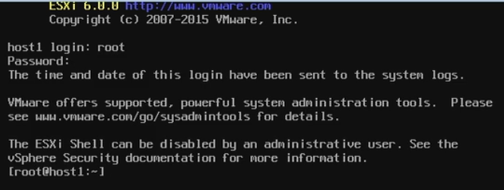

DCUI |  |  | Most of the system task are performed via Sphere System Center
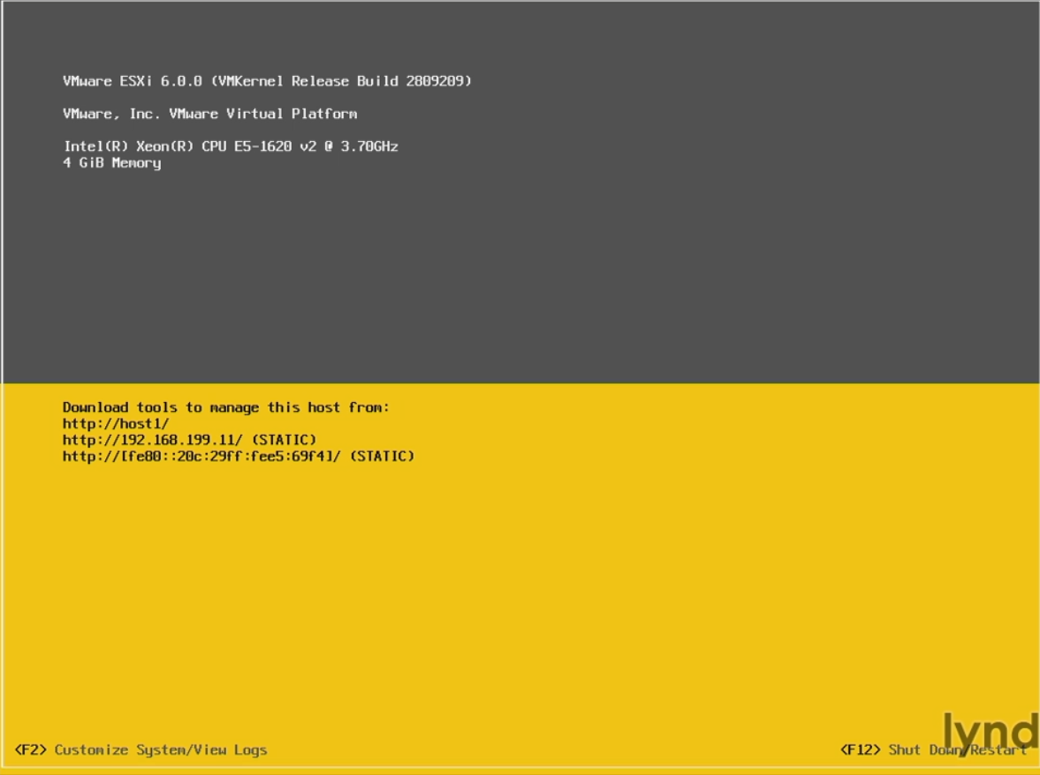
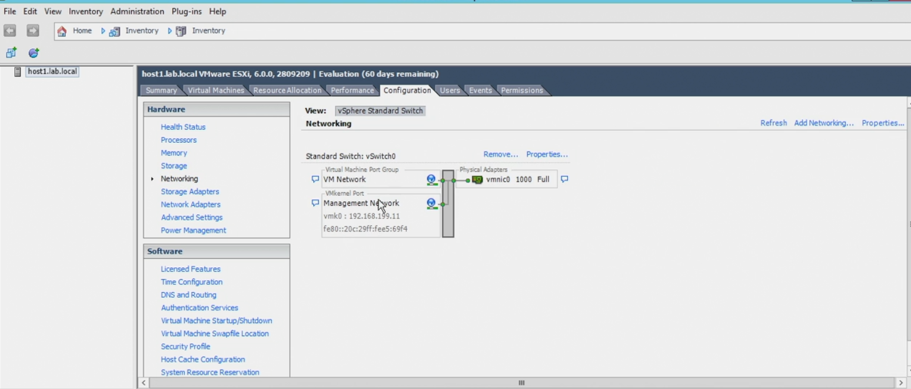

 | F2 | To customize System
 | F12 | To Shutdown / Restart
 | Alt + F1 | To goto ESXi Shell (need to enable first from Troubleshooting options)
 | Alt + F2 | To exit ESXi Shell and goto DCUI (Direct Console User Interface (DCUI) )

RAID
 |  |  |  |  | Redundant Array of inexpensive disk
RAID0 | Strip Volume |  | Mirroring

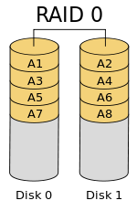

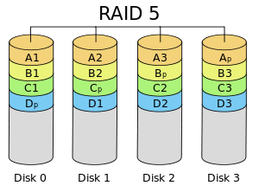

Level | Description | Minimum number of drives[b] | Space efficiency | Fault tolerance | Read performance | Write performance
RAID 0 | Block-level striping without parity or mirroring | 2 | 1 | None | n× | n×
RAID 1 | Mirroring without parity or striping | 2 | 1/n | One drive failures | n×[a][15] | 1×[d][15]
RAID 2 | Bit-level striping with Hamming code for error correction | 3 | 1 − 1/n log2 (n − 1) | One drive failures | Depends | Depends
RAID 3 | Byte-level striping with dedicated parity | 3 | 1 − 1/n | One drive failures | (n − 1)× | (n − 1)×[f]
RAID 4 | Block-level striping with dedicated parity | 3 | 1 − 1/n | One drive failures | (n − 1)× | (n − 1)×[f][citation needed]
RAID 5 | Block-level striping with distributed parity | 3 | 1 − 1/n | One drive failures | n×[f] | (n − 1)×[f][citation needed]
RAID 6 | Block-level striping with double distributed parity | 4 | 1 − 2/n | Two drive failures | n×[f] | (n − 2)×[f][citation needed]

Network
Network Classes:
The concept of network classes is a little obsolete as subnets are now used to define smaller networks using CIDR (Classless Inter-Domain Routing) as detailed above. These subnets may be part of a class A, B, C, etc network. For historical reference the network classes are defined as follows:
Class A: Defined by the first 8 bits with a range of 0 - 127. First number (8 bits) is defined by Internic i.e. 77.XXX.XXX.XXX One class A network can define 16,777,214 hosts. Range: 0.0.0.0 - 127.255.255.255
Class B: Defined by the first 8 bits with a range from 128 - 191 First two numbers (16 bits) are defined by Internic i.e. 182.56.XXX.XXX One class B network can define 65,534 hosts. Range: 128.0.0.0 - 191.255.255.255
Class C: Defined by the first 8 bits with a range from 192 - 223 First three numbers (24 bits) are defined by Internic i.e. 220.56.222.XXX One class B network can define 254 hosts. Range: 192.0.0.0 - 223.255.255.255
Class D: Defined by the first 8 bits with a range from 224 - 239 This is reserved for multicast networks (RFC988) Range: 224.0.0.0 - 239.255.255.255
Class E: Defined by the first 8 bits with a range from 240 - 255 This is reserved for experimental use. Range: 240.0.0.0 - 247.255.255.255
 |  | 127.0.0.1 | Loopback Adapter

 |  | APIPA

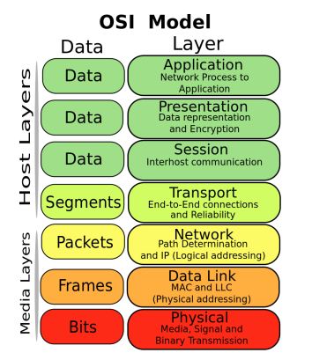

Service | Port #
FTP | 21 & 20 for data
SSH | 22
Telnet | 23
SMTP | 25
DNS | 53
DHCP (UDP) | 67/68
HTTP | 80
SNMP | 161/162
LDAP | 389
HTTPS | 443
RDP | 3389
Kerboros | UDP 88
Powershell remoting | 5985

