K medoid Demo soln
 | Cluster1 | Cluster2 | Cluster3 | Cluster4 | Row Total | Cluster1 | Cluster2 | Cluster3 | Cluster4
Successful Hedonists | 235 | 760 | 867 | 220 | 2082 | 9.1% | 9.8% | 10.6% | 8.8%
Driven Growers | 229 | 634 | 675 | 224 | 1762 | 8.9% | 8.2% | 8.2% | 8.9%
Average Family | 389 | 1230 | 1200 | 436 | 3255 | 15.1% | 15.8% | 14.7% | 17.4%
Career Loners | 15 | 72 | 69 | 20 | 176 | 0.6% | 0.9% | 0.8% | 0.8%
Living Well | 251 | 846 | 714 | 112 | 1923 | 9.7% | 10.9% | 8.7% | 4.5%
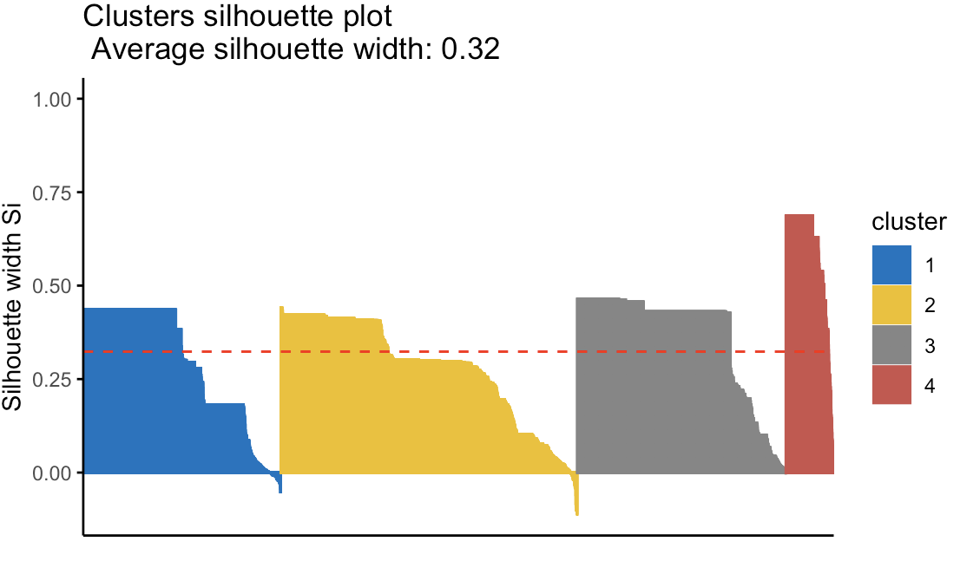
Cruising Seniors | 66 | 298 | 288 | 60 | 712 | 2.6% | 3.8% | 3.5% | 2.4%
Retired and Religious | 243 | 702 | 699 | 216 | 1860 | 9.4% | 9.0% | 8.5% | 8.6%
Family and grown ups | 733 | 1996 | 2289 | 800 | 5818 | 28.4% | 25.7% | 28.0% | 31.8%
Conservative Families | 286 | 896 | 939 | 256 | 2377 | 11.1% | 11.5% | 11.5% | 10.2%
Farmers | 137 | 328 | 447 | 168 | 1080 | 5.3% | 4.2% | 5.5% | 6.7%
Column Total | 2584 | 7762 | 8187 | 2512 | 21045

MAANTHUI | Cluster1 | Cluster2 | Cluster3 | Cluster4 | Row Total | Cluster1 | Cluster2 | Cluster3 | Cluster4
1 | 2370 | 6970 | 7452 | 2304 | 19096 | 91.7% | 89.8% | 91.0% | 91.7%
2 | 196 | 726 | 651 | 180 | 1753 | 7.6% | 9.4% | 8.0% | 7.2%
3 | 14 | 56 | 51 | 20 | 141 | 0.5% | 0.7% | 0.6% | 0.8%
4 | 1 | 2 | 6 |  | 9 | 0.0% | 0.0% | 0.1% | 0.0%
5 | 1 |  | 6 |  | 7 | 0.0% | 0.0% | 0.1% | 0.0%
6 | 1 |  | 6 |  | 7 | 0.0% | 0.0% | 0.1% | 0.0%
7 | 1 | 6 | 9 | 4 | 20 | 0.0% | 0.1% | 0.1% | 0.2%
8 |  |  | 3 | 4 | 7 | 0.0% | 0.0% | 0.0% | 0.2%
10 |  | 2 | 3 |  | 5 | 0.0% | 0.0% | 0.0% | 0.0%
Column Total | 2584 | 7762 | 8187 | 2512 | 21045

MGEMOMV | Cluster1 | Cluster2 | Cluster3 | Cluster4 | Row Total | Cluster1 | Cluster2 | Cluster3 | Cluster4
1 | 101 | 398 | 399 | 76 | 974 | 3.9% | 5.1% | 4.9% | 3.0%
2 | 985 | 2912 | 2871 | 872 | 7640 | 38.1% | 37.5% | 35.1% | 34.7%
3 | 1178 | 3464 | 3912 | 1196 | 9750 | 45.6% | 44.6% | 47.8% | 47.6%
4 | 295 | 900 | 897 | 352 | 2444 | 11.4% | 11.6% | 11.0% | 14.0%
5 | 23 | 86 | 108 | 16 | 233 | 0.9% | 1.1% | 1.3% | 0.6%
6 | 2 | 2 |  |  | 4 | 0.1% | 0.0% | 0.0% | 0.0%
Column Total | 2584 | 7762 | 8187 | 2512 | 21045

MGEMLEEF | Cluster1 | Cluster2 | Cluster3 | Cluster4 | Row Total
20-30 years | 25 | 90 | 90 | 16 | 221 | 1.0% | 1.2% | 1.1% | 0.6%
30-40 years | 591 | 2026 | 2022 | 524 | 5163 | 22.9% | 26.1% | 24.7% | 20.9%
40-50 years | 1380 | 3978 | 4242 | 1484 | 11084 | 53.4% | 51.2% | 51.8% | 59.1%
50-60 years | 504 | 1354 | 1479 | 412 | 3749 | 19.5% | 17.4% | 18.1% | 16.4%
60-70 years | 78 | 276 | 294 | 60 | 708 | 3.0% | 3.6% | 3.6% | 2.4%
70-80 years | 6 | 38 | 60 | 16 | 120 | 0.2% | 0.5% | 0.7% | 0.6%
Column Total | 2584 | 7762 | 8187 | 2512 | 21045

MOSTYPE | Cluster1 | Cluster2 | Cluster3 | Cluster4 | Row Total | Cluster1 | Cluster2 | Cluster3 | Cluster4
High Income, Expensive child | 50 | 188 | 192 | 40 | 470 | 1.9% | 2.4% | 2.3% | 1.6%
Very important provincials | 39 | 98 | 147 | 44 | 328 | 1.5% | 1.3% | 1.8% | 1.8%
High status seniors | 96 | 364 | 384 | 108 | 952 | 3.7% | 4.7% | 4.7% | 4.3%
Affluent senior apartments | 28 | 64 | 84 | 8 | 184 | 1.1% | 0.8% | 1.0% | 0.3%
Mixed seniors | 22 | 46 | 60 | 20 | 148 | 0.9% | 0.6% | 0.7% | 0.8%
Career & childcare | 52 | 146 | 213 | 52 | 463 | 2.0% | 1.9% | 2.6% | 2.1%
Dinki (Double Income no kids) | 23 | 58 | 51 | 12 | 144 | 0.9% | 0.7% | 0.6% | 0.5%
Middle Class families | 154 | 430 | 411 | 160 | 1155 | 6.0% | 5.5% | 5.0% | 6.4%
Modern, complete family | 135 | 298 | 396 | 176 | 1005 | 5.2% | 3.8% | 4.8% | 7.0%
Stable Family | 68 | 246 | 183 | 76 | 573 | 2.6% | 3.2% | 2.2% | 3.0%
Family starters | 58 | 262 | 249 | 56 | 625 | 2.2% | 3.4% | 3.0% | 2.2%
Affluent young families | 48 | 174 | 141 | 48 | 411 | 1.9% | 2.2% | 1.7% | 1.9%
Young all american family | 80 | 250 | 231 | 80 | 641 | 3.1% | 3.2% | 2.8% | 3.2%
Senior Cosmopolitan | 1 | 6 |  | 12 | 19 | 0.0% | 0.1% | 0.0% | 0.5%
Student in apartments | 5 | 16 | 33 | 4 | 58 | 0.2% | 0.2% | 0.4% | 0.2%
Fresh masters in the city | 3 | 16 | 6 |  | 25 | 0.1% | 0.2% | 0.1% | 0.0%
Single youth | 3 | 30 | 24 | 4 | 61 | 0.1% | 0.4% | 0.3% | 0.2%
Suburban Youth | 3 | 4 | 6 |  | 13 | 0.1% | 0.1% | 0.1% | 0.0%
Ethnically diverse | 16 | 22 | 36 | 12 | 86 | 0.6% | 0.3% | 0.4% | 0.5%
Young urban have nots | 11 | 16 | 30 |  | 57 | 0.4% | 0.2% | 0.4% | 0.0%
Mixed apartment dwellers | 47 | 158 | 108 | 28 | 341 | 1.8% | 2.0% | 1.3% | 1.1%
Young and rising | 91 | 378 | 270 | 24 | 763 | 3.5% | 4.9% | 3.3% | 1.0%
Young and low educated | 86 | 272 | 270 | 48 | 676 | 3.3% | 3.5% | 3.3% | 1.9%
Young and seniors in the city | 31 | 128 | 90 | 16 | 265 | 1.2% | 1.6% | 1.1% | 0.6%
Own home elderly | 19 | 62 | 72 | 20 | 173 | 0.7% | 0.8% | 0.9% | 0.8%
Seniors in apartment | 12 | 76 | 69 | 16 | 173 | 0.5% | 1.0% | 0.8% | 0.6%
Residential elderly | 4 | 32 | 57 | 8 | 101 | 0.2% | 0.4% | 0.7% | 0.3%
Porchless seniors | 40 | 110 | 105 | 36 | 291 | 1.5% | 1.4% | 1.3% | 1.4%
Religious elderly singles | 41 | 168 | 180 | 20 | 409 | 1.6% | 2.2% | 2.2% | 0.8%
Low income catholic | 96 | 224 | 246 | 112 | 678 | 3.7% | 2.9% | 3.0% | 4.5%
Mixed Seniors | 66 | 200 | 168 | 48 | 482 | 2.6% | 2.6% | 2.1% | 1.9%
Lower class large families | 398 | 1048 | 1140 | 396 | 2982 | 15.4% | 13.5% | 13.9% | 15.8%
Large family, employed child | 78 | 238 | 291 | 124 | 731 | 3.0% | 3.1% | 3.6% | 4.9%
Village families | 100 | 238 | 321 | 144 | 803 | 3.9% | 3.1% | 3.9% | 5.7%
Couples with teens | 105 | 288 | 309 | 84 | 786 | 4.1% | 3.7% | 3.8% | 3.3%
Mixed Small town dwellers | 52 | 184 | 228 | 52 | 516 | 2.0% | 2.4% | 2.8% | 2.1%
Traditional families | 137 | 444 | 504 | 168 | 1253 | 5.3% | 5.7% | 6.2% | 6.7%
Large Religious Families | 149 | 452 | 435 | 88 | 1124 | 5.8% | 5.8% | 5.3% | 3.5%
Large family farms | 35 | 96 | 126 | 48 | 305 | 1.4% | 1.2% | 1.5% | 1.9%
Mixed rurals | 102 | 232 | 321 | 120 | 775 | 3.9% | 3.0% | 3.9% | 4.8%
Column Total | 2584 | 7762 | 8187 | 2512 | 21045

Profiling against CARAVAN variable
 | 0 | 1 |  |  | Conversion Rate
Cluster1 | 2431 | 153 | 2584 |  | 5.9%
Cluster2 | 3580 | 301 | 3881 |  | 11.6%
Cluster3 | 2613 | 116 | 2729 |  | 4.5%
Cluster4 | 612 | 16 | 628 |  | 0.6%
 | 9236 | 586

