Analyze
Row Labels | Sum of Total Sales | Sum of Units Sold | Average of Price per Unit | Sum of Operating Profit
7UP | 725 | 1850 | 1.45 | 190
Coca Cola | 1110 | 3321 | 1.5 | 370
Dr. Pepper | 704 | 2060 | 1.6 | 220
Fanta | 1206 | 1660 | 1.8 | 335
Mountain Dew | 1360 | 3380 | 2 | 340
Pepsi | 2250 | 10520 | 1.75 | 390
Sprite | 2260 | 9910 | 1.25 | 375
Grand Total | 9615 | 32701 | 1.6117647059 | 2220

Sum of Total Sales | Column Labels
 | 2022 | 2023 | Grand Total
Row Labels
SuperMart | 723 | 500 | 1,223
MegaRetail | 742.5 | 400 | 1142.5
CityGroove | 766.5 | 1026.5 | 1793
SouthernStores | 685.5 | 1548 | 2233.5
CentralMarts | 604.5 | 1410.5 | 2015
BayMarket | 710.5 | 497.5 | 1208
Sales and Profit Margin by Qtr
Grand Total | 4232.5 | 5382.5 | 9615

Sum of Total Sales | Sum of Units Sold | Average of Price per Unit | Sum of Operating Profit
9,615 | 32,701 | $1.61 | 2,220

Years (Invoice Date) | Quarters (Invoice Date) | Average of Operating Profit | Sum of Total Sales
2022 | Qtr1 | 70 | 1434.5 | 2022 | Qtr1 | 70 | 1434.5
 | Qtr2 | 57 | 950.5 |  | Qtr2 | 57 | 950.5
 | Qtr3 | 71.666666667 | 752.5 |  | Qtr3 | 71.666666667 | 752.5
 | Qtr4 | 64 | 1095 |  | Qtr4 | 64 | 1095
2022 Total |  | 65.263157895 | 4232.5 | 2022 Total |  | 65.263157895 | 4232.5
2023 | Qtr1 | 65 | 1414 | 2023 | Qtr1 | 65 | 1414
 | Qtr2 | 60 | 680.5 |  | Qtr2 | 60 | 680.5
 | Qtr3 | 70 | 685.5 |  | Qtr3 | 70 | 685.5
 | Qtr4 | 66.666666667 | 2602.5 |  | Qtr4 | 66.666666667 | 2602.5
2023 Total |  | 65.333333333 | 5382.5 | 2023 Total |  | 65.333333333 | 5382.5
Grand Total |  | 65.294117647 | 9615

Dashboard
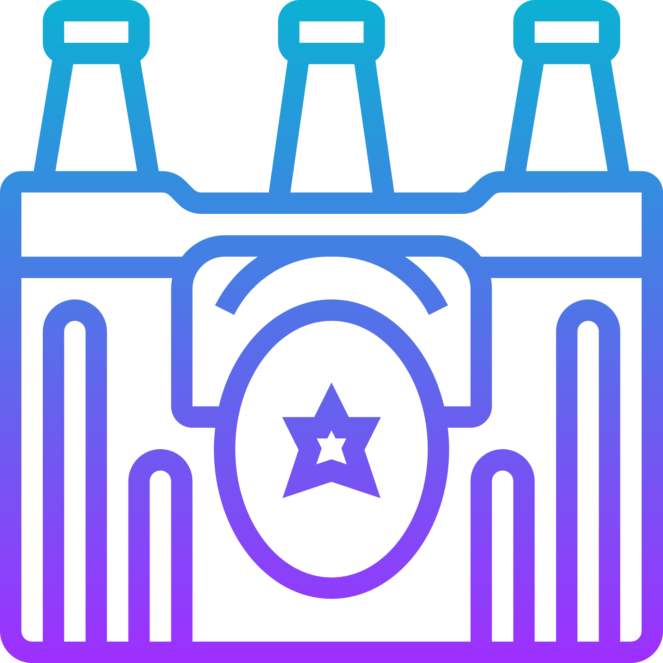
Beverages Retailer Dashboard

Total Sales
Units Soled
Average Price
Total Oprating Profit
9,615
32,701
$1.61
2,220

Sales by Beverage Brande |  |  |  |  | Sales by Retailer
 | Brand | Sales-22 | Sales-23 | Variance |  | Retailer | Sales-22 | Sales-23 | Variance
 | 7UP | 725 | 1,850 | 1,125 |  | SuperMart | 723 | 500 | (223)
 | Coca Cola | 1,110 | 3,321 | 2,211 |  | MegaRetail | 743 | 400 | (343)
 | Dr. Pepper | 704 | 2,060 | 1,356 |  | CityGroove | 767 | 1,027 | 260
 | Fanta | 1,206 | 1,660 | 454 |  | SouthernStores | 686 | 1,548 | 863
 | Mountain Dew | 1,360 | 3,380 | 2,020 |  | CentralMarts | 605 | 1,411 | 806
 | Total | 2,250 | 10,520 | 8,270 |  | Total | 711 | 498 | (213)

Sales and Profit Margin by Qtr
 | Average Oprating Profit | Sales
Qtr1 | 70 | 1434.5
Qtr2 | 57 | 950.5
Qtr3 | 71.666666667 | 752.5
Qtr4 | 64 | 1095
 | 65.263157895 | 4232.5
Qtr1 | 65 | 1414
Qtr2 | 60 | 680.5
Qtr3 | 70 | 685.5
Qtr4 | 66.666666667 | 2602.5
 | 65.333333333 | 5382.5
Sales and Oprating Profit Margin By Quarter
Last Updated Jan-24

