Sheet1
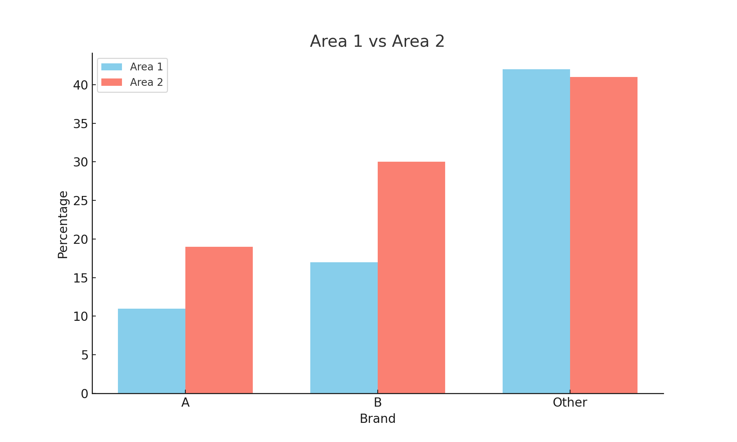
Area | Brand
1 | B
1 | Other | Frequencies
1 | A
1 | B |  | Area 1 | Area 2
1 | Other | A
1 | A | B
1 | Other | Other
1 | Other | Total
1 | Other
1 | Other
1 | B | Percentages
1 | Other
1 | Other |  | Area 1 | Area 2
1 | A | A
1 | A | B
1 | A | Other
1 | B | Total
1 | A
1 | Other
1 | B
1 | A
1 | B
1 | Other
1 | Other
1 | B
1 | B
1 | Other
1 | Other
1 | Other
1 | Other
1 | Other
1 | B
1 | B
1 | Other
1 | Other
1 | B
1 | B
1 | B
1 | Other
1 | Other
1 | B
1 | Other
1 | Other
1 | Other
1 | Other
1 | Other
1 | Other
1 | Other
1 | Other
1 | Other
1 | A
1 | Other
1 | A
1 | Other
1 | Other
1 | Other
1 | A
1 | A
1 | Other
1 | Other
1 | Other
1 | Other
1 | Other
1 | Other
1 | B
1 | Other
1 | B
1 | Other
1 | Other
1 | B
2 | A
2 | B
2 | A
2 | Other
2 | A
2 | B
2 | Other
2 | Other
2 | B
2 | B
2 | Other
2 | B
2 | B
2 | Other
2 | Other
2 | A
2 | B
2 | A
2 | Other
2 | B
2 | Other
2 | Other
2 | A
2 | Other
2 | A
2 | B
2 | Other
2 | B
2 | Other
2 | B
2 | Other
2 | B
2 | Other
2 | B
2 | A
2 | A
2 | Other
2 | B
2 | Other
2 | Other
2 | A
2 | B
2 | B
2 | Other
2 | Other
2 | Other
2 | Other
2 | B
2 | B
2 | B
2 | Other
2 | Other
2 | B
2 | B
2 | A
2 | Other
2 | B
2 | A
2 | A
2 | B
2 | Other
2 | Other
2 | Other
2 | B
2 | Other
2 | Other
2 | A
2 | Other
2 | A
2 | B
2 | B
2 | Other
2 | Other
2 | B
2 | Other
2 | A
2 | Other
2 | A
2 | Other
2 | Other
2 | Other
2 | Other
2 | Other
2 | A
2 | B
2 | A
2 | B
2 | B
2 | Other
2 | Other

