Sheet1
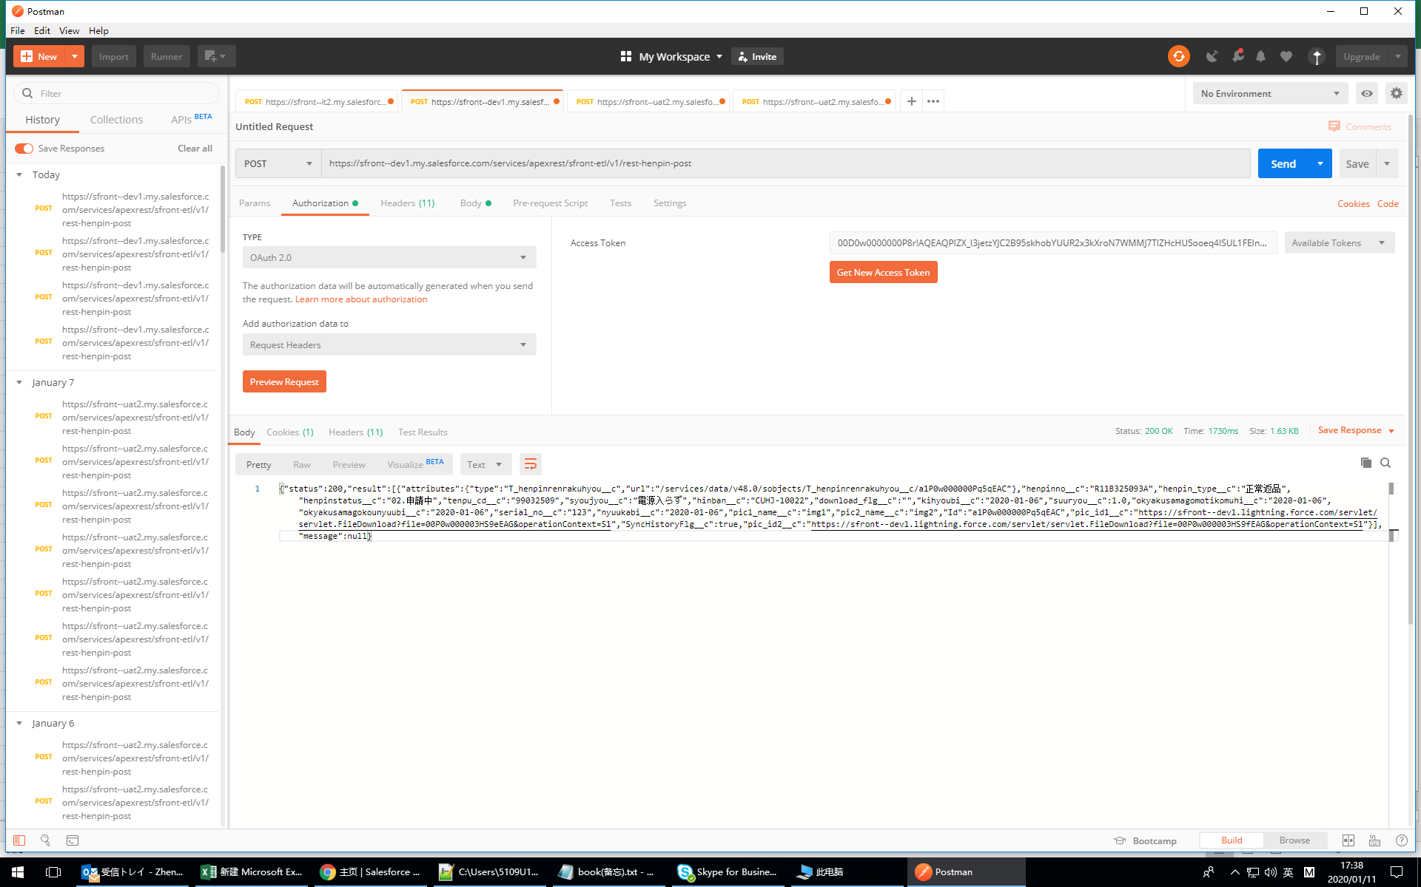

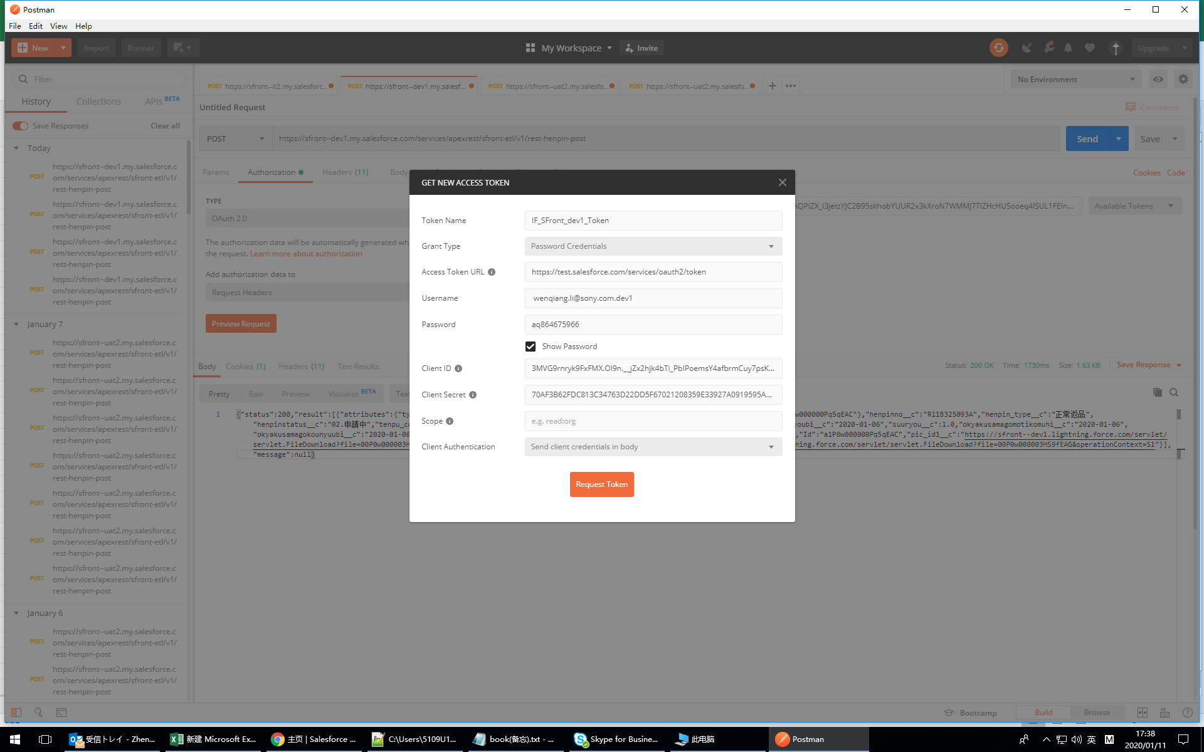

https://test.salesforce.com/services/oauth2/token

https://sfront--dev1.my.salesforce.com/services/apexrest/sfront-etl/v1/rest-henpin-post

