Feuil1
Connector 10 | Pin | Connector 7 | Pin
1 | PC9 | 1 | PC10
2 | PC8 | 2 | PC11
3 | PB8 | 3 | PC12
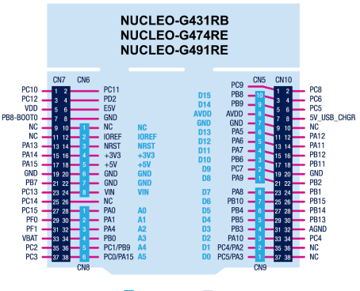
4 | PC6 | 4 | PD2
5 | PB9 | 5 | VDD
6 | PC5 | 6 | E5V
7 | AVDD | 7 | PB8-BOOT0
8 | 5V_USB_CHARGER | 8 | GND
9 | GND | 9 | NC
10 | NC | 10 | NC
11 | PA5 | 11 | NC
12 | PA12 | 12 | IOREF
13 | PA6 | 13 | PA13
14 | PA11 | 14 | NRST
15 | PA7 | 15 | PA14
16 | PB12 | 16 | 3V3
17 | PB6 | 17 | PA15
18 | PB11 | 18 | 5V
19 | PC7 | 19 | GND
20 | GND | 20 | GND
21 | PA9 | 21 | PB7
22 | PB2 | 22 | GND
23 | PA8 | 23 | PC13
24 | PB1 | 24 | VIN
25 | PB10 | 25 | PC14
26 | PB15 | 26 | NC
27 | PB4 | 27 | PC15
28 | PB14 | 28 | PA0
29 | PB5 | 29 | PF0
30 | PB13 | 30 | PA1
31 | PB3 | 31 | PF1
32 | AGND | 32 | PA4
33 | PA10 | 33 | VBAT
34 | PC4 | 34 | PB0
35 | PC4/PA2 | 35 | PC2
36 | NC | 36 | PC1/PB9
37 | PC5/PA3 | 37 | PC3
38 | NC | 38 | PC0/PA15

