TOC

11222B3
 | Table of Contents
 | 1 | Overview
 | 2 | VLOOKUP Definition
 | 3 | VLOOKUP Uses
 | 4 | Write a VLOOKUP
 | 5 | Errors
 | 6 | First Match & Sorting
 | 7 | Relationships
 | 8 | Lookup Tables
 | 9 | VLOOKUP Challenge
 | 10 | Source

 |  | This Table of Contents was created in
 |  | one click with the Tab Hound Add-in.
 |  | learn more | https://excelcampus.com/vlookup-challenge

Overview

What are we going to learn?

Introduction to VLOOKUP
 | 1 | Definition & Uses
 | 2 | How to Write a VLOOKUP Formula
 | 3 | The Two Main Causes of Errors
 | 4 | Stops at First Match & The Sorting Myth
 | 5 | Creating Relationships Between Tables

VLOOKUP Definition
VLOOKUP Definition:
Look for a value in a column and return a result from a cell in the row where a match is found.
Allows us to answer questions:
What is the price of a Caffe Mocha size Grande?
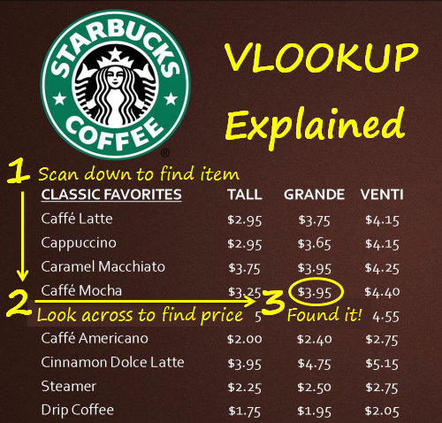
Always looks to the Right!

VLOOKUP Uses
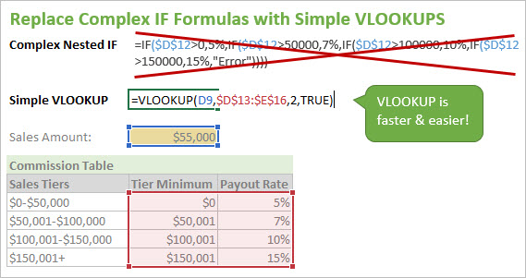
What can we use VLOOKUP for?

 | Create Relationships Between Data & Lookup Tables
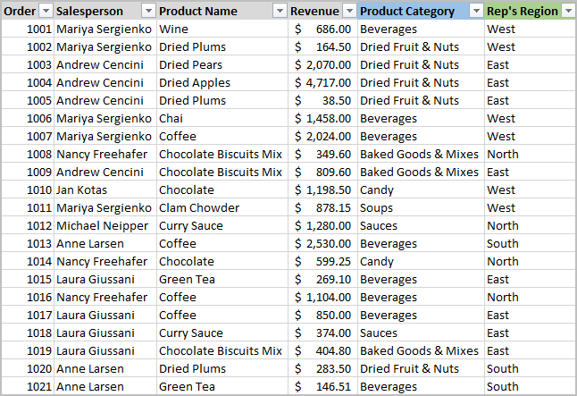
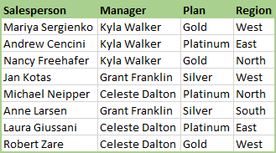
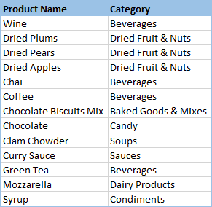

 | Search Tables & Databases
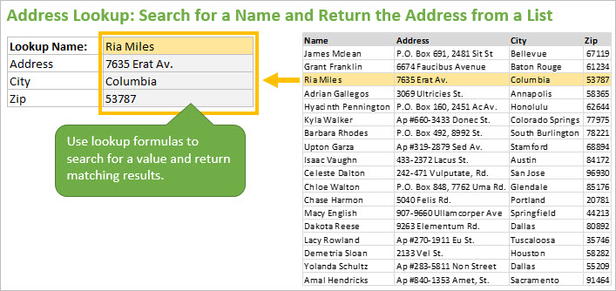

 | Interactive Reports & Financial Models
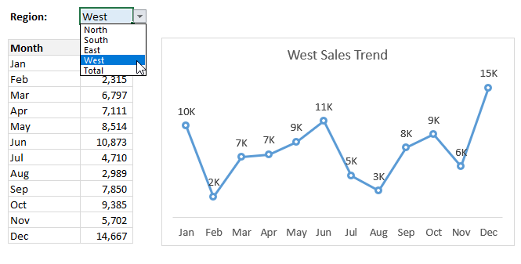
Use drop-down menu for dynamic inputs.

 | Tax & Commission Rate Calculations

Write a VLOOKUP
How to Write a VLOOKUP Formula

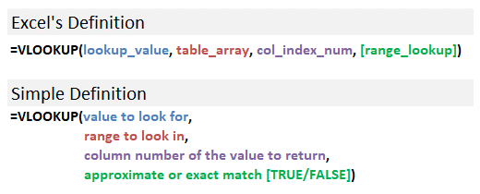
CLASSIC FAVORITES | TALL | GRANDE | VENTI
Caffe Latte | $2.95 | $3.75 | $4.15
Cappuccino | $2.95 | $3.65 | $4.15
Caramel Macchiato | $3.75 | $3.95 | $4.25
Caffe Mocha | $3.25 | $3.95 | $4.40
White Chocolate Mocha | $3.45 | $4.15 | $4.55
Caffe Americano | $2.00 | $2.40 | $2.75
Cinnamon Dolce Latte | $3.95 | $4.75 | $5.15
Drip Coffee | $1.75 | $1.95 | $2.05

Question: What is the price of a Caffe Mocha, size Grande?

Caffe Mocha | 3.95

First Match & Sorting
Stops at First Match & Sorting Data

CLASSIC FAVORITES | TALL | GRANDE | VENTI
Caffe Latte | $2.95 | $3.75 | $4.15
Cappuccino | $2.95 | $3.65 | $4.15
Vlookup STOPS when it finds the first match.
White Chocolate Mocha | $3.45 | $4.15 | $4.55
Caffe Mocha | $3.25 | $3.95 | $4.40
Caramel Macchiato | $3.75 | $3.95 | $4.25
Caffe Mocha | $2.25 | $2.50 | $2.75
Sort Ascending is NOT required for EXACT match Vlookup
Cinnamon Dolce Latte | $3.95 | $4.75 | $5.15
Steamer | $2.25 | $2.50 | $2.75
Drip Coffee | $1.75 | $1.95 | $2.05

Question: What is the price of a Caffe Mocha, size Grande?

Caffe Mocha

VLOOKUP Challenge


https://excelcampus.com/vlookup-challenge

