A3_Solution
Exercise | QuestionNumber | QuestionType | Question | Answer | MaxPoints | PointsBreakdown | Comments

10 | 2 | Q | 2. Which journal entries are displayed for your customers, i.e. Solar Inc. and your private customer and based on which source documents? Briefly explain why they appear. | Solar Inc. JE: customer invoice and clearing --> based on customer invoice and credit memo. Private customer JE: customer invoice --> based on customer invoices Why: They appear because whenever we create a business document that has financial value, the system automatically created corresponding JE to make link with Accounting activities. | 4 | # Solar Inc (2pts) 1pt state invoice and clearing (each 0.5pts) 1pt state source documents (0.5pts invoice, 0.5pts credit memo) # Private Customer (1pt) 0.5pts state journal entry 0.5pts state source documents 1pt explain why they appear | MLB

10 | 6 | Q | 6. Select the partially cleared invoice for customer Solar Inc. Use the Document Flow, to find out which business document has reduced the open amount (hint: you can also click on Clearing ID to see the details). Explain what happened. | Because of returned goods. Since we had return from customer, we adjusted the original invoice to exclude the value of returned products. | 2 | 1 point state return 1 point explain | MLB
10 | 18 | Q | 18. Which journal entry (or entries) are displayed for your supplier? Briefly explain why they appear. | Journal entry related to purchase of solar boilers from Chinese supplier (20 units for the cost of 300 USD per unit). Journal entry is created based on the Invoice as a source document. | 2 | 1pt state journal entry 1pt explain (Invoice as source document to create JE) | MLB
10 | 19 | Q | 19. Select Item Details to see the details of your invoice. Explain whether you can still use the discount if you pay the invoice today (provide a screenshot, if applicable). Where did you specify the terms? Mention the business document(s). | Screenshot. Refer to contract The date is different from one student to another. It depends on the date of their invoice. Normally they should be able to take advantage of discount. Biz documents: Purchase Contract (terms and conditions) and Purchase Order (starting date). | 3 | 0.5pts state correct answer (yes) 0.5pts attach screenshot # Business documents (2pts) 1pt state Purchase Contract (terms and conditions) 1pt state Purchase Order (starting date) # accept deviating answers if they are well explained, this is especially the case for students who did not correctly follow the exercise | MLB
10 | 26 | Q | 26. Now look at the values of the actual Liquidity Forecast in Liquidity Forecast View. Explain the content and structure of this report. Provide three insights that you can obtain from this report. | Content: Opening cash balance, overdue payment, payments, receivables/payables, net flows, closing cash balance Structure: Colum: Timeline per day Rows: grouped by bank (here only: Bank of Cleveland) 3 insights (exemplary, any relevant insights are acceptable): - Cash flow of company over time. - the actual balance at the start and its changes over time (opening and closing balance per day). - Overview all incoming and outgoing payments. - … | 5 | 1pt explain the content (coverage of 4 items is enough) # Explain the report structure (1pt) # (no need for differentiation in columns and rows but major messages are concerned) 0.5pts explain columns 0.5pts explain rows 3pts explain insights gained from the report (each 1pt). # As most students do not discuss the report's structure as we expected we opt for open corrections as there are different ways to interpret the structure: # Column: Timeline per day; # Rows: grouped by bank (here only: Bank of Cleveland) | MLB

10 | 38 | Q | 38. In Cost and Revenue Work Center select the report Profit Detail by Contribution Margin Scheme. Adjust the report to only show your sales orders (e.g., by picking your product and service in Product). Add the Associated Sales Order ID to rows. Briefly explain whether you earned profit from your sales orders? Which items decreased your sales revenue? | The report (screenshot) shows that Almika made a gross profit on all displayed sales orders except one sales order, which reports a gross profit of -37.50 USD. --> there should be discussion on profit for 3 sales orders i.e. energy check as well as project to private customer, and product to Solar Inc. Items that decrease sales revenue are: - Sales Discount - Allowances - Cost of Goods Sold | 3 | 1.5pts state the profit situation of 3 sales orders (each 0.5pts; e.g. via screenshot) 1.5pts state the items that decrease revenue (each 0.5pts) # accept deviating answers if they are well explained, this is especially the case for students who did not correctly follow the exercise | MLB

11 | 9 | Q | 9. Which different journal entry types do you see for your journal entries? Explain very briefly the journal entry types and mention the corresponding main business process(es) and document(s). | List of Journal Entries: Manual posting JE voucher; Cash Disbursement, Cash receipt, Customer Invoice, Goods Issue for Customer, Internal Service Confirmation, Reversal of Internal Service Confirmation, Clearing, Customer Credit Memo, Customer Return, Goods Receipt from Supplier, Supplier Invoice, Expense settlement. Related BPs and documents: Only mentioning the main business process related to each journal entry would be enough. | 6 | # There are Two options for answering the question $switch(option_1, option_2) # Option 1: In the case of detailed explanation of journal entries, naming of 3 journal entries is enough # --> 3 journal entries each 2 points # (for each: 0.5 point for the name of journal entry; 1 point for explanation, 0.5 point for the related business process) $(option_1) 1.5pts name 3 journal entries $(option_1) 3pts explain the journal entries $(option_1) 1.5pts name the corresponding business processes/documents # Option 2: In the case of only naming journal entries and related business processes # --> 6 journal entries are required # (for each: 0.5 point for naming the journal entry, 0.5 point for the related business process) $(option_2) 3pts name 6 journal entries $(option_2) 3pts name the corresponding business processes/documents | MLB | 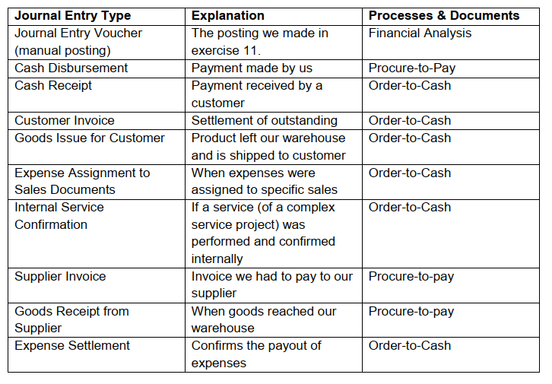

11 | 11 | Q | 11. In Inventory Valuation Work Center, search for your solar boiler in the Materials view and display the inventory cost history for your product. What is the current inventory value? Explain (and provide a screenshot of) the evolution of the inventory value for your product: which processes caused such changes? Note: you may need to go back to earlier periods. | The current inventory value is 4550 USD (based on 13 ea of 350 USD each). Cause of evolution: purchase orders (P2P process) and sales orders (O2C processes) | 3 | 1pt value 2pts business document AND process (each 1 pt) # this amount may differ depending on students (check with screenshot) | MLB

