Sheet1

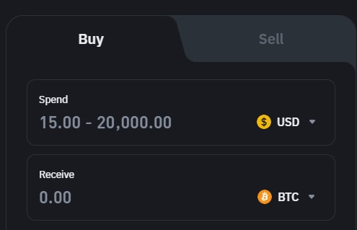
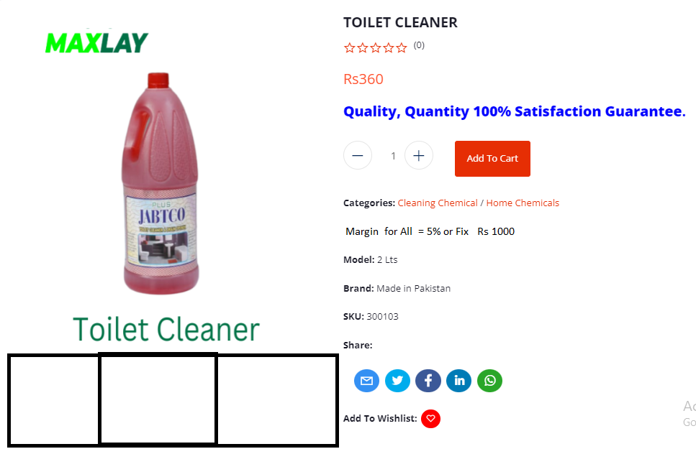

Product | Descreption | F- Price | D- Price | Offer | Q- A/able | Detail | B/S

