1. Title Page
Grocery Basket Analysis

Project Name: Instacart Grocery Basket Analysis
Date: June 5, 2022
Analyst Name: Michael Kieda

Contents:
Population Flow
Data Citation
Consistency checks
Wrangling steps
Column derivations
Visualizations
Recommendations

1.1 Data Citation
 |  | Title page
Data Citation

Data used for this analysis: | “The Instacart Online Grocery Shopping Dataset 2017”, Accessed from https://www.instacart.com/datasets/grocery-shopping-2017 on May 16, 2022

Customer data: | All customer data was fabricated and bears no connection to any and all Instacart customers past or present.

2. Population Flow
Title page

Population flow

Orders_products_combined
Orders_products_merged
Orders_products_all

Total: 32404859
Total: 32434489
Total: 32404859

1.) The grey boxes in the first row of the population flow represent the original data sets as they were when you downloaded them. In the Total fields you need to add the count of the rows when you imported the data set into Jupyter.
2.) The second row of boxes (coloured) represents the data sets after you manipulated them, e.g., removed missing values and duplicates. In the Total fields you need to add the count of the rows after conducting these operations. This offers a visual oveview of how the data flows throughout the data consistency checks.
3.) The third row, where also the arrows are coloured, represents the merges you performed between the datasets. In the Total fields you need to add the count of the rows in the merged datasets, so that you end up with the final dataset (in the red box). Keep in mind the final dataset should be without exclusions (based on the exclusion flag).

3. Consistency checks
 |  |  |  | Title page
Consistency checks

Dataset | Missing values | Missing values treatment | Duplicates
orders | days_since_prior_order | impute 0 to 206029 rows | none
products | product_name - 16 rows | deleted 16 rows | 5 duplicate rows deleted
orders_products_prior | none | none | none
customers | first_name - 11259 rows | no action taken | none
orders_products_merged | prices, products, aisle_id, department_id - 30,200 | 30,200 rows deleted | none

4. Wrangling steps
 |  |  |  | Title page
Wrangling steps

Columns dropped | Columns renamed | Columns' type changed | Comment/Reason
orders.eval_set |  |  | not needed
 | orders.order_dow -> orders_day_of_week |  | changed to orders_day_of_week for clarity
 |  | final_data_set_ex10.orders_day_of_week, int -> str | changed day numbers to day names
 |  | orders.order_id, int -> str | convert to string type to avoid statistical calcs
 |  | orders.user_id, int -> str | convert to string type to avoid statistical calcs
 | customers.First Name -> first_name |  | non-standard format to standard format
 | customers.Surnam -> last_name |  | non-standard format to standard format
 | customers.Gender -> gender |  | non-standard format to standard format
 | customers.STATE -> state |  | non-standard format to standard format
 | customers.Age -> age |  | non-standard format to standard format
 | customers.n_dependants -> num_dependents |  | non-standard format to standard format
 |  | customers.first_name -> str | mixed types converted to single type

The final dataset includes the following 6 columns containing Personally Identifiable Information (PII): first_name, last_name, state, age, num_dependents, and fam_status.
Given that this data was fabricated and not based on real people, there is no need to hide or otherwise protect it, as would be necessary with real PII.

5. Column derivations
 |  |  |  | Title page

Column derivations and aggregations

Dataset | New column | Column/s it was derived from | Conditions
ords_prods_merg_ex7 | price_range | prices | Low-range product: <=5 Mid-range product: 5< AND <=15 High-range product: >15
 | busiest_day | order_day_of_week (frequency table) | Busiest day: highest count Least busy: lowest count Regularly busy: counts in between
 | busiest_days | order_day_of_week (frequency table) | Busiest days: 2 highest counts Slowest days: 2 lowest counts Moderately busy: counts in between
 | busiest_period_of_day | order_hour_of_day (frequency table) | Fewest orders: < 1000000 Average orders: >=1000000 AND <2000000 Most orders: >=2000000
 | max_order | user_id, order_number | greatest order_number for each user_id
 | loyalty_flag | max_order | New customer: <=10 Regular customer: >10 AND <=40 Loyal customer: >40
 | spending_flag | prices | Low spender: <10 High spender: >=10
 | order_frq_flag | avg_days_btw_orders | Non-frequent customer: >20 Regular customer: >10 AND <=20 Frequent Spender: <=10
final_data_set_ex10 | region | state | South, West, Midwest, Northeast: based on groupings of states
 | activity_flag | max_order | <5, >=5 Used to create a data subset that did not include low-activity customers, this column was deleted from the final dataset.
 | profile | age, income, num_dependents, product_name (14 profiles) | age: <40, >=40 income: <40000, >=40000 num_dependents: ==0, >0 product_name: infant products
 | department | department_id | based on name and number relationship shown in exercise 3
 | income_flag | income | low: <= 40000 high: > 40000

6. Visualizations
 |  |  | Title page

Visualisations

 | Key Questions followed by observations | Visualizations

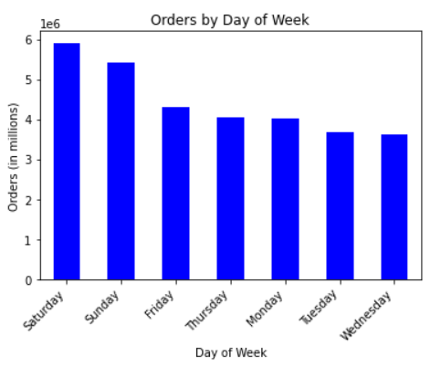
1 | What are the busiest days of the week?

 | The most item orders occur on Saturday

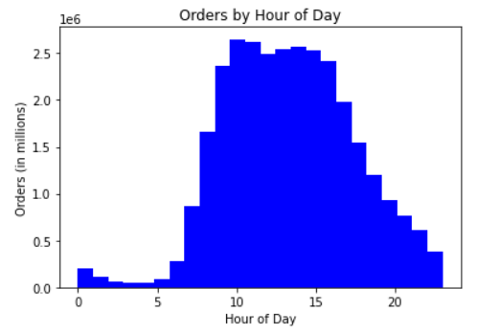
2 | What are the busiest hours of the day?

 | The most item orders occur between 9am to 4 pm

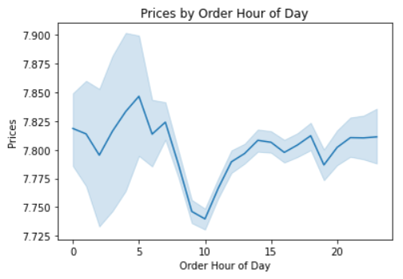
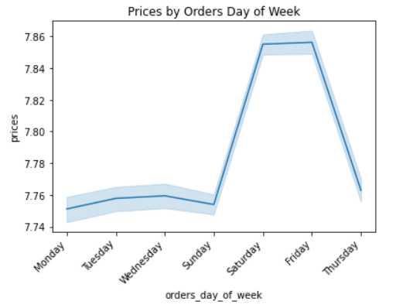
3 | What times of the day do customers spend the most?

 | Spending, as indicated by price, shows a slight peak near 5am
 | and on Friday and Saturday, and a significant dip at 10am

 | Spending shows more spread during the pre-dawn hours

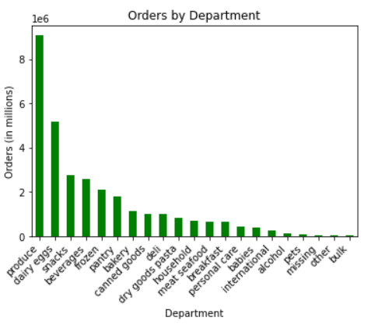
4 | What departments have the highest frequency of product orders?

 | The most item orders come from the produce department
 | followed by dairy and eggs

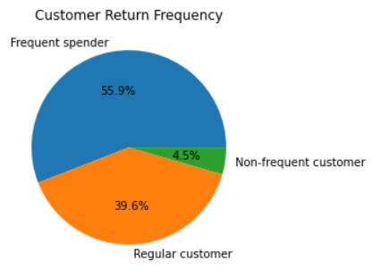
5.1 | How often do customers return to Instacart?

 | 55.9% of customer return in 10 days or less
 | 39.6% of customers return in within 11 to 20 days
 | 4.5% of customers return in 21 days or longer

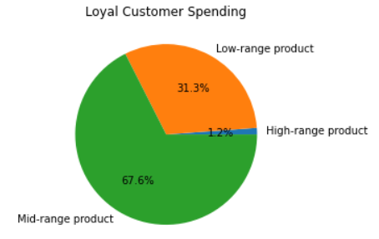
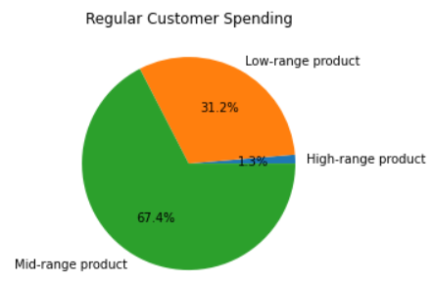
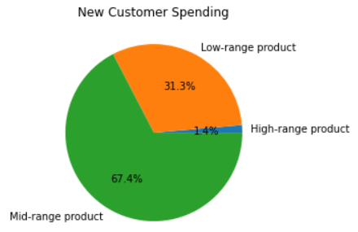
5.2 | Do ordering habits vary according to loyalty status?

 | spending habits, as indicated by product price range, shows
 | no significant variance by customer loyalty

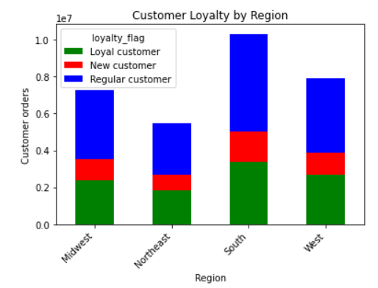
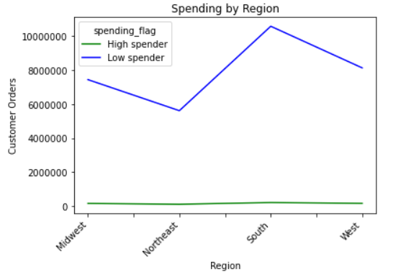
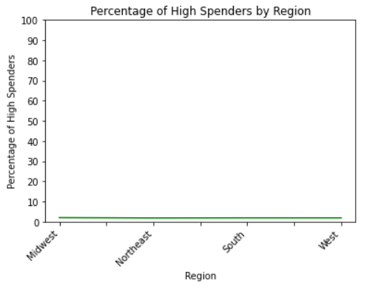
5.3 | Do ordering habits vary according to customer region?

 | The Northeast shows significantly fewer orders than
 | each of the other regions

 | The South shows significantly more orders than each
 | of the other regions

 | Within a given region, the proportion of orders by loyalty
 | is quite consistent. That is to say that regular customers
 | account for about half of all orders, loyal customers account
 | for about a third of all orders, and new customers perhaps a
 | sixth of all orders

 | The number of high spenders is consistently low from
 | one region to the next

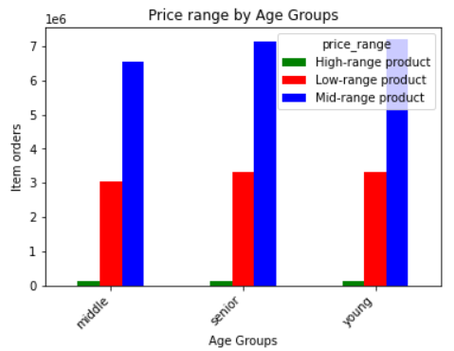
5.4 | Do ordering habits vary according to age?

 | There is no significant variance in number or orders nor
 | in the price range of ordered items among the 3 age groups

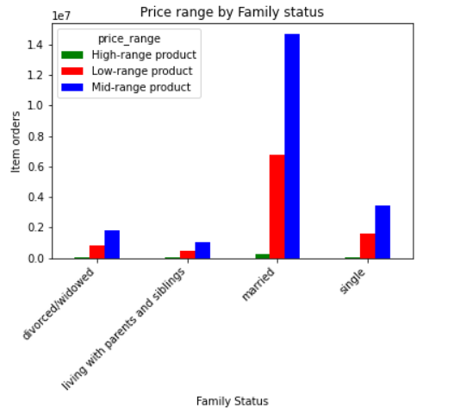
5.5 | Do ordering habits vary according to family status?

 | Married people account for the overwhelming majority
 | of orders, particularly in regards to products in the low
 | and mid price ranges

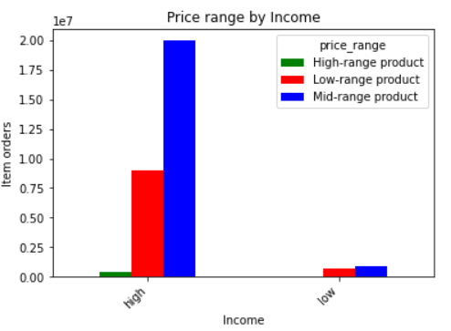
5.6 | Do ordering habits vary according to income?

 | Higher income customers account for the overwhelming
 | number of product orders

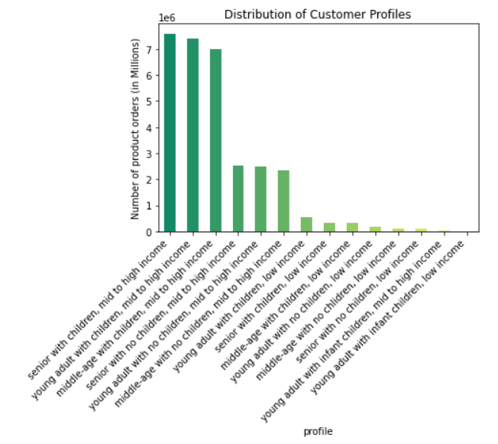
6 | What composite customer profiles can be created? Show the distribution.

 | Age, income, dependents (children), and infant children were
 | used to create 14 composite profiles

 | Customers in all age groups who have dependents and enjoy a higher
 | income account for the majority of products orders

 | Customers with lower incomes, regardless of age or number of
 | dependents, account for the smallest number of product orders

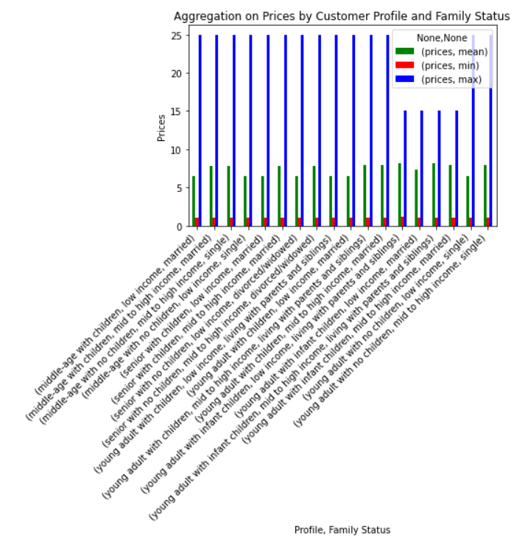
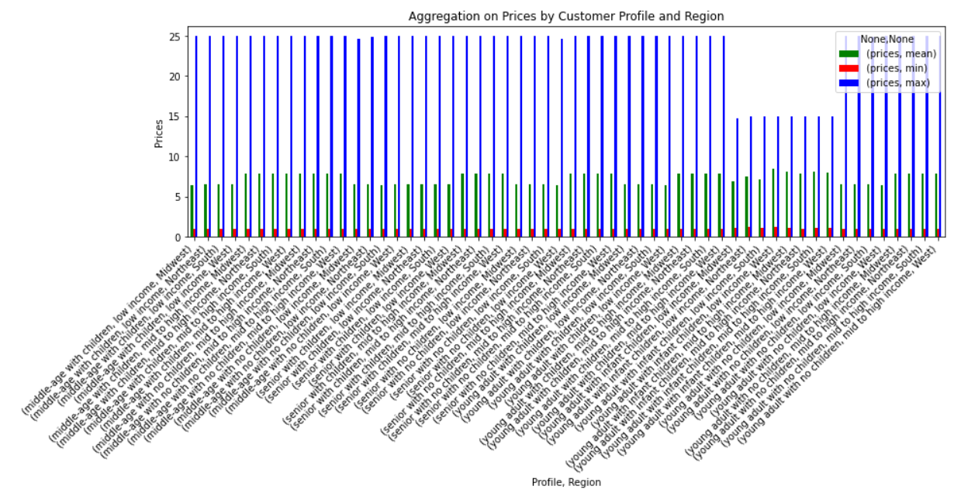
7 | For the various composite profiles, what are the spending habits, as indicated
 | by mean, min, and max aggregations of price?

 | With the notable exception of the max price being about 40% lower for
 | all those with infant children, there is remarkably little variation in
 | spending shown by the 14 profiles using price aggregations
 | This observatoin holds true even when region is rolled into the profiles

7. Recommendations
 |  |  |  | Title page

Recommendations

Question |  | Link to Visualizations and Observations | Recommendations
Key Question 1 | What are the busiest days of the week? | Busiest days of week | Ensure inventory levels are sufficiently high on weekends
Key Question 2 | What are the busiest hours of the day? | Busiest hour of day | Ensure adequate staffing to process orders between hours of 9am and 4pm
Key Question 3 | What times of the day do customers spend the most? | Time of day with most spending | Do further analysis to better understand the 5am peak and 10am dip
Key Question 4 | What departments have the highest frequency of product orders? | Departments with highest frequency of orders | Ensure department inventory levels align with demand
Key Question 5.1 | How often do customers return to Instacart? | How often do customers return | Explore the use of short duration incentives to encourage more frequent ordering
Key Question 5.2 | Do ordering habits vary according to loyalty status? | Ordering habits by customer loyalty | Ensure inventory levels of products in each price range align with the respective demand
Key Question 5.3 | Do ordering habits vary according to customer region? | Ordering habits by customer region | Explore the use of regionally targeted incentives to increase volume of orders in the Northeast
Key Question 5.4 | Do ordering habits vary according to age? | Ordering habits by age | Do further analysis to learn if specific products correlate with age groups
Key Question 5.5 | Do ordering habits vary according to family status? | Ordering habits by family status | Conduct customer surveys designed to learn how to encourage more orders by the 3 groups with low order numbers
Key Question 5.6 | Do ordering habits vay according to income? | Ordering habits by income | Explore the use of zero interest deferred payment plans to encourage more orders from lower income customers
Key Question 6 | What composite customer profiles can be created? Show the distribution. | customer profiles | Do further analysis with profiles that don't include income, since income has been found to be a dominant factor in order numbers
Key Question 7 | For the various composite profiles, what are the spending habits, as indicated | spending habits by profile | Analyze other variables against the profiles since price aggregations didn't provide much insight
 | by mean, min, and max aggregations of price?

