Basic Setup
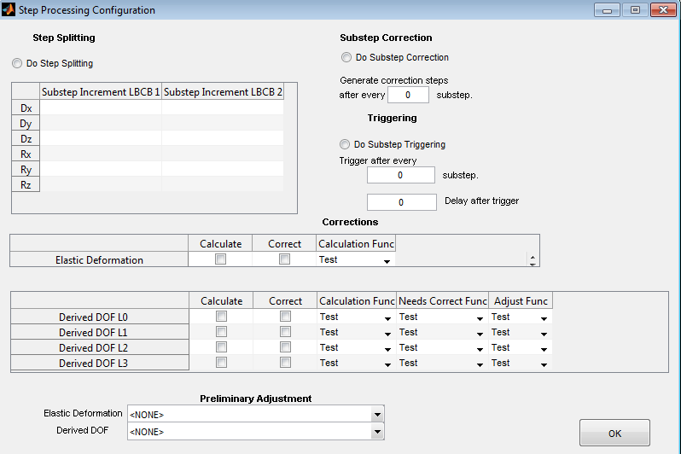
No Step Splitting
No Substep Correction
No Substep Triggering
No Elastic Deformation Calculation or Correction
No Derived DOF Calculation or Correction
No Preliminary Adjustment
Command and Increment Limits are clear
Step Tolerances are clear
External Sensors match in name and order to the OM

ED Setup
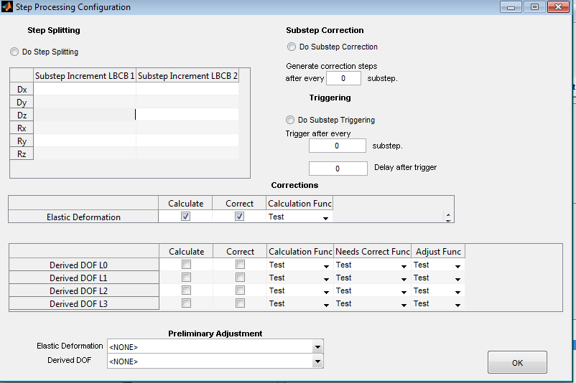
No Step Splitting
No Substep Correction
No Substep Triggering
Both Elastic Deformation Calculation and Correction are set
No Derived DOF Calculation or Correction
No Preliminary Adjustment
Command and Increment Limits are clear
Step Tolerances for Dx is set to 0.001
External Sensors match in name and order to the OM

DD Setup
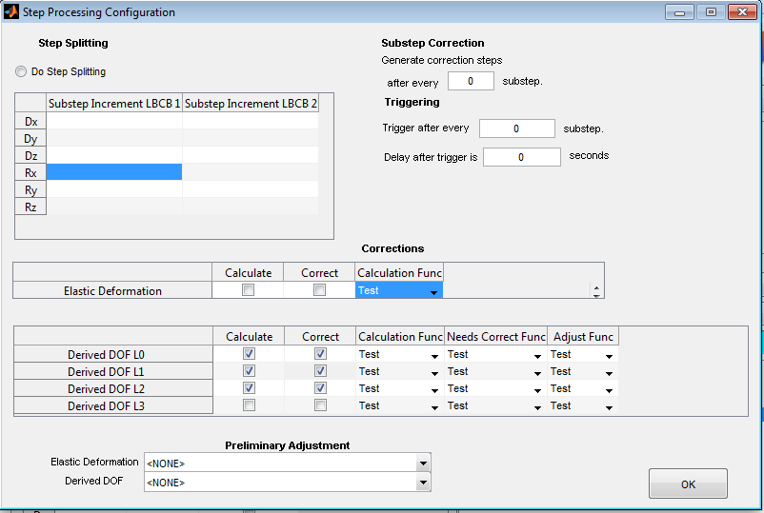
No Step Splitting
No Substep Correction
No Substep Triggering
Both Elastic Deformation Calculation and Correction are set
Derived DOF Calculation and Correction are set for DD0, DD1 and DD2
No Preliminary Adjustment
Command and Increment Limits are clear
External Sensors match in name and order to the OM

