Charts
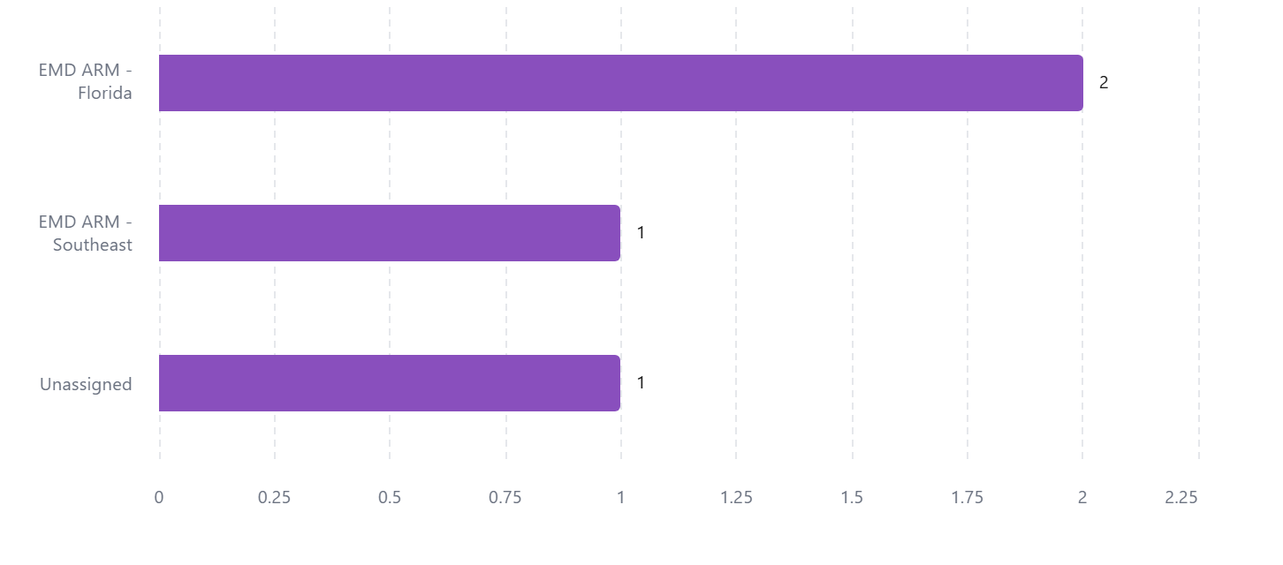
Refill On-Time Rate (12-Month Trend)
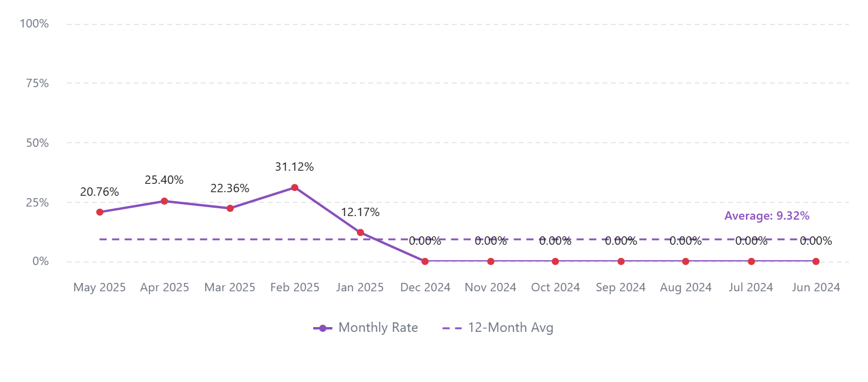

Patients on Therapy (12-Month Trend)
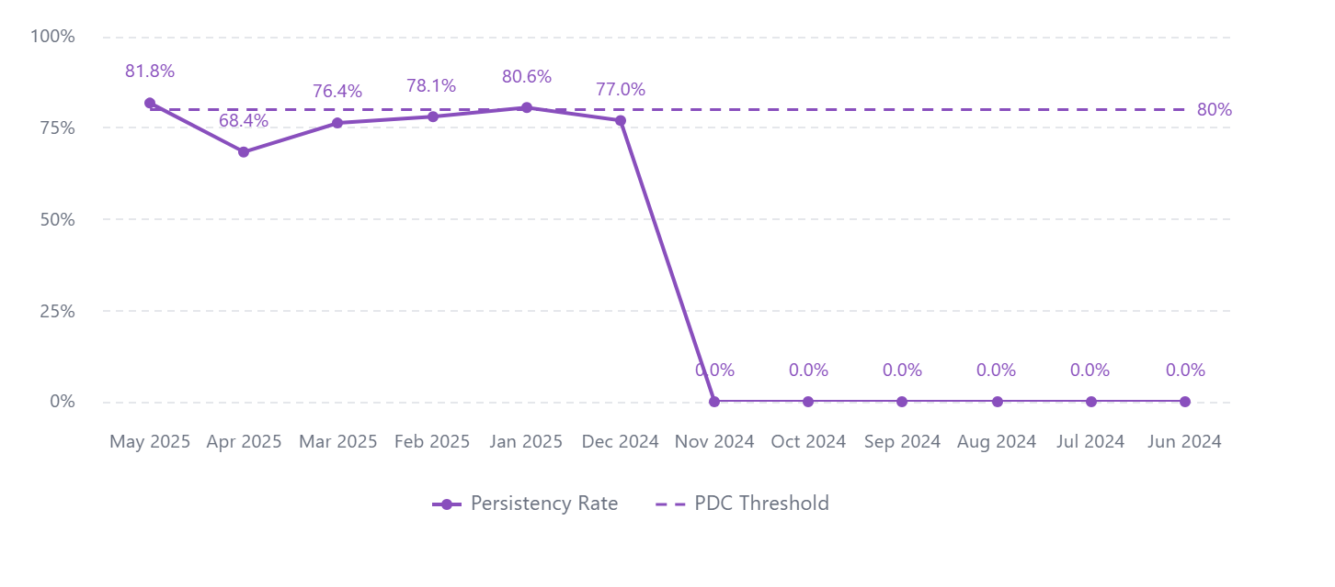

Shipments by Time to Refill


Discontinued Patients by Territory

