Charts
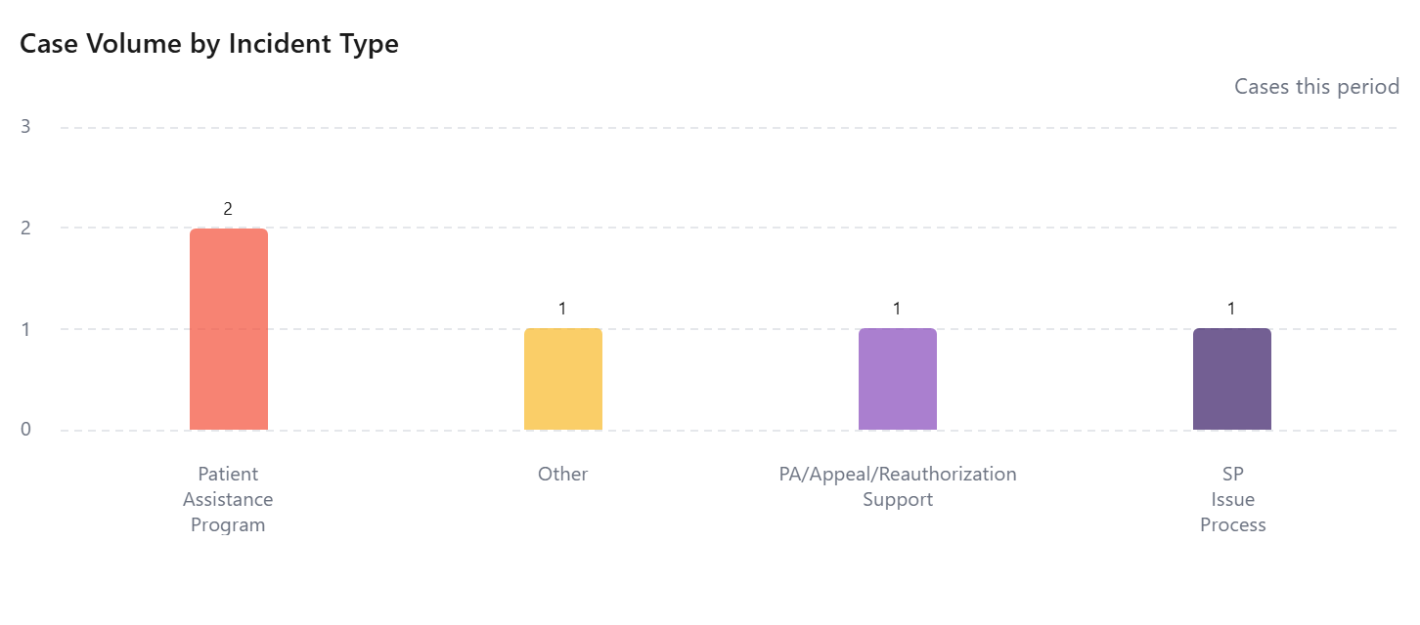

Case Turnaround by Territory
No data available

