Charts
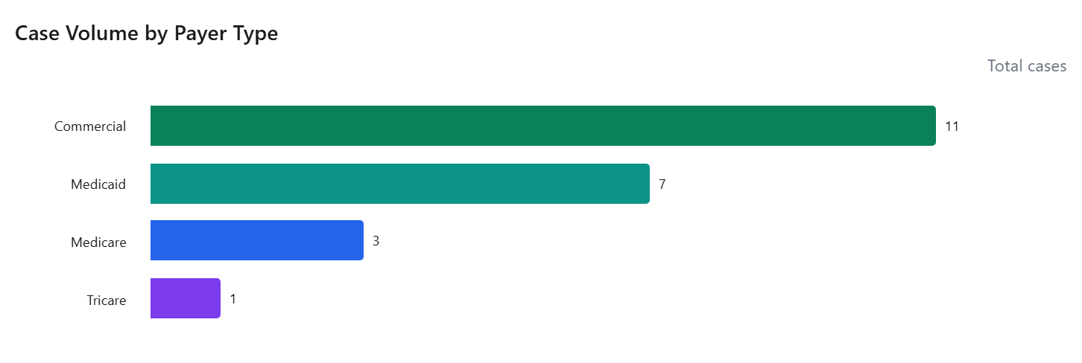
Case Volume by Territory
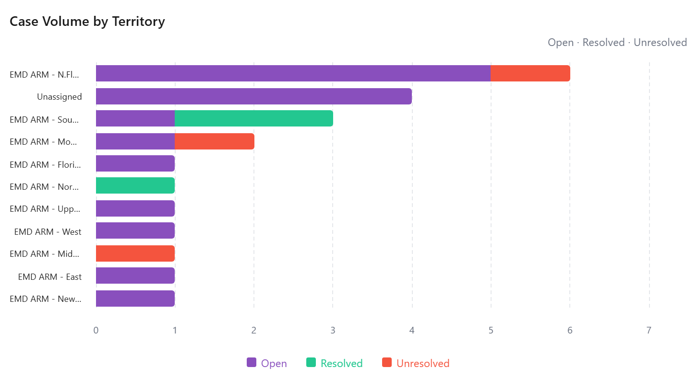

Incident Type Breakdown
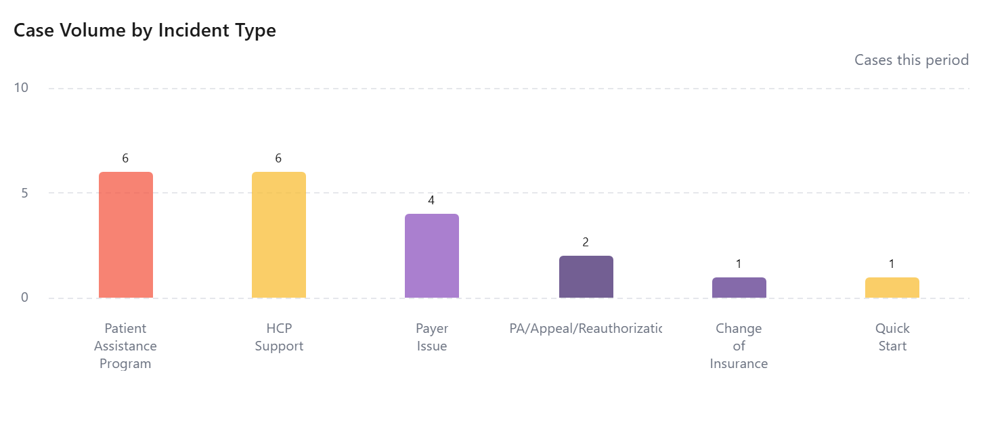

Case Turnaround by Territory

Case Volume by Payer Type

