Charts
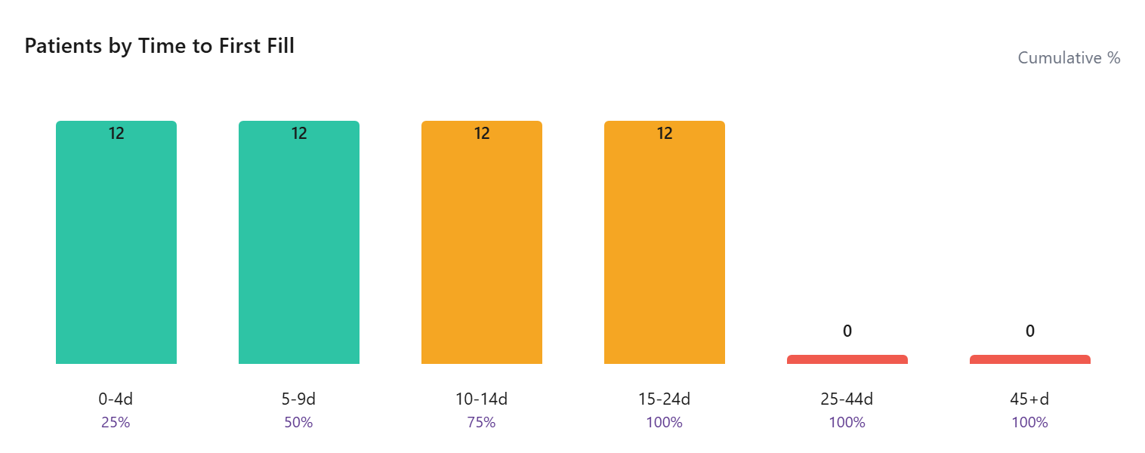
Avg & Median Time to First Fill
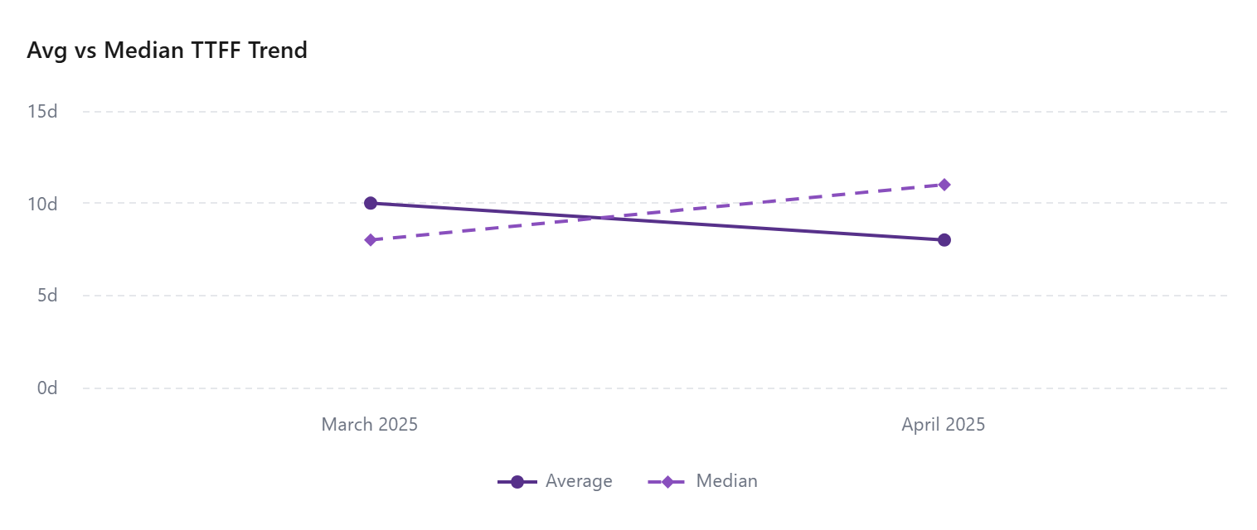

Patients by Time to First Fill

