Patient A
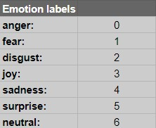
Datetime | Patient id | Facial data | Speech data
2023-05-21 18:43:34.049045 | Patient_A | 6 | 6
2023-05-21 18:43:34.400058 | Patient_A | 6 | 6
2023-05-21 18:43:34.755084 | Patient_A | 6 | 6
2023-05-21 18:43:34.812697 | Patient_A | 6 | 6
2023-05-21 18:43:34.162520 | Patient_A | 6 | 6
2023-05-21 18:43:34.502498 | Patient_A | 6 | 6
2023-05-21 18:43:34.842375 | Patient_A | 6 | 6

