Dashboard
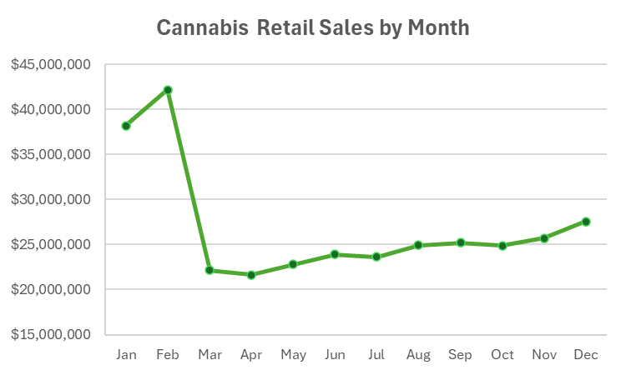
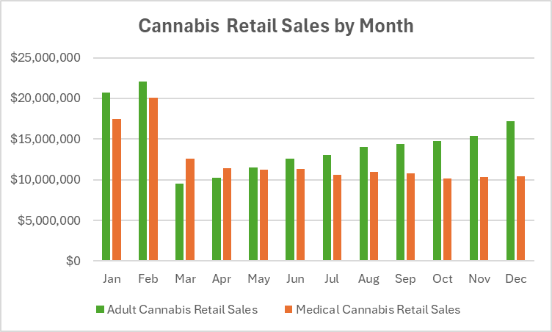
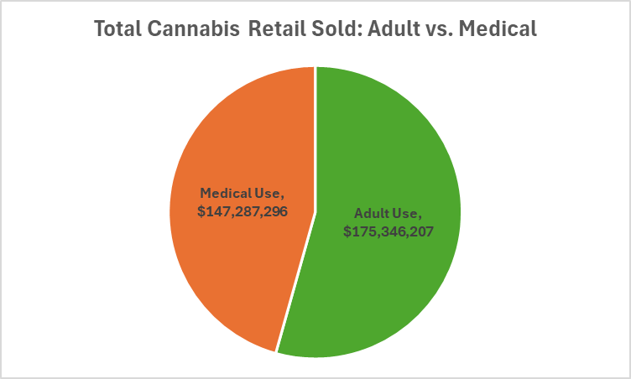

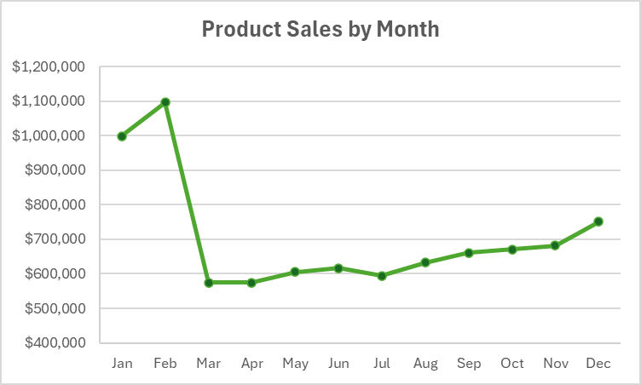
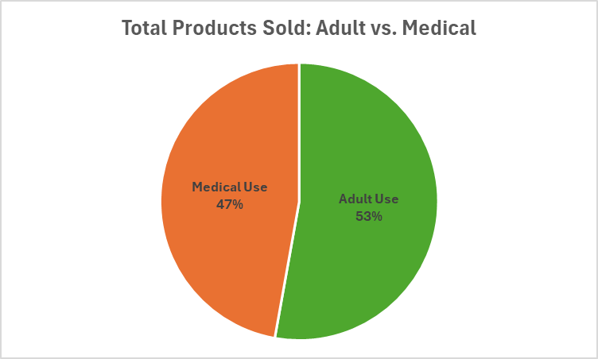

Retail Sales by Month
Row Labels | Sum of Total Adult-Use and Medical Sales
Jan | $38,163,851
Feb | $42,143,142
Mar | $22,139,155
Apr | $21,626,988
May | $22,774,710
Jun | $23,906,584
Jul | $23,627,729
Aug | $24,938,672
Sep | $25,203,768
Cannabis Retail Sales by Month
Oct | $24,865,871
Nov | $25,689,806
Dec | $27,553,287
Grand Total | $322,633,564

Product Sales by Month
Row Labels | Sum of Total Products Sold
Jan | $998,650
Feb | $1,095,886
Mar | $574,036
Apr | $574,484
May | $604,812
Jun | $616,803
Jul | $594,417
Aug | $633,095
Sep | $660,331
Product Sales by Month
Oct | $671,194
Nov | $682,070
Dec | $750,228
Grand Total | $8,456,006

Retail Sales Profit by Month
Row Labels | Adult Cannabis Retail Sales | Medical Cannabis Retail Sales
Jan | $20,721,770 | $17,442,081
Feb | $22,073,482 | $20,069,660
Mar | $9,563,148 | $12,576,006
Apr | $10,200,027 | $11,426,961
May | $11,545,792 | $11,228,918
Jun | $12,542,997 | $11,363,587
Jul | $13,018,582 | $10,609,148
Aug | $14,000,370 | $10,938,272
Sep | $14,388,751 | $10,814,987
Cannabis Retail Sales by Month
Oct | $14,743,718 | $10,122,152
Nov | $15,372,543 | $10,317,263
Dec | $17,175,026 | $10,378,261
Grand Total | $175,346,207 | $147,287,296

Total Products Sold
Program | Total Products Sold
Adult Use | 445941800%
Medical Use | 398335000%

Total Products Sold: Adult vs. Medical

Total Retail Sold
Program | Total Retail Sold
Adult Use | $175,346,207
Medical Use | $147,287,296

Total Cannabis Retail Sold: Adult vs. Medical

