adherence_example
FUW | OW | PATIENT_ID | DATE | PERDAY | CATEGORY | DURATION | Expected_duration_date | early_late | early_date - OW end
1 | 0 | 37 | 2036-04-10 | 4 | medA | 50 | 2036-05-30 | 61
2 | 0 | 37 | 2036-07-30 | 4 | medA | 50 | 2036-09-18 | -3
3 | 0 | 37 | 2036-09-15 | 4 | medA | 50 | 2036-11-04 | 59
4 | 1 | 37 | 2037-01-02 | 4 | medB | 30 | 2037-02-01 | -1
5 | 2 | 37 | 2037-01-31 | 4 | medB | 30 | 2037-03-02 | 68
6 | 3 | 37 | 2037-05-09 | 4 | medB | 30 | 2037-06-08 | 66
7 | 4 | 37 | 2037-08-13 | 4 | medB | 30 | 2037-09-12 | 58 | 27
8 | 0 | 37 | 2037-11-09 | 4 | medB | 30 | 2037-12-09
1 | 0 | 76 | 2035-12-13 | 20 | medA | 30 | 2036-01-12 | 6
2 | 0 | 76 | 2036-01-18 | 20 | medA | 30 | 2036-02-17 | -25
3 | 0 | 76 | 2036-01-23 | 2 | medA | 60 | 2036-03-23 | 33
4 | 0 | 76 | 2036-04-25 | 2 | medA | 60 | 2036-06-24 | 45
5 | 1 | 76 | 2036-08-08 | 2 | medA | 60 | 2036-10-07 | -4
6 | 2 | 76 | 2036-10-03 | 2 | medA | 60 | 2036-12-02 | -3
7 | 3 | 76 | 2036-11-29 | 2 | medA | 60 | 2037-01-28 | -38
8 | 4 | 76 | 2036-12-21 | 6 | medB | 30 | 2037-01-20 | -15
9 | 0 | 76 | 2037-01-05 | 6 | medB | 30 | 2037-02-04 | 159 | 128
10 | 0 | 76 | 2037-07-13 | 6 | medB | 30 | 2037-08-12 | 60
11 | 0 | 76 | 2037-10-11 | 2 | medA | 30 | 2037-11-10

Notes
This exercise assumes that all subjects have a different start date (FUW start).
We will used the first start date as follow-up window = 1.
In this exercise, we will use an observation window (OW) that begins at FUW start + 182 days and ends at 182 days + 365 days (or at 547 days).
For the CMA1 and CMA5, the last event is the fill date for the late fill within the OW.
For CMA2 and CMA6, the observation window (OW) ends at 182 days + 365 days.
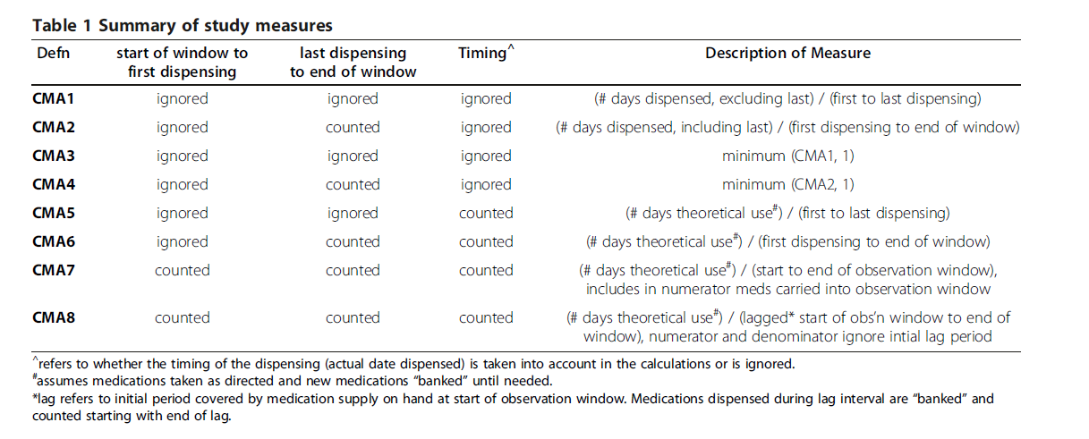
 |  |  | CMA1 | 37 | 76
 |  |  | FUW start | 2036-04-10 | 2035-12-13
 |  |  | OW start | 2036-10-09 | 2036-06-12
 |  |  | First fill | 2037-01-02 | 2036-08-08
 |  |  | OW end | 2037-10-09 | 2037-06-12
 |  |  | Total coverage | 90 | 210
 |  |  | Last event | 2037-08-13 | 2037-01-05
 |  |  | Diff first and last event | 223 | 150
 |  |  | MPR | 0.4036 | 1.4000

 |  |  | CMA2 | 37 | 76
 |  |  | FUW start | 2036-04-10 | 2035-12-13
 |  |  | OW start | 2036-10-09 | 2036-06-12
 |  |  | First fill | 2037-01-02 | 2036-08-08
 |  |  | OW end | 2037-10-09 | 2037-06-12
 |  |  | Total coverage | 120 | 240
 |  |  | Last event | 2037-10-09 | 2037-06-12
 |  |  | Diff first and OW end | 280 | 308
 |  |  | PDC | 0.4286 | 0.7792

 |  |  | CMA5 | 37 | 76
 |  |  | Total gap days (early and late) | 133 | -60
 |  |  | Diff first and late event | 223 | 150
 |  |  | Diff (first+last) - total gap days | 90 | 210
 |  |  | MPR | 0.4036 | 1.0000

 |  |  | CMA6 | 37 | 76
 |  |  | Total gap days (early and late) | 160 | 68
 |  |  | Diff first and OW end | 280 | 308
 |  |  | Diff (first+OW) - total gap days | 120 | 240
 |  |  | MPR | 0.4286 | 0.7792

