Lin Amplifer (±440V)
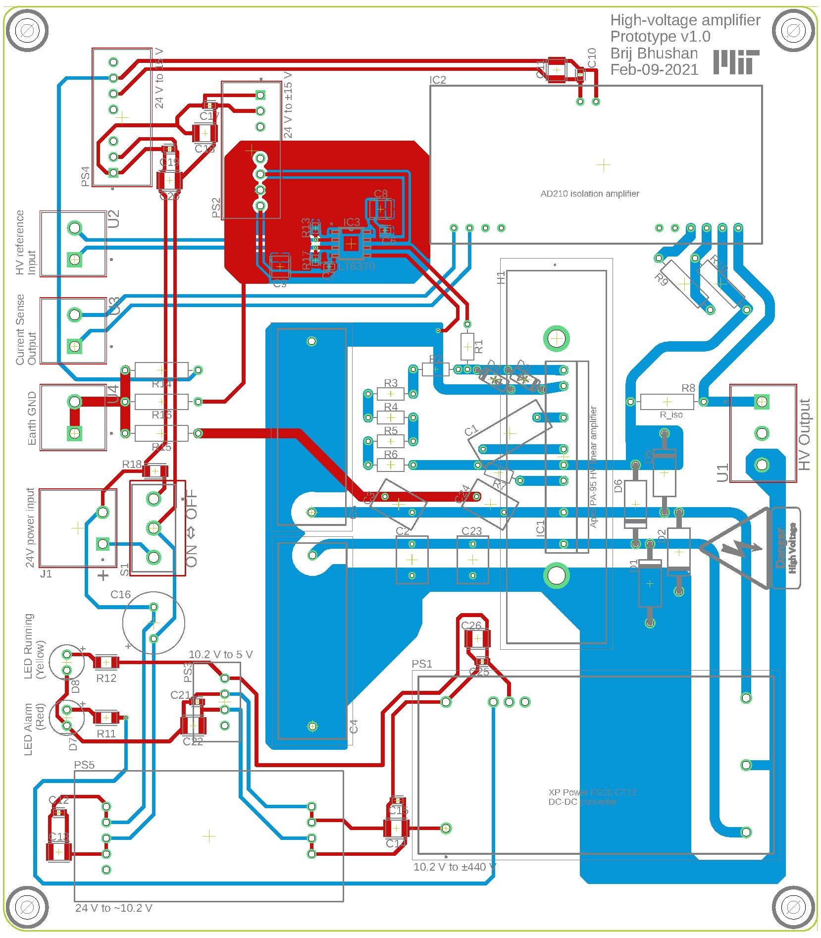
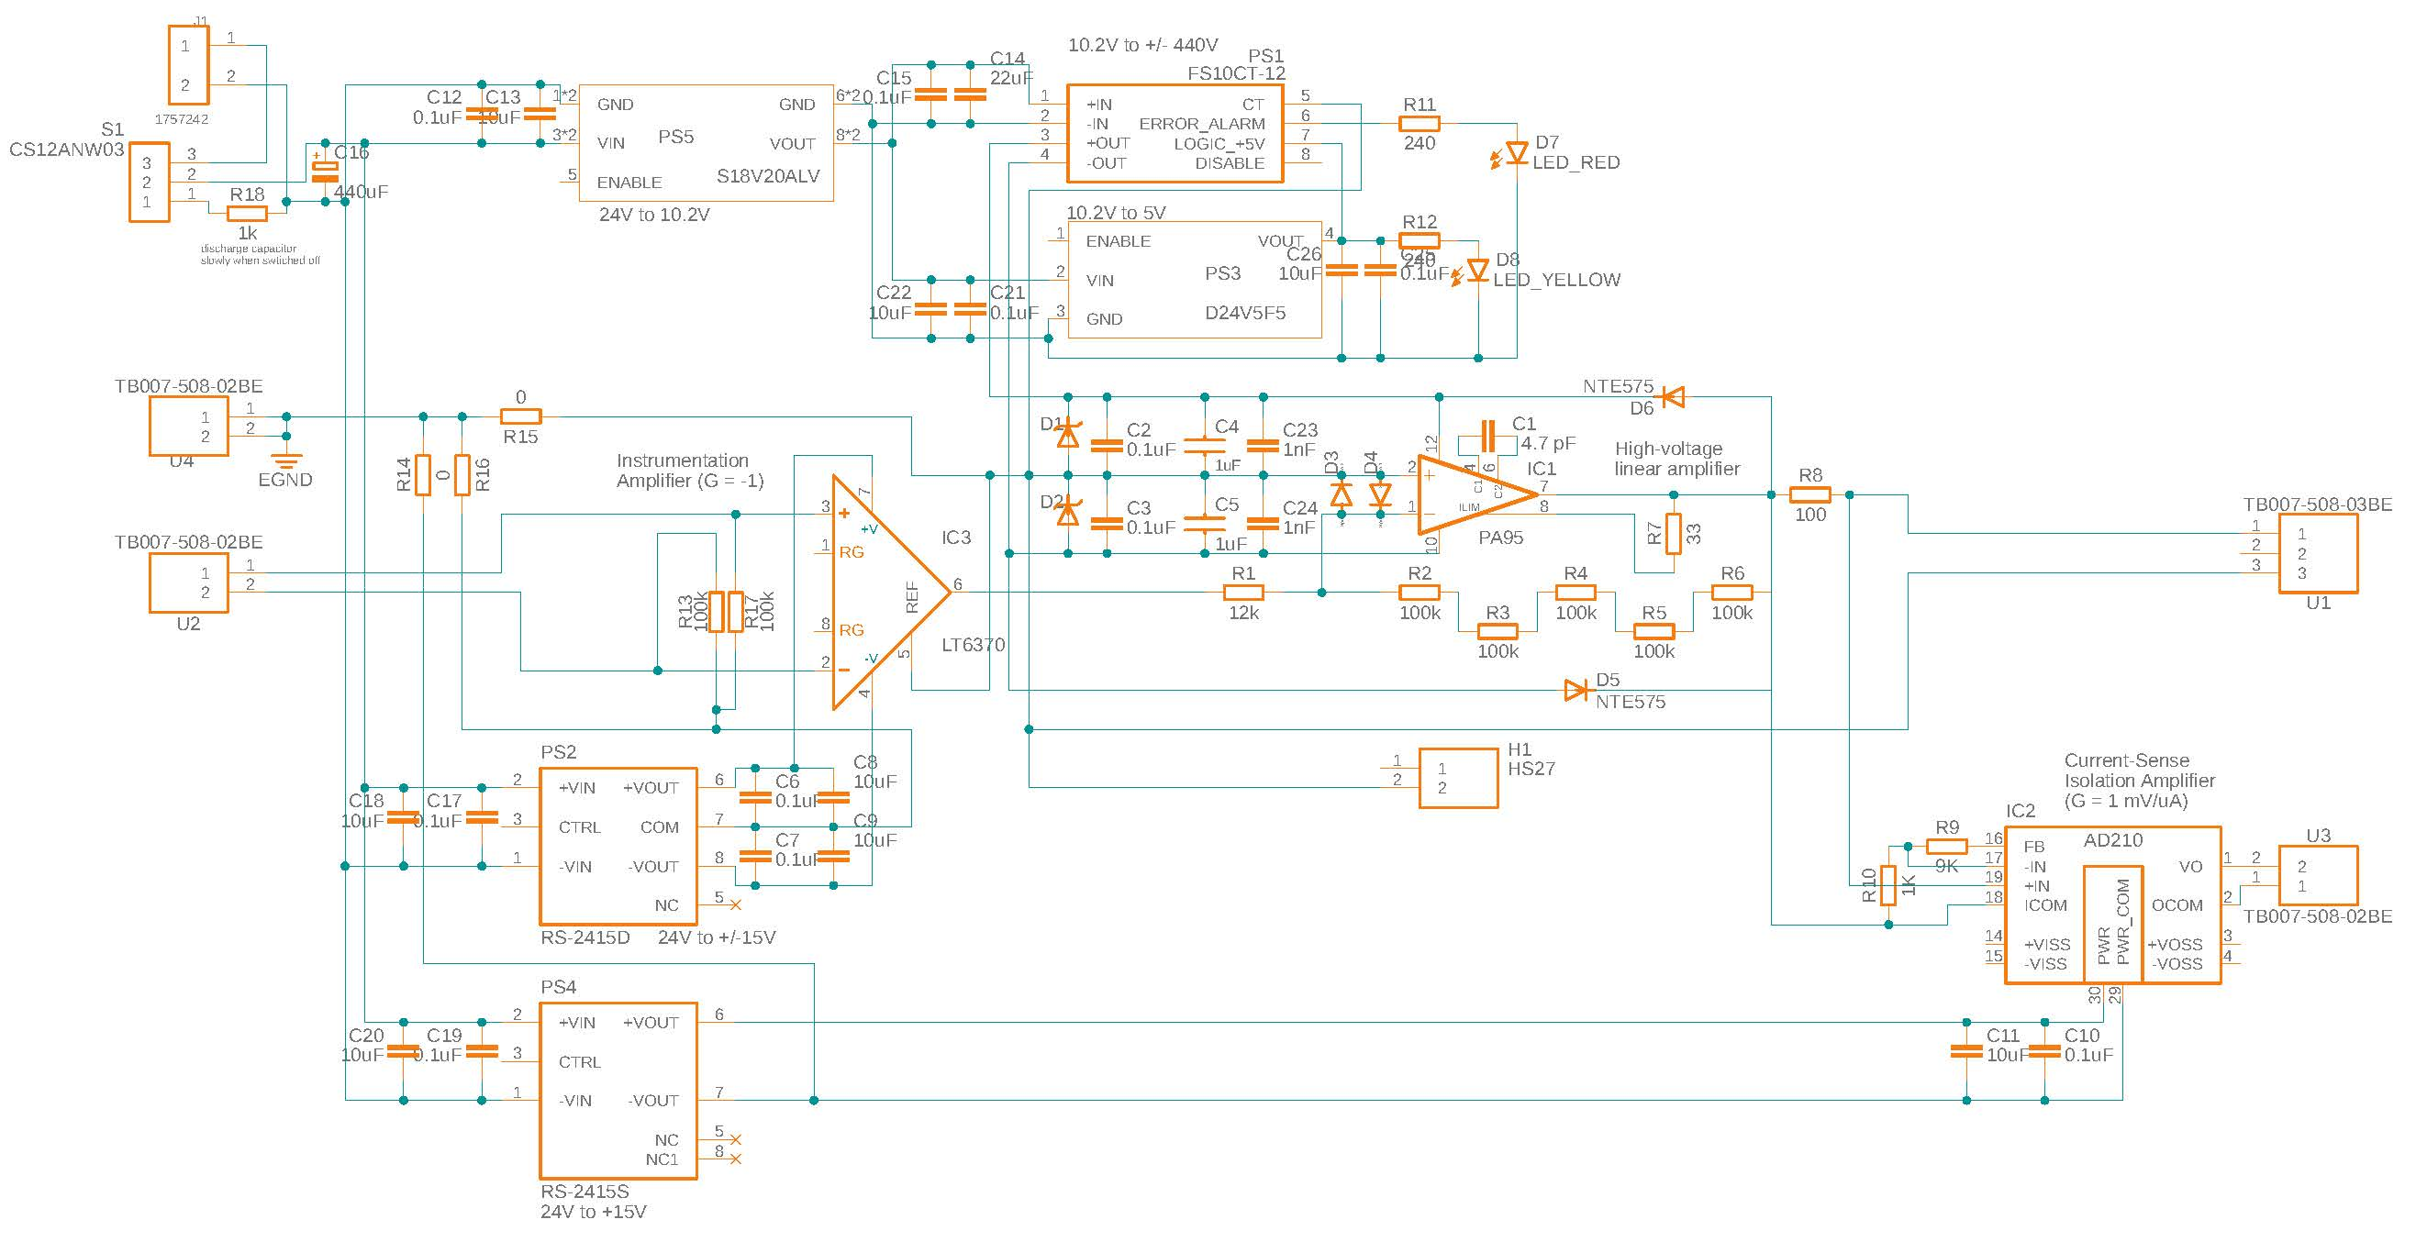
#boards | 6 |  | $508 | (per ch.) |  | $3,045 | (total)
Sch. Name | Part Number | Make | Cost per unit | # units per board | total # of units | Total cost | Vendor | Description
- | CUS600M-24/EF | TDK-Lambda | $190.00 | - | 1 | $190 | Digi-Key | 110VAC to 24VDC converter
C1 | 9004D7 | NTE Electronics, Inc | $0.20 | 1 | 6 | $1 | Digi-Key | Capacitor ceramic, 4.7pF, 1kV, radial, thru hole
C14 | CL32B226KAJNNNE | Samsung Electro-Mechanics | $0.60 | 1 | 6 | $4 | Digi-Key | 22µF ±10% 25V Ceramic Capacitor X7R 1210 (3225 Metric)
C16 | A759MX447M1HAAE028 | Kemet | $3.00 | 2 | 12 | $36 | Digi-Key | 440µF 50V Aluminum - Polymer Capacitors Radial, Can 28mOhm 2000 Hrs @ 125°C
C2 - C3 | C330C104KDR5TA | Kemet | $0.60 | 2 | 12 | $7 | Digi-Key | Capacitor ceramic, 0.1uF, 1kV, X7R, radial, thru hole
C23 - C24 | CK45-B3AD102KYVNA | TDK Corporation | $0.40 | 2 | 12 | $5 | Digi-Key | 1000pF ±10% 1000V (1kV) Ceramic Capacitor B Radial, Disc
C4 - C5 | C4AQSBU4100A1WJ | KEMET | $1.50 | 2 | 12 | $18 | Digi-Key | 1µF Film Capacitor 1500V (1.5kV) Polypropylene (PP), Metallized Radial
C6,C7,C10,C12,C15,C17,C19,C21,C25 | CL10B104KB8NNWC | Samsung Electromechanics | $0.09 | 10 | 60 | $5 | Digi-Key | 0.1µF ±10% 50V Ceramic Capacitor X7R 0603 (1608 Metric)
C8,C9,C11,C13,C18,C20,C22,C26 | CL32B106KBJNNNE | Samsung Electromechanics | $0.51 | 10 | 60 | $31 | Digi-Key | 10µF ±10% 50V Ceramic Capacitor X7R 1210 (3225 Metric)
D1 - D2 | P6KE440A | Littlefuse Inc | $0.50 | 2 | 12 | $6 | Digi-Key | Transient Voltage Supression (Zener) diode, protect PA-95 power supplies from transients
D3 - D4 | 1N4148TR | Vishay | $0.06 | 2 | 12 | $1 | Digi-Key | Small Signal Fast Switching Diodes, 4 ns recovery
D5 - D6 | NTE575 | NTE Electronics, Inc | $0.70 | 2 | 12 | $8 | Digi-Key | Diode Standard 1000V 1A Through Hole DO-41
D7 | SSL-LX5093SID | Lumex Opto/Components Inc. | $0.50 | 1 | 6 | $3 | Digi-Key | Red LED Indication - Discrete 2V Radial
D8 | XLMYK65D | SunLED | $0.40 | 1 | 6 | $2 | Digi-Key | Yellow 590nm LED Indication - Discrete 2V Radial
IC3 | LT6370AHS8E#PBF | Analog Devices | $7.50 | 1 | 6 | $45 | Digi-Key | Instrumentation amplifier, used with G = -1
J1 | TBP01R1-508-02BE | CUI Devices | $0.50 | 1 | 6 | $3 | Digi-Key | 2 Position Terminal Block Header, Male Pins, Shrouded (4 Side) 0.200" (5.08mm) 90°, Right Angle Through Hole
JG1 | TBP01P1-508-02BE | CUI Devices | $0.70 | 1 | 6 | $4 | Digi-Key | 2 Position Terminal Block Plug, Female Sockets 0.200" (5.08mm) 180° Free Hanging (In-Line)
PS1 | FS10CT-12 | XP Power | $165.00 | 1 | 6 | $990 | Digi-Key | 12V DC to +/- 500 V DC converter
PS2 | RS-2415D | Recom Power | $14.00 | 1 | 6 | $84 | Digi-Key | 24 V to +/- 15 V DC-DC converter
PS4 | RS-2415S | Recom Power | $13.00 | 1 | 6 | $78 | Digi-Key | 24 V to 15 V DC-DC converter
R1 | MFP-25BRD52-12K | Yageo | $0.40 | 1 | 6 | $2 | Digi-Key | Resistor 12Kohm, 1/4W, 0.1% axial, Thru hole
R10 | CMF601K0000BHEB | Vishay Dale | $0.70 | 1 | 6 | $4 | Digi-Key | 1 kOhms ±0.1% 1W Through Hole Resistor Axial Flame Retardant Coating, Moisture Resistant, Safety Metal Film
R11, R12 | RMCF1206JT240R | Stackpole Electronics Inc | $0.10 | 2 | 12 | $1 | Digi-Key | 240 Ohms ±5% 0.25W, 1/4W Chip Resistor 1206 (3216 Metric) Automotive AEC-Q200 Thick Film
R13,R17 | ERA-3AEB104V | Panasonic Electronic Components | $0.30 | 2 | 12 | $4 | Digi-Key | 100 kOhms ±0.1% 0.1W, 1/10W Chip Resistor 0603 (1608 Metric) Automotive AEC-Q200 Thin Film
R14-R16 | ZR0207C | TE Connectivity Passive Product | $0.09 | 3 | 18 | $2 | Digi-Key | 0 Ohms Jumper 0.25W, 1/4W Through Hole Resistor Axial Metal Foil
R18 | RPC1206JT1K00-UP | Stackpole Elec. Inc | $0.23 | 1 | 6 | $1 | Digi-Key | 1 kOhms ±5% 0.75W, 3/4W Chip Resistor 1206 (3216 Metric) Automotive AEC-Q200, Pulse Withstanding Thick Film
R19-R22 | ERT-J1VT202J | Panasonic Electronic Components | $0.15 | 4 | 24 | $4 | Digi-Key | NTC Thermistor 2k 0603 (1608 Metric)
R2 - R6 | RNF14BTE100K | Stackpole Elec. Inc | $0.40 | 5 | 30 | $12 | Digi-Key | Resistor 100Kohm, 1/4W, 0.1% axial, Thru hole
R7 | MFP-25BRD52-33R | Yageo | $0.40 | 1 | 6 | $2 | Digi-Key | Resistor 33ohm, 1/4W, 0.1% axial, Thru hole
R7* | MFP-25BRD52-75R | Yageo | $0.60 | 1 | 6 | $4 | Digi-Key | 75 Ohms ±0.1% 0.25W, 1/4W Through Hole Resistor Axial Metal Film
R8 | CMF60100R00BHEB70 | Vishay Dale | $0.60 | 1 | 6 | $4 | Digi-Key | Resistor 100ohm, 1W, 0.1% axial, Thru hole
R9 | CMF559K0000BHBF | Vishay Dale | $0.70 | 1 | 6 | $4 | Digi-Key | 9 kOhms ±0.1% 0.5W, 1/2W Through Hole Resistor Axial Flame Retardant Coating, Moisture Resistant, Safety Metal Film
S1 | CS12ANW03 | NKK Switches | $2.00 | 1 | 6 | $12 | Digi-Key | SPDT slider switch for on/off
U1 | TB007-508-03BE | CUI Devices | $0.70 | 1 | 6 | $4 | Digi-Key | 3 Position Wire to Board Terminal Block Horizontal with Board 0.200" (5.08mm) Through Hole
U2-U4 | TB007-508-02BE | CUI Devices | $0.65 | 3 | 18 | $12 | Digi-Key | 2 Position Wire to Board Terminal Block Horizontal with Board 0.200" (5.08mm) Through Hole
PS3 | D24V5F5 | Pololu | $5.00 | 1 | 6 | $30 | Pololu | 5V, 500 mA step-down voltage regulator
PS5 | S18V20ALV | Pololu | $15.00 | 1 | 6 | $90 | Pololu | 4-12V step-up/step-down voltage regulator
H1 | HS 27 | Apex | $35.00 | 1 | 6 | $210 | TTL Electronics | Heat-sink for linear power amplifiers
IC1 | PA 95 | Apex | $147.00 | 1 | 6 | $882 | TTL Electronics | HV Linear power amplifiers
W1 | TW 13 | Apex | $10.00 | 1 | 6 | $60 | TTL Electronics | Thermal Washer, SIP, 10 per pkg (for PA95)
IC2 | AD210BN | Analog Devices | $30.00 | 1 | 6 | $180 | UtSource | Isolation amplifier to sense the current
 |  |  |  |  |  | $-
 |  |  |  |  |  | $-

Const. Volt (±440V)
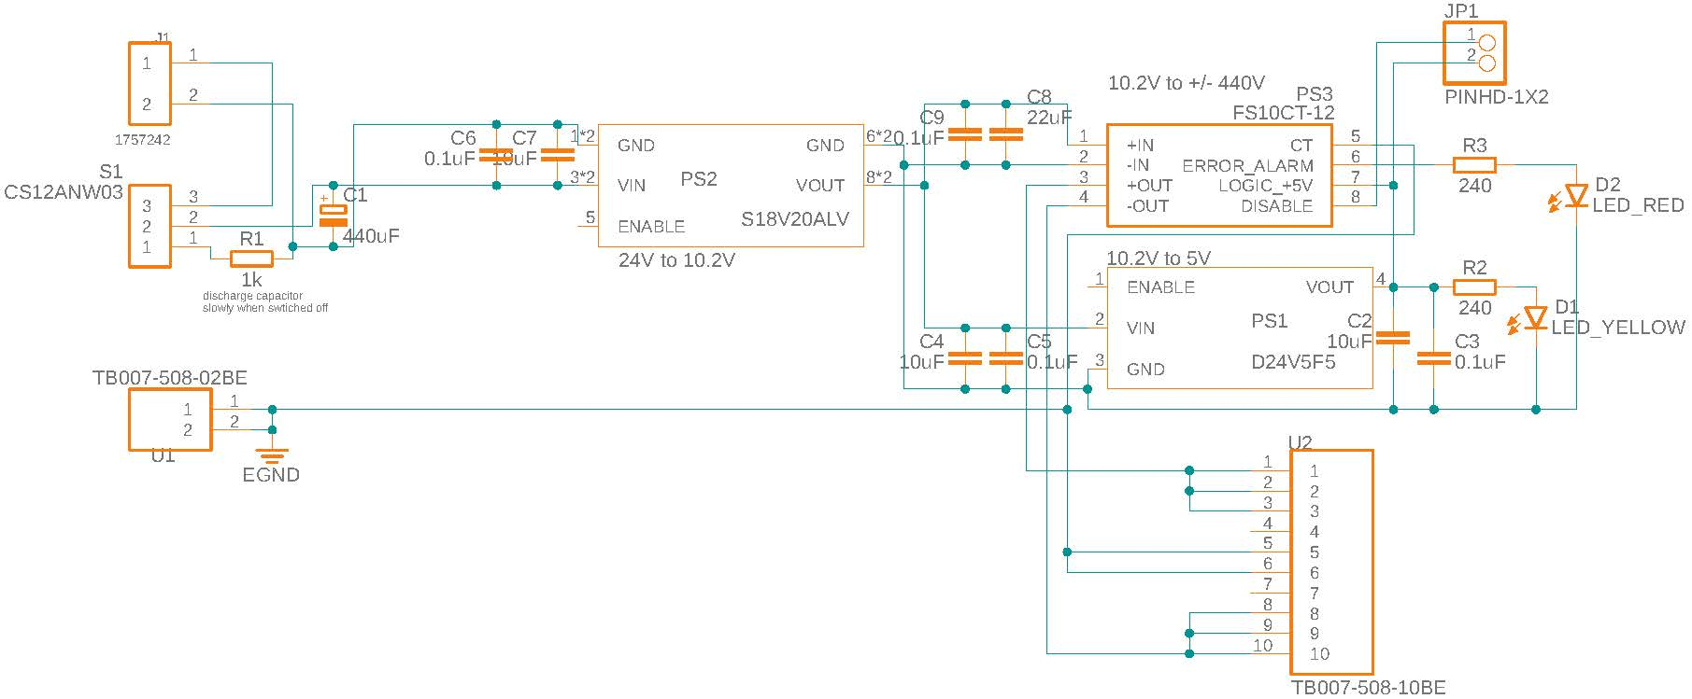
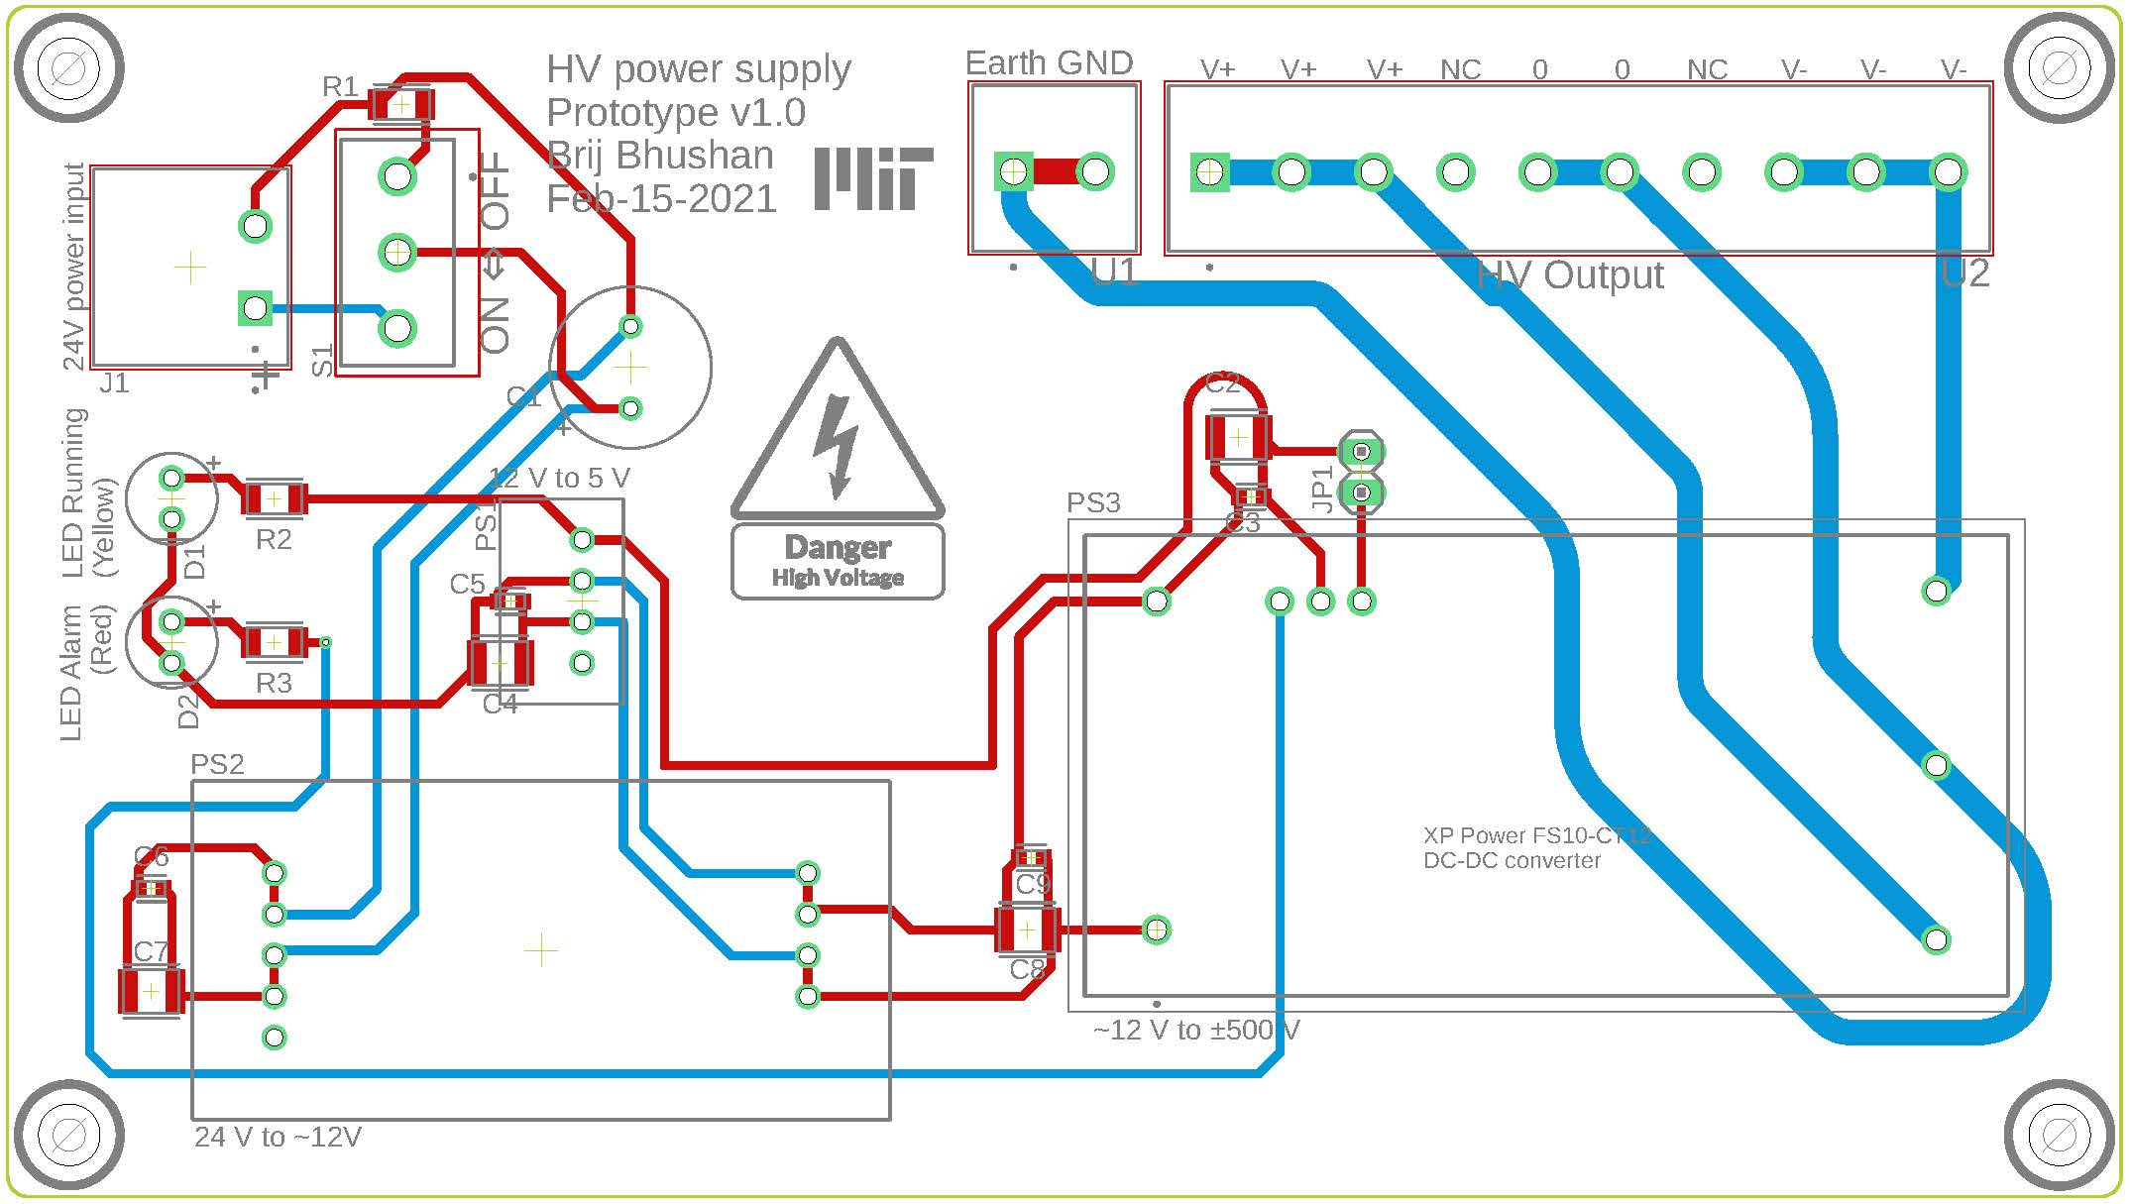
#boards | 2 |  | $206 | (per ch.) | $412 | (total)
Sch. Name | Part Number | Make | Cost per unit | # units per board | total # of units | Total cost | Vendor | Description
- | CUS600M-24/EF | TDK-Lambda | $190.00 | 0 | 0 | $- | Digi-Key | 110VAC to 24VDC convertor
C1 | A759MX447M1HAAE028 | Kemet | $3.00 | 2 | 4 | $12 | Digi-Key | 440µF 50V Aluminum - Polymer Capacitors Radial, Can 28mOhm 2000 Hrs @ 125°C
C2,C4,C7 | CL32B106KBJNNNE | Samsung Electromechanics | $0.51 | 10 | 20 | $10 | Digi-Key | 10µF ±10% 50V Ceramic Capacitor X7R 1210 (3225 Metric)
C3,C5,C6,C9 | CL10B104KB8NNWC | Samsung Electromechanics | $0.09 | 10 | 20 | $2 | Digi-Key | 0.1µF ±10% 50V Ceramic Capacitor X7R 0603 (1608 Metric)
C8 | CL32B226KAJNNNE | Samsung Electro-Mechanics | $0.60 | 1 | 2 | $1 | Digi-Key | 22µF ±10% 25V Ceramic Capacitor X7R 1210 (3225 Metric)
D1 | XLMYK65D | SunLED | $0.40 | 1 | 2 | $1 | Digi-Key | Yellow 590nm LED Indication - Discrete 2V Radial
D2 | SSL-LX5093SID | Lumex Opto/Components Inc. | $0.50 | 1 | 2 | $1 | Digi-Key | Red LED Indication - Discrete 2V Radial
J1 | TBP01R1-508-02BE | CUI Devices | $0.50 | 1 | 2 | $1 | Digi-Key | 2 Position Terminal Block Header, Male Pins, Shrouded (4 Side) 0.200" (5.08mm) 90°, Right Angle Through Hole
JG1 | TBP01P1-508-02BE | CUI Devices | $0.70 | 1 | 2 | $1 | Digi-Key | 2 Position Terminal Block Plug, Female Sockets 0.200" (5.08mm) 180° Free Hanging (In-Line)
JP1 | PREC002SAAN-RC | Sullins Connector Solutions | $0.50 | 1 | 2 | $1 | Digi-Key | Connector Header Through Hole 2 position 0.100" (2.54mm)
JPC1 | SPC02SYAN | Sullins Connector Solutions | $0.50 | 1 | 2 | $1 | Digi-Key | 2 (1 x 2) Position Shunt Connector Black Closed Top 0.100" (2.54mm) Gold
PS3 | FS10CT-12 | XP Power | $165.00 | 1 | 2 | $330 | Digi-Key | 12V DC to +/- 500 V DC convertor
R1 | RPC1206JT1K00-UP | Stackpole Elec. Inc | $0.30 | 1 | 2 | $1 | Digi-Key | 1 kOhms ±5% 0.75W, 3/4W Chip Resistor 1206 (3216 Metric) Automotive AEC-Q200, Pulse Withstanding Thick Film
R2,R3 | RMCF1206JT240R | Stackpole Electronics Inc | $0.10 | 2 | 4 | $0 | Digi-Key | 240 Ohms ±5% 0.25W, 1/4W Chip Resistor 1206 (3216 Metric) Automotive AEC-Q200 Thick Film
S1 | CS12ANW03 | NKK Switches | $2.00 | 1 | 2 | $4 | Digi-Key | SPDT slider switch for on/off
U1 | TB007-508-02BE | CUI Devices | $0.65 | 1 | 2 | $1 | Digi-Key | 2 Position Wire to Board Terminal Block Horizontal with Board 0.200" (5.08mm) Through Hole
U2 | TB007-508-10BE | CUI Devices | $2.00 | 1 | 2 | $4 | Digi-Key | 10 Position Wire to Board Terminal Block Horizontal with Board 0.200" (5.08mm) Through Hole
PS1 | D24V5F5 | Pololu | $5.00 | 1 | 2 | $10 | Pololu | 5V, 500 mA step-down voltage regulator
PS2 | S18V20ALV | Pololu | $15.00 | 1 | 2 | $30 | Pololu | 4-12V step-up/step-down voltage regulator
 |  |  |  |  | 0 | $-

