Parameters
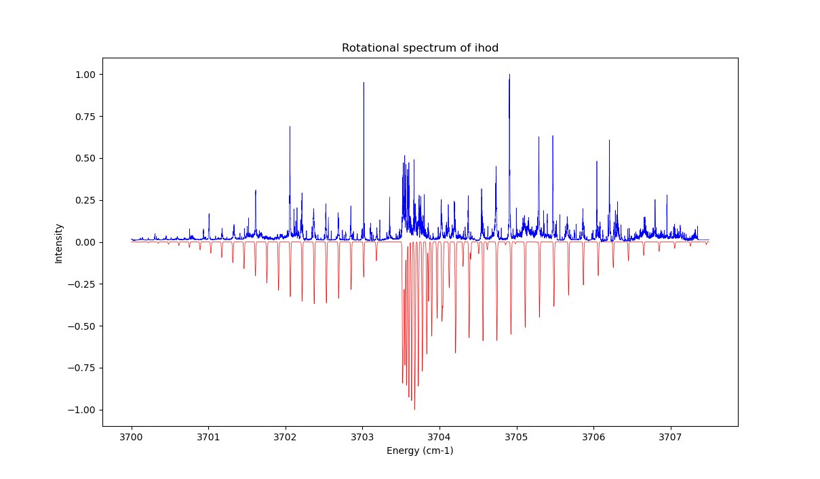
Parameter | Value/Description
Temperature | 10K
Line Width | 0.001 cm-1
Jmax | 30
A'' (cm-1) | 17.177
B'' | 0.085704
C'' | 0.0827841
A' | 16.517
B' | 0.0881541
C' | 0.0841155
Dipole | b-axis

