Summary & Visualizations
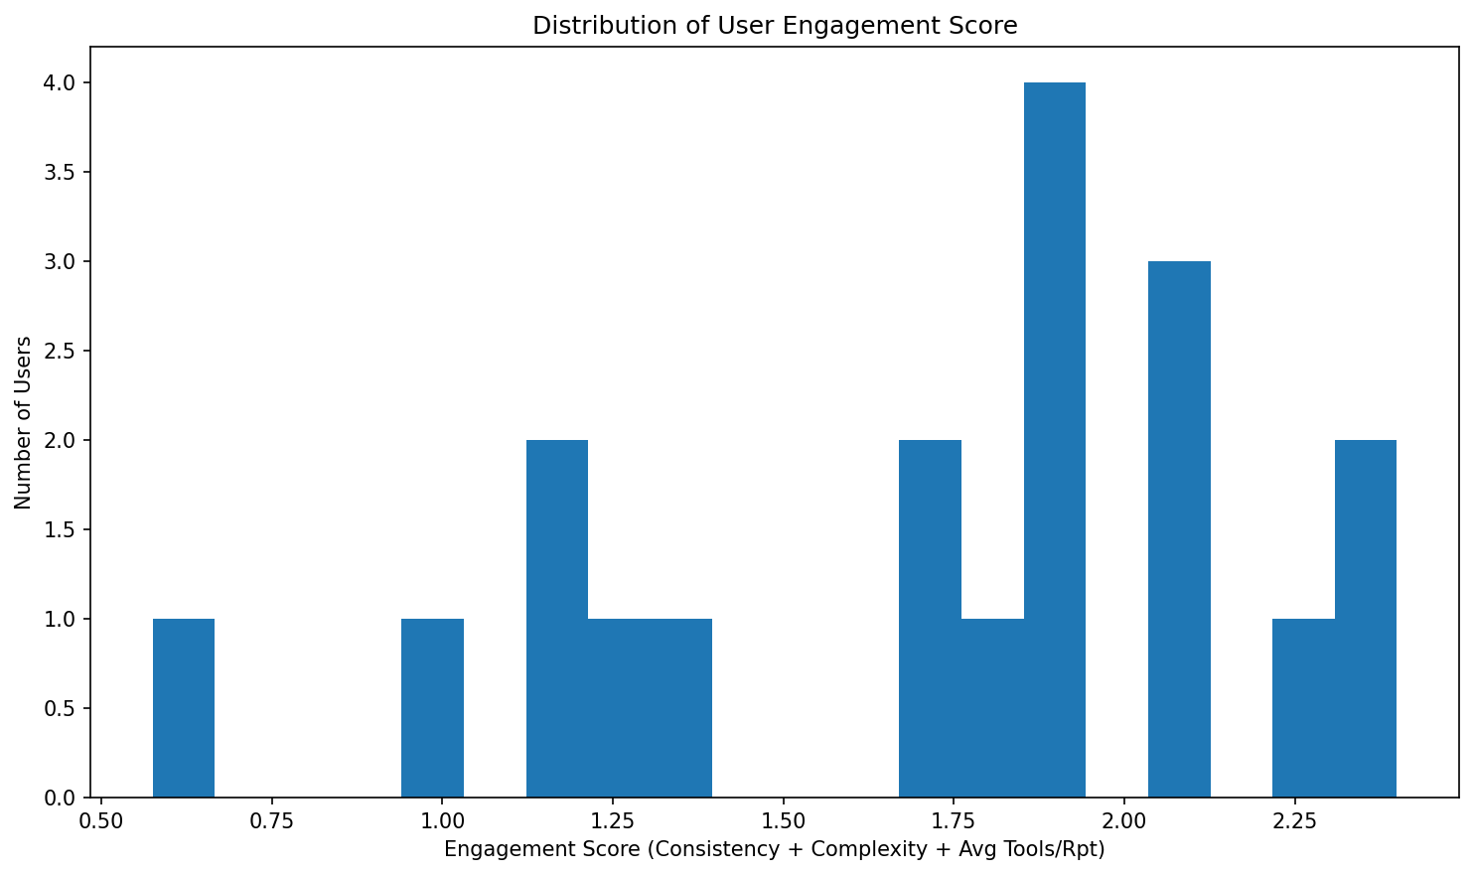
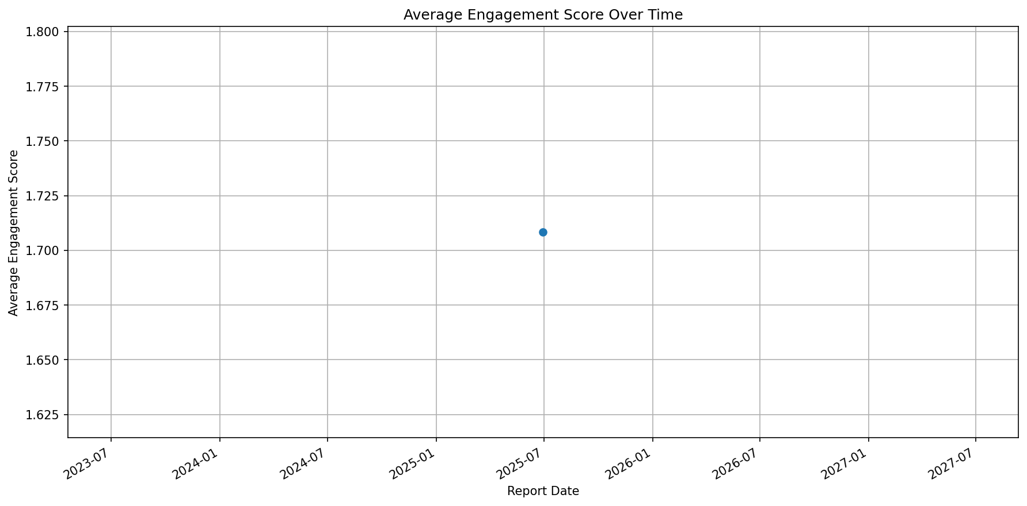
Copilot License Evaluation Summary

Total Users Analyzed: 19
Top Utilizers: 0
Under-Utilized: 18
For Reallocation: 1
Report Generated: July 09, 2025 at 07:40 PM

