Summary & Visualizations
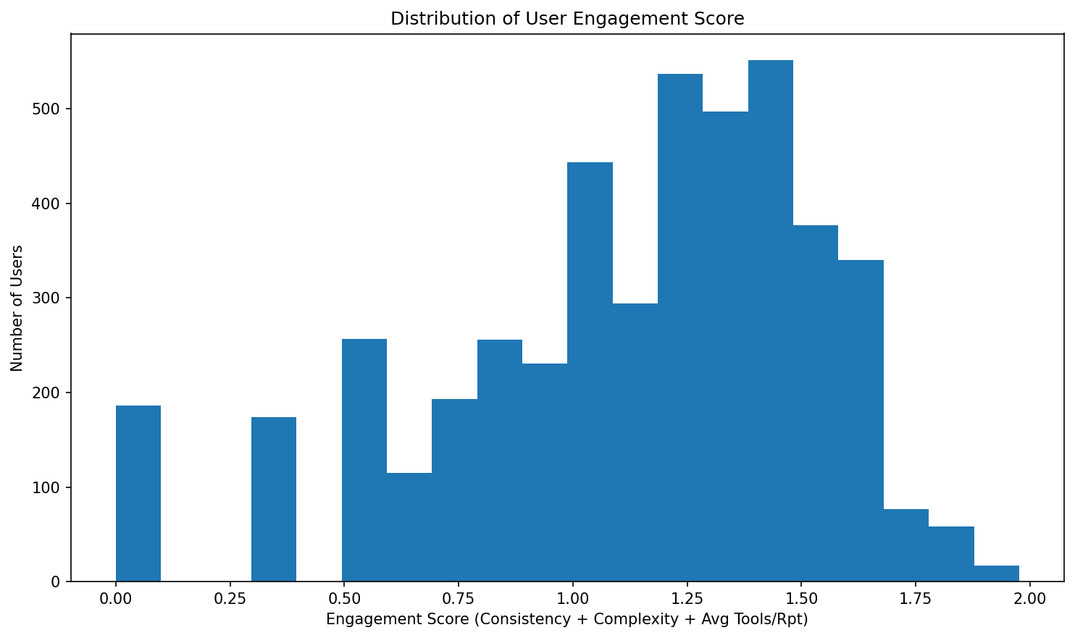
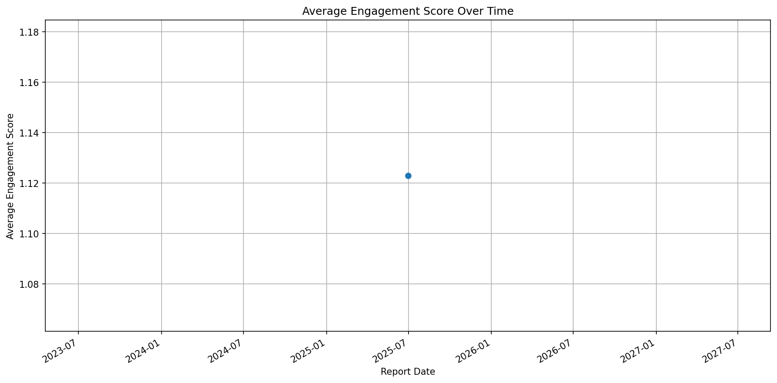
Copilot License Evaluation Summary

Total Users Analyzed: 4605
Top Utilizers: 0
Under-Utilized: 4498
For Reallocation: 107
Report Generated: July 09, 2025 at 07:38 PM

