Summary & Visualizations
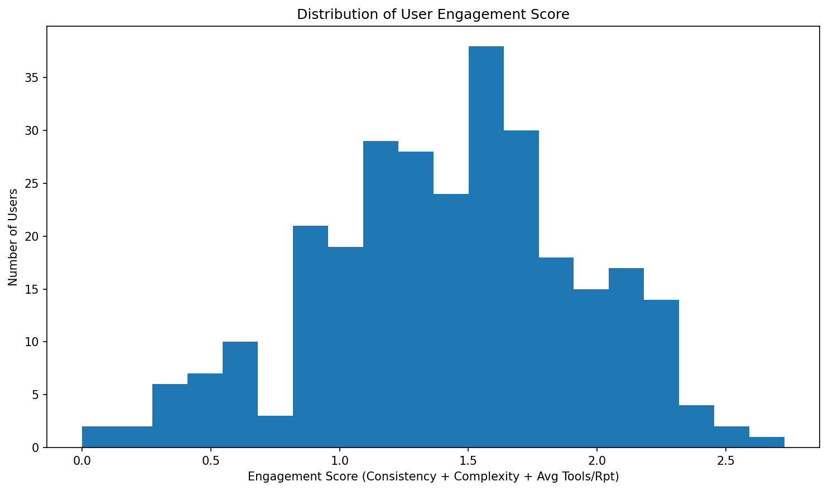
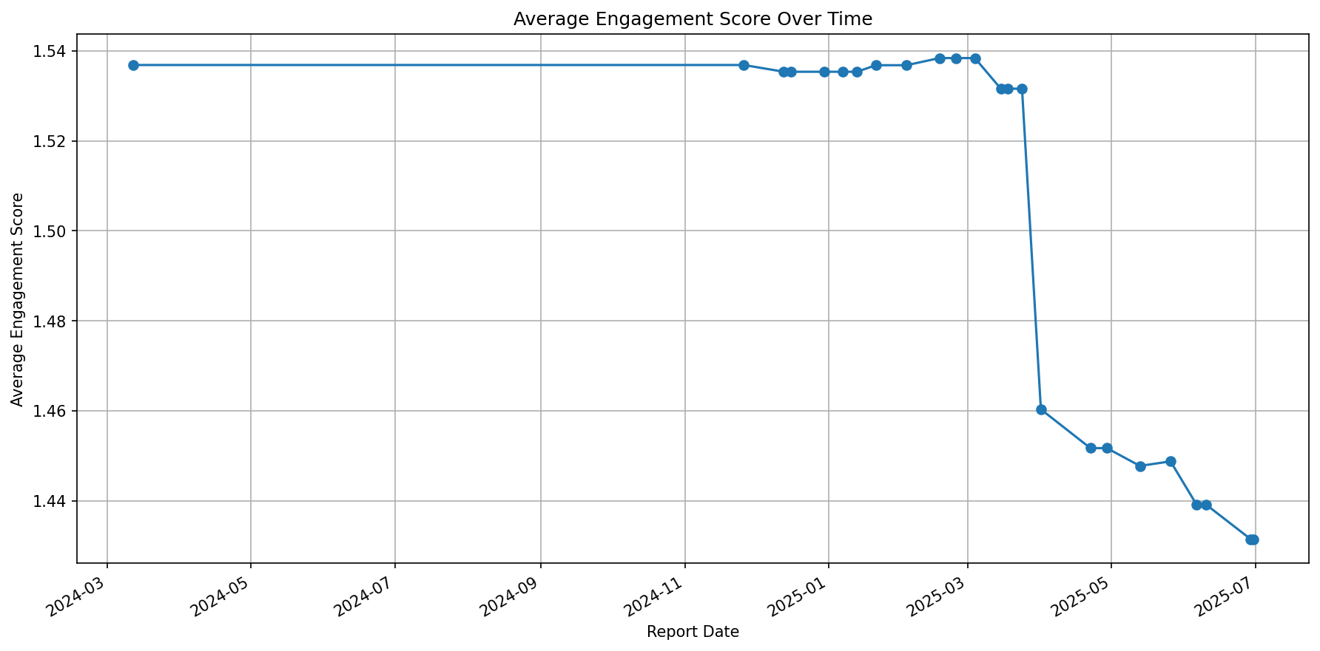
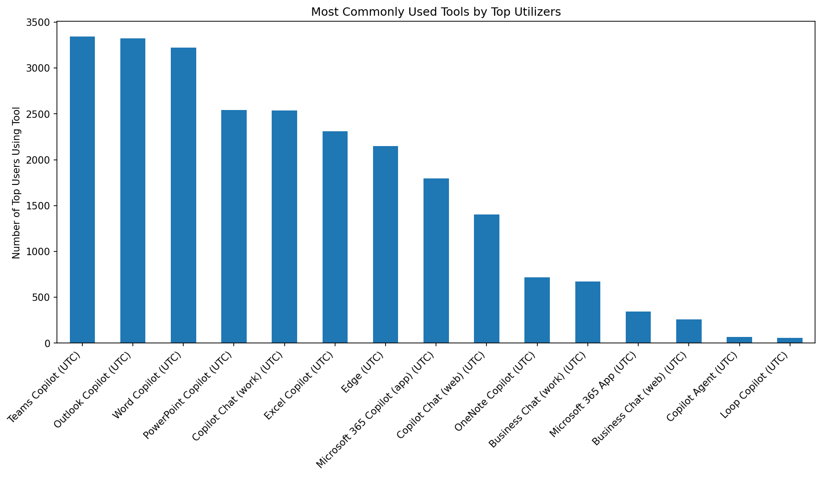
Copilot License Evaluation Summary

Total Users Analyzed: 290
Top Utilizers: 135
Under-Utilized: 119
For Reallocation: 36
Report Generated: July 09, 2025 at 06:20 PM

