M&A
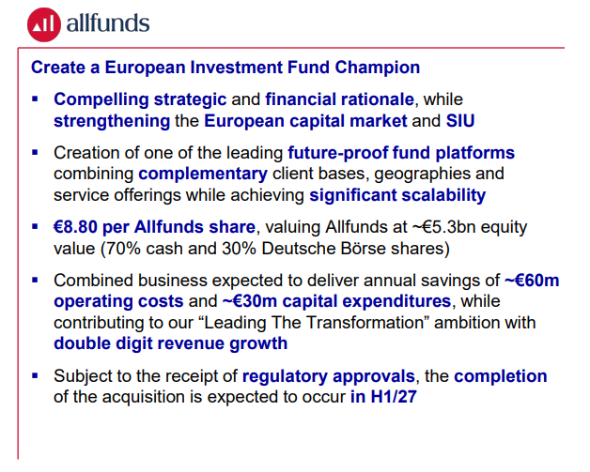
allFunds | OpEx | 2,534
 | Savings | 60
 |  | 2.4%

 | Cost: | 5300

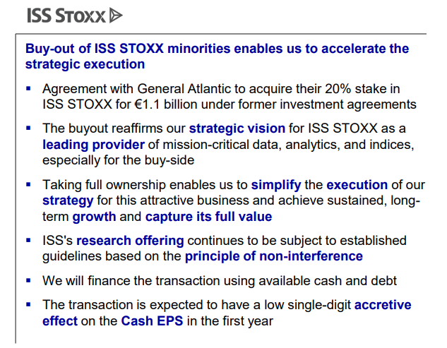
ISS Stoxx 20% minority share | Cost: | 1100
 | Income: | 63

