Main
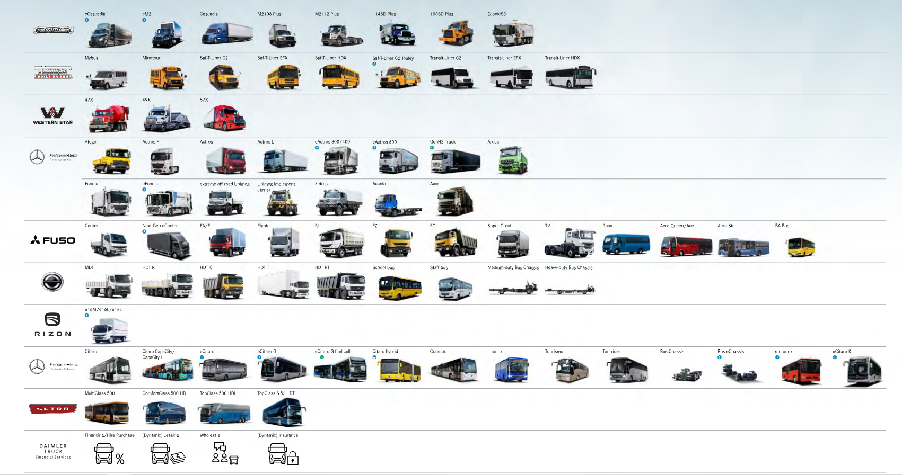
2023 | Trucks NA | Mercedes | Trucks Asia | Daimler Buses | Financials | Total | Recon
Europe | 180 | 14397 | 480 | 3039 | 104 | 18200 | 1046 | 17154
NA | 22964 | 1197 | 108 | 440 | 37 | 24746 | 1288 | 23458
Asia | 6 | 1953 | 5721 | 94 | 15 | 7789 | 716 | 7073
Latin America | 122 | 2281 | 171 | 700 | 21 | 3295 | 249 | 3046
Other Markets | 190 | 1157 | 533 | 102 | 39 | 2021 | 42 | 1979
Other Revenue | 29 | 652 | 47 | 192 | 2458 | 3378 | 199 | 3179
Total | 23491 | 21637 | 7060 | 4567 | 2674 | 59429 | 3540 | 55889

2022 | Trucks NA | Mercedes | Trucks Asia | Daimler Buses | Financials | Total | Recon
Europe | 207 | 12213 | 381 | 2456 | 42 | 15299 | 864 | 14435
NA | 21408 | 1182 | 130 | 256 | 46 | 23022 | 1285 | 21737
Asia | 8 | 1905 | 5166 | 62 | 17 | 7158 | 689 | 6469
Latin America | 175 | 3442 | 222 | 643 | 22 | 4504 | 253 | 4251
Other Markets | 187 | 908 | 567 | 77 | 49 | 1788 | 48 | 1740
Other Revenue | 54 | 563 | 33 | 195 | 1583 | 2428 | 115 | 2313
Total | 22039 | 20213 | 6499 | 3689 | 1759 | 54199 | 3254 | 50945

