Productos
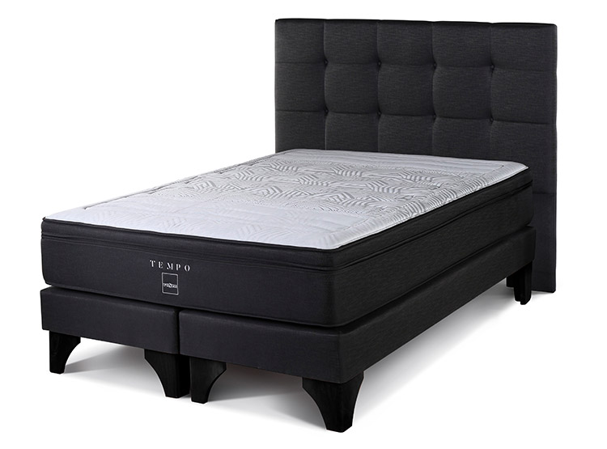
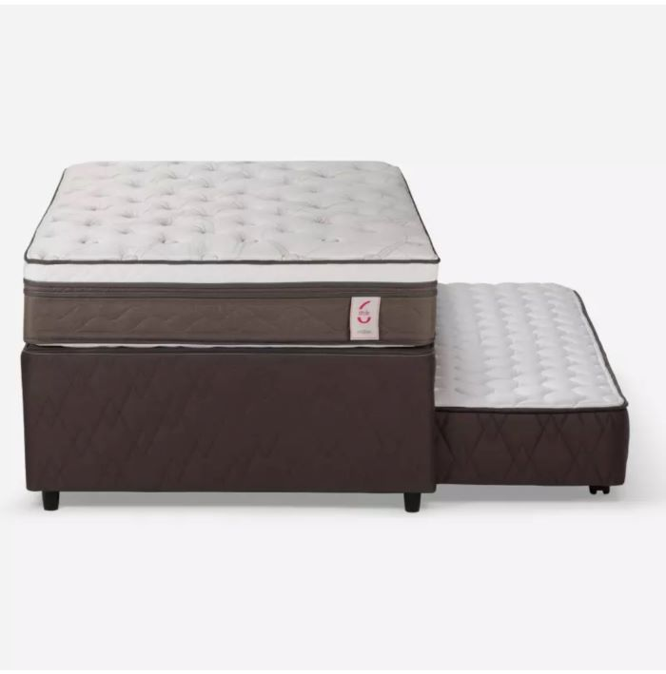
Nombre | Precio | Imagen
CAMA EUROPEA ROSEN TEMPO BD 2 PL + RESPALDO ISSEY GRAFITO | $469.990 | https://www.saleoutlet.cl/wp-content/uploads/2024/06/Sale-Outlet-Cama-Europea-Rosen-Tempo-Bd-2-Plazas-Respaldo-Issey-Grafito-1.jpg
Cama Nido New Style 6 Rosen 1,5 Plazas | $269.990 | https://www.saleoutlet.cl/wp-content/uploads/2024/05/Sale-Outlet-Cama-Divan-New-Style-6-Rosen-1.jpg
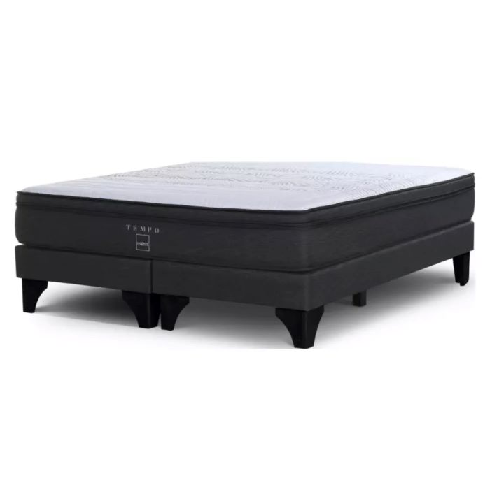
Cama Europea 2 Plazas Tempo Rosen Base Dividida | $399.990 | https://www.saleoutlet.cl/wp-content/uploads/2024/05/Sale-Outlet-Cama-Europea-2-Plazas-Tempo-Rosen-1.jpg
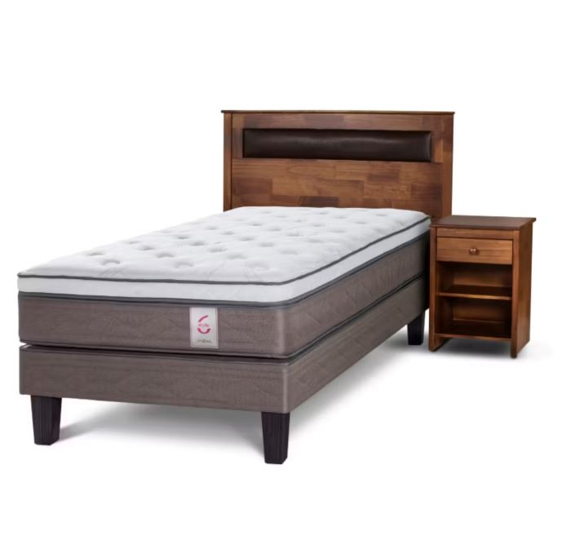
Cama Europea New Style 6 105×200 Mas Set Ferrara Rosen | $349.990 | https://www.saleoutlet.cl/wp-content/uploads/2024/05/Sale-Outlet-Cama-Europea-1-Plaza-New-Style-6-Rosen-1.jpg
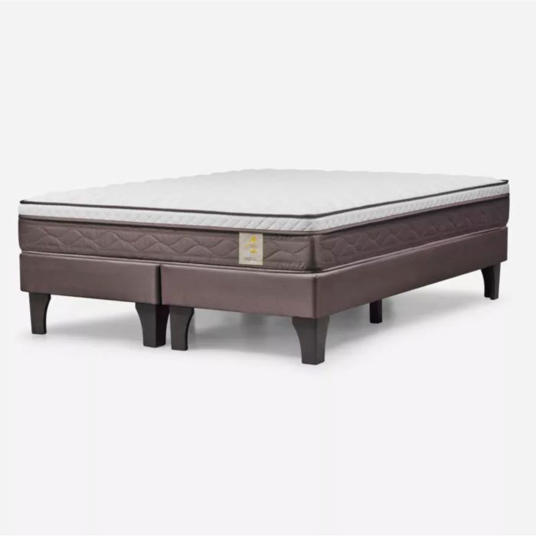
Cama Europea 2 Plazas New Style 4 Rosen 150 x 200 Cm Base Dividida | $239.990 | https://www.saleoutlet.cl/wp-content/uploads/2024/05/Sale-Outlet-Cama-Europea-2-Plazas-New-Style-4-Rosen-1.jpg
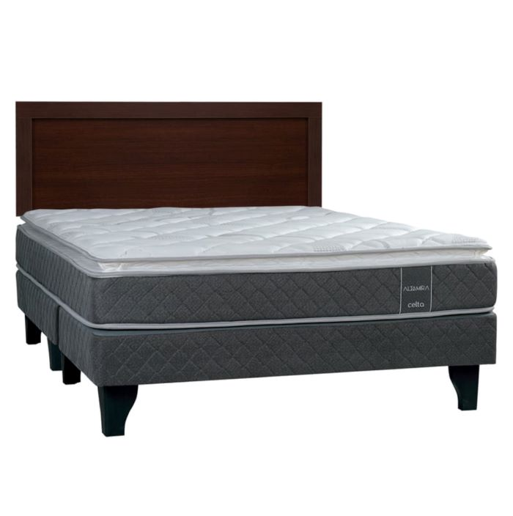
Cama Europea Altamira Celta 2 Plazas Base Dividida + Respaldo Pamplona | $259.990 | https://www.saleoutlet.cl/wp-content/uploads/2024/05/Sale-Outlet-Cama-Europea-Altamira-Celta-2-Plazas-Base-Dividida-Mas-Respaldo-Pamplona-1.jpg
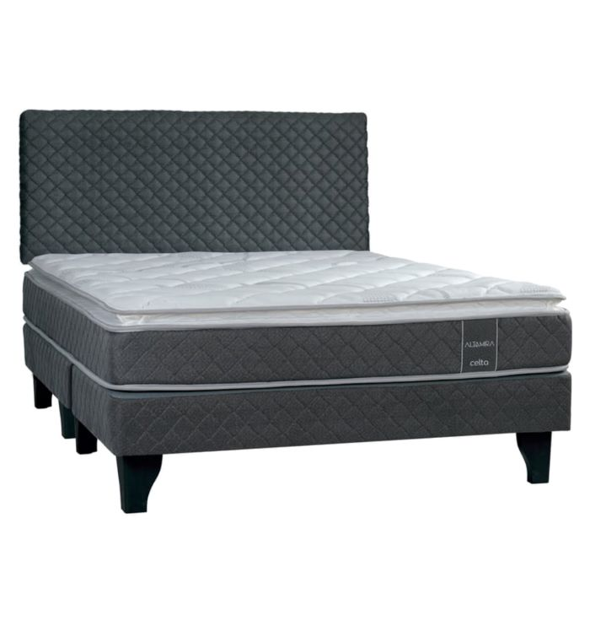
Cama Europea Altamira Celta 2 Plazas Base Dividida + Respaldo Celta | $279.990 | https://www.saleoutlet.cl/wp-content/uploads/2024/05/Sale-Outlet-Cama-Europea-Altamira-Celta-2-Plazas-Base-Dividida-Respaldo-Celta-1.jpg
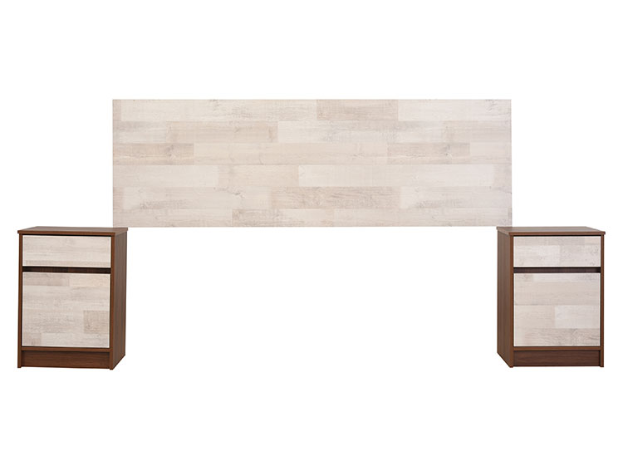
SET CIC 2 VELADOR + RESPALDO LEGNO KING | $89.990 | https://www.saleoutlet.cl/wp-content/uploads/2024/05/Sale-Outlet-Set-Cic-2-Velador-Respaldo-Legno-King-1.jpg
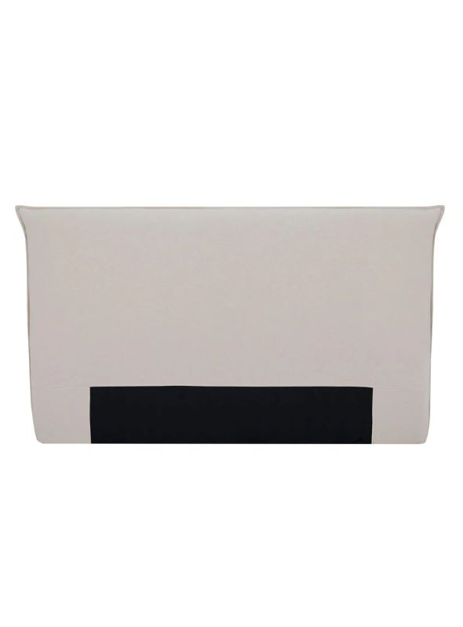
RESPALDO LINO GRIS PLAZA 2 PLAZA ALANIZ HOME | $139.990 | https://www.saleoutlet.cl/wp-content/uploads/2024/04/Sale-Outlet-Respaldo-Lino-Plaza-King-1.jpg
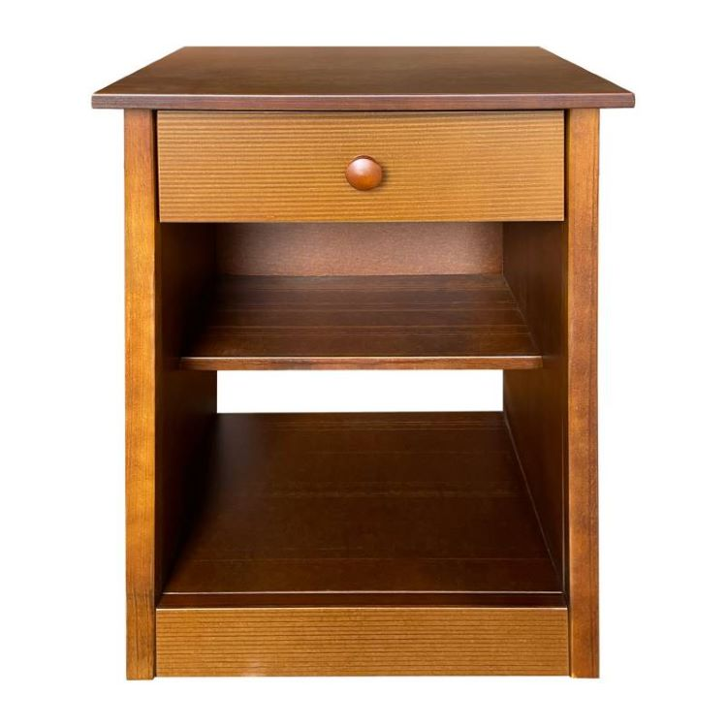
VELADOR STILO TOSCANA | $41.990 | https://www.saleoutlet.cl/wp-content/uploads/2024/01/Sale-Outlet-Velador-Stilo-Toscana-1.jpg
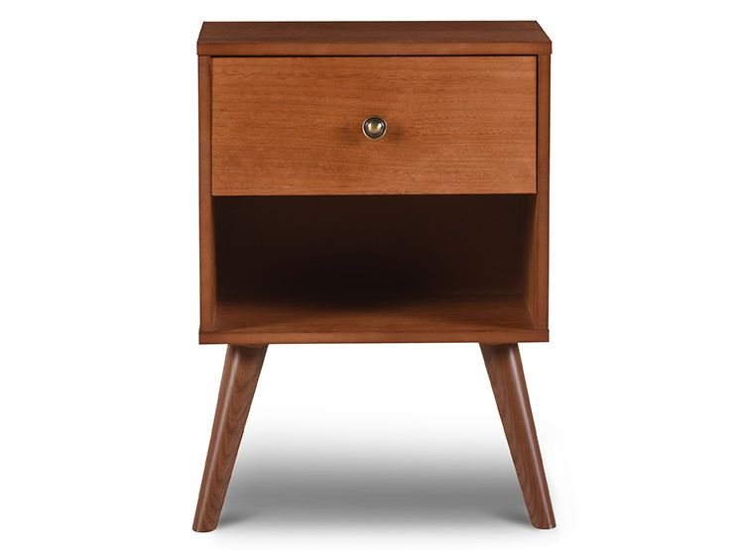
VELADOR NEW GALES CIC | $34.990 | https://www.saleoutlet.cl/wp-content/uploads/2024/01/Sale-Outlet-Velador-New-Gales-Cic-1.jpg
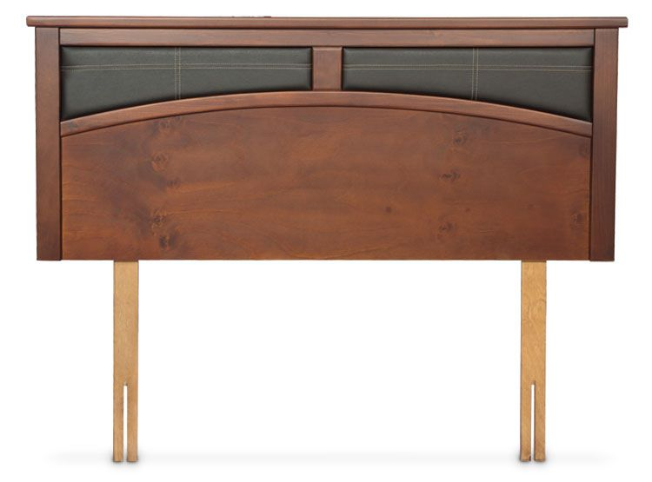
RESPALDO CASTELL 2PL | $69.990 | https://www.saleoutlet.cl/wp-content/uploads/2024/01/Sale-Outlet-Respaldo-Castell-2Pl-Flex-1.jpg
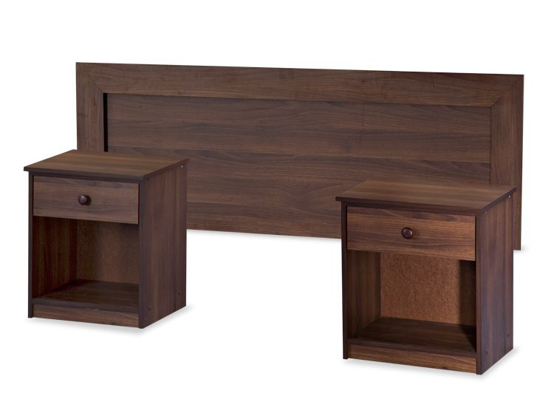
SET MADERAS ASTURIAS 2PL FLEX | $89.990 | https://www.saleoutlet.cl/wp-content/uploads/2024/01/Sale-Outlet-Set-De-Maderas-Asturias-2PL-Flex.jpg
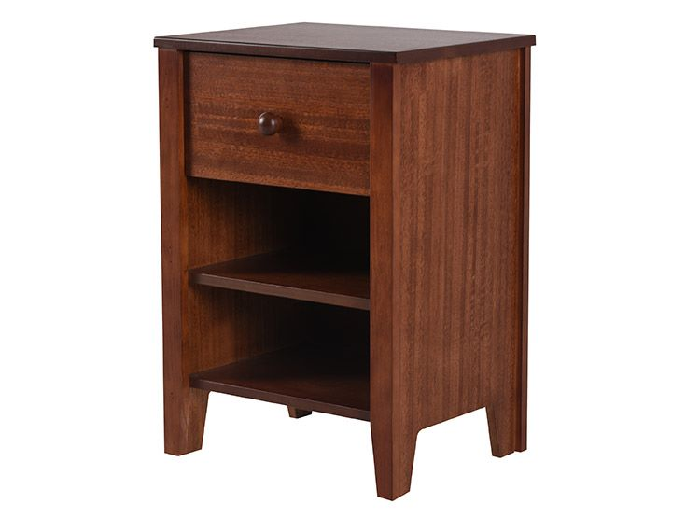
VELADOR NEW TORINO CARAMELO CIC | $39.990 | https://www.saleoutlet.cl/wp-content/uploads/2024/01/Sale-Outlet-Velador-New-Torino-Caramelo-Cic-1.jpg
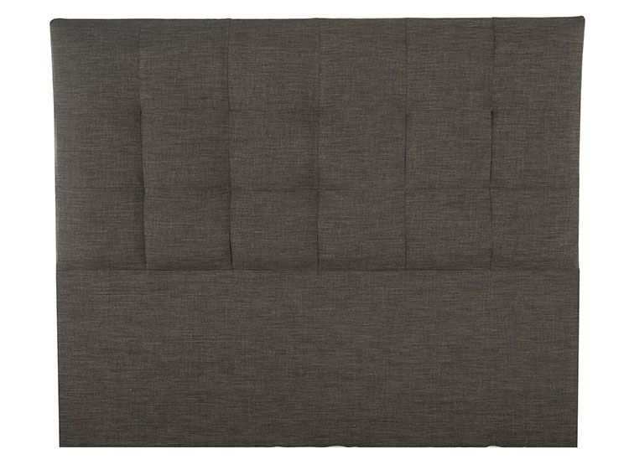
RESPALDO DESIGN GRAFITO 2PL FLEX | $99.990 | https://www.saleoutlet.cl/wp-content/uploads/2024/01/Sale-Outlet-Respaldo-Design-Grafito-2-PL-Flex-1.jpg
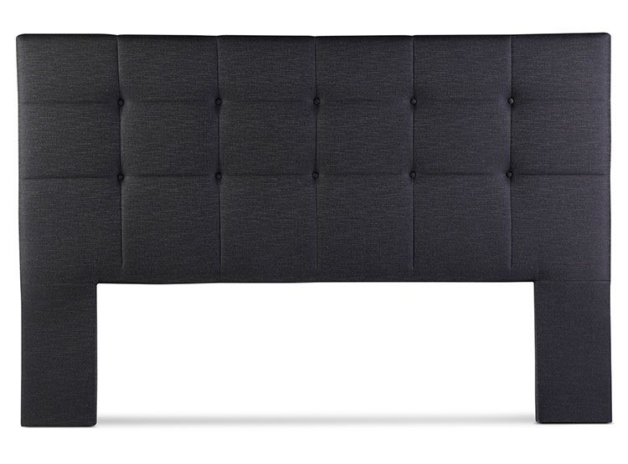
RESPALDO ISSEY 2PL ROSEN | $99.990 | https://www.saleoutlet.cl/wp-content/uploads/2024/01/Sale-Outlet-Respaldo-Issey-Grafito-2PL-Rosen-1.jpg
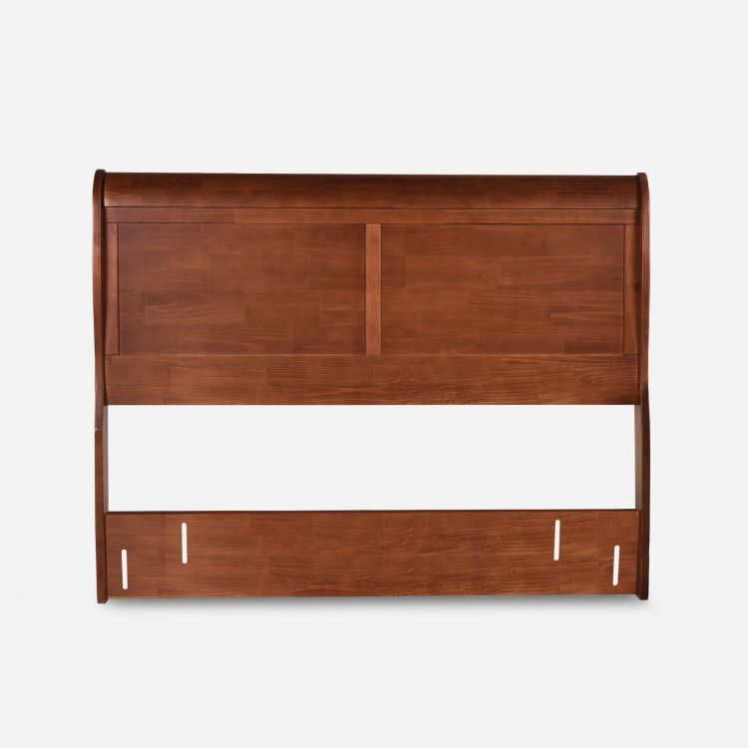
RESPALDO MIRO 2PL CIC | $99.990 | https://www.saleoutlet.cl/wp-content/uploads/2024/01/Sale-Outlet-Respaldo-Miro-2PL-Cic-1.jpg
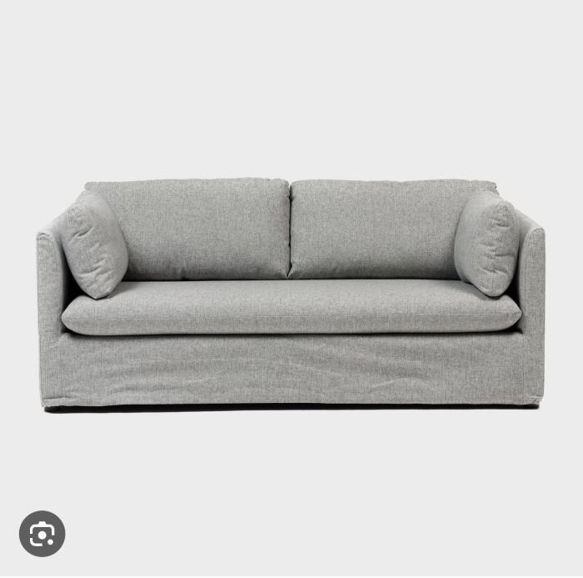
Sofá Cama Clara Basement Home Gris | $499.990 | https://www.saleoutlet.cl/wp-content/uploads/2024/01/Sale-Outlet-Sofa-Cama-Clara-Basement-Home-Gris-1.jpg
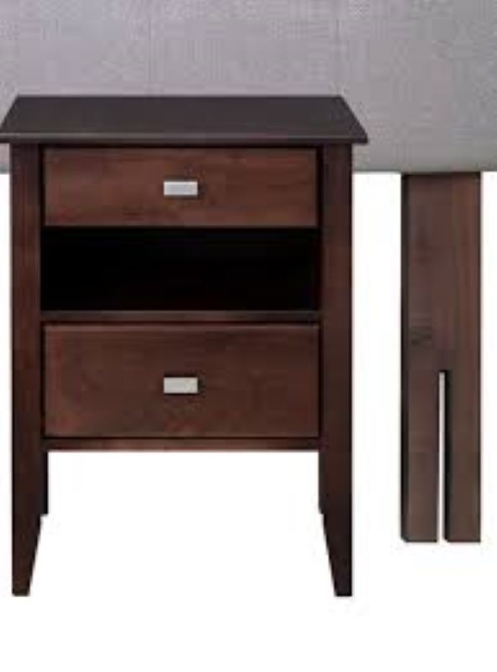
VELADOR ARAGON CELTA | $59.990 | https://www.saleoutlet.cl/wp-content/uploads/2024/01/Sale-Outlet-Velador-Aragon-Capitone-1.jpg
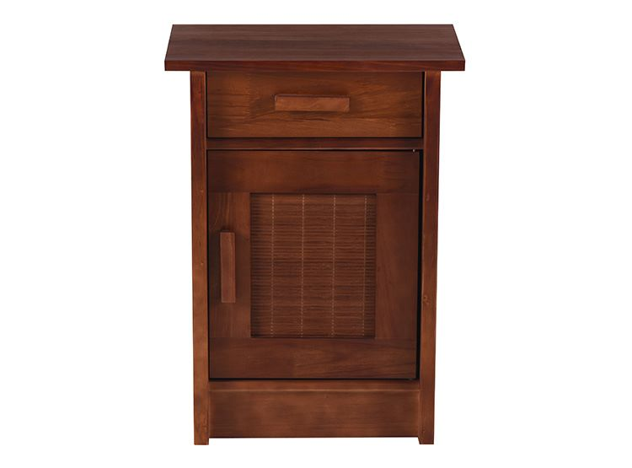
VELADOR MILAN IZQUIERDO CIC | $59.990 | https://www.saleoutlet.cl/wp-content/uploads/2024/01/Sale-Outlet-Velador-Milan-Derecho-Cic-1.jpg
VELADOR MILAN DERECHO CIC | $59.990 | https://www.saleoutlet.cl/wp-content/uploads/2024/01/Sale-Outlet-Velador-Milan-Derecho-Cic-1.jpg
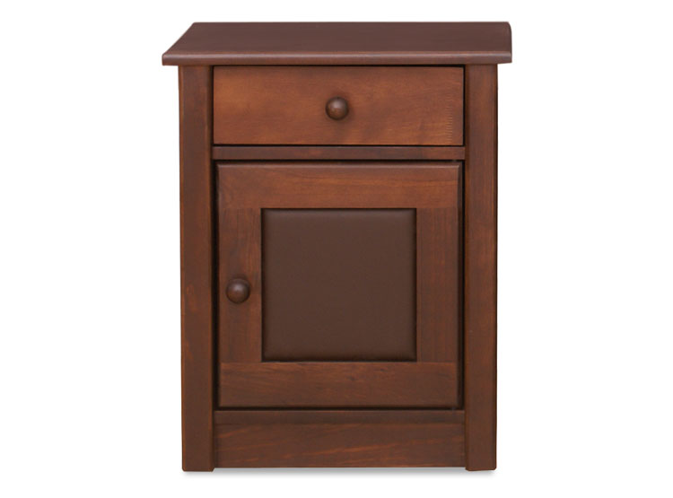
VELADOR CELTA VILLARREAL DERECHO | $29.990 | https://www.saleoutlet.cl/wp-content/uploads/2023/08/SALE-OUTLET-VELADOR-CELTA-VILLARREAL-izquirdo.jpeg
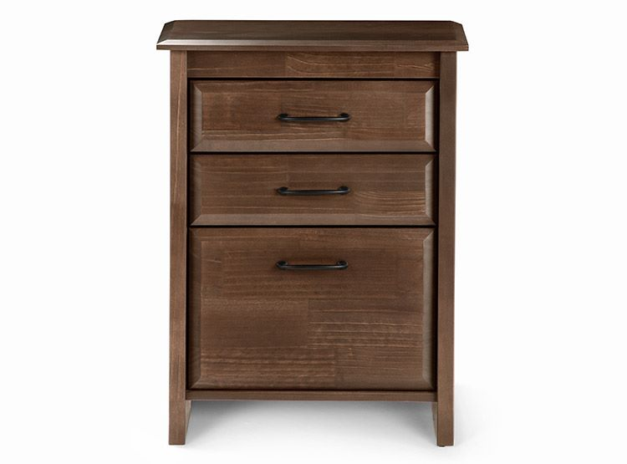
VELADOR DOLCE ROSEN | $69.990 | https://www.saleoutlet.cl/wp-content/uploads/2024/01/Sale-Outlet-Velador-Rosen-Dolce-1.jpg
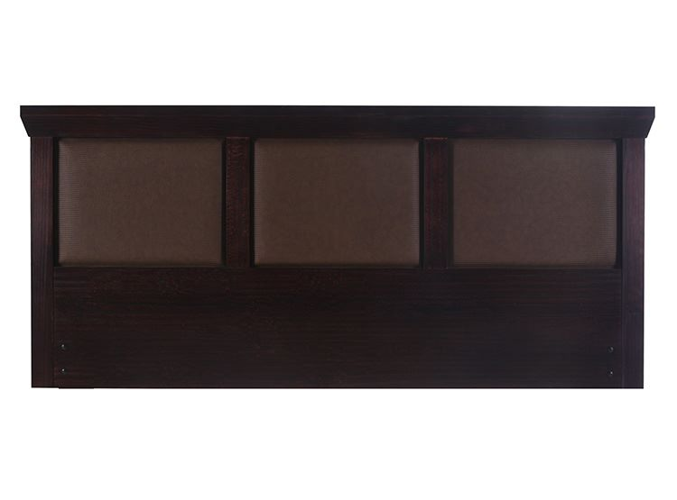
RESPALDO CIC NEW TORINO CHOCOLATE KING | $69.990 | https://www.saleoutlet.cl/wp-content/uploads/2024/01/Sale-Outlet-Respaldo-New-Torino-Cic-King-Chocolate-1.jpg
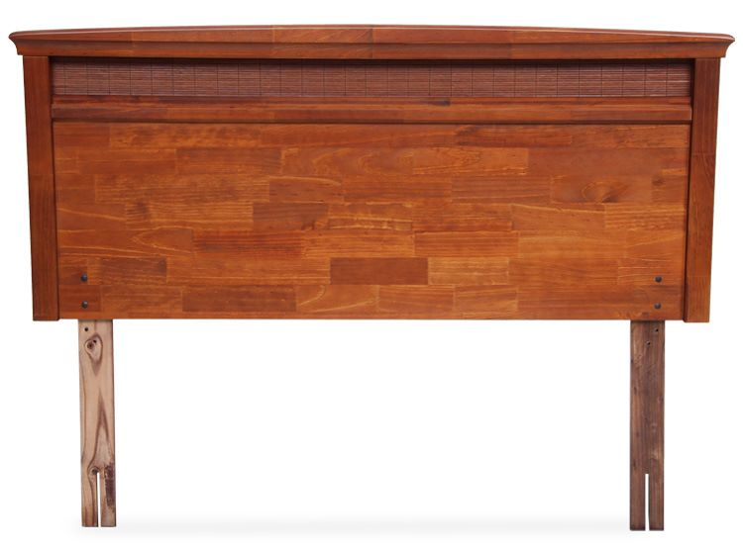
RESPALDO VENETO ROSEN 2 PL | $69.990 | https://www.saleoutlet.cl/wp-content/uploads/2024/01/Sale-Outlet-Respaldo-Veneto-Rosen-2-PL-1.jpg
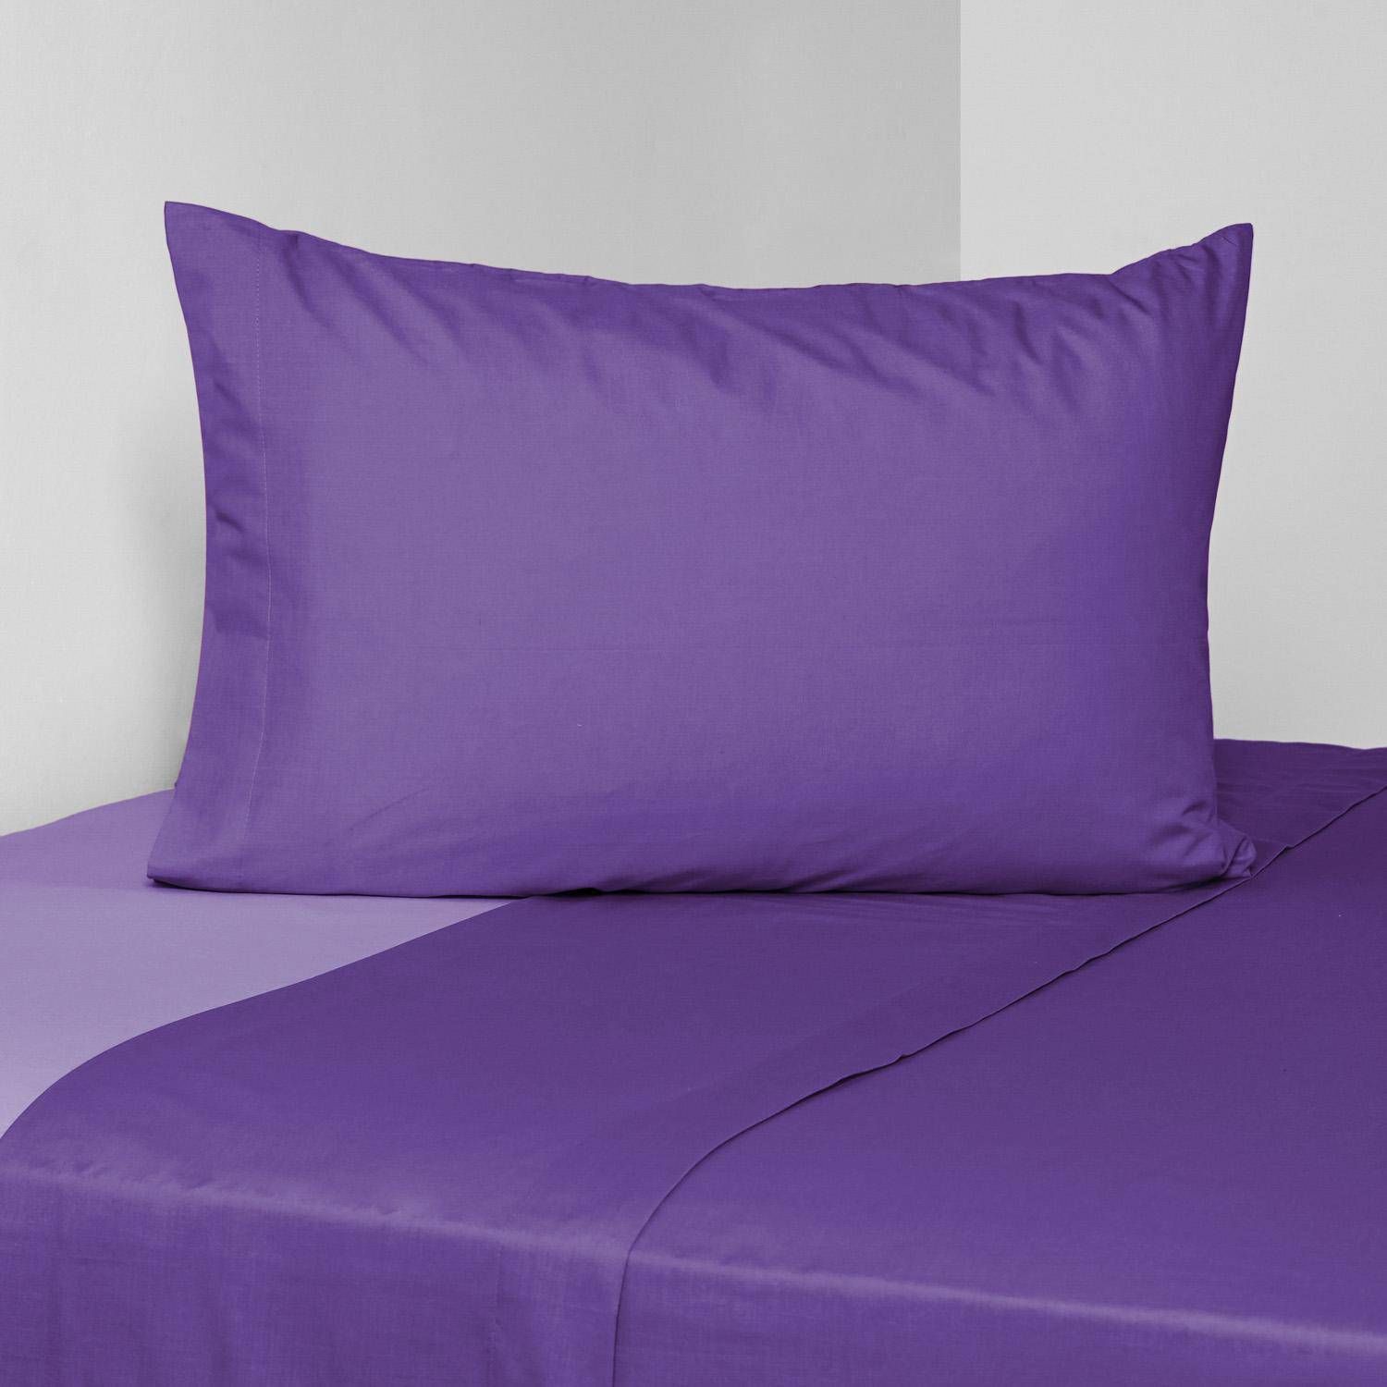
Sabana American Familly Bicolor Purpura 2PL | $18.990 | https://www.saleoutlet.cl/wp-content/uploads/2023/07/sale-outlet-sabana-american-familly-bicolor-purpura-15-plazas-1.jpeg
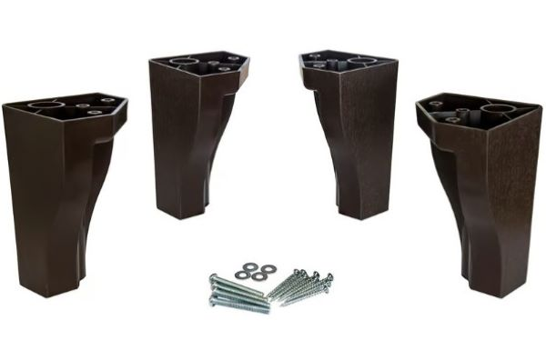
PATAS DE CAMA KIT 4 UNIDADES | $15.000 | https://www.saleoutlet.cl/wp-content/uploads/2023/11/Sale-Outlet-Patas-Para-Cama-1.jpg
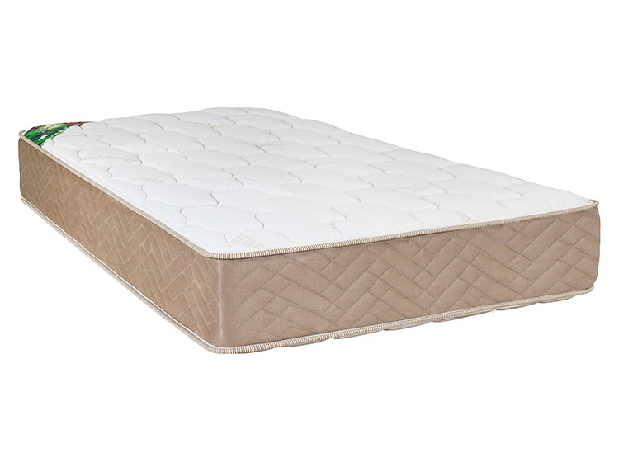
COLCHON CELTA ACTIVE BAMBOO 1 PL | $69.990 | https://www.saleoutlet.cl/wp-content/uploads/2023/11/Sale-Outlet-Colchon-Celta-Active-Bamboo-1-Plaza-1.jpg
VELADOR CELTA VILLARREAL IZQUIERDO | $29.990 | https://www.saleoutlet.cl/wp-content/uploads/2023/08/SALE-OUTLET-VELADOR-CELTA-VILLARREAL-izquirdo.jpeg
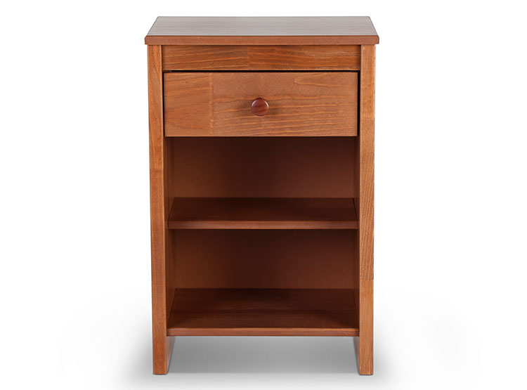
VELADOR ROSEN FERRARA | $39.990 | https://www.saleoutlet.cl/wp-content/uploads/2023/08/SALE-OUTLET-VELADOR-ROSEN-FERRARA.jpeg
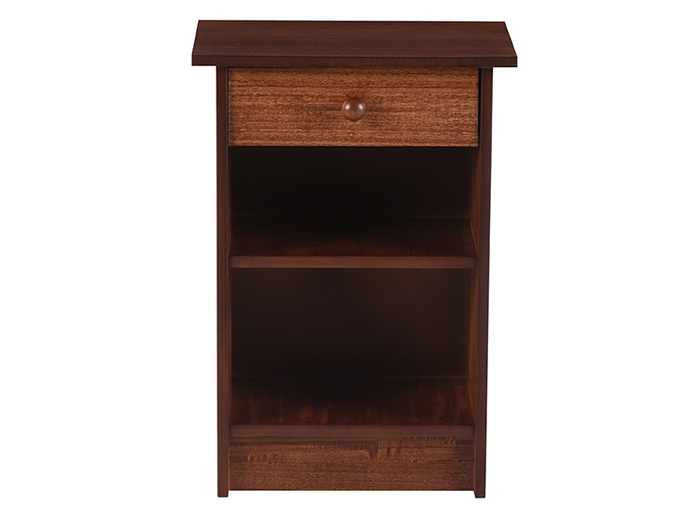
VELADOR CIC DUBLIN CHOCOLATE | $27.990 | https://www.saleoutlet.cl/wp-content/uploads/2023/08/SALE-OUTLET-Marca-velador.jpeg
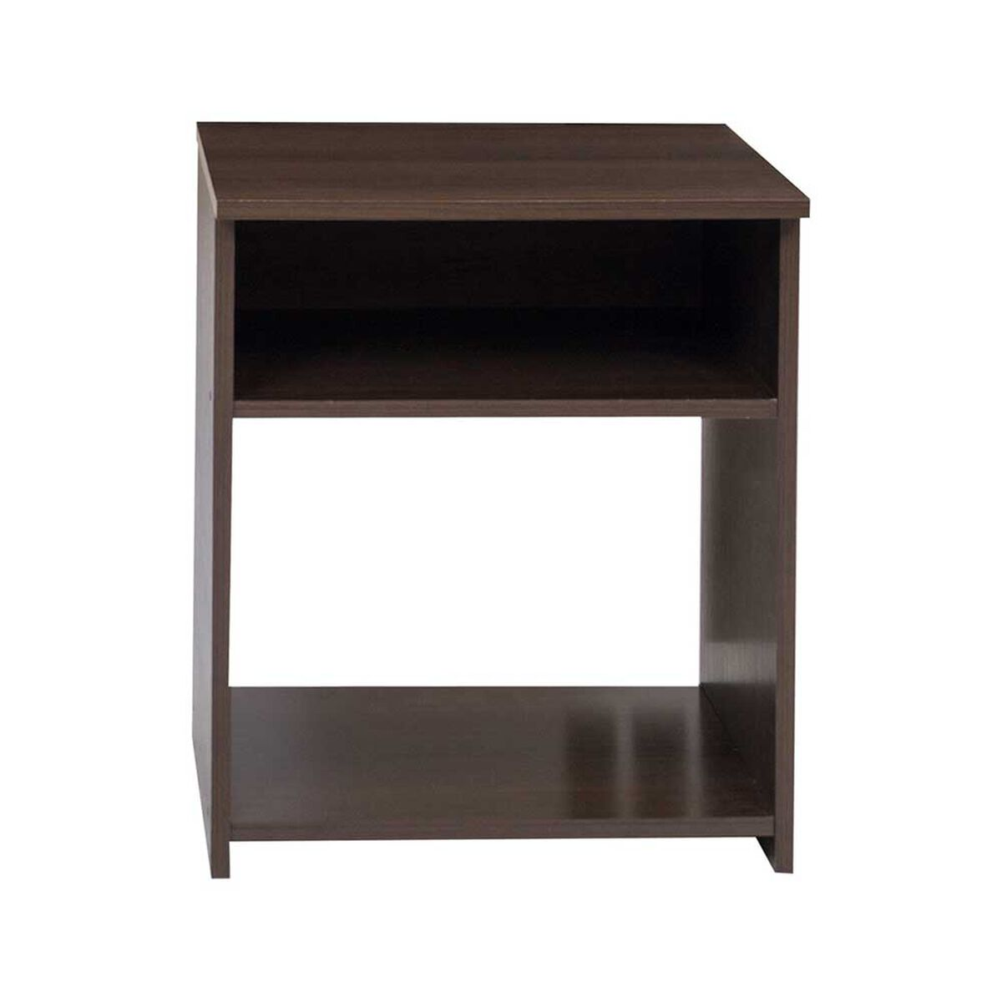
VELADOR CASTILLA CAFÉ | $14.990 | https://www.saleoutlet.cl/wp-content/uploads/2023/08/SALE-OUTLET-CELTA-Velador-Celta-Castilla-Cafe.jpeg
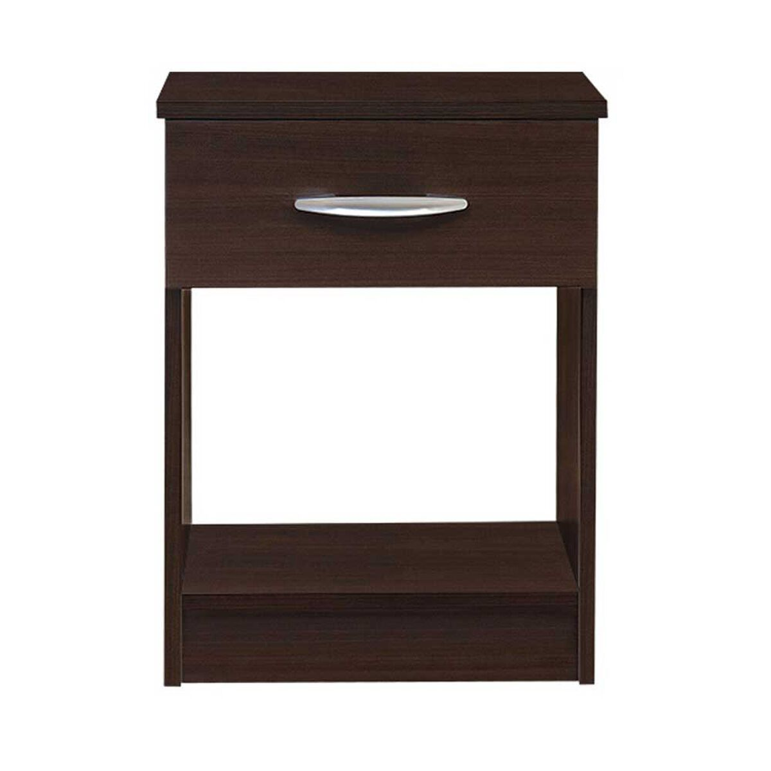
VELADOR ASTURIAS CHOCOLATE | $14.990 | https://www.saleoutlet.cl/wp-content/uploads/2023/08/SALE-OUTLET-Velador-Celta-Asturias-Cafe.jpeg
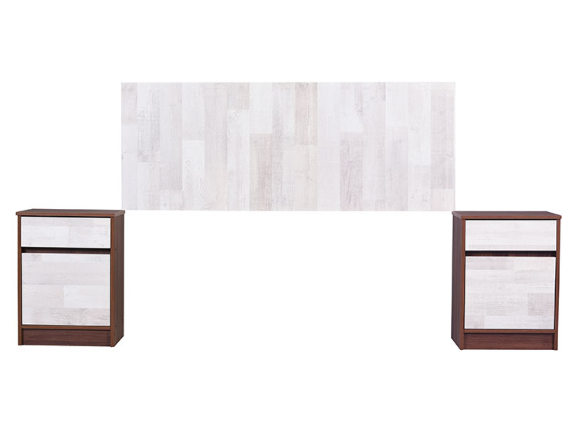
SET CIC 2 VELADOR + RESPALDO LEGNO 2 PLAZA | $69.990 | https://www.saleoutlet.cl/wp-content/uploads/2023/08/SALE-OUTLET-SET-CIC-2-VELADOR-RESPALDO-LEGNO-2-PL.jpeg
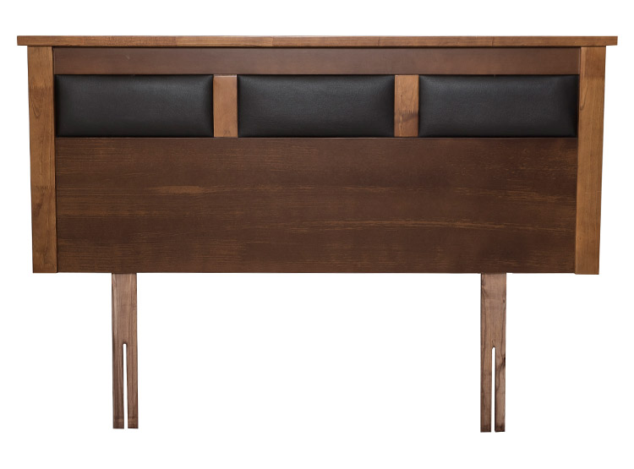
RESPALDO FLEX TOSCANA 2 PLAZA | $59.990 | https://www.saleoutlet.cl/wp-content/uploads/2023/08/SALE-OUTLET-RESPALDO-FLEX-TOSCANA-2-PL.jpeg

RESPALDO ROSEN VENETO KING REMATE | $49.990 | https://www.saleoutlet.cl/wp-content/uploads/2023/08/SALE-OUTLET-RESPALDO-ROSEN-VENETO-KING.jpeg
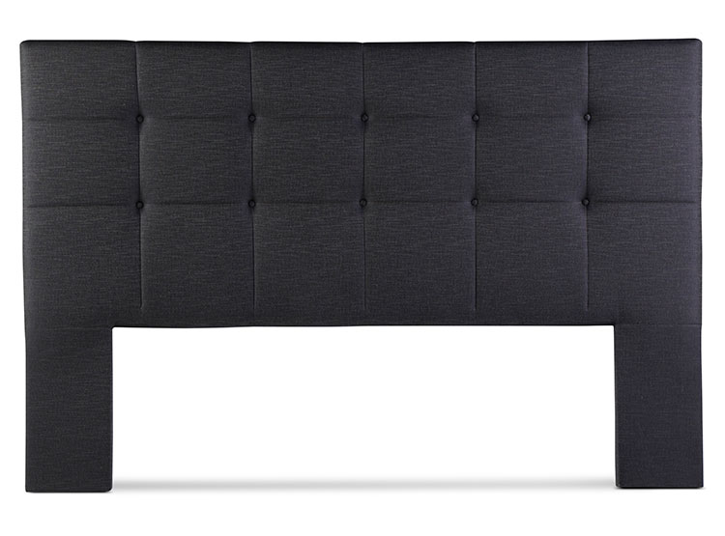
RESPALDO ROSEN ISSEY KING GRAFITO | $119.990 | https://www.saleoutlet.cl/wp-content/uploads/2023/08/SALE-OUTLET-RESPALDO-ROSEN-ISSEY-KING-GRAFITO.jpeg
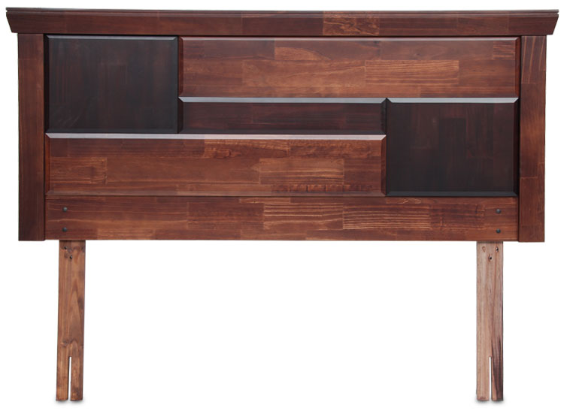
RESPALDO ROSEN DOMENICO KING | $99.990 | https://www.saleoutlet.cl/wp-content/uploads/2023/08/SALE-OUTLET-RESPALDO-ROSEN-DOMENICO-KING-.jpeg
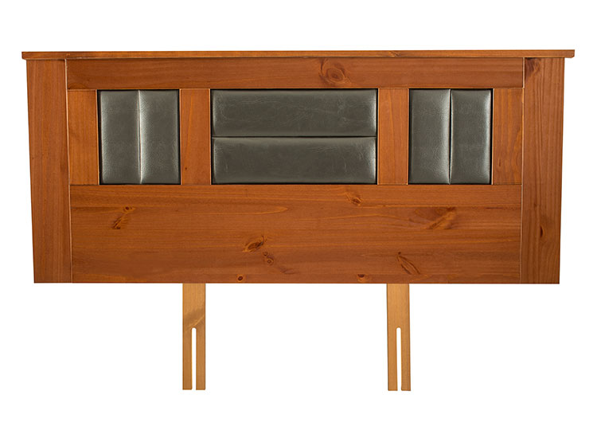
RESPALDO FLEX LORRAINE 2 PL | $59.990 | https://www.saleoutlet.cl/wp-content/uploads/2023/08/SALE-OUTLET-35545774.jpeg
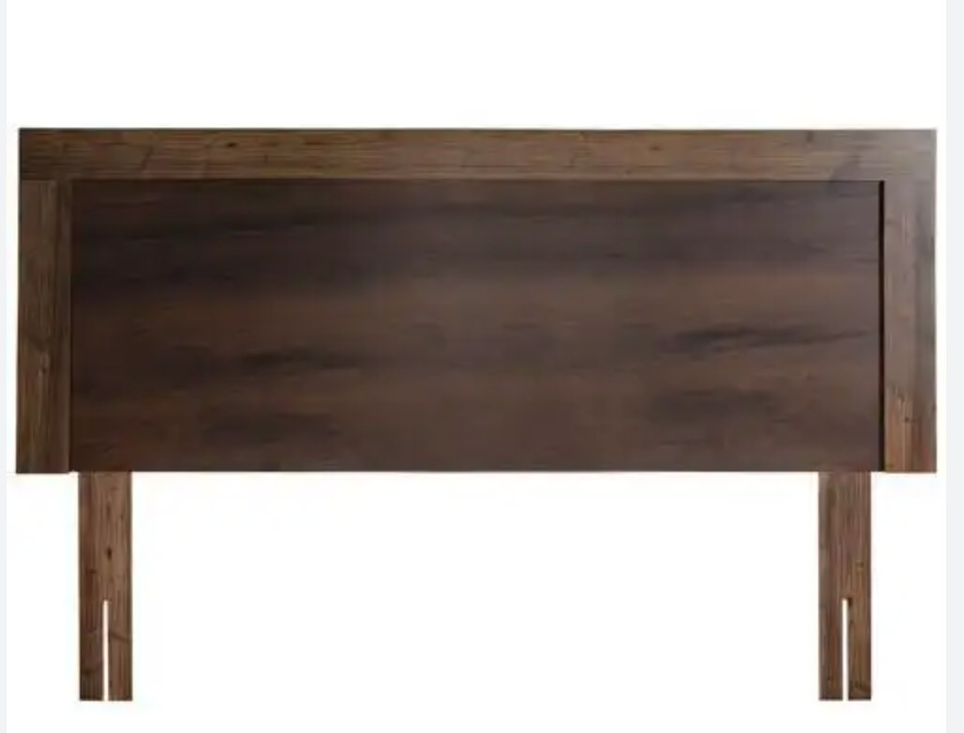
RESPALDO ITALIA 2 PLAZA | $19.990 | https://www.saleoutlet.cl/wp-content/uploads/2023/08/Captura-de-Pantalla-2023-08-29-a-las-12.56.03.png
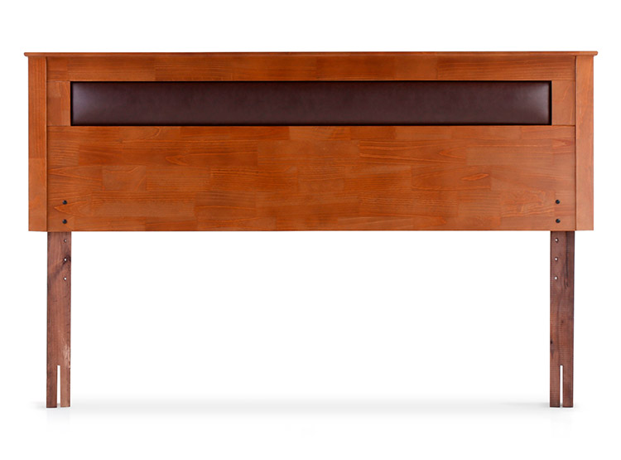
RESPALDO ROSEN FERRARA 2 PLAZA | $59.990 | https://www.saleoutlet.cl/wp-content/uploads/2023/08/SALE-OUTLET-RESPALDO-ROSEN-FERRARA-2-PL.jpeg
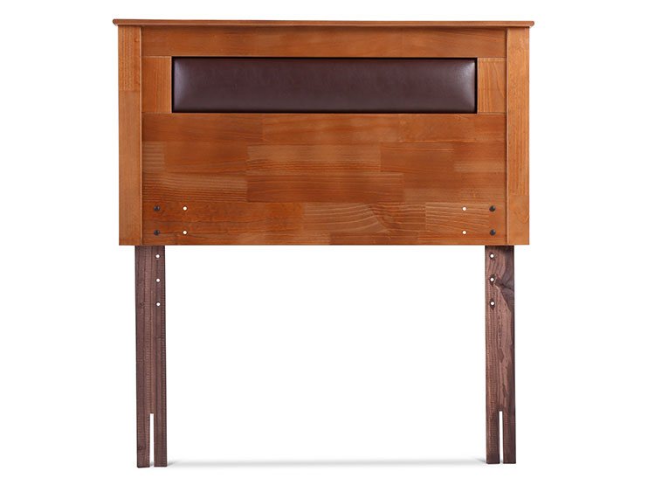
RESPALDO ROSEN FERRARA 1.5 PLAZA | $49.990 | https://www.saleoutlet.cl/wp-content/uploads/2023/08/SALE-OUTLET-RESPALDO-ROSEN-FERRARA-1.5-PL.jpeg
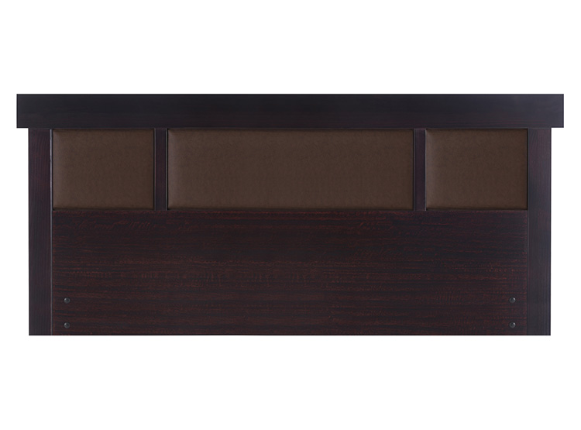
RESPALDO CIC NEW DUBLIN CHOCOLATE 2 PL | $59.990 | https://www.saleoutlet.cl/wp-content/uploads/2023/08/SALE-OUTLET-RESPALDO-CIC-NEW-DUBLIN-CHOCOLATE-2-PL.jpeg
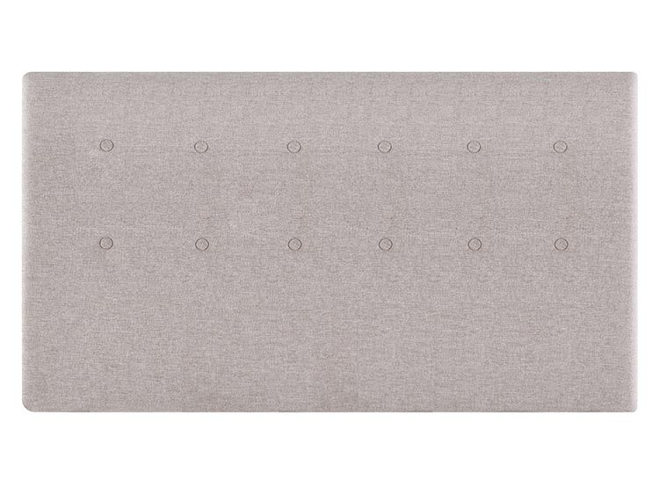
RESPALDO CIC TIGRIS 2 PLAZA BEIGE | $59.990 | https://www.saleoutlet.cl/wp-content/uploads/2023/08/SALE-OUTLET-37721956.jpeg
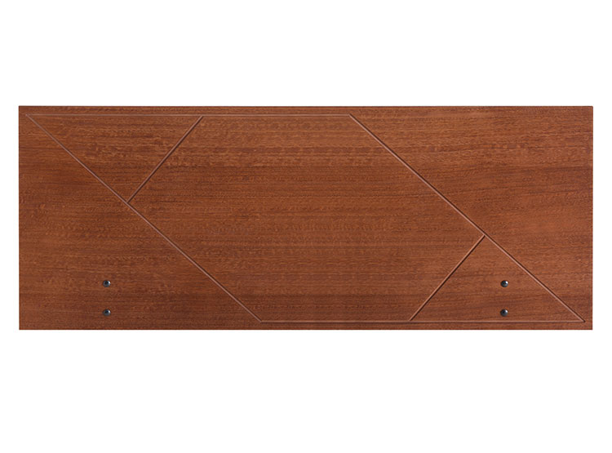
RESPALDO CIC NEW VILLARRICA 2 PLAZA | $29.990 | https://www.saleoutlet.cl/wp-content/uploads/2023/08/SALE-OUTLET-RESPALDO-CIC-NEW-VILLARRICA-2-PL.jpeg
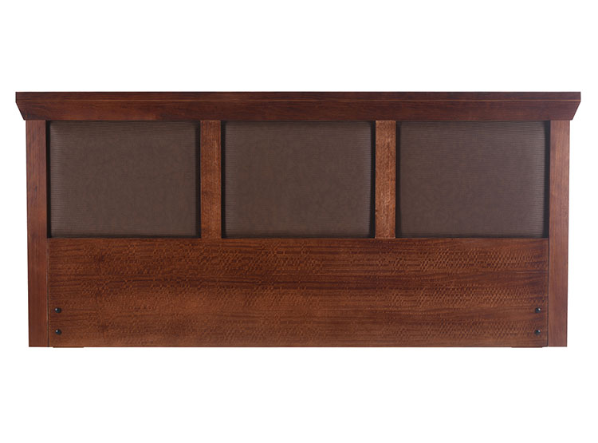
RESPALDO CIC NEW TORINO CARAMEL KING | $69.990 | https://www.saleoutlet.cl/wp-content/uploads/2023/08/SALE-OUTLET-RESPALDO-CIC-NEW-TORINO-CARAMEL-KING-.jpeg
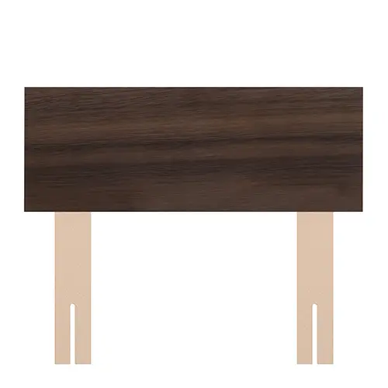
RESPALDO CELTA 1 PLAZA CASTILLA | $14.990 | https://www.saleoutlet.cl/wp-content/uploads/2023/08/SALE-OUTLET-Respaldo-Celta-1-Plaza-Castilla.webp
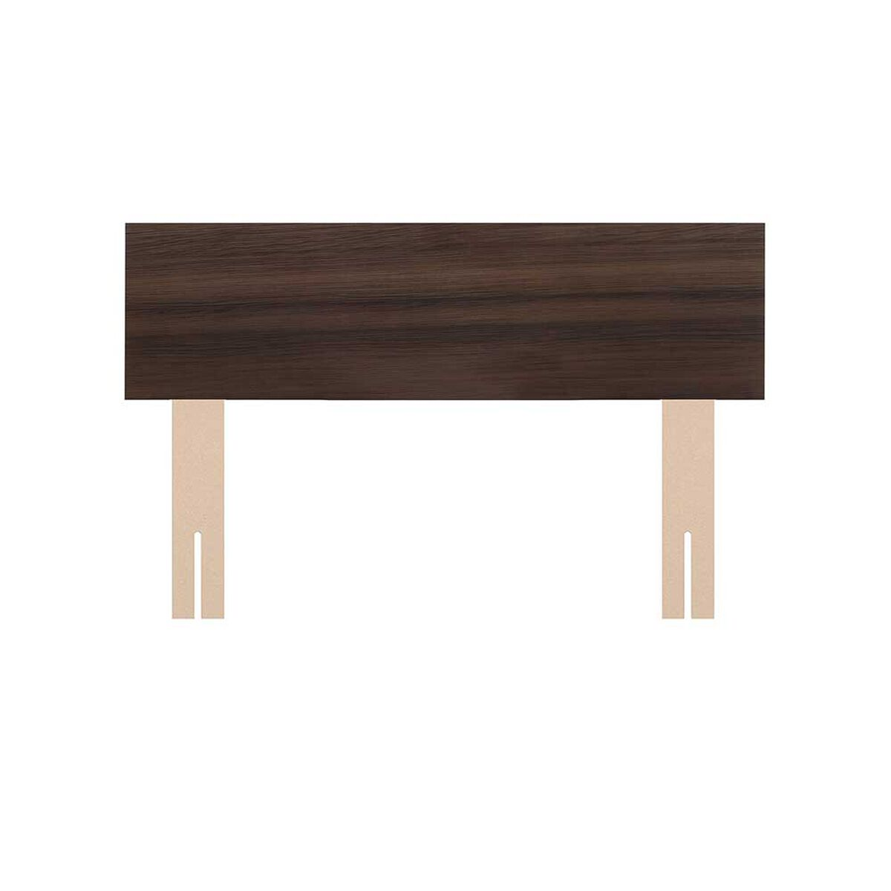
RESPALDO CELTA 2 PLAZAS CASTILLA CAFE | $14.990 | https://www.saleoutlet.cl/wp-content/uploads/2023/08/SALE-OUTLET-Respaldo-Celta-2-Plazas-Castilla-Cafe.jpeg
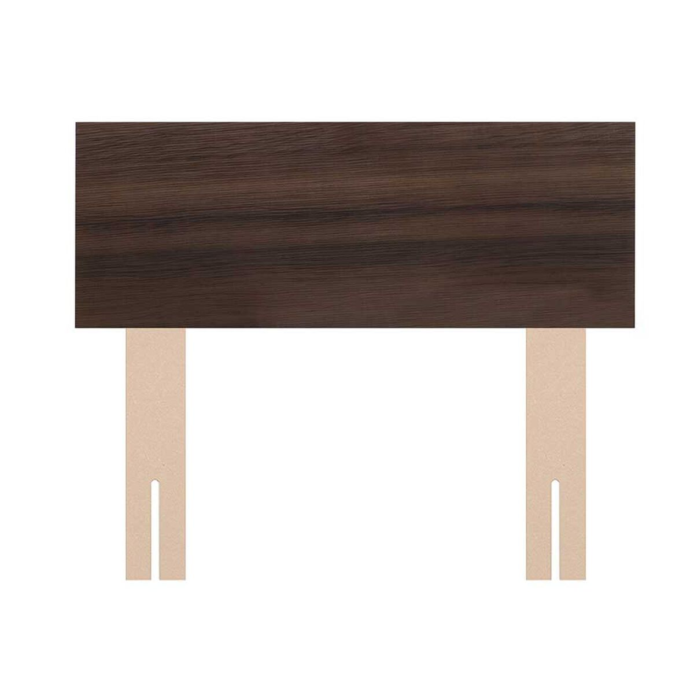
RESPALDO CASTILLA 1.5 PLAZA | $14.990 | https://www.saleoutlet.cl/wp-content/uploads/2023/08/SALE-OUTLET-Respaldo-Celta-15-Plazas-Castilla-Cafe.jpeg
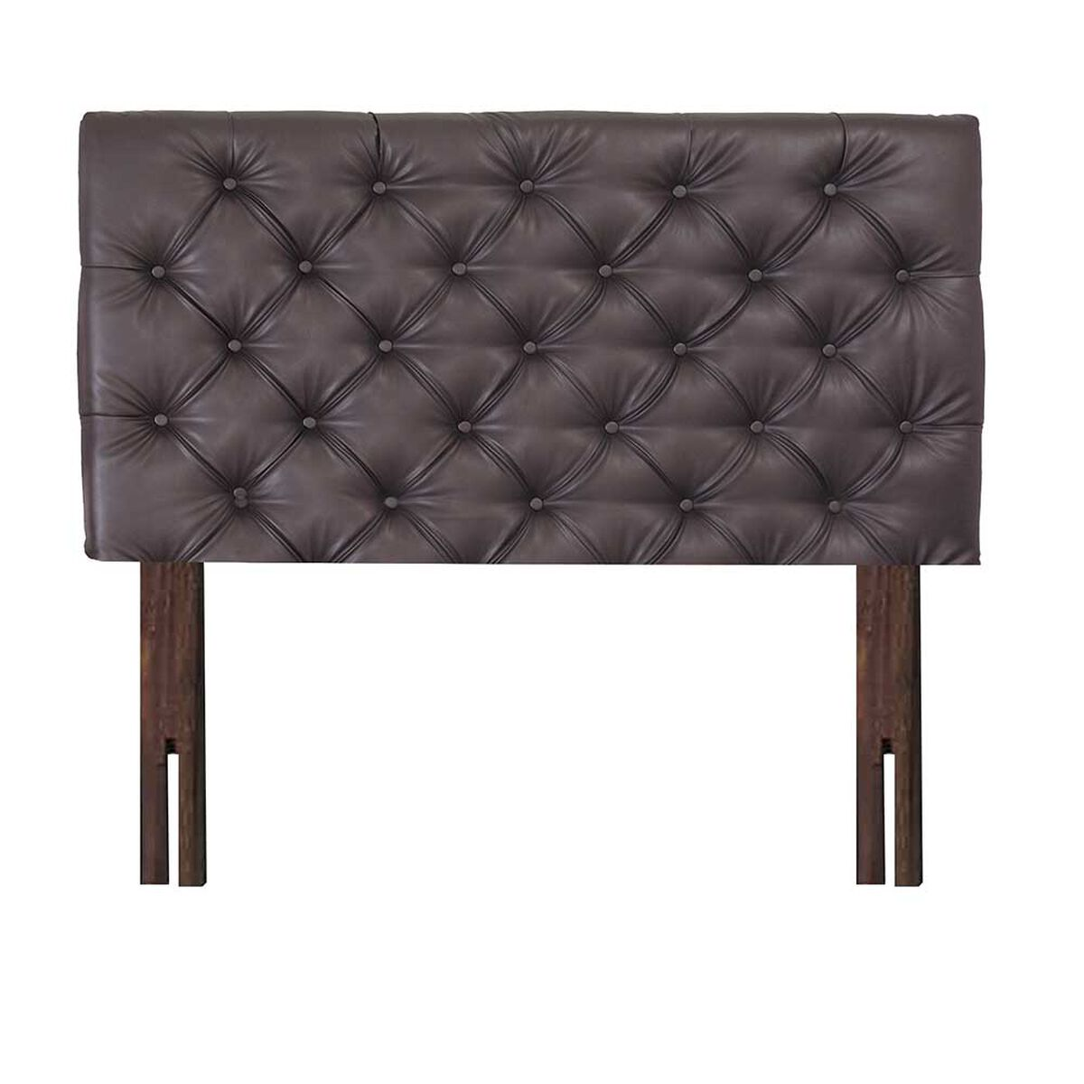
RESPALDO CELTA KING CAPITONE CAFÉ | $79.990 | https://www.saleoutlet.cl/wp-content/uploads/2023/08/SALE-OUTLET-RESPALDO-CELTA-KING-CAPITONE-CAFE.jpeg
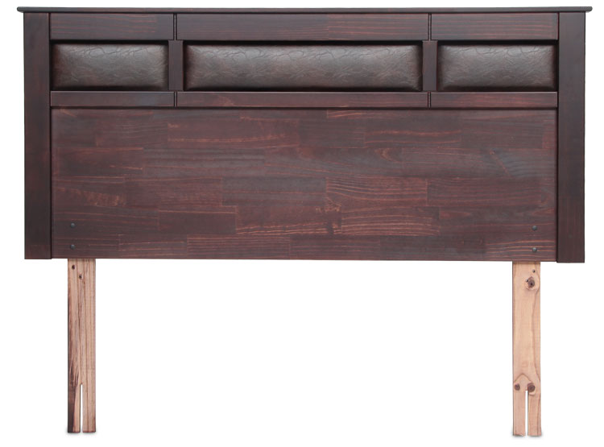
RESPALDO BILBAO 2 PLAZA | $69.990 | https://www.saleoutlet.cl/wp-content/uploads/2023/08/SALE-OUTLET-RESPALDO-ROSEN-BILBAO-2-PL.jpeg
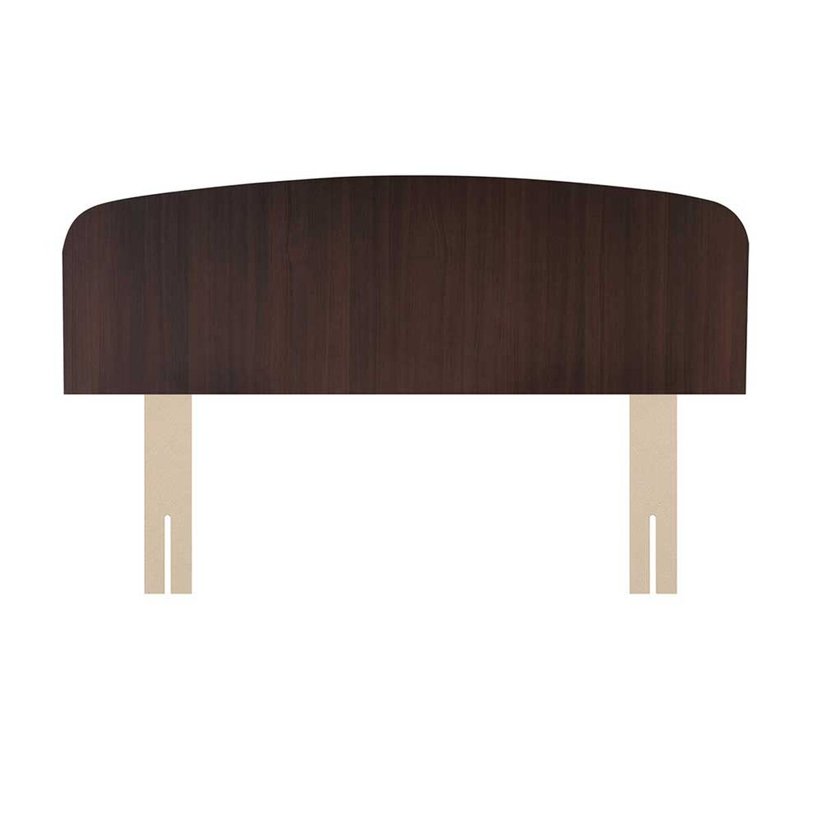
RESPALDO ASTURIAS CHOCOLATE 2 PLAZA | $14.990 | https://www.saleoutlet.cl/wp-content/uploads/2023/08/SALE-OUTLET-Respaldo-Celta-2-Plazas-Asturias.jpeg
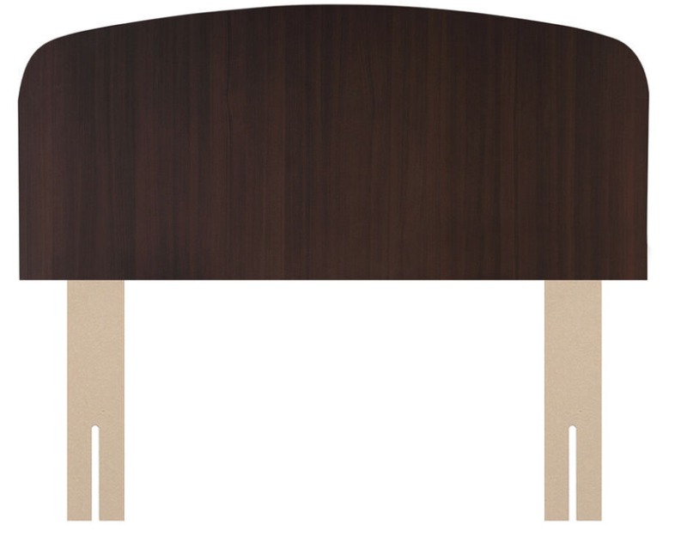
RESPALDO ASTURIAS CHOCOLATE 1.5 PLAZA | $14.990 | https://www.saleoutlet.cl/wp-content/uploads/2023/08/Captura-de-Pantalla-2023-08-29-a-las-12.45.33.png

RESPALDO ASTURIAS CHOCOLATE 1 PLAZA | $14.990 | https://www.saleoutlet.cl/wp-content/uploads/2023/08/Captura-de-Pantalla-2023-08-29-a-las-13.04.59.png

RESPALDO AERUS HONEY KING BEIGE | $89.990 | https://www.saleoutlet.cl/wp-content/uploads/2023/08/Sale-Outlet-Aerus-Honey-King-Beige-1.jpg

RESPALDO CIC EUFRATES KING GRIS | $69.990 | https://www.saleoutlet.cl/wp-content/uploads/2023/08/SALE-OUTLET-RESPALDO-CIC-EUFRATES-KING.jpeg

Despacho El bosque, La florida, Padre hurtado, Peñaflor | $17.990 | https://www.saleoutlet.cl/wp-content/uploads/2023/07/Sale-Outlet-Despacho-1.jpg
Despacho El monte, Melipilla, Paine, Talagante | $34.990 | https://www.saleoutlet.cl/wp-content/uploads/2023/07/Sale-Outlet-Despacho-1.jpg
Despacho Cerrillos, La cisterna, La granja y La pintana | $15.990 | https://www.saleoutlet.cl/wp-content/uploads/2023/07/Sale-Outlet-Despacho-1.jpg
Despacho Isla de maipo | $29.990 | https://saleoutlet.cl/wp-content/uploads/2023/02/PR-0x0.jpg | https://saleoutlet.cl/wp-content/uploads/2023/02/PR-0x0.jpg

RESPALDO CIC NEW TORINO CHOCOLATE 2 PL | $59.990 | https://www.saleoutlet.cl/wp-content/uploads/2021/08/2000377219454_2.jpg

Sabana American Familly Bicolor Granito 1.5 Plazas | $15.990 | https://www.saleoutlet.cl/wp-content/uploads/2023/07/sale-outlet-sabana-american-familly-bicolor-granito-1.jpeg

RESPALDO ROBERTA ALLEN-COCHRANE SUPERKING CRUDO | $299.990 | https://www.saleoutlet.cl/wp-content/uploads/2023/06/SALE-OUTLET-R.ALLEN-RESPALDO-COCHRANE-SUPERKING-CRUDO-1.jpeg

RESPALDO ROBERTA ALLEN- KING/S VALENTIN | $149.990 | https://www.saleoutlet.cl/wp-content/uploads/2023/06/SALE-OUTLET-RESPALDO-ROBERTA-ALLEN-KINGS-VALENTIN-1.jpeg

VELADOR MALLORCA | $39.990 | https://www.saleoutlet.cl/wp-content/uploads/2023/02/Sale-Outlet-Velador-Mallorca-1.jpg

CAMA EUROPEA ROSEN NEW STYLE 6 1 PL | $229.990 | https://www.saleoutlet.cl/wp-content/uploads/2022/12/Sale-Outlet-Cama-Europea-1-Plaza-New-Style-6-Rosen-1.jpg

