1st Step
Goal | Requirements | Expected Result | Result
This aims on verifying data quality, displaying the original business rule for the column Underwriter (a) and side-by-side comparison to unchanged Underwriter and updated Underwriter code (b), confirming they match | N/A | The values for Underwriter and Underwriter_updtd columns should match, indicating the business rule has been kept after optimizing the rule's code. | OK

a) Unchanged Underwriter column | Evidence (screenshot)

b) Unchanged X Updated Underwriter | b) Evidence (screenshot)

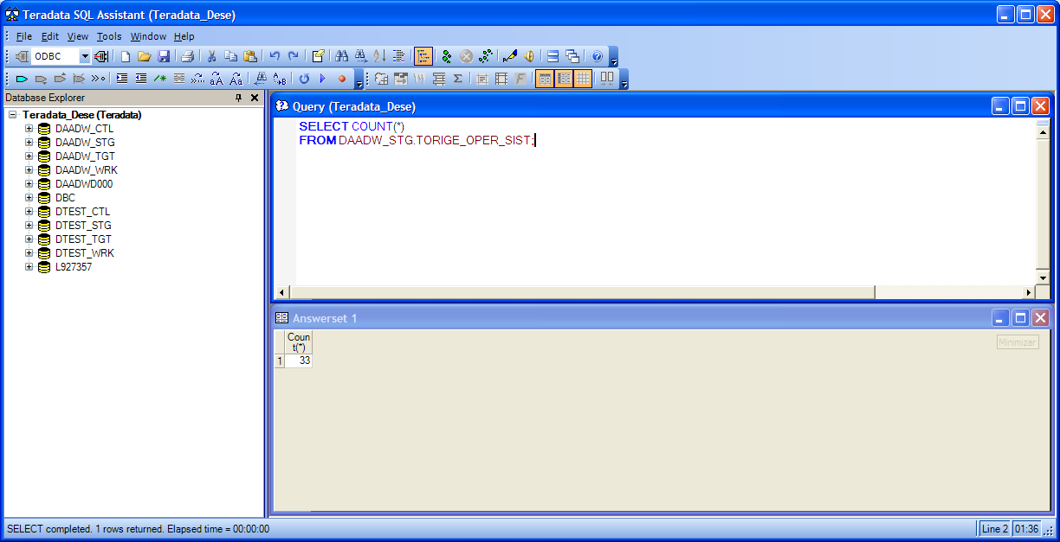
Pós-Execução
C) Contagem de registros da Destino | b) Evidência (screenshot)
SELECT COUNT(*) FROM DAADW_STG.TORIGE_OPER_SIST;

