int continuousXdichotomous
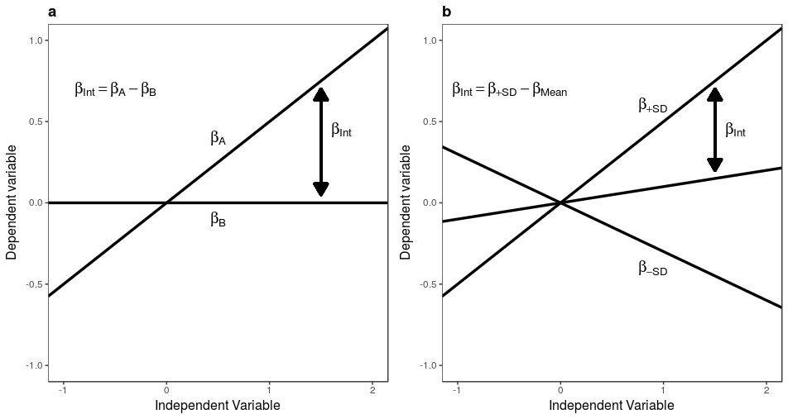
EFFECT SIZE OF INTERACTION BETWEEN A CONTINUOUS AND A DICHOTOMOUS VARIABLE
Input the expected correlations between the continuous independent variable X and the dependent variable Y at the two levels A and B of the moderator (referred to as βa and βb, or equivalently as ra and or rb). In the yellow cells you can see the implied interaction term (βint) and the interaction effect size (f2n)
βa or ra | 0.5
βa or rb | 0
βint | 0.5
f2n | 0.071428571429

Mediation
SIMPLE MEDIATION MODEL
Input the correlation between X and M (a or rMX), the standardized multiple regression coefficient of Y on M (b or βYM.X) and the multiple regression coefficient of Y on X (c or βYX.M). The formulas assume that all variables are standardized with unitary variance. In output (yellow cells) you can find the coefficients for the R package powerMediation and for the Shiny app by Shoemann and colleagues (2017).
a (rMX) | 0.8186
b
c
X
M
Y
a
b (βYM.X) | 0.4039
c (βYX.M) | 0.4334

Input for the R package powerMediation
theta.1a | 0.8186
lambda.a | 0.4039
sigma.e | 0.60202736178
sigma.x | 1
sigma.m | 1

Input for Shoemann et al.'s (2017) shiny app (https://schoemanna.shinyapps.io/mc_power_med/)
rMX | 0.8186
rYX | 0.76403254
rYM | 0.75868124

