2 - Phasing Nomenclature
` Table of Contents

Specify your labels
here. Repeat text if necessary. Leave blank if not included in your scope
Specify your labels
here. Repeat text if necessary. Leave blank if not included in your scope
7 - Phasing Nomenclature |  |  |  |  |  | What do you call your phases?
Why we we asking:
 | 1. To normalize the naming convention across all investments.
 | 2. Math Models are based on Costing Sub-Phase.
 | 3. We want to output results in your naming convention and scope.

 | Based on IGMF rev E |  |  | Based on MCAD-FIN-RPT-0072
Phasing according to |  |  | Phasing according to |  |  | Phasing according to
EPMO |  |  | Costing |  |  | PM
 |  |  | PREP | PREP 1 | Prototyping Activities (before Gate 1) | Technology maturation
Pre-Project | Option Analysis & Planning Phase | Pre-Phase 0 |  | PREP 2 | Prototyping Activities (during Phase 0/A) | Concept demonstrations
 |  | Phase 0 | Phase 0/A | Phase 0 | Concept & Feasibility | Phase 0
Project | Definition Phase | Detailed Project Requirements |  | Phase A | Mission Requirements | Phase A
 |  | Preliminary Definition | Phase B/C | Phase B | Preliminary Design | Phase B
 |  | Detailed Definition |  | Phase C | Detailed Design | Phase C
 | Implementation Phase | Implementation | Phase D | MAIT | Manufacturing, Assembly, Integration and Test of Subsystems and Components | Phase D1
 |  |  |  | SAIT | Spacecraft Level Assembly, Test | Phase D2
 |  |  |  | LEOP | Lauch and early operations | LEOP
Post-Project | Post-Implementation Phase | Operations & Disposal | Phase E | Phase E | Nominal Operations (per design life) | Phase E
 |  |  | Phase E (EXT) | Phase X | Extended operations (mission extension) | Phase E EXT
 |  |  | Phase F | Phase F | Disposal (incl. post-mortem audit reports) | Phase F
 |  |  | Phase G | Phase G | Post-Mortem science utilization | Phase G

3 - Phase Durations
` Table of Contents

7b - Phasing Durations
Why we we asking:
 | 1. Durations affect Govt Salaries calculations
 | 2. Durations affect Parametric estimates for Space segment, ground segment, ops
 | 3. Schedule Scenarios are inputs to sensitivity analysis

 | Schedule Scenario ID | 1
 | Scenario Name | Nominal Schedule used for RAM calculation (PM Nomenclature)
 | Scenario Description | Contiguous phase schedule derived from the CADRe Part A milestone dates; includes Phase 0 governance preparation from Oct 2026.
 | Rationale | Phase ends are anchored on the Part A gate reviews (MCR, SRR, PDR, CDR, FM-3, L3, commissioning, nominal end). D1 spans three staggered 18-month unit builds; E EXT runs to the 10-year design life.
 | Source Doc | CADRe Part A – VPCS Rev 1.0 (23 Sep 2026), Tables 4 & 5

 | Phase | Expected Start | Expected End | Total D | Total M | FY 2010 | FY 2011 | FY 2012 | FY 2013 | FY 2014 | FY 2015 | FY 2016 | FY 2017 | FY 2018 | FY 2019 | FY 2020 | FY 2021 | FY 2022 | FY 2023 | FY 2024 | FY 2025 | FY 2026 | FY 2027 | FY 2028 | FY 2029 | FY 2030 | FY 2031 | FY 2032 | FY 2033 | FY 2034 | FY 2035 | FY 2036 | FY 2037 | FY 2038 | FY 2039 | FY 2040 | FY 2041 | FY 2042 | FY 2043 | FY 2044 | FY 2045 | FY 2046 | FY 2047 | FY 2048 | FY 2049 | FY 2050
 | Phase 0 | 2026-10-01 | 2027-03-18 | 168 d | 5.5mo |  |  |  |  |  |  |  |  |  |  |  |  |  |  |  |  |  | 5.6 mo
 | Phase A | 2027-03-19 | 2028-01-20 | 307 d | 10.1mo |  |  |  |  |  |  |  |  |  |  |  |  |  |  |  |  |  | 0.4 mo | 9.7 mo
 | Phase B | 2028-01-21 | 2029-03-22 | 426 d | 14.0mo |  |  |  |  |  |  |  |  |  |  |  |  |  |  |  |  |  |  | 2.3 mo | 11.7 mo
 | Phase C | 2029-03-23 | 2030-03-21 | 363 d | 11.9mo |  |  |  |  |  |  |  |  |  |  |  |  |  |  |  |  |  |  |  | 0.3 mo | 11.7 mo
 | Phase D1 | 2030-03-22 | 2032-03-26 | 735 d | 24.2mo |  |  |  |  |  |  |  |  |  |  |  |  |  |  |  |  |  |  |  |  | 0.3 mo | 12.0 mo | 11.9 mo
 | Phase D2 | 2032-03-27 | 2033-01-28 | 307 d | 10.1mo |  |  |  |  |  |  |  |  |  |  |  |  |  |  |  |  |  |  |  |  |  |  | 0.2 mo | 10.0 mo
 | LEOP | 2033-01-29 | 2033-07-28 | 180 d | 5.9mo |  |  |  |  |  |  |  |  |  |  |  |  |  |  |  |  |  |  |  |  |  |  |  | 2.0 mo | 3.9 mo
 | Phase E | 2033-07-29 | 2040-07-27 | 2,555 d | 84.0mo |  |  |  |  |  |  |  |  |  |  |  |  |  |  |  |  |  |  |  |  |  |  |  |  | 8.1 mo | 12.0 mo | 12.0 mo | 12.0 mo | 12.0 mo | 12.0 mo | 12.0 mo | 3.9 mo
 | Phase E EXT | 2040-07-28 | 2043-01-27 | 913 d | 30.0mo |  |  |  |  |  |  |  |  |  |  |  |  |  |  |  |  |  |  |  |  |  |  |  |  |  |  |  |  |  |  |  | 8.1 mo | 12.0 mo | 9.9 mo
 | Phase F | 2043-01-28 | 2043-07-28 | 181 d | 6.0mo |  |  |  |  |  |  |  |  |  |  |  |  |  |  |  |  |  |  |  |  |  |  |  |  |  |  |  |  |  |  |  |  |  | 2.1 mo | 3.9 mo
 | Total (months per FY) |  |  | 6,135 d | 201.7mo |  |  |  |  |  |  |  |  |  |  |  |  |  |  |  |  |  | 6.0 mo | 12.0 mo | 12.0 mo | 12.0 mo | 12.0 mo | 12.0 mo | 12.0 mo | 12.0 mo | 12.0 mo | 12.0 mo | 12.0 mo | 12.0 mo | 12.0 mo | 12.0 mo | 12.0 mo | 12.0 mo | 12.0 mo | 3.9 mo

4-PM's sched Scenarios
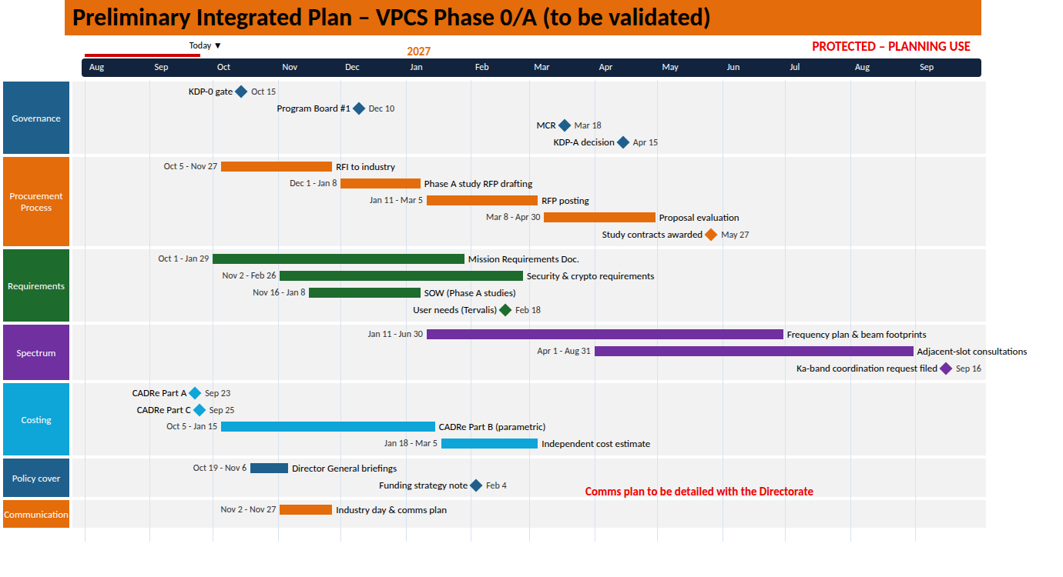
 |  | VPCS Ref. | 2026-10-01

Phase | Milestone | VPCS Baseline (Part A) | Qelvoria Orbital Systems (Prime / Bus) | Sorevex Signal Engineering (Comms Payload) | Lundrith Launch Consortium (Launch x3) | Pervalin Gateway Services (Ground Segment) | Tervalis Network Ops Institute (Ops / User Validation) | Worst case duration | Worst case (+2 mo/phase) | Realistic case duration | Baseline: Realistic case date (1 month delay per phase) | Optimistic case duration | Optimistic case (-1 month per phase) | Comments
Phase 0 | Mission Concept Review (MCR) | 2027-03-18 | N/A | N/A | N/A | N/A | 2027-02-18 | 7.5 mo | 2027-05-18 | 5.5 mo | 2027-04-18 | 4.5 mo | 2027-02-18 | Closes Phase 0 (Part A: Mar 2027). Only Tervalis contributes (service-region demand & user needs); no industrial contracts yet in place.
Phase A | Phase A Industry Definition Studies Awarded | 2027-05-27 | 2027-05-27 | 2027-05-27 | N/A | 2027-06-24 | N/A | 12.1 mo | 2027-09-27 | 10.1 mo | 2027-07-27 | 9.1 mo | 2027-03-27 | Parallel definition studies for bus, payload and gateway network; award slips directly if the RFP evaluation exceeds 8 weeks.
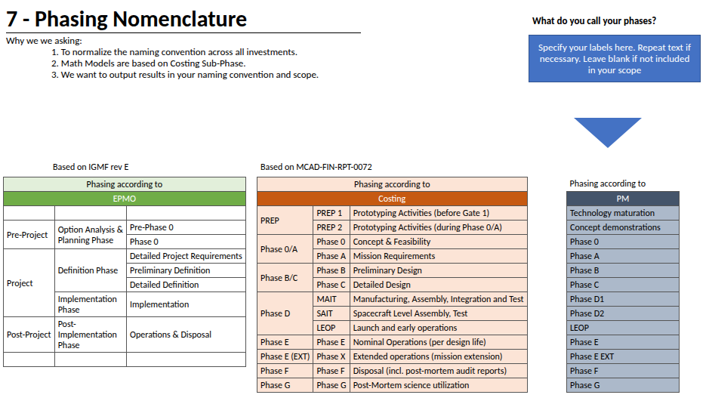
Phase A | Ka-band Spectrum Coordination Request Filed (40°, 160°, 280°E) | 2027-09-16 | N/A | 2027-08-12 | N/A | 2027-08-26 | 2027-08-05 | 12.1 mo | 2028-01-16 | 10.1 mo | 2027-11-16 | 9.1 mo | 2027-07-16 | Filing is on the critical path for bringing the three slots into use; frequencies remain 'subject to assignment' in Part A. | Phases | Duration (months) | Expected start | Expected finish
Phase A | System Requirements Review (SRR) | 2028-01-20 | 2027-12-16 | 2027-12-09 | N/A | 2028-01-06 | 2027-12-02 | 12.1 mo | 2028-05-20 | 10.1 mo | 2028-03-20 | 9.1 mo | 2027-11-20 | Closes Phase A (Part A: Jan 2028). Requirements baseline for 2.0 Gb/s per spacecraft, eight beams and >=99.5% availability. | Phase 0 | 5.5 | 2026-10-01 | 2027-03-18
Phase B | Prime (Qelvoria) and Payload (Sorevex) Development Contracts Awarded | 2028-04-27 | 2028-04-27 | 2028-04-27 | N/A | N/A | N/A | 16.0 mo | 2028-10-27 | 14.0 mo | 2028-07-27 | 13.0 mo | 2028-01-27 | Assumes a single negotiation window after SRR; a protest or re-bid would consume most of the 14-month Phase B. | Phase A | 10.1 | 2027-03-19 | 2028-01-20
Phase B | Launch Services Contract Awarded (3 x GTO) | 2028-09-21 | 2028-08-24 | N/A | 2028-09-21 | N/A | N/A | 16.0 mo | 2029-03-21 | 14.0 mo | 2028-12-21 | 13.0 mo | 2028-06-21 | Three separate launches of 1,300 kg to GTO (>=1,500 kg capability); Qelvoria supplies launch mass and envelope data before award. | Phase B | 14.0 | 2028-01-21 | 2029-03-22
Phase B | Cryptographic Boundary & Key-Management Architecture Review | 2028-11-16 | 2028-10-26 | 2028-10-19 | N/A | 2028-10-26 | N/A | 16.0 mo | 2029-05-16 | 14.0 mo | 2029-02-16 | 13.0 mo | 2028-08-16 | Security gate before PDR: 256-bit session keys, <=24 h rotation and authenticated revocation across 3 spacecraft and 4 gateways. | Phase C | 11.9 | 2029-03-23 | 2030-03-21
Phase B | Preliminary Design Review (PDR) | 2029-03-22 | 2029-02-22 | 2029-01-25 | 2029-02-08 | 2029-02-15 | 2029-02-01 | 16.0 mo | 2029-09-22 | 14.0 mo | 2029-06-22 | 13.0 mo | 2028-12-22 | Closes Phase B (Part A: Mar 2029). Critical payload and software elements must demonstrate TRL 6. | Phase D1 | 24.2 | 2030-03-22 | 2032-03-26
Phase C | Deployable Reflector Engineering Model Deployment Test Complete | 2029-10-18 | 2029-10-04 | 2029-09-20 | N/A | N/A | N/A | 13.9 mo | 2030-06-18 | 11.9 mo | 2030-02-18 | 10.9 mo | 2029-06-18 | Gravity-offloaded deployment of the two-reflector EM; retires the top Part A technical risk (reflector deployment) before CDR. | Phase D2 | 10.1 | 2032-03-27 | 2033-01-28
Phase C | Ground Segment CDR (Gateways & Network Control) | 2030-01-24 | 2029-12-13 | 2029-12-13 | N/A | 2030-01-24 | 2030-01-10 | 13.9 mo | 2030-09-24 | 11.9 mo | 2030-05-24 | 10.9 mo | 2029-09-24 | Three protected gateways + one backup, >=7 Gb/s backhaul, dual network-control sites and 150 TB audit archive. | LEOP | 5.9 | 2033-01-29 | 2033-07-28
Phase C | Critical Design Review (CDR) | 2030-03-21 | 2030-02-21 | 2030-01-31 | 2030-02-14 | 2030-02-07 | 2030-02-21 | 13.9 mo | 2030-11-21 | 11.9 mo | 2030-07-21 | 10.9 mo | 2029-11-21 | Closes Phase C (Part A: Mar 2030). Lundrith provides preliminary coupled-loads analysis for all three vehicles. | Phase E | 84.0 | 2033-07-29 | 2040-07-27
Phase D1 | Manufacturing Readiness Review (MRR) | 2030-06-13 | 2030-05-30 | 2030-05-16 | N/A | N/A | N/A | 26.2 mo | 2031-04-13 | 24.2 mo | 2030-11-13 | 23.2 mo | 2030-01-13 | Part A: Jun 2030. Long-lead TWTAs, reflectors and security processors must be on order before MRR. | Phase E EXT | 30.0 | 2040-07-28 | 2043-01-27
Phase D1 | Payload Qualification Complete | 2031-04-17 | 2031-03-20 | 2031-04-17 | N/A | N/A | N/A | 26.2 mo | 2032-02-17 | 24.2 mo | 2031-09-17 | 23.2 mo | 2030-11-17 | Part A: Apr 2031. Qualification article covers channelizer, security processors and antenna feeds; flight units still require full acceptance. | Phase F | 6.0 | 2043-01-28 | 2043-07-28
Phase D1 | FM-1 Unit AIT Complete | 2031-09-25 | 2031-09-25 | 2031-06-26 | N/A | N/A | N/A | 26.2 mo | 2032-07-25 | 24.2 mo | 2032-02-25 | 23.2 mo | 2031-04-25 | Part A: Sep 2031. First flight model after 18-month unit AIT; Sorevex PFM payload delivered to Qelvoria ~3 months earlier. | Total | 201.7
Phase D1 | FM-2 Unit AIT Complete | 2031-12-18 | 2031-12-18 | 2031-09-25 | N/A | N/A | N/A | 26.2 mo | 2032-10-18 | 24.2 mo | 2032-05-18 | 23.2 mo | 2031-07-18 | Interpolated between Part A FM-1 and FM-3 dates (3-month build stagger).
Phase D1 | FM-3 Unit AIT Complete | 2032-03-26 | 2032-03-26 | 2031-12-18 | N/A | N/A | N/A | 26.2 mo | 2033-01-26 | 24.2 mo | 2032-08-26 | 23.2 mo | 2031-10-26 | Part A: Mar 2032. Ends the D1 envelope (24 months for three staggered 18-month unit builds). | 76 MOIS | (Phase 0 start → Launch L3)
Phase D2 | System Integration Review (SIR) | 2032-05-20 | 2032-05-06 | 2032-04-29 | 2032-05-06 | 2032-04-22 | N/A | 12.1 mo | 2033-05-20 | 10.1 mo | 2032-11-20 | 9.1 mo | 2031-11-20 | Part A: May 2032. Final launch ICDs frozen; gateway sites accepted for end-to-end testing.
Phase D2 | Ground Segment Ready / End-to-End Compatibility Test Complete | 2032-08-19 | 2032-07-22 | 2032-07-15 | N/A | 2032-08-19 | 2032-07-29 | 12.1 mo | 2033-08-19 | 10.1 mo | 2033-02-19 | 9.1 mo | 2032-02-19 | Uses Qelvoria spacecraft simulator and Sorevex crypto test loads; confirms protected-session authorization end to end.
Phase D2 | Acceptance Review (AR) - FM-1 to FM-3 | 2032-09-23 | 2032-09-09 | 2032-08-26 | N/A | 2032-09-09 | 2032-09-02 | 12.1 mo | 2033-09-23 | 10.1 mo | 2033-03-23 | 9.1 mo | 2032-03-23 | Part A: Sep 2032. Every unit accepted individually; qualification of a representative article does not waive acceptance.
Phase D2 | Launch / Delivery Readiness Review (LRR) | 2032-11-18 | 2032-11-04 | N/A | 2032-11-04 | 2032-11-11 | 2032-11-11 | 12.1 mo | 2033-11-18 | 10.1 mo | 2033-05-18 | 9.1 mo | 2032-05-18 | Part A: Nov 2032. Flight operations team certified and LEOP network readiness confirmed.
Phase D2 | Launch L1 (FM-1) | 2033-01-12 | 2032-12-02 | N/A | 2033-01-12 | 2033-01-05 | N/A | 12.1 mo | 2034-01-12 | 10.1 mo | 2033-07-12 | 9.1 mo | 2032-07-12 | Part A launch sequence L1-L3: Jan 2033. FM-1 shipped to launch site ~6 weeks before lift-off.
Phase D2 | Launch L2 (FM-2) | 2033-01-20 | 2032-12-09 | N/A | 2033-01-20 | 2033-01-13 | N/A | 12.1 mo | 2034-01-20 | 10.1 mo | 2033-07-20 | 9.1 mo | 2032-07-20 | Separate vehicle and pad; shares the Pervalin LEOP network with L1.
Phase D2 | Launch L3 (FM-3) | 2033-01-28 | 2032-12-16 | N/A | 2033-01-28 | 2033-01-21 | N/A | 12.1 mo | 2034-01-28 | 10.1 mo | 2033-07-28 | 9.1 mo | 2032-07-28 | Last launch; any weather or range slip compresses the commissioning window before Jul 2033.
LEOP | Orbit Raising Complete - All Spacecraft On Station | 2033-03-10 | 2033-03-10 | N/A | 2033-02-11 | 2033-03-03 | N/A | 7.9 mo | 2034-05-10 | 5.9 mo | 2033-10-10 | 4.9 mo | 2032-08-10 | GTO-to-GEO transfer on bipropellant; Lundrith supplies injection-accuracy reports used to confirm the ~190 m/s delta-V reserve.
LEOP | Payload In-Orbit Test Complete (Reflectors Deployed, Beams Calibrated) | 2033-06-16 | 2033-06-02 | 2033-06-16 | N/A | 2033-06-09 | 2033-06-09 | 7.9 mo | 2034-08-16 | 5.9 mo | 2034-01-16 | 4.9 mo | 2032-11-16 | Verifies eight steerable beams per spacecraft, >=0.2 deg beam-centre accuracy and key rotation from all gateways.
Phase E | Commissioning Review / Start of Nominal Operations | 2033-07-28 | 2033-07-14 | 2033-07-14 | N/A | 2033-07-21 | 2033-07-21 | 86.0 mo | 2034-11-28 | 84.0 mo | 2034-03-28 | 83.0 mo | 2032-11-28 | Part A: Commissioning Jul 2033. Start of the 84-month nominal service period.
Phase E | Mid-Mission Performance & Key-Management Audit Review | 2037-01-22 | N/A | 2036-12-18 | N/A | 2037-01-08 | 2036-12-11 | 86.0 mo | 2038-05-22 | 84.0 mo | 2037-09-22 | 83.0 mo | 2036-05-22 | Checks availability trend against >=99.5% monthly target and audit-archive integrity (150 TB).
Phase E | End of Nominal Operations | 2040-07-27 | N/A | N/A | N/A | 2040-06-29 | 2040-06-29 | 86.0 mo | 2041-11-27 | 84.0 mo | 2041-03-27 | 83.0 mo | 2039-11-27 | Part A: Jul 2040 (7 years nominal service).
Phase E EXT | End of Design Life / Extended Operations Complete | 2043-01-27 | N/A | N/A | N/A | 2042-12-30 | 2042-12-16 | 32.0 mo | 2044-07-27 | 30.0 mo | 2043-10-27 | 29.0 mo | 2042-04-27 | Ten-year design life from launch; extension is not funded in the baseline RAM.
Phase F | Graveyard Re-orbit, Passivation & Mission Closeout | 2043-07-28 | 2043-05-25 | N/A | N/A | 2043-06-29 | 2043-07-14 | 8.0 mo | 2045-03-28 | 6.0 mo | 2044-05-28 | 5.0 mo | 2042-09-28 | End-of-life propellant reserve used for super-synchronous disposal; archive handover to Tervalis.

 | VPCS Milestone Reference | Realistic Date |  | Phase | Purpose
 | Mission Concept Review (MCR) | 2027-03-18 |  | Phase 0 | Mission concept baseline
 | System Requirements Review (SRR) | 2028-01-20 |  | Phase A | Requirements baseline
 | Cryptographic Boundary & Key-Management Architecture Review | 2028-11-16 |  | Phase B | Security architecture baseline
 | Preliminary Design Review (PDR) | 2029-03-22 |  | Phase B | Preliminary design maturity
 | Critical Design Review (CDR) | 2030-03-21 |  | Phase C | Design baseline approval
 | Manufacturing Readiness Review (MRR) | 2030-06-13 |  | Phase D1 | Manufacturing readiness
 | Payload Qualification Complete | 2031-04-17 |  | Phase D1 | Payload qualification
 | FM-1 Unit AIT Complete | 2031-09-25 |  | Phase D1 | First flight model complete
 | FM-3 Unit AIT Complete | 2032-03-26 |  | Phase D1 | Last flight model complete
 | System Integration Review (SIR) | 2032-05-20 |  | Phase D2 | Integrated system readiness
 | Acceptance Review (AR) - FM-1 to FM-3 | 2032-09-23 |  | Phase D2 | Flight acceptance
 | Launch / Delivery Readiness Review (LRR) | 2032-11-18 |  | Phase D2 | Launch readiness
 | Launch L1 (FM-1) | 2033-01-12 |  | Phase D2 | Launch L1
 | Launch L3 (FM-3) | 2033-01-28 |  | Phase D2 | Launch L3
 | Payload In-Orbit Test Complete (Reflectors Deployed, Beams Calibrated) | 2033-06-16 |  | LEOP | Payload in-orbit test
 | Commissioning Review / Start of Nominal Operations | 2033-07-28 |  | Phase E | Commissioning complete
 | End of Nominal Operations | 2040-07-27 |  | Phase E | Nominal mission complete
 | End of Design Life / Extended Operations Complete | 2043-01-27 |  | Phase E EXT | Design life complete
 | Graveyard Re-orbit, Passivation & Mission Closeout | 2043-07-28 |  | Phase F | Mission closeout

