Marks
FY vs DE marks
 | Overall (for numbers comparison)
 |  | UG Startyear | DE vs FY | Marks | No. students |  |  |  |  |  | UG Startyear | DE vs FY | Marks | No. students
 |  | 2016-2017 | DE | 64.86% | 527 |  |  |  |  | 1 | 2016-2017 | DE | 64% | 403
 |  |  | FY | 54.86% | 23 |  |  |  |  | 2 |  | FY | 55% | 23
 |  | 2017-2018 | DE | 65.56% | 522 |  |  |  |  | 3 | 2017-2018 | DE | 65% | 330
 |  |  | FY | 58.45% | 17 |  |  |  |  | 4 |  | FY | 58% | 17
 |  | 2018-2019 | DE | 63.99% | 542 |  |  |  |  | 5 | 2018-2019 | DE | 62% | 455
 |  |  | FY | 58.79% | 12 |  |  |  |  | 6 |  | FY | 55% | 12
 |  | 2019-2020 | DE | 62.14% | 664
 |  |  | FY | 53.43% | 28
 |  | 2020-2021 | DE | 61.12% | 695
 |  |  | FY | 56.87% | 15

 |  |  | DE | Total | 2950 |  |  |  |  |  |  | DE | Total | 1188 | * excludes 2 who seemingly took a year between FY and UG
 |  |  |  | Average | 63.53% |  |  |  |  |  |  |  | Average | 64%
 |  |  | FY | Total | 95 |  |  |  |  |  |  | FY | Total | 52
 |  |  |  | Average | 56.48% |  |  |  |  |  |  |  | Average | 56%
 |  |  |  |  |  |  |  |  |  |  |  |  |  |  | * excludes x9 (2x no show from FY to UG, 7 left during UG)
… by gender

 |  | Entry type | F or M | Marks | No. students
 |  | DE students | F | 63.9% | 1446
 |  |  | M | 62.9% | 1502 | + 2 NA to males
 |  |  |  | 63.4% | 2948

 |  | FY students | F | 54.8% | 36
 |  |  | M | 56.6% | 59
 |  |  |  | 56.8% | 95

… by ethnicity
 |  | Ethnicity | DE students |  | DE - WP |  | FY students |  |  |  | Ethnicity_collapse | marks_overall_mean_DE students | students_sum_DE students | marks_overall_mean_DE - WP students | students_sum_DE - WP students | marks_overall_mean_FY | students_sum_FY
 |  |  | Average | N | Average | N | Average | N
 |  | Arab | 64% | 50 | N/A | NA | N/A | NA |  | 1 | Any other ethnic background | 62.65515 | 29 | NA | NA | NA | NA
 |  | Asian | 63% | 821 | 57% | 15 | 54% | 39 |  | 2 | Arab | 63.64035 | 50 | NA | NA | NA | NA
 |  | Black | 62% | 53 | 54% | 6 | 53% | 18 |  | 3 | Asian | 62.65157 | 821 | 57.2475 | 15 | 54.39413 | 39
 |  | Chinese | 62% | 740 | 60% | 3 | 61% | 3 |  | 4 | Black | 62.1234 | 53 | 53.63542 | 6 | 53.47106 | 18
 |  | Mixed | 64% | 116 | 39% | 1 | 54% | 6 |  | 5 | Chinese | 62.14851 | 740 | 59.61001 | 3 | 61.45934 | 3
 |  | White | 65% | 1022 | 65% | 17 | 59% | 28 |  | 6 | Mixed | 64.16331 | 116 | 38.8125 | 1 | 54.42358 | 6
 |  | Any other ethnic background | 63% | 29 | N/A | NA | N/A | NA |  | 7 | Not available - Please select a valid option | 58.56576 | 6 | NA | NA | NA | NA
 |  | Prefer not to say/ refused / NA | 60% | 77 | N/A | NA | N/A | 1 |  | 8 | Prefer not to say/Information refused | 63.79583 | 69 | NA | NA | 59.60556 | 1
 |  | Total | 63% | 2908 | 55% | 42 | 57% | 95 |  | 9 | White | 64.94075 | 1022 | 65.39379 | 17 | 59.12232 | 28
 |  |  |  |  |  |  |  |  |  | 10 | NA | 59.08796 | 2 | NA | NA | NA | NA
 |  |  |  |  |  |  |  |  |  | Showing 1 to 10 of 10 entries, 7 total columns
 |  |  |  |  |  |  |  |  |  |  |  |  | 2908 |  | 42 |  | 95
… by disability |  | Disability | DE - WP students | DE students | FY | Total | Average marks (%)
 |  | A disability or medical condition not otherwise listed, such as speech difficulties/stammer | NA | 7 | NA | 7 | 63% | 7 | 63.04901
 |  | A long standing physical illness or health condition, such as ME/chronic fatigue, epilepsy, diabetes, digestive conditions or HIV | NA | 19 | NA | 19 | 62% | 19 | 61.98409
 |  | A mental health condition, such as depression, anxiety, OCD, or schizophrenia | 1 | 11 | 3 | 15 | 62% | 15 | 61.58845
 |  | A physical or mobility issue, use of mobility aids or difficulty using arms | NA | 3 | 2 | 5 | 62% | 5 | 61.83196
 |  | Blind or a serious visual condition uncorrected by glasses | NA | 7 | 1 | 8 | 59% | 8 | 58.67471
 |  | Neurodevelopmental, Social, Communication differences, such as Autism Spectrum, Asperger¿s | NA | 1 | NA | 1 | 72% | 1 | 71.625
 |  | Neurodiverse, specific learning differences, such as dyslexia, dyspraxia or ADHD | 1 | 44 | 5 | 50 | 62% | 50 | 61.78501
 |  | No known disability | 39 | 2810 | 83 | 2932 | 63% | 2932 | 63.1982
 |  | Two or more disabilities or medical conditions | 1 | 4 | 1 | 6 | 54% | 6 | 54.05408
 |  | NA | NA | 2 | NA | 2 | 59% | 2 | 59.08796
 |  | Total | 42 | 2908 | 95 | 3045

Tariff on FY marks
 |  | Regression dependent variable | Covariate: Entry Tariff
 |  | FY marks: all modules | 0.26*
 |  | FY marks: numeric modules only | 0.04
 |  | FY marks: social studies modules only | 0.33*

Attendance regressions

 |  | Covariates | Dependant variable: overall marks (%) |  |  |  |  | 0.40236686391
 |  | Lecture attendance (proportion of lectures attended) | 0.32*
 |  | Seminar attendance (proportion of seminars attended) | 0.23*
 |  | FY indicator (=1 if FY, 0 if DE) | 0.20*

Mitigating circumstances regressions

 |  |  | Regression dependent variable
 |  | Covariates | Overall marks | Lecture attendance | Seminar attendance
 |  | Ave. number mitigating circumstances / year | 0.24* | 0.15* | 0.24*
 |  | FY indicator (=1 if FY, 0 if DE) | 0.20* | 0.06* | 0.08*

Mitigating circumstances regressions

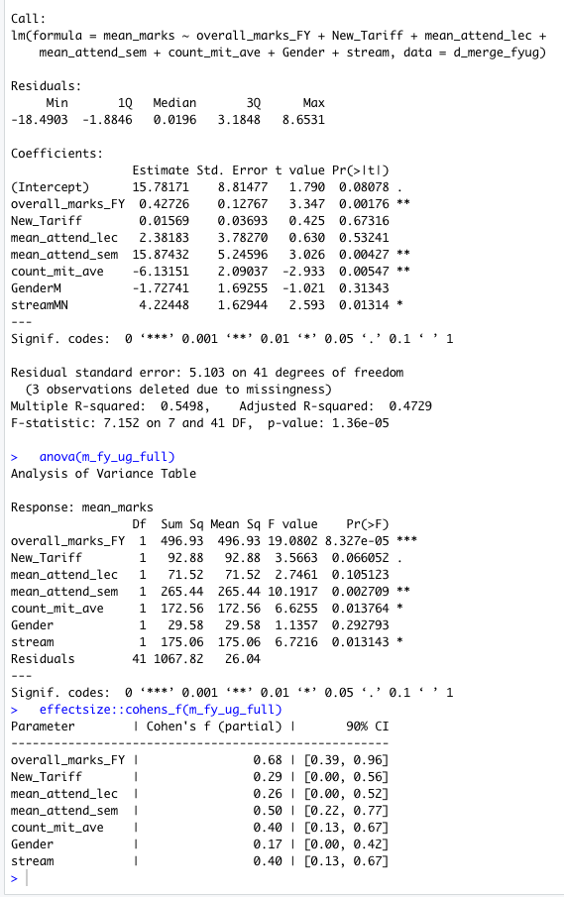
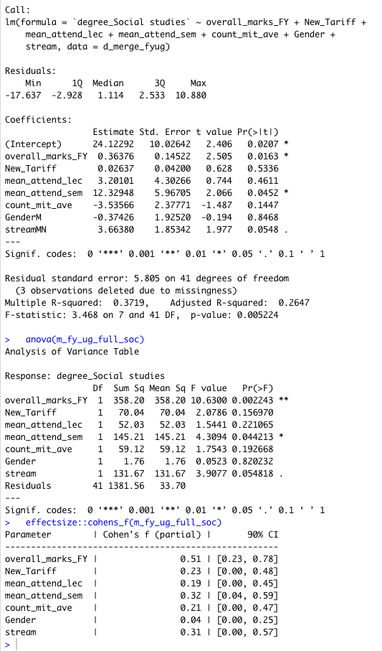
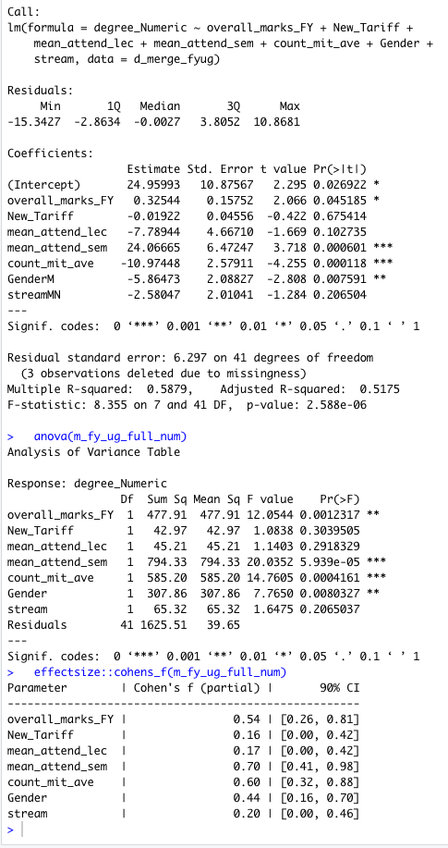

FY Marks on UG marks
 | Original table; now taken out FY-specific module marks
 |  | Regression dependent variable
 |  | UG marks: all modules |  | UG marks: numeric modules only |  | UG marks: social studies modules only
 | Covariates | Model 1 | Model 2 | Model 1 | Model 2 | Model 1 | Model 2
 | FY marks: all modules | 0.53* |  | 0.39* |  | 0.44*
 | FY marks: numeric modules only |  | 0.24* |  | 0.39* |  | 0.10
 | FY marks: social studies modules only |  | 0.46* |  | 0.14 |  | 0.50*
 | Tariff | 0.15 | 0.11 | 0.06 | 0.10 | 0.10 | 0.03
 | Table shows cohen's F effect sizes and p < .05 significance indicated by *, from ANOVA on linear regression

 |  | Regression dependent variable
 | Covariates | UG marks: all modules | UG marks: numeric modules only | UG marks: social studies modules only
 | FY marks (all modules) | Positive, strong effect* | Positive, strong effect* | Positive, strong effect*
 | Entry tariff | Positive, medium effect* | no significant effect | no significant effect
 | Lecture attendance | no significant effect | no significant effect | no significant effect
 | Seminar attendance | Positive, strong effect* | Positive, strong effect* | Positive, strong effect*
 | No. mitigating circumstances | Negative, strong effect* | Negative, strong effect* | no significant effect
 | Gender | no significant effect | Negative, strong effect* | no significant effect
 | Stream = MN (vs A&F) | Positive, strong effect* | no significant effect | Positive, weak effect*

General comparison
 |  | Entry type | Total | Average - overall | Average - Numerical | Average - Social sciences | Average tariff
 | Class of 2019 | Direct Entry | 341 | 64% | 62% | 64% | 199
 |  | Foundation Year | 14 | 58% | 52% | 62% | 120
 | Class of 2020 | Direct Entry | 320 | 65% | 62% | 65% | 156
 |  | Foundation Year | 20 | 56% | 49% | 60% | 102

 | Entry type | Grade | No. Class of 2019 | No. class of 2020 | Total no. | % of group |  | 2019 |  |  | 2020
 | Direct Entry | 1 | 67 | 96 | 163 | 25% |  | 1 Direct entry First 67 |  |  | 1 Direct entry First 96
 |  | 2.1 | 225 | 189 | 414 | 63% |  | 2 Direct entry Pass 3 |  |  | 2 Direct entry Third 1
 |  | 2.2 | 43 | 34 | 77 | 12% |  | 3 Direct entry Third 3 |  |  | 3 Direct entry Two:One 189
 |  | <= 3 | 6 | 1 | 7 | 1% |  | 4 Direct entry Two:One 225 |  |  | 4 Direct entry Two:Two 34
 |  | Total | 341 | 320 | 661 | 100% |  | 5 Direct entry Two:Two 43 |  |  | 5 FY First 2
 | Foundation Year | 1 | 0 | 2 | 2 | 6% |  | 6 FY Two:One 10 |  |  | 6 FY Third 1
 |  | 2.1 | 10 | 14 | 24 | 71% |  | 7 FY Two:Two 4 |  |  | 7 FY Two:One 14
 |  | 2.2 | 4 | 3 | 7 | 21% |  |  |  |  | 8 FY Two:Two 3
 |  | <= 3 | 0 | 1 | 1 | 3%
 |  | Total | 14 | 20 | 34 | 100%

 | Breakdown of FY students’ degree classification
 | BSc AF: 1 x 1st, 6 x 2.1 and 9 x 2.2 |  |  |  |  |  | 72
 | BSc MN: 1 x 1st, 15 x 2.1, 2 x 2.2

 |  |  |  |  |  |  |  |  |  |  |  |  |  |  | #REF! | #REF!
 |  |  |  |  |  |  |  |  |  |  |  |  |  |  | #REF! | #REF!

 | BSc AFIN: 2 x 2.i, 4 x 2.ii
 | BSc MAN: 8 x 2.i
 | 14 (not 16) students from FY cohort 1 graduated in July 2019 – 10 (not 8) achieved a 2.i and 4 (not 8) achieved a 2.ii.
 | As you know, the degree class of one of the BSc AFIN graduates was raised on appeal from a 2.ii to a 2.i.

