Age-depth model
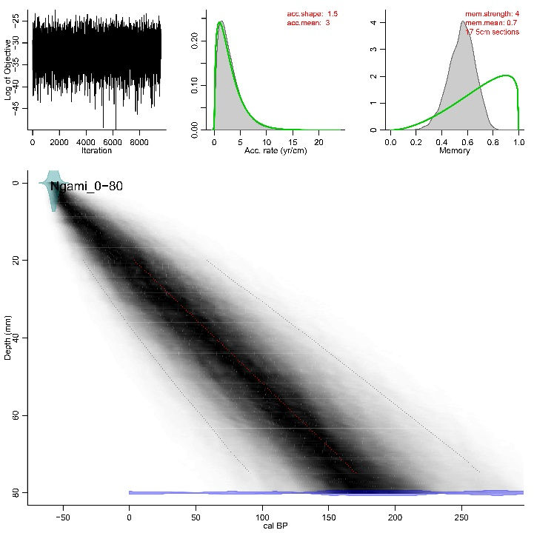
Depth | min | max | median | wmean
20 | -34.8 | 58.2 | 0.7 | 3.6
25 | -24.9 | 76.9 | 16.2 | 19.1
30 | -14.8 | 97.5 | 31.1 | 34
35 | -4.2 | 116.6 | 46.6 | 49.3
40 | 6.9 | 136 | 61.6 | 64.5
45 | 18.1 | 154.6 | 76.7 | 79.7
50 | 29.7 | 173.7 | 92.3 | 95
55 | 41.5 | 191.9 | 107.4 | 110.1
60 | 54.2 | 210.5 | 122.1 | 125.2
65 | 66.2 | 229 | 137.4 | 140.6
70 | 77.8 | 247.9 | 152.4 | 155.9
75 | 91.2 | 264.5 | 167.1 | 170.8
80 | 8.4 | 384.5 | 187.6 | 188.7
85 | 179 | 1896.1 | 737.1 | 827.2
90 | 452.7 | 2543.4 | 1423 | 1456.4
95 | 986.6 | 3042.6 | 2114.8 | 2094
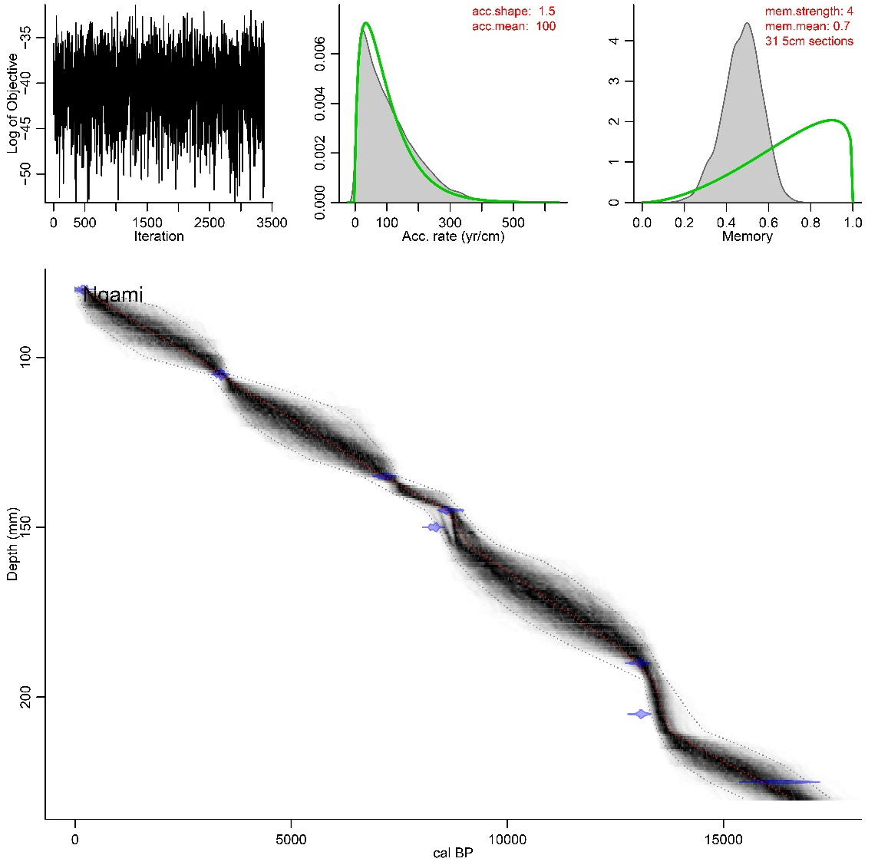
100 | 1634.4 | 3385.1 | 2851 | 2766.3
105 | 3082.2 | 3578.7 | 3366 | 3361
110 | 3434.2 | 4915.5 | 3882.4 | 3967.8
115 | 3715.2 | 6041.4 | 4578.5 | 4639.3
120 | 4079.7 | 6558.1 | 5209.2 | 5232.1
125 | 4679.2 | 6902.3 | 5898.5 | 5875.4
130 | 5427.5 | 7263.7 | 6556.8 | 6505.6
135 | 6629.7 | 7478 | 7149.1 | 7121.1
140 | 7349.2 | 8549.1 | 7807.3 | 7859.9
145 | 8105.2 | 8934 | 8659 | 8616.4
150 | 8396.4 | 9265.5 | 8854 | 8848.5
155 | 8596.5 | 9742.3 | 9051.1 | 9086.6
160 | 8830 | 10832.1 | 9575.5 | 9650.5
165 | 9173.4 | 11483.4 | 10166.3 | 10226.4
175 | 10119.9 | 12512.3 | 11394.9 | 11391.4
180 | 10746.3 | 12930.7 | 12002.2 | 11960.9
185 | 11498.5 | 13237.6 | 12610.7 | 12550.9
195 | 13157.7 | 13686.8 | 13374.2 | 13393.9
200 | 13229.4 | 13971.8 | 13478.3 | 13510.1
205 | 13317.8 | 14225.8 | 13571.5 | 13623.4
210 | 13472.3 | 14557.3 | 13703.7 | 13773.5
215 | 13682.1 | 15559.1 | 14340 | 14431.5
220 | 14058 | 16386.3 | 15132.2 | 15160.2
225 | 14657.6 | 16959.7 | 15906.5 | 15891.4
230 | 15491.7 | 17490.3 | 16638.8 | 16608.3

