Sheet1
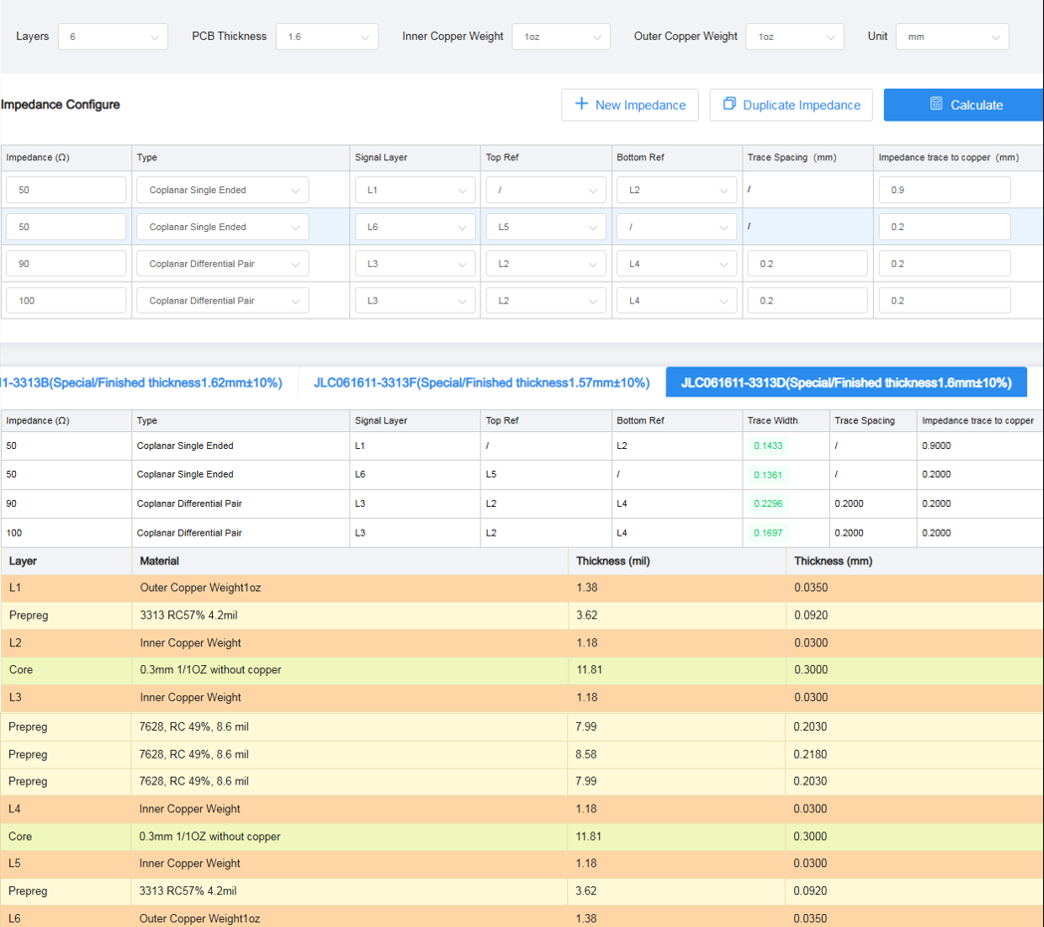
NET Name | Impedance | Line Width | Differential Pair Space | Layer
USB_SS1_RX_P / USB_SS1_RX_N | 90ohm | 0.2296mm | 0.2mm | Signal/Front
USB_SS1_TX_P / USB_SS1_TX_N | 90ohm | 0.2296mm | 0.2mm | Signal/Front
USB_D_P / USB_D_N | 90ohm | 0.2296mm | 0.2mm | Signal/Front
USB_SS2_RX_P / USB_SS2_RX_N | 90ohm | 0.2296mm | 0.2mm | Signal/Front
USB_SS2_TX_P / USB_SS2_TX_N | 90ohm | 0.2296mm | 0.2mm | Signal/Front

DSI_LN3_P / DSI_LN3_N | 100ohm | 0.1697mm | 0.2mm | Signal/Back
DSI_LN2_P / DSI_LN2_N | 100ohm | 0.1697mm | 0.2mm | Signal/Back
DSI_LN1_P / DSI_LN1_N | 100ohm | 0.1697mm | 0.2mm | Signal/Back
DSI_LN0_P / DSI_LN0_N | 100ohm | 0.1697mm | 0.2mm | Signal/Back
DSI_CLK_P / DSI_CLK_N | 100ohm | 0.1697mm | 0.2mm | Signal/Back

CSI0_LN3_P / CSI0_LN3_N | 100ohm | 0.1697mm | 0.2mm | Signal/Back
CSI0_LN2_P / CSI0_LN2_N | 100ohm | 0.1697mm | 0.2mm | Signal/Back
CSI0_LN1_P / CSI0_LN1_N | 100ohm | 0.1697mm | 0.2mm | Signal/Back
CSI0_LN0_P / CSI0_LN0_N | 100ohm | 0.1697mm | 0.2mm | Signal/Back
CSI0_CLK_P / CSI0_CLK_N | 100ohm | 0.1697mm | 0.2mm | Signal/Back

CSI1_LN0_P / CSI1_LN0_N | 100ohm | 0.1697mm | 0.2mm | Signal/Back
CSI1_CLK_P / CSI1_CLK_N | 100ohm | 0.1697mm | 0.2mm | Signal/Back

ANT_DRX | 50ohm | 0.1433mm |  | Front
ANT_GNSS | 50ohm | 0.1433mm |  | Front
ANT_MAIN | 50ohm | 0.1433mm |  | Front
ANT_WiFi | 50ohm | 0.1433mm |  | Front

NFC_ANT | 50ohm | 0.1361mm |  | Back

