NYISO Zonal Map
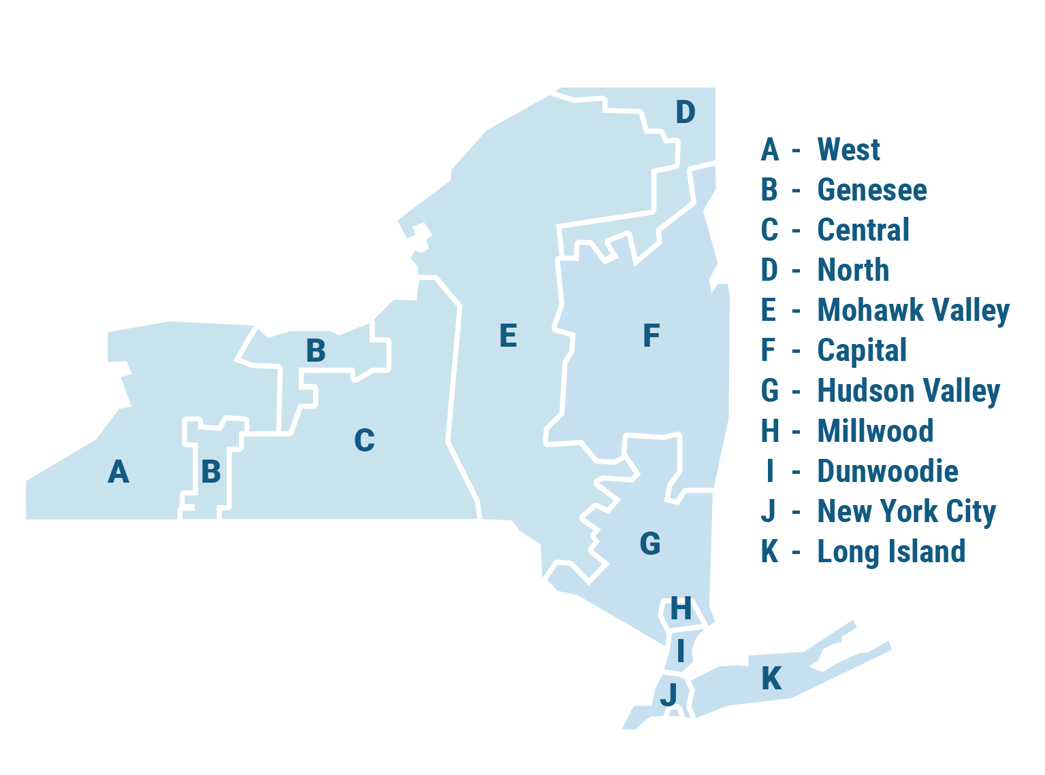

Load Project Tracking
Load Project Tracking Summary (by NYISO Zone and Requested MW)
MW By Status |  | A | B | C | D | E | F | G | H | I | J | K | NYCA
- | Withdrawn (not included in NYCA total) | 375 | 25 | 0 | 500 | 258 | 1104 | 297 | 0 | 0 | 0 | 420 | 2979
1 | Scoping Meeting Pending | 0 | 0 | 150 | 0 | 15 | 0 | 0 | 0 | 0 | 0 | 0 | 165
4 | SIS Pending | 1100 | 0 | 1050 | 2135 | 1110 | 365 | 0 | 0 | 0 | 0 | 0 | 5760
5 | SIS In-Progress | 550 | 0 | 632 | 0 | 1799 | 0 | 150 | 1000 | 0 | 0 | 0 | 4131
6 | SIS Approved | 250 | 0 | 88 | 120 | 0 | 50 | 0 | 200 | 0 | 0 | 0 | 708
7 | FS Pending | 0 | 0 | 110 | 0 | 0 | 0 | 0 | 0 | 0 | 0 | 0 | 110
9 | FS In-Progress | 140 | 0 | 576 | 0 | 0 | 0 | 0 | 0 | 0 | 0 | 177 | 893
10 | Accepted Cost Allocation IA in Progress | 0 | 0 | 0 | 200 | 0 | 0 | 102 | 0 | 0 | 0 | 0 | 302
12 | Under Construction | 0 | 600 | 480 | 435 | 0 | 0 | 0 | 0 | 0 | 0 | 0 | 1515
I/S | In-service | 300 | 0 | 0 | 0 | 0 | 60 | 0 | 0 | 0 | 0 | 0 | 360
 | Total | 2040 | 600 | 3086 | 2890 | 2924 | 415 | 252 | 1200 | 0 | 0 | 177 | 13944
Load MW(s) by Status

MW By End-Use |  | A | B | C | D | E | F | G | H | I | J | K | NYCA
DAT | Data Center (general) | 940 | 600 | 1458 | 320 | 750 | 180 | 252 | 1200 | 0 | 0 | 177 | 5877
DAT-AI | AI Datacenter | 1100 | 0 | 162 | 1935 | 2093 | 0 | 0 | 0 | 0 | 0 | 0 | 5290
DAT-CM | Cryptocurrency mining | 0 | 0 | 110 | 635 | 0 | 0 | 0 | 0 | 0 | 0 | 0 | 745
M | Manufacturing (general) | 0 | 0 | 0 | 0 | 0 | 0 | 0 | 0 | 0 | 0 | 0 | 0
M-CH | Microchip fabrication | 0 | 0 | 1056 | 0 | 0 | 0 | 0 | 0 | 0 | 0 | 0 | 1056
M-CG | Consumable Goods | 0 | 0 | 0 | 0 | 66 | 40 | 0 | 0 | 0 | 0 | 0 | 106
M-IN | Industrial Goods | 0 | 0 | 0 | 0 | 0 | 50 | 0 | 0 | 0 | 0 | 0 | 50
RD | Research and Development | 0 | 0 | 250 | 0 | 0 | 145 | 0 | 0 | 0 | 0 | 0 | 395
HP | Hydrogen Production | 0 | 0 | 0 | 0 | 0 | 0 | 0 | 0 | 0 | 0 | 0 | 0
O | Other | 0 | 0 | 50 | 0 | 0 | 0 | 0 | 0 | 0 | 0 | 0 | 50
 | Total | 2040 | 600 | 3086 | 2890 | 2909 | 415 | 252 | 1200 | 0 | 0 | 177 | 13569
Note total excludes withdrawn and in-service load projects
Load MW(s) by Type

MW By IR Submission Date |  | A | B | C | D | E | F | G | H | I | J | K | NYCA | Running Total
44196 | 2020 and earlier | 0 | 300 | 110 | 435 | 0 | 0 | 0 | 0 | 0 | 0 | 0 | 845 | 845
44561 | 2021 | 0 | 0 | 0 | 320 | 0 | 0 | 0 | 0 | 0 | 0 | 0 | 320 | 1165
44926 | 2022 | 0 | 300 | 0 | 0 | 0 | 0 | 0 | 0 | 0 | 0 | 0 | 300 | 1465
45291 | 2023 | 0 | 0 | 1056 | 0 | 0 | 50 | 0 | 0 | 0 | 0 | 0 | 1106 | 2571
45657 | 2024 | 390 | 0 | 288 | 0 | 0 | 0 | 102 | 200 | 0 | 0 | 177 | 1157 | 3728
46022 | 2025 | 1650 | 0 | 732 | 2135 | 2909 | 305 | 0 | 1000 | 0 | 0 | 0 | 8731 | 12459
46387 | 2026 | 0 | 0 | 900 | 0 | 15 | 60 | 150 | 0 | 0 | 0 | 0 | 1125 | 13584
 | Total | 2040 | 600 | 3086 | 2890 | 2924 | 415 | 252 | 1200 | 0 | 0 | 177 | 13584
*Note total excludes withdrawn and in-service load projects
Load Project Interconnection Requests by IR Submission Date (Running total MW)

