Аркуш1
 |  | Name | Lines of Code | KLOC | Files | Effort | Cost | Schedule |  | Language
1 | https://github.com/mcmcmax437/WEB3_-1-_KPI | WEB3_-1-_KPI | 26531 | 26.53 | 107 | 117.96 | 471829.7 | 13.28 | Semi-detached | C# | Sallary |  | ab | bb | cd | db
2 | https://github.com/sinatra/sinatra.github.com | Sinatra Website | 13525 | 13.53 | 220 | 36.97 | 73949.5 | 9.86 | Organic | HTML, JavaScript | 2000 | Organic | 2.4 | 1.05 | 2.5 | 0.38
3 | https://github.com/listen1/listen1_chrome_extension | listen1_chrome_extension | 33902 | 33.90 | 69 | 155.23 | 620917.1 | 14.61 | Semi-detached | JavaScript | 4000 | Semi-detached | 3 | 1.12 | 2.5 | 0.35
4 | https://github.com/qtkite/defender-control | defender-control | 56682 | 56.68 | 48 | 276.04 | 1104179.9 | 17.88 | Semi-detached | C++, Markdown, XML | 8000 | Embedded | 3.6 | 1.2 | 2.5 | 0.32
5 | https://github.com/tauri-apps/tauri | tauri | 91486 | 91.49 | 923 | 812.70 | 6501567.2 | 21.34 | Embedded | Rust, C++, Markdown
6 | https://github.com/chubin/cheat.sh | cheat.sh | 9006 | 9.01 | 66 | 24.13 | 48250.3 | 8.38 | Organic | Python, Go, YAML
7 | https://github.com/alipay/SoloPi | SoloPi | 96306 | 96.31 | 626 | 864.34 | 6914750.3 | 21.76 | Embedded | Java, XML, C
8 | https://github.com/ChilliCream/graphql-platform | graphql-platform | 1142189 | 1,142.19 | 5811 | 16810.79 | 134486303.2 | 56.25 | Embedded | C#, JavaScript, YAML, XML |  |  | Name | Euclidean
9 | https://github.com/yt-dlp/yt-dlp | yt-dlp | 236935 | 236.94 | 1163 | 2546.00 | 20367960.8 | 30.75 | Embedded | Python |  |  | WEB3_-1-_KPI | 0 | 0
10 | https://github.com/meilisearch/meilisearch | meilisearch | 107940 | 107.94 | 375 | 991.11 | 7928871.6 | 22.74 | Embedded | Rust, XML |  |  | Sinatra Website | 398092.7442 | 0.0040
11 | https://github.com/grocy/grocy | grocy | 70389 | 70.39 | 602 | 351.82 | 1407299.8 | 19.46 | Semi-detached | PHP, SQL, JavaScript |  |  | listen1_chrome_extension | 149269.4615 | 0.0015
12 | https://github.com/LARG/HFO | HFO | 48288 | 48.29 | 246 | 230.69 | 922743.9 | 16.79 | Semi-detached | C++, Python |  |  | defender-control | 633068.5865 | 0.0063
13 | https://github.com/OpenTTD/OpenTTD | OpenTTD | 469355 | 469.36 | 1370 | 5782.35 | 46258785.5 | 39.98 | Embedded | C++, C |  |  | tauri | 6030087.412 | 0.0603
14 | https://github.com/riot/riot | riot | 43676 | 43.68 | 79 | 206.15 | 824618.8 | 16.14 | Semi-detached | JavaScript |  |  | cheat.sh | 423941.848 | 0.0042
15 | https://github.com/rough-stuff/rough | rough | 8279 | 8.28 | 76 | 22.08 | 44169.0 | 8.10 | Organic | HTML, JavaScript |  |  | SoloPi | 6443298.449 | 0.0644
16 | https://github.com/fatihacet/turkcekaynaklar-com | turkcekaynaklar-com | 1164 | 1.16 | 8 | 2.81 | 5629.8 | 3.70 | Organic | Shell |  |  | graphql-platform | 134019118.4 | 1.3402
17 | https://github.com/florinpop17/app-ideas | app-ideas | 4968 | 4.97 | 96 | 12.92 | 25836.4 | 6.61 | Organic | ??? |  |  | yt-dlp | 19897243.77 | 0.1990
18 | https://github.com/AaronFeng753/Waifu2x-Extension-GUI | Waifu2x-Extension-GUI | 48726 | 48.73 | 52 | 233.03 | 932123.2 | 16.85 | Semi-detached | C++ |  |  | meilisearch | 7457486.276 | 0.0746
19 | https://github.com/friendsofgo/killgrave | killgrave | 2961 | 2.96 | 40 | 7.50 | 15005.5 | 5.38 | Organic | Go |  |  | grocy | 936497.7453 | 0.0094
20 | https://github.com/olalonde/proof-of-liabilities | proof-of-liabilities | 5045 | 5.05 | 14 | 13.13 | 26257.0 | 6.65 | Organic | JavaScript |  |  | HFO | 451438.7738 | 0.0045
 |  |  |  |  | Avarage: | 84.48391858 |  |  |  |  |  |  | OpenTTD | 45789097.44 | 0.4579
 |  |  |  |  |  |  |  |  |  |  |  |  | riot | 353205.4769 | 0.0035
 |  |  |  |  |  |  |  |  |  |  |  |  | rough | 428050.0029 | 0.0043
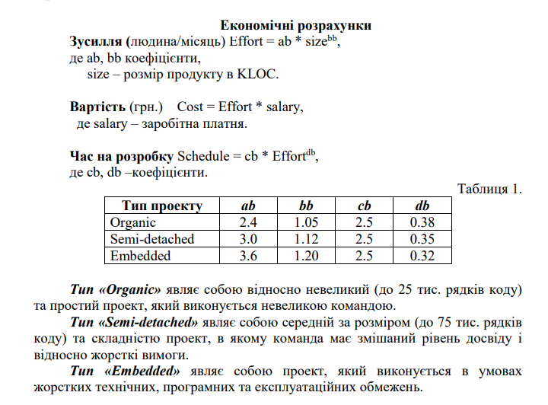
 |  |  |  |  |  |  |  |  |  |  |  |  | turkcekaynaklar-com | 466889.5953 | 0.0047
 |  |  |  |  |  |  |  |  |  |  |  |  | app-ideas | 446514.3087 | 0.0045
 |  |  |  |  |  |  |  |  |  |  |  |  | Waifu2x-Extension-GUI | 460828.2518 | 0.0046
 |  |  |  |  |  |  |  |  |  |  |  |  | killgrave | 457431.8556 | 0.0046
 |  |  |  |  |  |  |  |  |  |  |  |  | proof-of-liabilities | 446090.4665 | 0.0045

