DESIGN CRIT
REV. | LERA | LESLIE E. ROBERTSON ASSOCIATES, RLLP CONSULTING STRUCTURAL ENGINEERS |  |  |  |  | P | 1293 | DRAWING NO.
 | CRSI 12 pile example |  |  |  |  |  | DRAFT |  | #
 | Pile Cap Design |  |  |  |  |  | DESIGN
 | Description |  |  |  |  |  | CHECK

1. ASSUMPTIONS & LIMITATIONS:

This spreadsheet assists shear and flexural design of a rigid square pile cap. It assumes all pile forces are known and axial only, and the layout is doubly symmetric. Normal weight concrete is assumed for shear capacity calculations. Finally, the user should check development length to make sure hooks/headed bars in the pile cap are properly developed. |  |  |  |  |  |  |  |  |  |  | DO NOT TOUCH THE CELLS ON THIS SIDE OF THE SHEET, THEY ARE BEING REFERENCED BY THE PILE LAYOUT SHEET
This spreadsheet is based on CRSI Design Handbook 2008 (10th Edition) Chapter 13.

2. INPUT LOAD and MEMBER PROPERTIES:

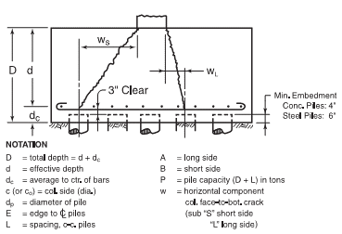
Input Data:

 |  |  |  |  |  |  |  |  | per CRSI 13-21, E = 15in for P<60ton; 21in for 60ton<P<120ton; 27in for 120ton<P<200ton; 30in for P>200ton

 |  |  | Pile Cap Depth, D = | 57 | in = | 4.8 | ft
 |  |  | Edge Dist to CL, E = | 15 | in
 |  |  | Pile Diameter, dp = | 8 | in
 |  |  | Column Dim, c = | 22 | in
 |  |  | dc = | 8 | in

 |  |  | Pile Tolerance = | 3 | in |  |  |  | per CRSI 13-23, assume dc = 8 in for concrete piles, 10 in for steel piles
 |  |  | Col Tolerance = | 0 | in

 |  | f'c = |  | 3000 | psi
 |  |  | Fy = | 60 | ksi
 |  |  | Cover = | 3 | in
 |  | Load Factor = |  | 1.6

Column Coordinates:
 | Xo(ft) | Yo(ft)
 | 0 | 0
 |  |  |  |  |  |  |  |  |  |  | If you are editing this document in the future, make sure that the tops of all tables are aligned
Pile Coordinates: |  |  |  | Number of Piles, Np = | 12
 |  |  |  | Pile Service Load (Ton) = | 50
 | DESIGN |  |  |  |  | CUSTOM |  |  |  | 20 |  |  | P_2 |  | P_3 |  | P_4 |  | P_5 |  | P_6 |  | P_7 |  | P_8 |  | P_9 |  | P_10 |  | P_11 |  | P_12 |  | P_13 |  | P_14 |  | P_15 |  | P_16 |  | P_17 |  | P_18 |  | P_19 |  | P_20 |  | P_21 |  | P_22 |  | P_23 |  | P_24 |  | P_25
 | X(ft) | Y(ft) | Load (kip) |  |  | X(ft) | Y(ft) | Load (kip) |  |  | npChoices | npNames | Column1 | Column2 | Column1 | Column2 | Column1 | Column2 | Column1 | Column2 | Column1 | Column2 | Column1 | Column2 | Column1 | Column2 | Column1 | Column2 | Column1 | Column2 | Column1 | Column2 | Column1 | Column2 | Column1 | Column2 | Column1 | Column2 | Column1 | Column2 | Column1 | Column2 | Column1 | Column2 | Column1 | Column2 | Column1 | Column2 | Column1 | Column2 | Column1 | Column2 | Column1 | Column2 | Column1 | Column2 | Column1 | Column2 | Column1 | Column2
1 | -4.50 | -3.00 | 100 |  |  |  |  |  |  |  | 2 | P_2 | -1.50 | 0.00 | -1.50 | -0.87 | -1.50 | -1.50 | -2.12 | -2.12 | -3.00 | -1.50 | -1.50 | -2.60 | -3.00 | -2.60 | -3.00 | -3.00 | -3.00 | -2.60 | -4.50 | -2.60 | -4.50 | -3.00 | -5.20 | -3.00 | -3.00 | -4.10 | -2.60 | -4.50 | -4.50 | -4.50 | -2.60 | -4.50 | -5.20 | -4.50 | -5.60 | -4.50 | -6.00 | -4.50 | -1.50 | -5.60 | -4.50 | -5.20 | -4.50 | -5.60 | -6.00 | -5.60 | -6.00 | -5.60
2 | -1.50 | -3.00 | 100 |  |  |  |  |  |  |  | 3 | P_3 | 1.50 | 0.00 | 1.50 | -0.87 | 1.50 | -1.50 | 2.12 | -2.12 | 0.00 | -1.50 | 1.50 | -2.60 | 0.00 | -2.60 | 0.00 | -3.00 | 0.00 | -2.60 | -1.50 | -2.60 | -1.50 | -3.00 | 0.00 | -3.00 | 0.00 | -4.10 | 2.60 | -4.50 | -1.50 | -4.50 | 2.60 | -4.50 | 0.00 | -4.50 | -2.60 | -4.50 | -3.00 | -4.50 | 1.50 | -5.60 | -1.50 | -5.20 | -1.50 | -5.60 | -3.00 | -5.60 | -3.00 | -5.60
3 | 1.50 | -3.00 | 100 |  |  |  |  |  |  |  | 4 | P_4 |  |  | 0.00 | 1.73 | -1.50 | 1.50 | 0.00 | 0.00 | 3.00 | -1.50 | -3.00 | 0.00 | 3.00 | -2.60 | 3.00 | -3.00 | 3.00 | -2.60 | 1.50 | -2.60 | 1.50 | -3.00 | 5.20 | -3.00 | 3.00 | -4.10 | -5.20 | -3.00 | 1.50 | -4.50 | -5.20 | -3.00 | 5.20 | -4.50 | 2.60 | -4.50 | 0.00 | -4.50 | -5.60 | -4.50 | 1.50 | -5.20 | 1.50 | -5.60 | 0.00 | -5.60 | 0.00 | -5.60
4 | 4.50 | -3.00 | 100 |  |  |  |  |  |  |  | 5 | P_5 |  |  |  |  | 1.50 | 1.50 | -2.12 | 2.12 | -3.00 | 1.50 | 0.00 | 0.00 | -1.50 | 0.00 | -3.00 | 0.00 | -4.50 | 0.00 | 4.50 | -2.60 | 4.50 | -3.00 | -2.60 | -1.50 | -4.50 | -1.50 | 0.00 | -3.00 | 4.50 | -4.50 | 0.00 | -3.00 | -2.60 | -3.00 | 5.60 | -4.50 | 3.00 | -4.50 | 5.60 | -4.50 | 4.50 | -5.20 | 4.50 | -5.60 | 3.00 | -5.60 | 3.00 | -5.60
5 | -4.50 | 0.00 | 100 |  |  |  |  |  |  |  | 6 | P_6 |  |  |  |  |  |  | 2.12 | 2.12 | 0.00 | 1.50 | 3.00 | 0.00 | 1.50 | 0.00 | 0.00 | 0.00 | -1.50 | 0.00 | -3.00 | 0.00 | -4.50 | 0.00 | 2.60 | -1.50 | -1.50 | -1.50 | 5.20 | -3.00 | -4.50 | -1.50 | 5.20 | -3.00 | 2.60 | -3.00 | 0.00 | -3.00 | 6.00 | -4.50 | -3.00 | -3.00 | -6.00 | -2.60 | -6.00 | -3.00 | 6.00 | -5.60 | 6.00 | -5.60
6 | -1.50 | 0.00 | 100 |  |  |  |  |  |  |  | 7 | P_7 |  |  |  |  |  |  |  |  | 3.00 | 1.50 | -1.50 | 2.60 | -3.00 | 2.60 | 3.00 | 0.00 | 1.50 | 0.00 | 0.00 | 0.00 | -1.50 | 0.00 | -5.20 | 0.00 | 1.50 | -1.50 | -2.60 | -1.50 | -1.50 | -1.50 | -2.60 | -1.50 | -5.20 | -1.50 | -5.60 | -1.50 | -6.00 | -1.50 | 0.00 | -3.00 | -3.00 | -2.60 | -3.00 | -3.00 | -6.00 | -2.60 | -6.00 | -2.60
7 | 1.50 | 0.00 | 100 |  |  |  |  |  |  |  | 8 | P_8 |  |  |  |  |  |  |  |  |  |  | 1.50 | 2.60 | 0.00 | 2.60 | -3.00 | 3.00 | 4.50 | 0.00 | 3.00 | 0.00 | 1.50 | 0.00 | 0.00 | 0.00 | 4.50 | -1.50 | 2.60 | -1.50 | 1.50 | -1.50 | 2.60 | -1.50 | 0.00 | -1.50 | -2.60 | -1.50 | -3.00 | -1.50 | 3.00 | -3.00 | 0.00 | -2.60 | 0.00 | -3.00 | -3.00 | -2.60 | -3.00 | -2.60
8 | 4.50 | 0.00 | 100 |  |  |  |  |  |  |  | 9 | P_9 |  |  |  |  |  |  |  |  |  |  |  |  | 3.00 | 2.60 | 0.00 | 3.00 | -3.00 | 2.60 | -4.50 | 2.60 | 4.50 | 0.00 | 5.20 | 0.00 | -4.50 | 1.50 | 0.00 | 0.00 | 4.50 | -1.50 | -5.20 | 0.00 | 5.20 | -1.50 | 2.60 | -1.50 | 0.00 | -1.50 | -5.60 | -1.50 | 3.00 | -2.60 | 3.00 | -3.00 | 0.00 | -2.60 | 0.00 | -2.60
9 | -4.50 | 3.00 | 100 |  |  |  |  |  |  |  | 10 | P_10 |  |  |  |  |  |  |  |  |  |  |  |  |  |  | 3.00 | 3.00 | 0.00 | 2.60 | -1.50 | 2.60 | -4.50 | 3.00 | -2.60 | 1.50 | -1.50 | 1.50 | -2.60 | 1.50 | -4.50 | 1.50 | 0.00 | 0.00 | -2.60 | 0.00 | 5.60 | -1.50 | 3.00 | -1.50 | 5.60 | -1.50 | 6.00 | -2.60 | 6.00 | -3.00 | 3.00 | -2.60 | 3.00 | -2.60
10 | -1.50 | 3.00 | 100 |  |  |  |  |  |  |  | 11 | P_11 |  |  |  |  |  |  |  |  |  |  |  |  |  |  |  |  | 3.00 | 2.60 | 1.50 | 2.60 | -1.50 | 3.00 | 2.60 | 1.50 | 1.50 | 1.50 | 2.60 | 1.50 | -1.50 | 1.50 | 5.20 | 0.00 | 2.60 | 0.00 | 0.00 | 0.00 | 6.00 | -1.50 | -3.00 | 0.00 | -4.50 | 0.00 | -6.00 | 0.00 | 6.00 | -2.60 | 6.00 | -2.60
11 | 1.50 | 3.00 | 100 |  |  |  |  |  |  |  | 12 | P_12 |  |  |  |  |  |  |  |  |  |  |  |  |  |  |  |  |  |  | 4.50 | 2.60 | 1.50 | 3.00 | -5.20 | 3.00 | 4.50 | 1.50 | -5.20 | 3.00 | 1.50 | 1.50 | -2.60 | 1.50 | -5.20 | 1.50 | -5.60 | 1.50 | -6.00 | 1.50 | 0.00 | 0.00 | -1.50 | 0.00 | -3.00 | 0.00 | -4.50 | 0.00 | -6.00 | 0.00
12 | 4.50 | 3.00 | 100 |  |  |  |  |  |  |  | 13 | P_13 |  |  |  |  |  |  |  |  |  |  |  |  |  |  |  |  |  |  |  |  | 4.50 | 3.00 | 0.00 | 3.00 | -3.00 | 4.10 | 0.00 | 3.00 | 4.50 | 1.50 | 2.60 | 1.50 | 0.00 | 1.50 | -2.60 | 1.50 | -3.00 | 1.50 | 3.00 | 0.00 | 1.50 | 0.00 | 0.00 | 0.00 | -1.50 | 0.00 | -3.00 | 0.00
13 | 0.00 | 0.00 | 0 |  |  |  |  |  |  |  | 14 | P_14 |  |  |  |  |  |  |  |  |  |  |  |  |  |  |  |  |  |  |  |  |  |  | 5.20 | 3.00 | 0.00 | 4.10 | 5.20 | 3.00 | -4.50 | 4.50 | -5.20 | 3.00 | 5.20 | 1.50 | 2.60 | 1.50 | 0.00 | 1.50 | -5.60 | 1.50 | 4.50 | 0.00 | 3.00 | 0.00 | 1.50 | 0.00 | 0.00 | 0.00
14 | 0.00 | 0.00 | 0 |  |  |  |  |  |  |  | 15 | P_15 |  |  |  |  |  |  |  |  |  |  |  |  |  |  |  |  |  |  |  |  |  |  |  |  | 3.00 | 4.10 | -2.60 | 4.50 | -1.50 | 4.50 | 0.00 | 3.00 | -2.60 | 3.00 | 5.60 | 1.50 | 3.00 | 1.50 | 5.60 | 1.50 | -6.00 | 2.60 | 6.00 | 0.00 | 4.50 | 0.00 | 3.00 | 0.00
15 | 0.00 | 0.00 | 0 |  |  |  |  |  |  |  | 16 | P_16 |  |  |  |  |  |  |  |  |  |  |  |  |  |  |  |  |  |  |  |  |  |  |  |  |  |  | 2.60 | 4.50 | 1.50 | 4.50 | 5.20 | 3.00 | 2.60 | 3.00 | 0.00 | 3.00 | 6.00 | 1.50 | -3.00 | 3.00 | -3.00 | 2.60 | -6.00 | 3.00 | -6.00 | 2.60 | 6.00 | 0.00
16 | 0.00 | 0.00 | 0 |  |  |  |  |  |  |  | 17 | P_17 |  |  |  |  |  |  |  |  |  |  |  |  |  |  |  |  |  |  |  |  |  |  |  |  |  |  |  |  | 4.50 | 4.50 | -2.60 | 4.50 | -5.20 | 4.50 | -5.60 | 4.50 | -6.00 | 4.50 | 0.00 | 3.00 | 0.00 | 2.60 | -3.00 | 3.00 | -3.00 | 2.60 | -6.00 | 2.60
17 | 0.00 | 0.00 | 0 |  |  |  |  |  |  |  | 18 | P_18 |  |  |  |  |  |  |  |  |  |  |  |  |  |  |  |  |  |  |  |  |  |  |  |  |  |  |  |  |  |  | 2.60 | 4.50 | 0.00 | 4.50 | -2.60 | 4.50 | -3.00 | 4.50 | 3.00 | 3.00 | 3.00 | 2.60 | 0.00 | 3.00 | 0.00 | 2.60 | -3.00 | 2.60
18 | 0.00 | 0.00 | 0 |  |  |  |  |  |  |  | 19 | P_19 |  |  |  |  |  |  |  |  |  |  |  |  |  |  |  |  |  |  |  |  |  |  |  |  |  |  |  |  |  |  |  |  | 5.20 | 4.50 | 2.60 | 4.50 | 0.00 | 4.50 | -5.60 | 4.50 | 6.00 | 2.60 | 3.00 | 3.00 | 3.00 | 2.60 | 0.00 | 2.60
19 | 0.00 | 0.00 | 0 |  |  |  |  |  |  |  | 20 | P_20 |  |  |  |  |  |  |  |  |  |  |  |  |  |  |  |  |  |  |  |  |  |  |  |  |  |  |  |  |  |  |  |  |  |  | 5.60 | 4.50 | 3.00 | 4.50 | 5.60 | 4.50 | -4.50 | 5.20 | 6.00 | 3.00 | 6.00 | 2.60 | 3.00 | 2.60
20 | 0.00 | 0.00 | 0 |  |  |  |  |  |  |  | 21 | P_21 |  |  |  |  |  |  |  |  |  |  |  |  |  |  |  |  |  |  |  |  |  |  |  |  |  |  |  |  |  |  |  |  |  |  |  |  | 6.00 | 4.50 | -1.50 | 5.60 | -1.50 | 5.20 | -4.50 | 5.60 | -6.00 | 5.60 | 6.00 | 2.60
21 | 0.00 | 0.00 | 0 |  |  |  |  |  |  |  | 22 | P_22 |  |  |  |  |  |  |  |  |  |  |  |  |  |  |  |  |  |  |  |  |  |  |  |  |  |  |  |  |  |  |  |  |  |  |  |  |  |  | 1.50 | 5.60 | 1.50 | 5.20 | -1.50 | 5.60 | -3.00 | 5.60 | -6.00 | 5.60
22 | 0.00 | 0.00 | 0 |  |  |  |  |  |  |  | 23 | P_23 |  |  |  |  |  |  |  |  |  |  |  |  |  |  |  |  |  |  |  |  |  |  |  |  |  |  |  |  |  |  |  |  |  |  |  |  |  |  |  |  | 4.50 | 5.20 | 1.50 | 5.60 | 0.00 | 5.60 | -3.00 | 5.60
23 | 0.00 | 0.00 | 0 |  |  |  |  |  |  |  | 24 | P_24 |  |  |  |  |  |  |  |  |  |  |  |  |  |  |  |  |  |  |  |  |  |  |  |  |  |  |  |  |  |  |  |  |  |  |  |  |  |  |  |  |  |  | 4.50 | 5.60 | 3.00 | 5.60 | 0.00 | 5.60
24 | 0.00 | 0.00 | 0 |  |  |  |  |  |  |  | 25 | P_25 |  |  |  |  |  |  |  |  |  |  |  |  |  |  |  |  |  |  |  |  |  |  |  |  |  |  |  |  |  |  |  |  |  |  |  |  |  |  |  |  |  |  |  |  | 6.00 | 5.60 | 3.00 | 5.60
25 | 0.00 | 0.00 | 0 |  |  |  |  |  |  |  |  |  |  |  |  |  |  |  |  |  |  |  |  |  |  |  |  |  |  |  |  |  |  |  |  |  |  |  |  |  |  |  |  |  |  |  |  |  |  |  |  |  |  |  |  |  |  |  | 6.00 | 5.60
 |  | Max | 100
 |  | Sum | 1200
The pile cap plan below is updated according to the input information above and reflects the coordinates of the column, the piles, and the pile cap. An extra cap may sometimes appear below the column due to excel plotting constraints. This extra cap will not be taken into account for design.

PILE CAP PLAN (ft)
 | Pile Locations |  | Column |  | Pile Cap |  | Enlarged Pile Cap For Scaling
-4.50 | -3.00 | -0.91666666667 | -0.91666666667 | -5.75 | -4.25 | -6.325 | -6.325
-1.50 | -3.00 | -0.91666666667 | 0.91666666667 | -5.75 | 4.25 | -6.325 | 6.325
1.50 | -3.00 | 0.91666666667 | 0.91666666667 | 5.75 | 4.25 | 6.325 | 6.325
4.50 | -3.00 | 0.91666666667 | -0.91666666667 | 5.75 | -4.25 | 6.325 | -6.325
-4.50 | 0.00 | -0.91666666667 | -0.91666666667 | -5.75 | -4.25 | -6.325 | -6.325
-1.50 | 0.00
1.50 | 0.00
4.50 | 0.00
-4.50 | 3.00
-1.50 | 3.00
1.50 | 3.00
4.50 | 3.00
0.00 | 0.00
0.00 | 0.00
0.00 | 0.00
0.00 | 0.00
0.00 | 0.00
0.00 | 0.00
0.00 | 0.00
0.00 | 0.00
0.00 | 0.00
0.00 | 0.00
0.00 | 0.00
0.00 | 0.00
0.00 | 0.00

3. ANALYSIS and DESIGN CHECKS:
 |  |  |  |  |  |  |  |  | per CRSI 13-21, minimum clr = 2ft = 24" + dp, minimum c-c = 3ft
Pile Spacing Check
 |  | Spacing min: |  | 32 | inches = | 2.67 | ft
 |  |  | Spacing, L: | 3.00 | ft | OK

 | 3A. Pile Cap Shear Design:
 | There are 6 section checks to be performed in total.
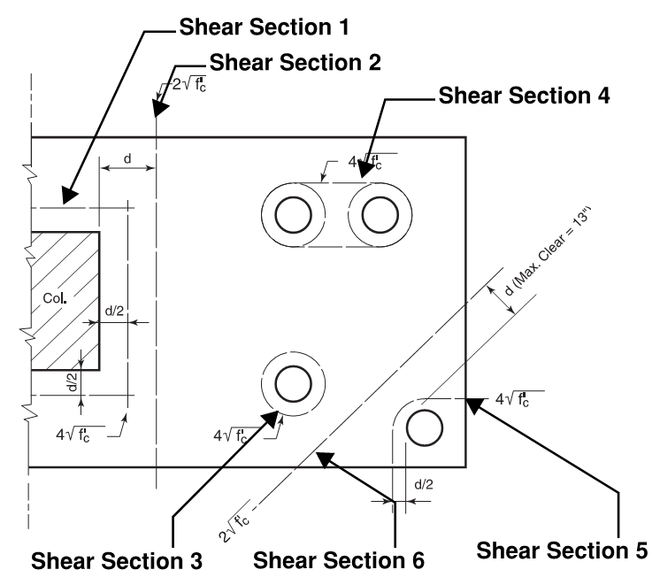

 | Shear-Section 1: two-way, punching @ column
PILE CAP PLAN (ft)
 | Pile Locations |  | Column |  | Pile Cap |  | d/2 from Column Face |  | Enlarged Pile Cap For Scaling
-4.50 | -3.00 | -0.91666666667 | -0.91666666667 | -5.75 | -4.25 | -2.9166666667 | -2.9166666667 | -6.325 | -6.325
-1.50 | -3.00 | -0.91666666667 | 0.91666666667 | -5.75 | 4.25 | -2.9166666667 | 2.9166666667 | -6.325 | 6.325
1.50 | -3.00 | 0.91666666667 | 0.91666666667 | 5.75 | 4.25 | 2.9166666667 | 2.9166666667 | 6.325 | 6.325
4.50 | -3.00 | 0.91666666667 | -0.91666666667 | 5.75 | -4.25 | 2.9166666667 | -2.9166666667 | 6.325 | -6.325
-4.50 | 0.00 | -0.91666666667 | -0.91666666667 | -5.75 | -4.25 | -2.9166666667 | -2.9166666667 | -6.325 | -6.325
-1.50 | 0.00
1.50 | 0.00
4.50 | 0.00
-4.50 | 3.00
-1.50 | 3.00
1.50 | 3.00
4.50 | 3.00
0.00 | 0.00
0.00 | 0.00
0.00 | 0.00
0.00 | 0.00
0.00 | 0.00
0.00 | 0.00
0.00 | 0.00
0.00 | 0.00
0.00 | 0.00
0.00 | 0.00
0.00 | 0.00
0.00 | 0.00
0.00 | 0.00

 |  |  | Vu = | 1600 | kip | = sum of rxns outside punching shear perimeter d/2

 |  |  | vc = | 219 | psi | = 4*sqrt(f'c) |  |  | per CRSI 13-24
 |  |  | b0 = | 280 | in | = 4*(c+d)
d for shear = |  |  |  | 48 | in | = D-dc-1", to account for bar
 |  |  | ФVn = | 2503 | kip | =0.85*vc*b0*d
 |  |  |  |  |  | OK
 | There are piles within the punching shear perimeter, use deep corbel check procedure (detailed on CRSI 13-25).
 |  |  |  |  |  |  |  |  | The following check only applies when w<d/2 exists.
 | w is defined as the distance between col face to the closest pile CL
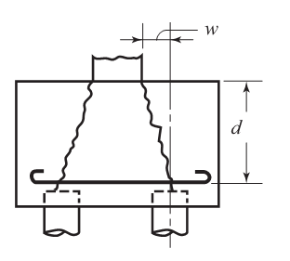

 |  |  | w = | 1.5 | ft
 |  |  | w + tolerance = | 10 | in
 |  |  | (w + tol) / (d/2) = | 0.417

 | sum of all pile vertical reactions, excluding the pile under the column
 |  |  | Vu = | 1920 | kip
 |  |  | bs = | 88 | in | =4*c
 |  |  | vc = | 1673 | psi | =d/w*(1+d/c)*2*sqrt(f'c)
 |  |  | ФVn = | 6007 | kip | =0.85*vc*bs*d
 |  |  |  |  |  | OK

 | Shear-Section 2: one-way @ column

 | X Direction
PILE CAP PLAN (ft)
 | Pile Locations |  | Column |  | Pile Cap |  | d from Column Face in X |  | Column Face in X |  | Enlarged Pile Cap For Scaling
-4.50 | -3.00 | -0.91666666667 | -0.91666666667 | -5.75 | -4.25 | 4.9166666667 | -4.25 | 0.91666666667 | -4.25 | -6.325 | -6.325
-1.50 | -3.00 | -0.91666666667 | 0.91666666667 | -5.75 | 4.25 | 4.9166666667 | 4.25 | 0.91666666667 | 4.25 | -6.325 | 6.325
1.50 | -3.00 | 0.91666666667 | 0.91666666667 | 5.75 | 4.25 |  |  |  |  | 6.325 | 6.325
4.50 | -3.00 | 0.91666666667 | -0.91666666667 | 5.75 | -4.25 |  |  |  |  | 6.325 | -6.325
-4.50 | 0.00 | -0.91666666667 | -0.91666666667 | -5.75 | -4.25 |  |  |  |  | -6.325 | -6.325
-1.50 | 0.00
1.50 | 0.00
4.50 | 0.00
-4.50 | 3.00
-1.50 | 3.00
1.50 | 3.00
4.50 | 3.00
0.00 | 0.00
0.00 | 0.00
0.00 | 0.00
0.00 | 0.00
0.00 | 0.00
0.00 | 0.00
0.00 | 0.00
0.00 | 0.00
0.00 | 0.00
0.00 | 0.00
0.00 | 0.00
0.00 | 0.00
0.00 | 0.00

 | sum of all pile forces to the right of d from column face
 |  |  | Vu in X = | 0 | kip
 |  |  | vc = | 110 | psi | per CRSI 13-24, 2*sqrt(f'c)
 |  |  | b = | 8.5 | ft | = pile cap width in Y direction
 |  |  | ФVn = | 456 | kip | =0.85*vc*b*d
 |  |  |  |  |  | OK
 |  |  | consider shear reinforcement | no
 |  |  |  | #6
 |  |  | Spacing = | 6 | in
 |  | Av = |  | 0 | in2
 |  |  | Vs = | 0 | kip | = As*Fy*d/s
 |  |  | ФVn = | 456 | kip | OK

 | check if the deep beam case applies
 |  |  | min dist from Pile CL to Col CL in X = | 1.5 | ft
 |  | w + tolerance = |  | 10 | in
 |  | (w + tol) / d = |  | 0.21
 | w/d<1.0: CRSI 13-26 deep beam check needed

 | sum of all pile forces beyond the right column face
 |  |  | Vu in X = | 960 | kip
 | sum of moment of these forces to the column face
 |  |  | Mu = | 2240 | kip ft
 |  |  | Mu/(Vu*d) = | 0.58
 |  |  | vc = | 548 | psi | = (d/w) * (3.5-2.5*Mu/(Vu*d)) * (1.9*sqrt(f'c)+0.1*sqrt(f'c)*Vu*d/Mu) < 10*sqrt(f'c) and > 2*sqrt(f'c)

 |  |  | ФVn = | 2279 | kip | =0.85*vc*b*d
 |  |  |  |  |  | OK
 | consider shear reinforcement |  |  | no
 |  |  |  | #4
 |  |  | Spacing = | 8 | in
 |  | Av = |  | 0 | in2
 |  |  | Vs = | 0 | kip | = As*Fy*d/s *(1+w/d)/12
 |  |  | ФVn = | 2279 | kip | OK

 | Y Direction
PILE CAP PLAN (ft)
 | Pile Locations |  | Column |  | Pile Cap |  | d from Column Face in Y |  | Column Face in Y |  | Enlarged Pile Cap For Scaling
-4.50 | -3.00 | -0.91666666667 | -0.91666666667 | -5.75 | -4.25 | -5.75 | 4.9166666667 | -5.75 | 0.91666666667 | -6.325 | -6.325
-1.50 | -3.00 | -0.91666666667 | 0.91666666667 | -5.75 | 4.25 | 5.75 | 4.9166666667 | 5.75 | 0.91666666667 | -6.325 | 6.325
1.50 | -3.00 | 0.91666666667 | 0.91666666667 | 5.75 | 4.25 |  |  |  |  | 6.325 | 6.325
4.50 | -3.00 | 0.91666666667 | -0.91666666667 | 5.75 | -4.25 |  |  |  |  | 6.325 | -6.325
-4.50 | 0.00 | -0.91666666667 | -0.91666666667 | -5.75 | -4.25 |  |  |  |  | -6.325 | -6.325
-1.50 | 0.00
1.50 | 0.00
4.50 | 0.00
-4.50 | 3.00
-1.50 | 3.00
1.50 | 3.00
4.50 | 3.00
0.00 | 0.00
0.00 | 0.00
0.00 | 0.00
0.00 | 0.00
0.00 | 0.00
0.00 | 0.00
0.00 | 0.00
0.00 | 0.00
0.00 | 0.00
0.00 | 0.00
0.00 | 0.00
0.00 | 0.00
0.00 | 0.00

 | sum of all pile forces to the top of d from column face
 |  |  | Vu in Y = | 0 | kip
 |  |  | vc = | 110 | psi | per CRSI 13-24, 2*sqrt(f'c)
 |  |  | b = | 11.5 | ft | = pile cap width in Y direction
 |  |  | ФVn = | 617 | kip | = 0.85*vc*b*d
 |  |  |  |  |  | OK
 |  |  | consider shear reinforcement | no
 |  |  |  | #6
 |  |  | Spacing = | 6 | in
 |  | Av = |  | 0 | in2
 |  |  | Vs = | 0 | kip | = As*Fy*d/s
 |  |  | ФVn = | 617 | kip | OK

 | check if the deep beam case applies
 |  |  | min dist from Pile CL to Col CL in Y = | 3 | ft
 |  | w + tolerance = |  | 28 | in
 |  | (w + tol) in x / d = |  | 0.58
 | w/d<1.0,CRSI 13-26 deep beam check needed
 |  |  |  |  |  |  |  |  | The following check only applies when w<d exists.
 | sum of all pile forces beyond the top column face
 |  |  | Vu in Y = | 640 | kip
 | sum of moment of these forces to the column face
 |  |  | Mu = | 1493 | kip ft
 |  |  | Mu/(Vu*d) = | 0.58
 |  |  | vc = | 397 | psi | = (d/w) * (3.5-2.5*Mu/(Vu*d)) * (1.9*sqrt(f'c)+0.1*sqrt(f'c)*Vu*d/Mu) < 10*sqrt(f'c) and > 2*sqrt(f'c)

 |  |  | ФVn = | 2236 | kip | =0.85*vc*b*d
 |  |  |  |  |  | OK
 | consider shear reinforcement |  |  | no
 |  |  |  | #6
 |  |  | Spacing = | 6 | in
 |  | Av = |  | 0 | in2
 |  |  | Vs = | 0.0 | kip | = As*Fy*d/s *(1+w/d)/12
 |  |  | ФVn = | 2236 | kip | OK

 | Shear-Section 3: two way, punching @ pile

 |  |  | vc = | 219 | psi | per CRSI 13-24, 4*sqrt(f'c)
 |  |  | shear perimeter = | 176 | in | = pi()*(Dia+d)
 |  |  | ФVn = | 1573 | kip | OK
 |  |  | Vu = | 100 | kip <------- | max pile reaction

 | Shear-Section 4: two way, punching @ a pair of piles

 |  |  | vc = | 219 | psi | per CRSI 13-24, 4*sqrt(f'c)
 |  |  | shear perimeter = | 248 | in | = pi()*(Dia+d) + 2*E
 |  |  | ФVn = | 2216 | kip | OK
 |  |  | Vu = | 200 | kip <------- | 2*max reaction

 | Shear-Section 5: two way, punching @ corner pile

 |  |  | vc = | 219 | psi | per CRSI 13-24, 4*sqrt(f'c)
 |  |  | shear perimeter = | 74 | in | = pi()*(Dia+d)/4 + 2*E
 |  |  | ФVn = | 661 | kip | OK
 |  |  | Vu = | 100 | kip <------- | max pile reaction

 | Shear-Section 6: one way @ corner pile

 |  |  | vc = | 110 | psi |  |  |  | assumes 45 degree angle, conservative
 |  |  | shear perimeter = | 104 | in | = sqrt(2)*(d+Dia/2+sqrt(2)*E)
 |  |  | ФVn = | 463 | kip | OK
 |  |  | Vu = | 100 | kip <------- | max pile reaction

 | 3B. Pile Cap Flexural Design:

 | X-Oriented Rebar |  |  |  |  |  |  |  | Moment arms are taken from mid-point between the column center and the column face.
PILE CAP PLAN (ft)
 | Pile Locations |  | Pile Cap |  | X Rebar Representative |  | Column Location |  | Enlarged Pile Cap For Scaling
-4.50 | -3.00 | -5.75 | -4.25 | -5.5 | 1.5 | 0 | 0 | -6.325 | -6.325
-1.50 | -3.00 | -5.75 | 4.25 | 5.5 | 1.5 |  |  | -6.325 | 6.325
1.50 | -3.00 | 5.75 | 4.25 |  |  |  |  | 6.325 | 6.325
4.50 | -3.00 | 5.75 | -4.25 |  |  |  |  | 6.325 | -6.325
-4.50 | 0.00 | -5.75 | -4.25 |  |  |  |  | -6.325 | -6.325
-1.50 | 0.00
1.50 | 0.00
4.50 | 0.00
-4.50 | 3.00
-1.50 | 3.00
1.50 | 3.00
4.50 | 3.00
0.00 | 0.00
0.00 | 0.00
0.00 | 0.00
0.00 | 0.00
0.00 | 0.00
0.00 | 0.00
0.00 | 0.00
0.00 | 0.00
0.00 | 0.00
0.00 | 0.00
0.00 | 0.00
0.00 | 0.00
0.00 | 0.00

 |  |  |  |  |  |  |  |  | per CRSI 5-3, As where Mu is in kip in/ft, 60ksi fy:

 |  |  |  |  |  |  |  |  | f'c=3000psi, As=0.51*d*(1-sqrt(1-0.0726*Mu/d/d))

 |  |  |  |  |  |  |  |  | f'c=4000psi, As=0.68*d*(1-sqrt(1-0.0545*Mu/d/d))

 |  |  |  |  |  |  |  |  | f'c=5000psi, As=0.85*d*(1-sqrt(1-0.0436*Mu/d/d))
 |  | Mu = |  | 2680 | kip ft
 |  | Distributed Mu = |  | 3784 | kip in / ft
 |  |  | d = | 47 | in | = D-dc-(bar dia in X) - (bar dia in Y)
 |  |  |  |  |  |  |  |  | f'c=6000psi, As=1.02*d*(1-sqrt(1-0.03631*Mu/d/d))
 |  | As req for Mu = |  | 1.54 | in2/ft = | 13.05 | in2
 |  |  | 4/3 * As req for Mu = | 2.05 | in2/ft = | 17.40 | in2
 |  |  | 0.0033*1ft*d = | 1.87 | in2/ft = | 15.86 | in2
 |  |  | 0.0018*1ft*D = | 1.23 | in2/ft = | 10.47 | in2
 |  |  | As req = | 1.87 | in2/ft = | 15.86 | in2 |  | See EQNS for As determination

 |  |  | Proposed Reinf: number and size of bottom bars
 |  |  | N = |  | #9 | @ | 6 | in
 |  | As = |  | 17 | in2 |  |  |  | See "Anchorage" in EXCERPTS for anchorage design
 |  |  |  | 2.00 | in2/ft | OK
 |  |  | ρ provided = | 0.030
 |  | Spacing of rebar = |  | 6.0 | in
 |  | Spacing max = |  | 18 | in | OK
 | Y-Oriented Rebar
PILE CAP PLAN (ft)
 | Pile Locations |  | Pile Cap |  | Y Rebar Representative |  | Column Location |  | Enlarged Pile Cap For Scaling
-4.50 | -3.00 | -5.75 | -4.25 | 3 | -4 | 0 | 0 | -6.325 | -6.325
-1.50 | -3.00 | -5.75 | 4.25 | 3 | 4 |  |  | -6.325 | 6.325
1.50 | -3.00 | 5.75 | 4.25 |  |  |  |  | 6.325 | 6.325
4.50 | -3.00 | 5.75 | -4.25 |  |  |  |  | 6.325 | -6.325
-4.50 | 0.00 | -5.75 | -4.25 |  |  |  |  | -6.325 | -6.325
-1.50 | 0.00
1.50 | 0.00
4.50 | 0.00
-4.50 | 3.00
-1.50 | 3.00
1.50 | 3.00
4.50 | 3.00
0.00 | 0.00
0.00 | 0.00
0.00 | 0.00
0.00 | 0.00
0.00 | 0.00
0.00 | 0.00
0.00 | 0.00
0.00 | 0.00
0.00 | 0.00
0.00 | 0.00
0.00 | 0.00
0.00 | 0.00
0.00 | 0.00
 |  |  |  |  |  |  |  |  | See CSRI Table 5-5(a) for max bar size based on hook development length and E.

 |  | Mu = |  | 1786.6666667 | kip ft
 |  | Distributed Mu = |  | 1864 | kip in / ft |  |  | β (long/ short)
 |  |  | As req for Mu = | 0.74 | in2/ft | 8.56 | in2 | 1.3529411765
 |  |  | As req for uniform spacing = | 0.86 | in2/ft | 9.84 | in2
 |  |  | 4/3 * As req for Mu = | 0.99 | in2/ft | 11.41 | in2
 |  |  | 0.0033*1ft*d = | 1.87 | in2/ft | 21.46 | in2
 |  |  | 0.0018*1ft*D = | 1.23 | in2/ft | 14.16 | in2
 |  |  | As req = | 1.23 | in2/ft | 14.16 | in2

 |  | Proposed Reinf: number and size of bottom bars
 |  | N = |  |  | #6 | @ | 4 | in
 |  | As = |  | 14.96 | in2
 |  |  |  | 1.30 | in2/ft | OK
 |  |  | ρ provided = | 0.026
 |  | Spacing of rebar = |  | 4.0 | in
 |  | Spacing max = |  | 18 | in | OK

4. Pile Cap Design Summary:
 | Design Summary
 |  |  | Number of Piles, Np = | 12

 |  |  | Pile Cap Width in X = | 11.5 | ft
 |  |  | Pile Cap Width in Y = | 8.5 | ft
 |  |  | Pile Cap Depth, D = | 4.75 | ft

 |  |  | X bar = | 17 | #9 | Spacing = | 6.0 | in
 |  |  | Y bar = | 34 | #6 | Spacing = | 4.0 | in

 | Quantities of Concrete and Reinforcement
 |  |  | Concrete Volume = | 17.196759259 | cuyd
 |  |  |  |  |  |  |  |  | Weight of anchorage not included
 |  |  | X-oriented rebar weight = | 492.5 | lbs
 |  |  | + Y-oriented rebar weight = | 586.3 | lbs
 |  |  | Total rebar weight = | 0.53938416 | tons

 | Net Design Capacity
 |  |  | Total Design Capacity = | 1920 | kips
 |  |  | - Factored Pile Cap Weight = | 97.505625 | kips
 |  |  | Net Design Capacity = | 1822.494375 | kips
PILE CAP PLAN (ft)
 | Pile Locations |  | Pile Cap |  | X Rebar Representative |  | Y Rebar Representative |  | X Dim |  | Y Dim |  | Column Location |  | Enlarged Pile Cap For Scaling
-4.50 | -3.00 | -5.75 | -4.25 | -5.5 | 1.5 | 3 | -4 | -5.75 | -4.675 | -6.325 | -4.25 | 0 | 0 | -6.325 | -6.325
-1.50 | -3.00 | -5.75 | 4.25 | 5.5 | 1.5 | 3 | 4 | 5.75 | -4.675 | -6.325 | 4.25 |  |  | -6.325 | 6.325
1.50 | -3.00 | 5.75 | 4.25 |  |  |  |  |  |  |  |  |  |  | 6.325 | 6.325
4.50 | -3.00 | 5.75 | -4.25 |  |  |  |  |  |  |  |  |  |  | 6.325 | -6.325
-4.50 | 0.00 | -5.75 | -4.25 |  |  |  |  |  |  |  |  |  |  | -6.325 | -6.325
-1.50 | 0.00
1.50 | 0.00
4.50 | 0.00
-4.50 | 3.00
-1.50 | 3.00
1.50 | 3.00
4.50 | 3.00
0.00 | 0.00
0.00 | 0.00
0.00 | 0.00
0.00 | 0.00
0.00 | 0.00
0.00 | 0.00
0.00 | 0.00
0.00 | 0.00
0.00 | 0.00
0.00 | 0.00
0.00 | 0.00
0.00 | 0.00
0.00 | 0.00

PILECAP WKST
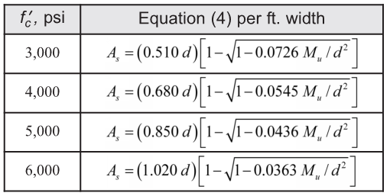
CALCULATIONS: |  |  |  |  |  |  |  |  |  |  |  |  |  |  |  |  |  |  |  |  |  | yes
 |  |  |  |  |  |  |  |  | kip | kip ft |  |  |  | kip ft |  |  |  | kip ft |  |  |  | no
 | Pile Dist. to X,Y axis: |  | Moments of Inertia: |  |  | Pile Dist. to C.G.: |  |  | Vu outside punching shear perimeter | Pile Moment to col face + tolerances |  |  |  | Pile Moment to CL + tolerances |  |  |  | Pile Moment to midpoint b/t CL and col face+ tolerances
Pile No.: | dy | dx | Ix | Iy | Ixy | Xp | Yp | dist |  | Muy by Left Piles | Muy by Right Piles | Mux by Top Piles | Mux by Bottom Piles | Muy by Left Piles | Muy by Right Piles | Mux by Top Piles | Mux by Bottom Piles | Muy by Left Piles | Muy by Right Piles | Mux by Top Piles | Mux by Bottom Piles
1 | -3.00 | -4.50 | 9.00 | 20.25 | 13.50 | -4.500 | -3.000 | 5.408 | 160 | -613.33 | 0.00 | 0.00 | -373.33 | -760.00 | 0.00 | 0 | -520 | -686.66666667 | 0 | 0 | -446.66666667
2 | -3.00 | -1.50 | 9.00 | 2.25 | 4.50 | -1.500 | -3.000 | 3.354 | 160 | -133.33 | 0.00 | 0.00 | -373.33 | -280.00 | 0.00 | 0 | -520 | -206.66666667 | 0 | 0 | -446.66666667
3 | -3.00 | 1.50 | 9.00 | 2.25 | -4.50 | 1.500 | -3.000 | 3.354 | 160 | 0.00 | 133.33 | 0.00 | -373.33 | 0.00 | 280.00 | 0 | -520 | 0 | 206.66666667 | 0 | -446.66666667
4 | -3.00 | 4.50 | 9.00 | 20.25 | -13.50 | 4.500 | -3.000 | 5.408 | 160 | 0.00 | 613.33 | 0.00 | -373.33 | 0.00 | 760.00 | 0 | -520 | 0 | 686.66666667 | 0 | -446.66666667
5 | 0.00 | -4.50 | 0.00 | 20.25 | 0.00 | -4.500 | 0.000 | 4.500 | 160 | -613.33 | 0.00 | 0.00 | 0.00 | -760.00 | 0.00 | 0 | 0 | -686.66666667 | 0 | 0 | 0
6 | 0.00 | -1.50 | 0.00 | 2.25 | 0.00 | -1.500 | 0.000 | 1.500 |  | -133.33 | 0.00 | 0.00 | 0.00 | -280.00 | 0.00 | 0 | 0 | -206.66666667 | 0 | 0 | 0
7 | 0.00 | 1.50 | 0.00 | 2.25 | 0.00 | 1.500 | 0.000 | 1.500 |  | 0.00 | 133.33 | 0.00 | 0.00 | 0.00 | 280.00 | 0 | 0 | 0 | 206.66666667 | 0 | 0
8 | 0.00 | 4.50 | 0.00 | 20.25 | 0.00 | 4.500 | 0.000 | 4.500 | 160 | 0.00 | 613.33 | 0.00 | 0.00 | 0.00 | 760.00 | 0 | 0 | 0 | 686.66666667 | 0 | 0
9 | 3.00 | -4.50 | 9.00 | 20.25 | -13.50 | -4.500 | 3.000 | 5.408 | 160 | -613.33 | 0.00 | 373.33 | 0.00 | -760.00 | 0.00 | 520 | 0 | -686.66666667 | 0 | 446.66666667 | 0
10 | 3.00 | -1.50 | 9.00 | 2.25 | -4.50 | -1.500 | 3.000 | 3.354 | 160 | -133.33 | 0.00 | 373.33 | 0.00 | -280.00 | 0.00 | 520 | 0 | -206.66666667 | 0 | 446.66666667 | 0
11 | 3.00 | 1.50 | 9.00 | 2.25 | 4.50 | 1.500 | 3.000 | 3.354 | 160 | 0.00 | 133.33 | 373.33 | 0.00 | 0.00 | 280.00 | 520 | 0 | 0 | 206.66666667 | 446.66666667 | 0
12 | 3.00 | 4.50 | 9.00 | 20.25 | 13.50 | 4.500 | 3.000 | 5.408 | 160 | 0.00 | 613.33 | 373.33 | 0.00 | 0.00 | 760.00 | 520 | 0 | 0 | 686.66666667 | 446.66666667 | 0
13
14
15
16
17
18
19
20
21
22
23
24
25
 |  |  |  |  |  |  |  | 1920 | 1600

# |  |  | 1.0 | 2.0 | 3.0 | 4.0 | 5.0 | 6.0 | 7.0 | 8.0 | 9.0 | 10.0 | 11.0 | 12.0 | 13.0 | 14.0 | 15.0 | 16.0 | 17.0 | 18.0 | 19.0 | 20.0 | 21.0 | 22.0 | 23.0 | 24.0 | 25.0
 | coordinates | x | -4.5 | -1.5 | 1.5 | 4.5 | -4.5 | -1.5 | 1.5 | 4.5 | -4.5 | -1.5 | 1.5 | 4.5
 | x | y | -3.0 | -3.0 | -3.0 | -3.0 | 0.0 | 0.0 | 0.0 | 0.0 | 3.0 | 3.0 | 3.0 | 3.0
1 | -4.50 | -3.00 | 0.0 | 3.0 | 6.0 | 9.0 | 3.0 | 4.2 | 6.7 | 9.5 | 6.0 | 6.7 | 8.5 | 10.8 | 0.0 | 0.0 | 0.0 | 0.0 | 0.0 | 0.0 | 0.0 | 0.0 | 0.0 | 0.0 | 0.0 | 0.0 | 0.0
2 | -1.50 | -3.00 | 3.0 | 0.0 | 3.0 | 6.0 | 4.2 | 3.0 | 4.2 | 6.7 | 6.7 | 6.0 | 6.7 | 8.5 | 0.0 | 0.0 | 0.0 | 0.0 | 0.0 | 0.0 | 0.0 | 0.0 | 0.0 | 0.0 | 0.0 | 0.0 | 0.0
3 | 1.50 | -3.00 | 6.0 | 3.0 | 0.0 | 3.0 | 6.7 | 4.2 | 3.0 | 4.2 | 8.5 | 6.7 | 6.0 | 6.7 | 0.0 | 0.0 | 0.0 | 0.0 | 0.0 | 0.0 | 0.0 | 0.0 | 0.0 | 0.0 | 0.0 | 0.0 | 0.0
4 | 4.50 | -3.00 | 9.0 | 6.0 | 3.0 | 0.0 | 9.5 | 6.7 | 4.2 | 3.0 | 10.8 | 8.5 | 6.7 | 6.0 | 0.0 | 0.0 | 0.0 | 0.0 | 0.0 | 0.0 | 0.0 | 0.0 | 0.0 | 0.0 | 0.0 | 0.0 | 0.0
5 | -4.50 | 0.00 | 3.0 | 4.2 | 6.7 | 9.5 | 0.0 | 3.0 | 6.0 | 9.0 | 3.0 | 4.2 | 6.7 | 9.5 | 0.0 | 0.0 | 0.0 | 0.0 | 0.0 | 0.0 | 0.0 | 0.0 | 0.0 | 0.0 | 0.0 | 0.0 | 0.0
6 | -1.50 | 0.00 | 4.2 | 3.0 | 4.2 | 6.7 | 3.0 | 0.0 | 3.0 | 6.0 | 4.2 | 3.0 | 4.2 | 6.7 | 0.0 | 0.0 | 0.0 | 0.0 | 0.0 | 0.0 | 0.0 | 0.0 | 0.0 | 0.0 | 0.0 | 0.0 | 0.0
7 | 1.50 | 0.00 | 6.7 | 4.2 | 3.0 | 4.2 | 6.0 | 3.0 | 0.0 | 3.0 | 6.7 | 4.2 | 3.0 | 4.2 | 0.0 | 0.0 | 0.0 | 0.0 | 0.0 | 0.0 | 0.0 | 0.0 | 0.0 | 0.0 | 0.0 | 0.0 | 0.0
8 | 4.50 | 0.00 | 9.5 | 6.7 | 4.2 | 3.0 | 9.0 | 6.0 | 3.0 | 0.0 | 9.5 | 6.7 | 4.2 | 3.0 | 0.0 | 0.0 | 0.0 | 0.0 | 0.0 | 0.0 | 0.0 | 0.0 | 0.0 | 0.0 | 0.0 | 0.0 | 0.0
9 | -4.50 | 3.00 | 6.0 | 6.7 | 8.5 | 10.8 | 3.0 | 4.2 | 6.7 | 9.5 | 0.0 | 3.0 | 6.0 | 9.0 | 0.0 | 0.0 | 0.0 | 0.0 | 0.0 | 0.0 | 0.0 | 0.0 | 0.0 | 0.0 | 0.0 | 0.0 | 0.0
10 | -1.50 | 3.00 | 6.7 | 6.0 | 6.7 | 8.5 | 4.2 | 3.0 | 4.2 | 6.7 | 3.0 | 0.0 | 3.0 | 6.0 | 0.0 | 0.0 | 0.0 | 0.0 | 0.0 | 0.0 | 0.0 | 0.0 | 0.0 | 0.0 | 0.0 | 0.0 | 0.0
11 | 1.50 | 3.00 | 8.5 | 6.7 | 6.0 | 6.7 | 6.7 | 4.2 | 3.0 | 4.2 | 6.0 | 3.0 | 0.0 | 3.0 | 0.0 | 0.0 | 0.0 | 0.0 | 0.0 | 0.0 | 0.0 | 0.0 | 0.0 | 0.0 | 0.0 | 0.0 | 0.0
12 | 4.50 | 3.00 | 10.8 | 8.5 | 6.7 | 6.0 | 9.5 | 6.7 | 4.2 | 3.0 | 9.0 | 6.0 | 3.0 | 0.0 | 0.0 | 0.0 | 0.0 | 0.0 | 0.0 | 0.0 | 0.0 | 0.0 | 0.0 | 0.0 | 0.0 | 0.0 | 0.0
13 |  |  | 0.0 | 0.0 | 0.0 | 0.0 | 0.0 | 0.0 | 0.0 | 0.0 | 0.0 | 0.0 | 0.0 | 0.0 | 0.0 | 0.0 | 0.0 | 0.0 | 0.0 | 0.0 | 0.0 | 0.0 | 0.0 | 0.0 | 0.0 | 0.0 | 0.0
14 |  |  | 0.0 | 0.0 | 0.0 | 0.0 | 0.0 | 0.0 | 0.0 | 0.0 | 0.0 | 0.0 | 0.0 | 0.0 | 0.0 | 0.0 | 0.0 | 0.0 | 0.0 | 0.0 | 0.0 | 0.0 | 0.0 | 0.0 | 0.0 | 0.0 | 0.0
15 |  |  | 0.0 | 0.0 | 0.0 | 0.0 | 0.0 | 0.0 | 0.0 | 0.0 | 0.0 | 0.0 | 0.0 | 0.0 | 0.0 | 0.0 | 0.0 | 0.0 | 0.0 | 0.0 | 0.0 | 0.0 | 0.0 | 0.0 | 0.0 | 0.0 | 0.0
16 |  |  | 0.0 | 0.0 | 0.0 | 0.0 | 0.0 | 0.0 | 0.0 | 0.0 | 0.0 | 0.0 | 0.0 | 0.0 | 0.0 | 0.0 | 0.0 | 0.0 | 0.0 | 0.0 | 0.0 | 0.0 | 0.0 | 0.0 | 0.0 | 0.0 | 0.0
17 |  |  | 0.0 | 0.0 | 0.0 | 0.0 | 0.0 | 0.0 | 0.0 | 0.0 | 0.0 | 0.0 | 0.0 | 0.0 | 0.0 | 0.0 | 0.0 | 0.0 | 0.0 | 0.0 | 0.0 | 0.0 | 0.0 | 0.0 | 0.0 | 0.0 | 0.0
18 |  |  | 0.0 | 0.0 | 0.0 | 0.0 | 0.0 | 0.0 | 0.0 | 0.0 | 0.0 | 0.0 | 0.0 | 0.0 | 0.0 | 0.0 | 0.0 | 0.0 | 0.0 | 0.0 | 0.0 | 0.0 | 0.0 | 0.0 | 0.0 | 0.0 | 0.0
19 |  |  | 0.0 | 0.0 | 0.0 | 0.0 | 0.0 | 0.0 | 0.0 | 0.0 | 0.0 | 0.0 | 0.0 | 0.0 | 0.0 | 0.0 | 0.0 | 0.0 | 0.0 | 0.0 | 0.0 | 0.0 | 0.0 | 0.0 | 0.0 | 0.0 | 0.0
20 |  |  | 0.0 | 0.0 | 0.0 | 0.0 | 0.0 | 0.0 | 0.0 | 0.0 | 0.0 | 0.0 | 0.0 | 0.0 | 0.0 | 0.0 | 0.0 | 0.0 | 0.0 | 0.0 | 0.0 | 0.0 | 0.0 | 0.0 | 0.0 | 0.0 | 0.0
21 |  |  | 0.0 | 0.0 | 0.0 | 0.0 | 0.0 | 0.0 | 0.0 | 0.0 | 0.0 | 0.0 | 0.0 | 0.0 | 0.0 | 0.0 | 0.0 | 0.0 | 0.0 | 0.0 | 0.0 | 0.0 | 0.0 | 0.0 | 0.0 | 0.0 | 0.0
22 |  |  | 0.0 | 0.0 | 0.0 | 0.0 | 0.0 | 0.0 | 0.0 | 0.0 | 0.0 | 0.0 | 0.0 | 0.0 | 0.0 | 0.0 | 0.0 | 0.0 | 0.0 | 0.0 | 0.0 | 0.0 | 0.0 | 0.0 | 0.0 | 0.0 | 0.0
23 |  |  | 0.0 | 0.0 | 0.0 | 0.0 | 0.0 | 0.0 | 0.0 | 0.0 | 0.0 | 0.0 | 0.0 | 0.0 | 0.0 | 0.0 | 0.0 | 0.0 | 0.0 | 0.0 | 0.0 | 0.0 | 0.0 | 0.0 | 0.0 | 0.0 | 0.0
24 |  |  | 0.0 | 0.0 | 0.0 | 0.0 | 0.0 | 0.0 | 0.0 | 0.0 | 0.0 | 0.0 | 0.0 | 0.0 | 0.0 | 0.0 | 0.0 | 0.0 | 0.0 | 0.0 | 0.0 | 0.0 | 0.0 | 0.0 | 0.0 | 0.0 | 0.0
25 |  |  | 0.0 | 0.0 | 0.0 | 0.0 | 0.0 | 0.0 | 0.0 | 0.0 | 0.0 | 0.0 | 0.0 | 0.0 | 0.0 | 0.0 | 0.0 | 0.0 | 0.0 | 0.0 | 0.0 | 0.0 | 0.0 | 0.0 | 0.0 | 0.0 | 0.0
min dist | 3.00

Pile Group Properties: |  |  |  |  | Pile Cap Size |  |  |  | Enlarged Pile Cap For Scaling
S Xo = | 0.00 |  |  |  |  | x | y |  |  | x | y
S Yo = | 0.00 |  |  |  | 1 | -5.75 | -4.25 |  | 1 | -6.325 | -6.325
Xc = | 0.00 | in |  |  | 2 | -5.75 | 4.25 |  | 2 | -6.325 | 6.325
Yc = | 0.00 | in |  |  | 3 | 5.75 | 4.25 |  | 3 | 6.325 | 6.325
Ix = | 72.00 |  |  |  | 4 | 5.75 | -4.25 |  | 4 | 6.325 | -6.325
Iy = | 135.00 |  |  |  | 5 | -5.75 | -4.25 |  | 5 | -6.325 | -6.325
J = | 207.00 |  |  |  |  | 11.5 | 8.5
 |  |  |  |  | max*1.1 | 12.65

Ixy = | 0.00
q = | 0.00 |  |  |  | d/2 from Column Face |  |  |  | d from Column Face in X
 |  |  |  |  |  | x | y |  |  | x | y
Bar Size | Area | Dia |  |  | 1 | -2.9166666667 | -2.9166666667 |  | 1 | 4.9166666667 | -4.25
#3 | 0.11 | 0.38 |  |  | 2 | -2.9166666667 | 2.9166666667 |  | 2 | 4.9166666667 | 4.25
#4 | 0.20 | 0.50 |  |  | 3 | 2.9166666667 | 2.9166666667
#5 | 0.31 | 0.63 |  |  | 4 | 2.9166666667 | -2.9166666667
#6 | 0.44 | 0.75 |  |  | 5 | -2.9166666667 | -2.9166666667 |  | d from Column Face in Y
#7 | 0.60 | 0.88 |  |  |  | 5.8333333333 | 5.8333333333 |  |  | x | y
#8 | 0.79 | 1.00 |  |  |  |  |  |  | 1 | -5.75 | 4.9166666667
#9 | 1.00 | 1.13 |  |  | Column Size |  |  |  | 2 | 5.75 | 4.9166666667
#10 | 1.27 | 1.27 |  |  |  | x | y
#11 | 1.56 | 1.41 |  |  | 1 | -0.91666666667 | -0.91666666667
#14 | 2.25 | 1.69 |  |  | 2 | -0.91666666667 | 0.91666666667 |  | Column Face in X
 |  |  |  |  | 3 | 0.91666666667 | 0.91666666667 |  |  | x | y
 |  |  |  |  | 4 | 0.91666666667 | -0.91666666667 |  | 1 | 0.91666666667 | -4.25
 |  |  |  |  | 5 | -0.91666666667 | -0.91666666667 |  | 2 | 0.91666666667 | 4.25
 |  |  |  |  |  | 1.8333333333 | 1.8333333333

PILE CAP PLAN (ft)
 | Pile Locations |  | Column |  | Pile Cap |  | d/2 from Column Face |  | d from Column Face in X |  | d from Column Face in Y |  | Column Face in X |  | Column Face in Y |  | X Rebar Representative |  | Y Rebar Representative |  | X Dim |  | Y Dim
-4.50 | -3.00 | -0.91666666667 | -0.91666666667 | -5.75 | -4.25 | -2.9166666667 | -2.9166666667 | 4.9166666667 | -4.25 | -5.75 | 4.9166666667 | 0.91666666667 | -4.25 | -5.75 | 0.91666666667 | -5.5 | 1.5 | 3 | -4 | -5.75 | -4.675 | -6.325 | -4.25
-1.50 | -3.00 | -0.91666666667 | 0.91666666667 | -5.75 | 4.25 | -2.9166666667 | 2.9166666667 | 4.9166666667 | 4.25 | 5.75 | 4.9166666667 | 0.91666666667 | 4.25 | 5.75 | 0.91666666667 | 5.5 | 1.5 | 3 | 4 | 5.75 | -4.675 | -6.325 | 4.25
1.50 | -3.00 | 0.91666666667 | 0.91666666667 | 5.75 | 4.25 | 2.9166666667 | 2.9166666667
4.50 | -3.00 | 0.91666666667 | -0.91666666667 | 5.75 | -4.25 | 2.9166666667 | -2.9166666667
-4.50 | 0.00 | -0.91666666667 | -0.91666666667 | -5.75 | -4.25 | -2.9166666667 | -2.9166666667
-1.50 | 0.00
1.50 | 0.00
4.50 | 0.00
-4.50 | 3.00
-1.50 | 3.00
1.50 | 3.00
4.50 | 3.00
0.00 | 0.00
0.00 | 0.00
0.00 | 0.00
0.00 | 0.00
0.00 | 0.00
0.00 | 0.00
0.00 | 0.00
0.00 | 0.00
0.00 | 0.00
0.00 | 0.00
0.00 | 0.00
0.00 | 0.00
0.00 | 0.00
 |  |  |  |  |  |  |  |  | Column Face in Y
 |  |  |  |  |  |  |  |  |  | x | y
 |  |  |  |  |  |  |  |  | 1 | -5.75 | 0.91666666667
 |  |  |  |  |  |  |  |  | 2 | 5.75 | 0.91666666667

 |  |  |  |  |  |  |  |  | X Rebar Representative
 |  |  |  |  |  |  |  |  |  | x | y
 |  |  |  |  |  |  |  |  | 1 | -5.5 | 1.5
 |  |  |  |  |  |  |  |  | 2 | 5.5 | 1.5
 |  |  |  |  |  |  |  |  | Y Rebar Representative
 |  |  |  |  |  |  |  |  |  | x | y
 |  |  |  |  |  |  |  |  | 1 | 3 | -4
 |  |  |  |  |  |  |  |  | 2 | 3 | 4

 |  |  |  |  |  |  |  |  | X Dim
 |  |  |  |  |  |  |  |  |  | x | y
 |  |  |  |  |  |  |  |  | 1 | -5.75 | -4.675
 |  |  |  |  |  |  |  |  | 2 | 5.75 | -4.675

 |  |  |  |  |  |  |  |  | Y Dim
 |  |  |  |  |  |  |  |  |  | x | y
 |  |  |  |  |  |  |  |  | 1 | -6.325 | -4.25
 |  |  |  |  |  |  |  |  | 2 | -6.325 | 4.25

f'c
3000 | 0.51 | 0.07
4000 | 0.68 | 0.05
5000 | 0.85 | 0.04
6000 | 1.02 | 0.04

FIGS
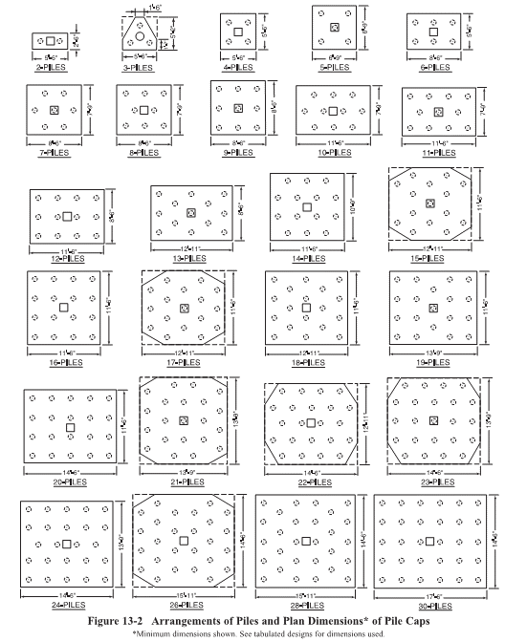

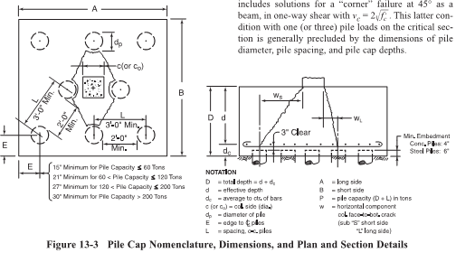

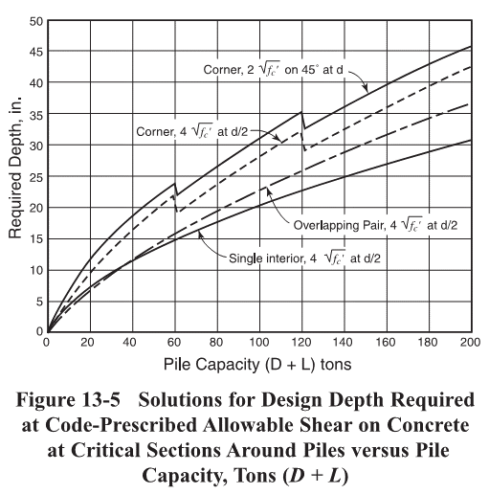
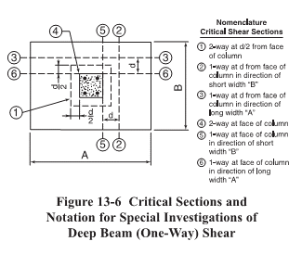

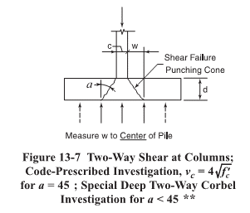

EQNS & TABLES
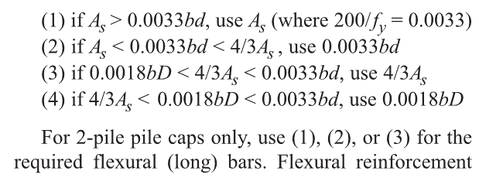
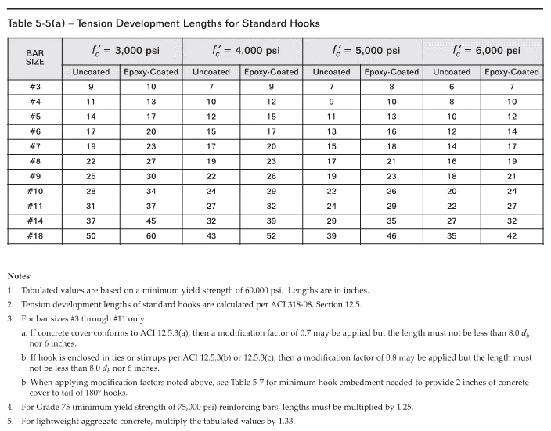
Flexural reinforcement

EXCERPTS
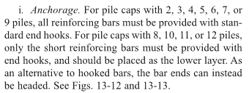
Concrete Strength
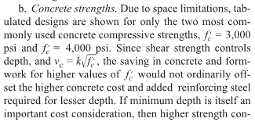

Anchorage

TABUL DES
