Sampling methods
0

 |  | Week 1
 | Driving area - start | 1. Start transect at 10 m into lane, diagonally to 25 m
 |  | 2. Sample at 1 m, 5m, 10. 14 m (percent cover, veg. height, soil samples, penetrometer)
5 |  | 3. Take 2 bulk density measure per lane
 |  | 4. Water lane if necessary
 |  | 5. Drive on lanes given number of times
 |  | 6. Vegetation height

*
10
 |  | Week 2
 |  | 1. Get percent cover, penetrometer, bulk density

*
15 | Water/sample area

*
20
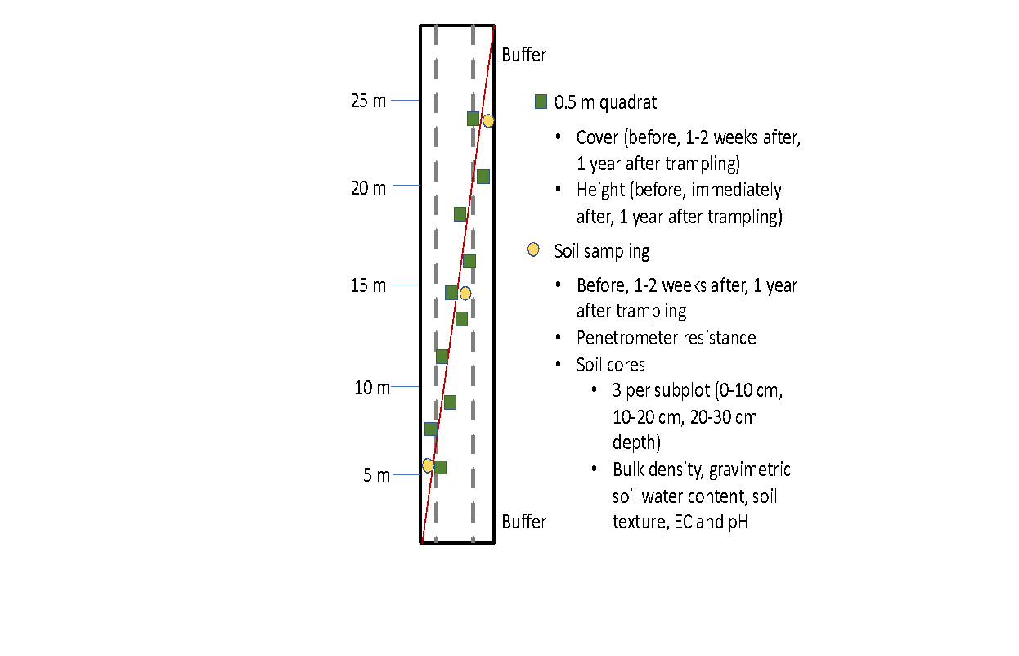

*
25

 | Driving area - stop

30

