Abundance
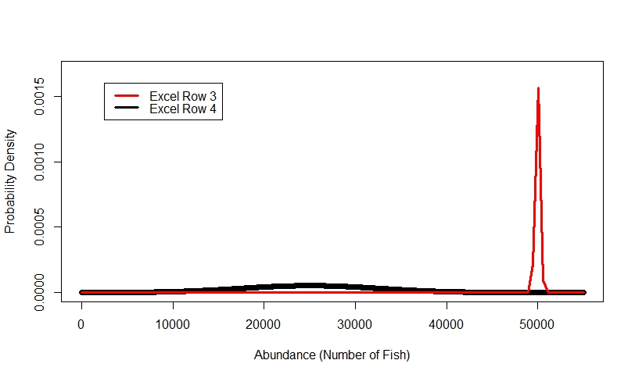
EXAMPLE:
Acutal Basin Abundance: 25,000 natural and hatchery origin pallid sturgeon
Row 3: Estimator is very precise but estimate that there are 50,000 fish.
Row 4: Estimator is not very precise but estimates there are 25,001 fish.
Scenario | Abundance estimate precision | Abundance estimate relative bias | Rank (1-3) | Value (0-100)
Baseline | Average basin abundance estimate not very precise CV > 30% | Average basin level relative abundance bias is greater than or equal to 100% | 3 | 0
Abundance estimate precision | Average basin abundance estimate very precise CV < 0.01% | Average basin level relative abundance bias is greater than or equal to 100%
Abundance estimate relative bias | Average basin abundance estimate not very precise CV > 30% | Average basin level relative abundance bias is less than 0.001% (bias is within 1 fish of true abundance)
Instructions.
Watch the "Abundance Example" video to understand the abundance metrics: Abundance Example
Rank each of the rows (the baseline, or worst case scenario, is already filled in for you with a rank of 3). For rankings 1 is best and 3 is the worst.
Assign the scenario that you ranked 1 with a value of 100
Assign a value, from 0 to 100, to the remaining scenario (0 is worst and 100 is the best).
** Values do not need to sum to 100.
** Do not change the shaded cells in the table above
*

Trend
Examples:
Trend Bias: Worst Case Scenario (after only 3 years)
Trend Precision: Worst Case (Blue), Really Good Case (Red) Scenarios
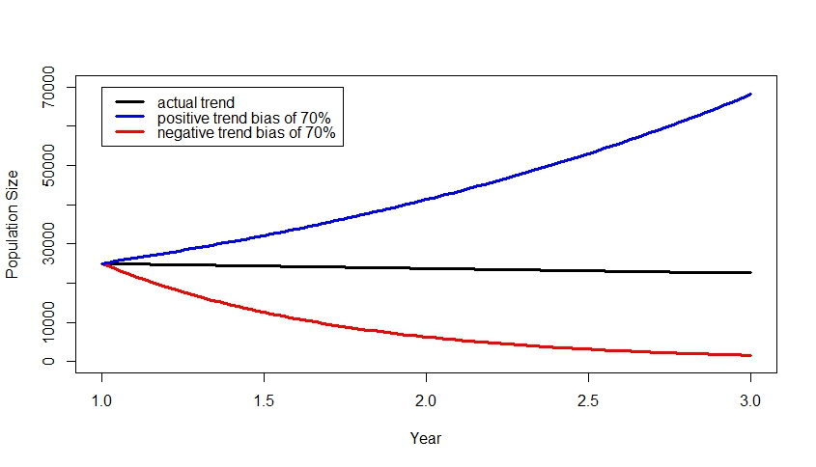
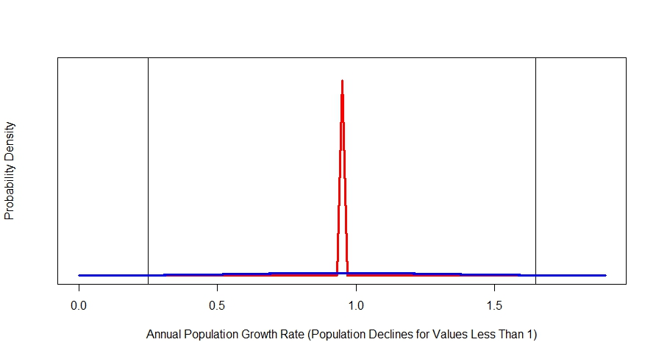
Scenario | Trend estimate precision | Trend estimate bias | Rank (1-3) | Value (0-100)
Baseline | Variation around estimates of pallid sturegon population trend is large, coefficient of variation exceeding 37.5% | Estimates of trend are biased by 70% or greater (e.g. the population is expected to increase each year by 5%, but is estimated to increase each year by 75% or more) | 3 | 0
Trend estimate precision | Variation around estimates of pallid sturegon population trend is small, coefficent of variation is less than 0.005% | Estimates of trend are biased by 70% or greater (e.g. the population is expected to increase each year by 5%, but is estimated to increase each year by 75% or more)
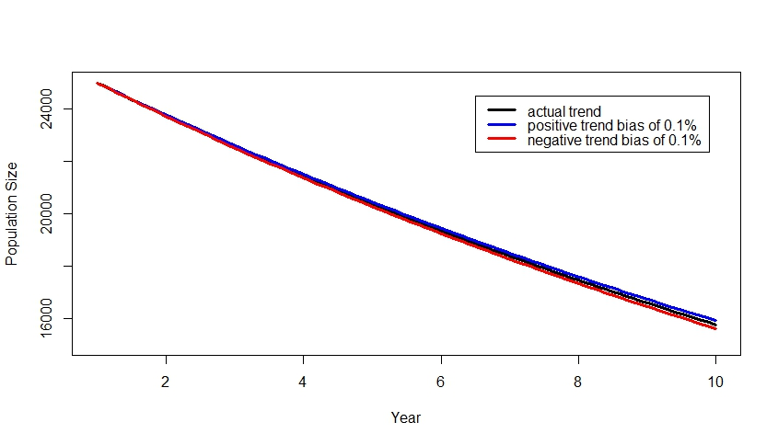
Trend Bias: Really Good Scenario (after 10 years)
Trend estimate bias | Variation around estimates of pallid sturegon population trend is large, coefficient of variation exceeding 37.5% | Estimates of pallid sturegon population trend are unbiased, estimates expected to be within 0.01% of the population trend
Instructions.
Watch the "Trend Example" video to learn about the trend metrics: Trend Example (and see also 3 example plots from video at right)
Rank each of the rows (the baseline, or worst case scenario, is already filled in for you with a rank of 3). For rankings 1 is best and 3 is the worst.
Assign the scenario that you ranked 1 with a value of 100
Assign a value, from 0 to 100, to the remaining scenario (0 is worst and 100 is the best).
** Values do not need to sum to 100.
** Do not change the shaded cells in the table above.

Objective #2
Scenario | Trend Estimate Utility | Abundance Estimates Utility | Rank (1-3) | Value (0-100)
Baseline | Trend estimate has the least utility of 0 (least useful estimates; e.g., estimate has poor precision and high bias) | Abundance estimates have the least utility of 0 (least useful estimates; e.g., estimates have poor precision and high bias) | 3 | 0
Trend Estimate Utility | Trend estimate is very useful (utility near 1; e.g., estimate has great precision and low bias) | Abundance estimates have the least utility of 0 (least useful estimates; e.g., estimates have poor precision and high bias)
Abundance Estimates Utility | Trend estimate has the least utility of 0 (least/not useful; e.g., estimate has poor precision and high bias) | Abundance estimates are very useful (utility near 1; e.g., estimates have great precision and low bias)
Instructions.
Rank each of the rows (the baseline, or worst case scenario, is already filled in for you with a rank of 3). For rankings 1 is best and 3 is the worst.
Assign the scenario that you ranked 1 with a value of 100.
Assign a value, from 0 to 100, to the remaining scenario (0 is worst and 100 is the best).
** Values do not need to sum to 100.
** Do not change the shaded cells in the table above

Fundamental Objectives
Scenario | Quantify PS recruitment to age-1 | Quantify PS population trend & abundance (natural & hatchery origin) | Provide relevant PS model inputs | Maintain compatibility with legacy PSPAP data | Minimize Cost | Rank (1-6) | Value (0-100)
Baseline | Monitoring program cannot detect recruitment reliably even if it occurred | Monitoring program has no power to estimate annual trend accurately, precisely and reliably | Monitoring program estimates no pallid sturgeon population model inputs | Monitoring program is not comparable to previous PSPAP data | Monitoring program is within allotted budget, but is the most expensive. | 6 | 0
Quantify PS recruitment to age-1 | Monitoring program can detect recruitment reliably even if it occurred | Monitoring program has no power to estimate annual trend accurately, precisely and reliably | Monitoring program estimates no pallid sturgeon population model inputs | Monitoring program is not comparable to previous PSPAP data | Monitoring program is within allotted budget, but is the most expensive.
Quantify PS population trend & abundance (natural & hatchery origin) | Monitoring program cannot detect recruitment reliably even if it occurred | Monitoring program can estimate annual trend accurately, precisely and reliably | Monitoring program estimates no pallid sturgeon population model inputs | Monitoring program is not comparable to previous PSPAP data | Monitoring program is within allotted budget, but is the most expensive.
Provide relevant PS model inputs | Monitoring program cannot detect recruitment reliably even if it occurred | Monitoring program has no power to estimate annual trend accurately, precisely and reliably | Monitoring program estimates all pallid sturgeon population model inputs | Monitoring program is not comparable to previous PSPAP data | Monitoring program is within allotted budget, but is the most expensive.
Maintain compatibility with legacy PSPAP data | Monitoring program cannot detect recruitment reliably even if it occurred | Monitoring program has no power to estimate annual trend accurately, precisely and reliably | Monitoring program estimates no pallid sturgeon population model inputs | Estimates from Monitoring program can be directly or indirectly compared to previous PSPAP data | Monitoring program is within allotted budget, but is the most expensive.
Minimize Cost | Monitoring program cannot detect recruitment reliably even if it occurred | Monitoring program has no power to estimate annual trend accurately, precisely and reliably | Monitoring program estimates no pallid sturgeon population model inputs | Monitoring program is not comparable to previous PSPAP data | Monitoring program is the least expensive and is within allotted budget.
Instructions.
1) Rank each of the rows with the baseline the worst rank. For rankings 1 is best and 6 is the worst.
2) Assign the scenario that you ranked 1 with a value of 100.
3) Assign a value, from 0 to 100, to the remaining scenarios (0 is worst and 100 is the best).
** Values do not need to sum to 100 but do need to increase with ranking.
** Do not change the shaded cells in the table above

