ClusterNotes
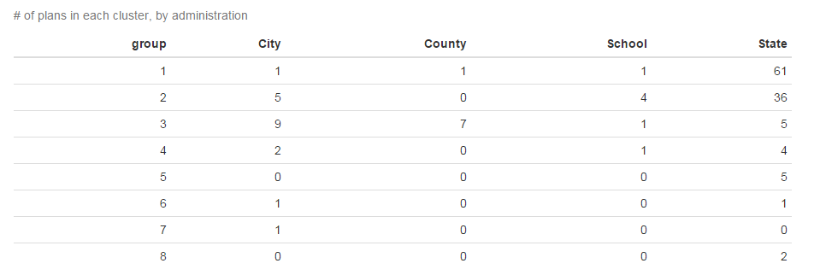
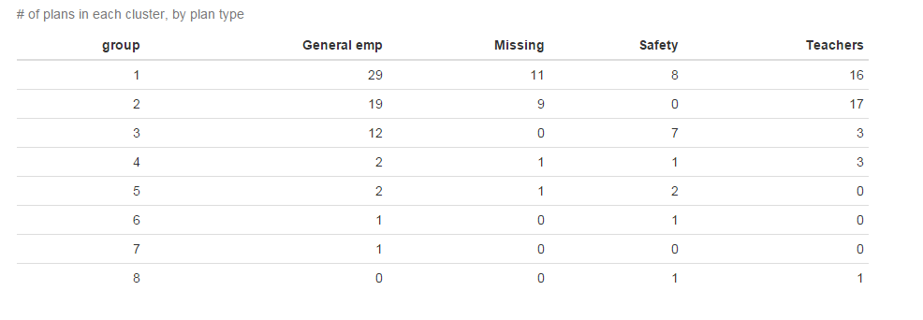
TOC

group | n
1 | 64 | 1 and 2 seem pretty similar - fairly average, underfunded plans; most teacher plans are in here
2 | 45
3 | 22 | 3 expensive relatively low outflow plans; mostly local plans
4 | 7 | 4 poorly funded high outflow mature plans with bad-behaving sponsors
5 | 5 | 5 well funded low outflow high actives plans
6 | 2 | 6 well funded low discount rate plans
8 | 2
7 | 1

PA-PSERSold
TOC

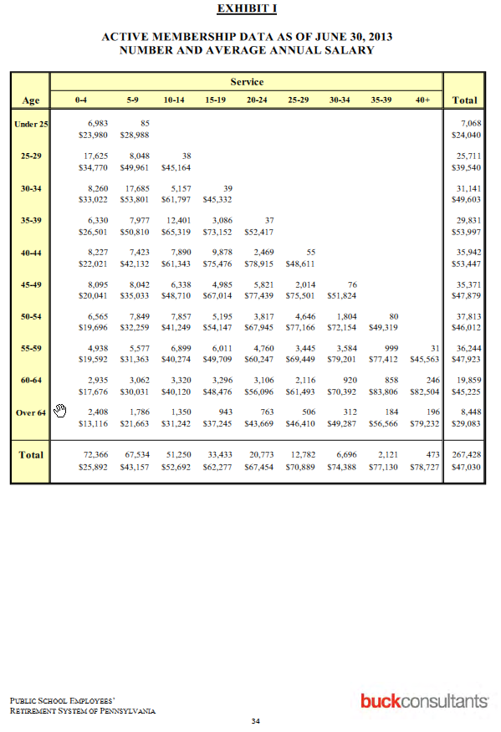
 | Workforce |  |  |  |  |  |  |  |  |  | calc
 |  | 0-4 | 5-9 | 10-14 | 15-19 | 20-24 | 25-29 | 30-34 | 35-39 | 40+ | Total | shown
1 | 25 | 6,983 | 85 |  |  |  |  |  |  |  | 7,068 | 7,068
2 | 25-29 | 17,625 | 8,048 | 38 |  |  |  |  |  |  | 25,711 | 25,711
3 | 30-34 | 8,260 | 17,685 | 5,157 | 39 |  |  |  |  |  | 31,141 | 31,141
4 | 35-39 | 6,330 | 7,977 | 12,401 | 3,086 | 37 |  |  |  |  | 29,831 | 29,831
5 | 40-44 | 8,227 | 7,423 | 7,890 | 9,878 | 2,469 | 55 |  |  |  | 35,942 | 35,942
6 | 45-49 | 8,095 | 8,042 | 6,338 | 4,985 | 5,821 | 2,014 | 76 |  |  | 35,371 | 35,371
7 | 50-54 | 6,565 | 7,849 | 7,857 | 5,195 | 3,817 | 4,646 | 1,804 | 80 |  | 37,813 | 37,813
8 | 55-59 | 4,938 | 5,577 | 6,899 | 6,011 | 4,760 | 3,445 | 3,584 | 999 | 31 | 36,244 | 36,244
9 | 60-64 | 2,935 | 3,062 | 3,320 | 3,296 | 3,106 | 2,116 | 920 | 858 | 246 | 19,859 | 19,859
10 | Over 64 | 2,408 | 1,786 | 1,350 | 943 | 763 | 506 | 312 | 184 | 196 | 8,448 | 8,448
11 | Total | 72,366 | 67,534 | 51,250 | 33,433 | 20,773 | 12,782 | 6,696 | 2,121 | 473 | 267,428
 | shown | 72,366 | 67,534 | 51,250 | 33,433 | 20,773 | 12,782 | 6,696 | 2,121 | 473 | 267,428 | 267,428

 | Avgpay
 |  | 0-4 | 5-9 | 10-14 | 15-19 | 20-24 | 25-29 | 30-34 | 35-39 | 40+ | Total | shown
1 | 25 | $23,980 | $28,988 |  |  |  |  |  |  |  |  | $24,040
2 | 25-29 | $34,770 | $49,961 | $45,164 |  |  |  |  |  |  |  | $39,540
3 | 30-34 | $33,022 | $53,801 | $61,797 | $45,332 |  |  |  |  |  |  | $49,603
4 | 35-39 | $26,501 | $50,810 | $65,319 | $73,152 | $52,417 |  |  |  |  |  | $53,997
5 | 40-44 | $22,021 | $42,132 | $61,343 | $75,476 | $78,915 | $48,611 |  |  |  |  | $53,447
6 | 45-49 | $20,041 | $35,033 | $48,710 | $67,014 | $77,439 | $75,501 | $51,824 |  |  |  | $47,879
7 | 50-54 | $19,696 | $32,259 | $41,249 | $54,147 | $67,945 | $77,166 | $72,154 | $49,319 |  |  | $46,012
8 | 55-59 | $19,592 | $31,363 | $40,274 | $49,709 | $60,247 | $69,449 | $79,201 | $77,412 | $45,563 |  | $47,923
9 | 60-64 | $17,676 | $30,031 | $40,120 | $48,476 | $56,096 | $61,493 | $70,392 | $83,806 | $82,504 |  | $45,225
10 | Over 64 | $13,116 | $21,663 | $31,242 | $37,245 | $43,669 | $46,410 | $49,287 | $56,566 | $79,232 |  | $29,083
11 | Total | $25,892 | $43,157 | $52,692 | $62,277 | $67,454 | $70,889 | $74,388 | $77,130 | $78,727 |  | $47,030

1 | 25
2 | 25-29
3 | 30-34
4 | 35-39
5 | 40-44
6 | 45-49
7 | 50-54
8 | 55-59
9 | 60-64
10 | Over 64
11 | Total

PA-PSERS
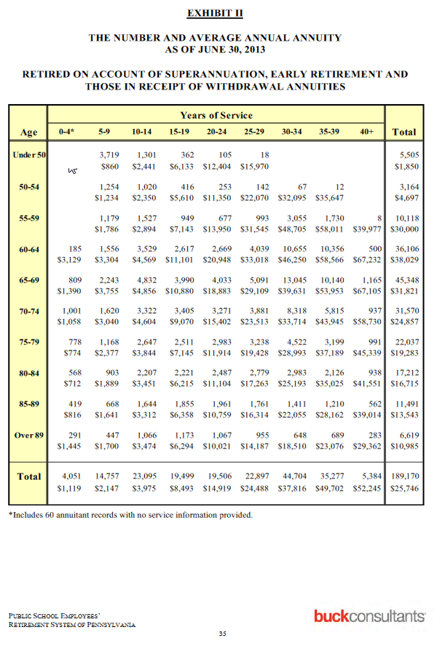
TOC

Actives
 |  |  | 0-4 | 5-9 | 10-14 | 15-19 | 20-24 | 25-29 | 30-34 | 35-39 | 40+
1 | workforce | 25 | 6,983 | 85
1 | avgpay | 25 | $23,980 | $28,988
2 | workforce | 25-29 | 17,625 | 8,048 | 38
2 | avgpay | 25-29 | $34,770 | $49,961 | $45,164
3 | workforce | 30-34 | 8,260 | 17,685 | 5,157 | 39
3 | avgpay | 30-34 | $33,022 | $53,801 | $61,797 | $45,332
4 | workforce | 35-39 | 6,330 | 7,977 | 12,401 | 3,086 | 37
4 | avgpay | 35-39 | $26,501 | $50,810 | $65,319 | $73,152 | $52,417
5 | workforce | 40-44 | 8,227 | 7,423 | 7,890 | 9,878 | 2,469 | 55
5 | avgpay | 40-44 | $22,021 | $42,132 | $61,343 | $75,476 | $78,915 | $48,611
6 | workforce | 45-49 | 8,095 | 8,042 | 6,338 | 4,985 | 5,821 | 2,014 | 76
6 | avgpay | 45-49 | $20,041 | $35,033 | $48,710 | $67,014 | $77,439 | $75,501 | $51,824
7 | workforce | 50-54 | 6,565 | 7,849 | 7,857 | 5,195 | 3,817 | 4,646 | 1,804 | 80
7 | avgpay | 50-54 | $19,696 | $32,259 | $41,249 | $54,147 | $67,945 | $77,166 | $72,154 | $49,319
8 | workforce | 55-59 | 4,938 | 5,577 | 6,899 | 6,011 | 4,760 | 3,445 | 3,584 | 999 | 31
8 | avgpay | 55-59 | $19,592 | $31,363 | $40,274 | $49,709 | $60,247 | $69,449 | $79,201 | $77,412 | $45,563
9 | workforce | 60-64 | 2,935 | 3,062 | 3,320 | 3,296 | 3,106 | 2,116 | 920 | 858 | 246
9 | avgpay | 60-64 | $17,676 | $30,031 | $40,120 | $48,476 | $56,096 | $61,493 | $70,392 | $83,806 | $82,504
10 | workforce | Over 64 | 2,408 | 1,786 | 1,350 | 943 | 763 | 506 | 312 | 184 | 196
10 | avgpay | Over 64 | $13,116 | $21,663 | $31,242 | $37,245 | $43,669 | $46,410 | $49,287 | $56,566 | $79,232

Retirees |  |  | yos
 |  | age | 0-4 | 5-9 | 10-14 | 15-19 | 20-24 | 25-29 | 30-34 | 35-39 | 40+
1 | num | <50 |  | 3,719 | 1,301 | 362 | 105 | 18
1 | bens | <50 |  | $860 | $2,441 | $6,133 | $12,404 | $15,970
2 | num | 50-54 |  | 1,254 | 1,020 | 416 | 253 | 142 | 67 | 12
2 | bens | 50-54 |  | $1,234 | $2,350 | $5,610 | $11,350 | $22,070 | $32,095 | $35,647
3 | num | 55-59 |  | 1,179 | 1,527 | 949 | 677 | 993 | 3,055 | 1,730 | 8
3 | bens | 55-59 |  | $1,786 | $2,894 | $7,143 | $13,950 | $31,545 | $48,705 | $58,011 | $39,977
4 | num | 60-64 | 185 | 1,556 | 3,529 | 2,617 | 2,669 | 4,039 | 10,655 | 10,356 | 500
4 | bens | 60-64 | $3,129 | $3,304 | $4,569 | $11,101 | $20,948 | $33,018 | $46,250 | $58,566 | $67,232
5 | num | 65-69 | 809 | 2,243 | 4,832 | 3,990 | 4,033 | 5,091 | 13,045 | 10,140 | 1,165
5 | bens | 65-69 | $1,390 | $3,755 | $4,856 | $10,880 | $18,883 | $29,109 | $39,631 | $53,953 | $67,105
6 | num | 70-74 | 1,001 | 1,620 | 3,322 | 3,405 | 3,271 | 3,881 | 8,318 | 5,815 | 937
6 | bens | 70-74 | $1,058 | $3,040 | $4,604 | $9,070 | $15,402 | $23,513 | $33,714 | $43,945 | $58,730
7 | num | 75-79 | 778 | 1,168 | 2,647 | 2,511 | 2,983 | 3,238 | 4,522 | 3,199 | 991
7 | bens | 75-79 | $774 | $2,377 | $3,844 | $7,145 | $11,914 | $19,428 | $28,993 | $37,189 | $45,339
8 | num | 80-84 | 568 | 903 | 2,207 | 2,221 | 2,487 | 2,779 | 2,983 | 2,126 | 938
8 | bens | 80-84 | $712 | $1,889 | $3,451 | $6,215 | $11,104 | $17,263 | $25,193 | $35,025 | $41,551
9 | num | 85-89 | 419 | 668 | 1,644 | 1,855 | 1,961 | 1,761 | 1,411 | 1,210 | 562
9 | bens | 85-89 | $816 | $1,641 | $3,312 | $6,358 | $10,759 | $16,314 | $22,055 | $28,162 | $39,014
10 | num | Over 89 | 291 | 447 | 1,066 | 1,173 | 1,067 | 955 | 648 | 689 | 283
10 | bens | Over 89 | $1,445 | $1,700 | $3,474 | $6,294 | $10,021 | $14,187 | $18,510 | $23,076 | $29,362

Sheet7
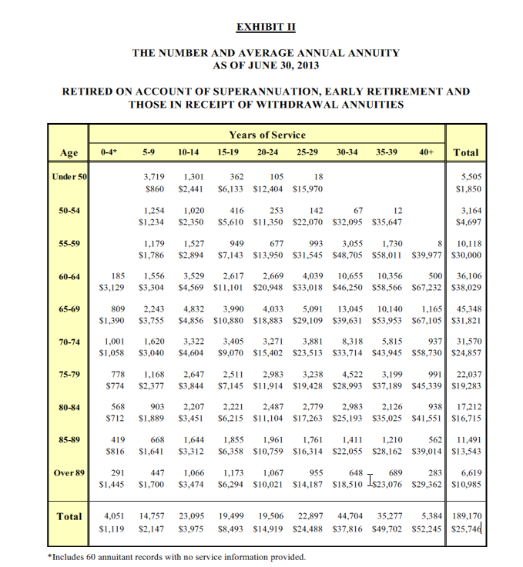

 |  |  | yos
 |  | age | 0-4 | 5-9 | 10-14 | 15-19 | 20-24 | 25-29 | 30-34 | 35-39 | 40+ | Total
num | 1 | <50 |  | 3,719 | 1,301 | 362 | 105 | 18 |  |  |  | 5,505
bens | 1 | <50 |  | $860 | $2,441 | $6,133 | $12,404 | $15,970 |  |  |  | $1,850
num | 2 | 50-54 |  | 1,254 | 1,020 | 416 | 253 | 142 | 67 | 12 |  | 3,164
bens | 2 | 50-54 |  | $1,234 | $2,350 | $5,610 | $11,350 | $22,070 | $32,095 | $35,647 |  | $4,697
num | 3 | 55-59 |  | 1,179 | 1,527 | 949 | 677 | 993 | 3,055 | 1,730 | 8 | 10,118
bens | 3 | 55-59 |  | $1,786 | $2,894 | $7,143 | $13,950 | $31,545 | $48,705 | $58,011 | $39,977 | $30,000
num | 4 | 60-64 | 185 | 1,556 | 3,529 | 2,617 | 2,669 | 4,039 | 10,655 | 10,356 | 500 | 36,106
bens | 4 | 60-64 | $3,129 | $3,304 | $4,569 | $11,101 | $20,948 | $33,018 | $46,250 | $58,566 | $67,232 | $38,029
num | 5 | 65-69 | 809 | 2,243 | 4,832 | 3,990 | 4,033 | 5,091 | 13,045 | 10,140 | 1,165 | 45,348
bens | 5 | 65-69 | $1,390 | $3,755 | $4,856 | $10,880 | $18,883 | $29,109 | $39,631 | $53,953 | $67,105 | $31,821
num | 6 | 70-74 | 1,001 | 1,620 | 3,322 | 3,405 | 3,271 | 3,881 | 8,318 | 5,815 | 937 | 31,570
bens | 6 | 70-74 | $1,058 | $3,040 | $4,604 | $9,070 | $15,402 | $23,513 | $33,714 | $43,945 | $58,730 | $24,857
num | 7 | 75-79 | 778 | 1,168 | 2,647 | 2,511 | 2,983 | 3,238 | 4,522 | 3,199 | 991 | 22,037
bens | 7 | 75-79 | $774 | $2,377 | $3,844 | $7,145 | $11,914 | $19,428 | $28,993 | $37,189 | $45,339 | $19,283
num | 8 | 80-84 | 568 | 903 | 2,207 | 2,221 | 2,487 | 2,779 | 2,983 | 2,126 | 938 | 17,212
bens | 8 | 80-84 | $712 | $1,889 | $3,451 | $6,215 | $11,104 | $17,263 | $25,193 | $35,025 | $41,551 | $16,715
num | 9 | 85-89 | 419 | 668 | 1,644 | 1,855 | 1,961 | 1,761 | 1,411 | 1,210 | 562 | 11,491
bens | 9 | 85-89 | $816 | $1,641 | $3,312 | $6,358 | $10,759 | $16,314 | $22,055 | $28,162 | $39,014 | $13,543
num | 10 | Over 89 | 291 | 447 | 1,066 | 1,173 | 1,067 | 955 | 648 | 689 | 283 | 6,619
bens | 10 | Over 89 | $1,445 | $1,700 | $3,474 | $6,294 | $10,021 | $14,187 | $18,510 | $23,076 | $29,362 | $10,985
num | 11 | Total | 4,051 | 14,757 | 23,095 | 19,499 | 19,506 | 22,897 | 44,704 | 35,277 | 5,384 | 189,170
bens | 11 | Total | $1,119 | $2,147 | $3,975 | $8,493 | $14,919 | $24,488 | $37,816 | $49,702 | $52,245 | $25,746

SalaryGrowth
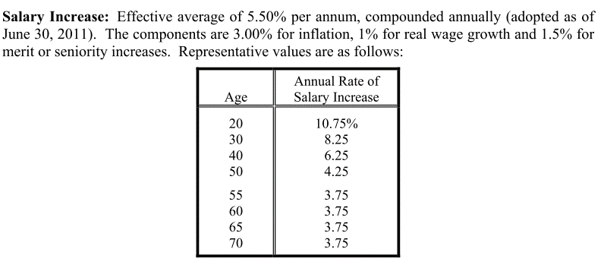
age | growth
20 | 10.75
30 | 8.25
40 | 6.25
50 | 4.25
55 | 3.75
60 | 3.75
65 | 3.75
70 | 3.75

