04X-09C
D/E DDEM
PRATEEP T.
23-Jun.'26
D/E DEM
LUECHAI M.
23-Jun.'26
PREPARED
PORRAMATE N.
23-Jun.'26
To : AMEC: MAR Dept.,P/S Dept.,IS Dept.,PUS Dept. |  |  |  |  |  | AMEC Design Schedule (04X-9C'26) |  |  |  |  |  |  |  |  |  |  |  |  |  |  |  |  |  | Rev. | Dated | Rev. | Dated
From : DE Dept. |  |  |  |  |  |  |  |  |  |  |  |  |  |  |  |  |  |  |  |  |  |  |  | * |  | E
 |  |  |  |  |  |  |  |  |  |  |  |  |  |  |  |  |  |  |  |  |  |  |  | A |  | F
 |  |  |  |  |  |  |  |  |  |  |  |  |  |  |  |  |  |  |  |  |  |  |  | B |  | G
 |  |  |  |  |  |  |  |  |  |  |  |  |  |  |  |  |  |  |  |  |  |  |  | C |  | H
 |  |  |  |  |  |  |  |  |  |  |  |  |  |  |  |  |  |  |  |  |  |  |  | D |  | I

 |  |  | 04XN | 04XT | 04AN | 04AT | 04YN | 04YT | 04BN | 04BT | 04ZN | 04ZT | 04CN | 04CT | 05XN | 05XT | 05AN | 05AT | 05YN | 05YT | 05BN | 05BT | 05ZN | 05ZT | 05CN | 05CT | 06XN | 06XT | 06AN | 06AT | 06YN | 06YT | 06BN | 06BT | 06ZN | 06ZT | 06CN | 06CT
MAR issue Go-Design |  |  | 0 | 0 | 0 | 0 | 0 | 0 | 0 | 0 | 0 | 0 | 0 | 0 | 0 | 0 | 0 | 0 | 0 | 0 | 0 | 0 | 0 | 0 | 0 | 0 | 0 | 0 | 0 | 0 | 0 | 0 | 0 | 0 | 0 | 0 | 0 | 0
Confirm MELINA Portion |  |  | 0 | 0 | 0 | 0 | 0 | 0 | 0 | 0 | 0 | 0 | 0 | 0 | 0 | 0 | 0 | 0 | 0 | 0 | 0 | 0 | 0 | 0 | 0 | 0 | 0 | 0 | 0 | 0 | 0 | 0 | 0 | 0 | 0 | 0 | 0 | 0
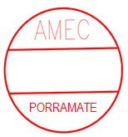
LUECHAI
PRATEEP
MSE to MELINA (Pattern 2) |  |  | 0 | 0 | 0 | 0 | 0 | 0 | 0 | 0 | 0 | 0 | 0 | 0 | 0 | 0 | 0 | 0 | 0 | 0 | 0 | 0 | 0 | 0 | 0 | 0 | 0 | 0 | 0 | 0 | 0 | 0 | 0 | 0 | 0 | 0 | 0 | 0
0-Level Check/Check order |  |  | 0 | 0 | 0 | 0 | 0 | 0 | 0 | 0 | 0 | 0 | 0 | 0 | 0 | 0 | 0 | 0 | 0 | 0 | 0 | 0 | 0 | 0 | 0 | 0 | 0 | 0 | 0 | 0 | 0 | 0 | 0 | 0 | 0 | 0 | 0 | 0
4 JUN 2024
31 MAY 2024
31 MAY 2024
Temp. Drawing |  |  | 0 | - | 0 | - | 0 | - | 0 | - | 0 | - | 0 | - | 0 | - | 0 | - | 0 | - | 0 | - | 0 | - | 0 | - | 0 | - | 0 | - | 0 | - | 0 | - | 0 | - | 0 | -
Design B/M Part list |  |  | 0 | 0 | 0 | 0 | 0 | 0 | 0 | 0 | 0 | 0 | 0 | 0 | 0 | 0 | 0 | 0 | 0 | 0 | 0 | 0 | 0 | 0 | 0 | 0 | 0 | 0 | 0 | 0 | 0 | 0 | 0 | 0 | 0 | 0 | 0 | 0
Day between DES B/M date |  |  | 0 | 0 | 0 | 0 | 0 | 0 | 0 | 0 | 0 | 0 | 0 | 0 | 0 | 0 | 0 | 0 | 0 | 0 | 0 | 0 | 0 | 0 | 0 | 0 | 0 | 0 | 0 | 0 | 0 | 0 | 0 | 0 | 0 | 0 | 0 | 0
MFG_B/M |  |  | 0 | 0 | 0 | 0 | 0 | 0 | 0 | 0 | 0 | 0 | 0 | 0 | 0 | 0 | 0 | 0 | 0 | 0 | 0 | 0 | 0 | 0 | 0 | 0 | 0 | 0 | 0 | 0 | 0 | 0 | 0 | 0 | 0 | 0 | 0 | 0
S/W Auto Assembly |  |  | 0 | 0 | 0 | 0 | 0 | 0 | 0 | 0 | 0 | 0 | 0 | 0 | 0 | 0 | 0 | 0 | 0 | 0 | 0 | 0 | 0 | 0 | 0 | 0 | 0 | 0 | 0 | 0 | 0 | 0 | 0 | 0 | 0 | 0 | 0 | 0
 |  |  | 07XN | 07XT | 07AN | 07AT | 07YN | 07YT | 07BN | 07BT | 07ZN | 07ZT | 07CN | 07CT | 08XN | 08XT | 08AN | 08AT | 08YN | 08YT | 08BN | 08BT | 08ZN | 08ZT | 08CN | 08CT | 09XN | 09XT | 09AN | 09AT | 09YN | 09YT | 09BN | 09BT | 09ZN | 09ZT | 09CN | 09CT
MAR issue Go-Design |  |  | 0 | 0 | 0 | 0 | 0 | 0 | 0 | 0 | 0 | 0 | 0 | 0 | 0 | 0 | 0 | 0 | 0 | 0 | 0 | 0 | 0 | 0 | 0 | 0 | 0 | 0 | 0 | 0 | 0 | 0 | 0 | 0 | 0 | 0 | 0 | 0
Confirm MELINA Portion |  |  | 0 | 0 | 0 | 0 | 0 | 0 | 0 | 0 | 0 | 0 | 0 | 0 | 0 | 0 | 0 | 0 | 0 | 0 | 0 | 0 | 0 | 0 | 0 | 0 | 0 | 0 | 0 | 0 | 0 | 0 | 0 | 0 | 0 | 0 | 0 | 0
MSE to MELINA (Pattern 2) |  |  | 0 | 0 | 0 | 0 | 0 | 0 | 0 | 0 | 0 | 0 | 0 | 0 | 0 | 0 | 0 | 0 | 0 | 0 | 0 | 0 | 0 | 0 | 0 | 0 | 0 | 0 | 0 | 0 | 0 | 0 | 0 | 0 | 0 | 0 | 0 | 0
0-Level Check/Check order |  |  | 0 | 0 | 0 | 0 | 0 | 0 | 0 | 0 | 0 | 0 | 0 | 0 | 0 | 0 | 0 | 0 | 0 | 0 | 0 | 0 | 0 | 0 | 0 | 0 | 0 | 0 | 0 | 0 | 0 | 0 | 0 | 0 | 0 | 0 | 0 | 0
Temp. Drawing |  |  | 0 | - | 0 | - | 0 | - | 0 | - | 0 | - | 0 | - | 0 | - | 0 | - | 0 | - | 0 | - | 0 | - | 0 | - | 0 | - | 0 | - | 0 | - | 0 | - | 0 | - | 0 | -
Design B/M Part list |  |  | 0 | 0 | 0 | 0 | 0 | 0 | 0 | 0 | 0 | 0 | 0 | 0 | 0 | 0 | 0 | 0 | 0 | 0 | 0 | 0 | 0 | 0 | 0 | 0 | 0 | 0 | 0 | 0 | 0 | 0 | 0 | 0 | 0 | 0 | 0 | 0
Day between DES B/M date |  |  | 0 | 0 | 0 | 0 | 0 | 0 | 0 | 4 | 0 | 0 | 0 | 0 | 0 | 0 | 0 | 0 | 0 | 0 | 0 | 0 | 0 | 0 | 0 | 0 | 0 | 0 | 0 | 0 | 0 | 0 | 0 | 0 | 0 | 0 | 0 | 0
MFG_B/M |  |  | 0 | 0 | 0 | 0 | 0 | 0 | 0 | 0 | 0 | 0 | 0 | 0 | 0 | 0 | 0 | 0 | 0 | 0 | 0 | 0 | 0 | 0 | 0 | 0 | 0 | 0 | 0 | 0 | 0 | 0 | 0 | 0 | 0 | 0 | 0 | 0
S/W Auto Assembly |  |  | 0 | 0 | 0 | 0 | 0 | 0 | 0 | 0 | 0 | 0 | 0 | 0 | 0 | 0 | 0 | 0 | 0 | 0 | 0 | 0 | 0 | 0 | 0 | 0 | 0 | 0 | 0 | 0 | 0 | 0 | 0 | 0 | 0 | 0 | 0 | 0

GO-DESIGN |  |  |  |  |  |  |  |  |  |  |  |  |  |  |  |  | AMEC Production Lead-time (30,60&90 days) after specification finalize.
04XN | 0 | 05XN | 0 | 06XN | 0 | 07XN | 0 | 08XN | 0 | 09XN | 0
04XT | 0 | 05XT | 0 | 06XT | 0 | 07XT | 0 | 08XT | 0 | 09XT | 0 |  |  |  |  |  | L/T = 30 days |  | MAR(1) | DES(1) | P/P(3) | MFG(16) |  |  |  | P/C(3) | Shipment(6)
04AN | 0 | 05AN | 0 | 06AN | 0 | 07AN | 0 | 08AN | 0 | 09AN | 0
04AT | 0 | 05AT | 0 | 06AT | 0 | 07AT | 0 | 08AT | 0 | 09AT | 0 |  |  |  |  |  | L/T = 60 days |  | MAR(5) | DES(15) +JOP |  | P/P(5) | MFG(20) |  |  |  | P/C(5) | Shipment(10)
04YN | 0 | 05YN | 0 | 06YN | 0 | 07YN | 0 | 08YN | 0 | 09YN | 0
04YT | 0 | 05YT | 0 | 06YT | 0 | 07YT | 0 | 08YT | 0 | 09YT | 0 |  |  |  |  |  | L/T = 90 days |  | MAR(5) | DES(15) |  | JOP(30) |  |  |  | P/P(5) | MFG(20) |  |  |  | P/C(5) | Shipment(10)
04BN | 0 | 05BN | 0 | 06BN | 0 | 07BN | 0 | 08BN | 0 | 09BN | 0
04BT | 0 | 05BT | 0 | 06BT | 0 | 07BT | 0 | 08BT | 0 | 09BT | 0 |  |  |  |  |  | Note: (X) = days, The value in parenthese is the number of days.
04ZN | 0 | 05ZN | 0 | 06ZN | 0 | 07ZN | 0 | 08ZN | 0 | 09ZN | 0 |  |  |  |  |  | Condition of Design Class for set-up Production schedule
04ZT | 0 | 05ZT | 0 | 06ZT | 0 | 07ZT | 0 | 08ZT | 0 | 09ZT | 0
04CN | 0 | 05CN | 0 | 06CN | 0 | 07CN | 0 | 08CN | 0 | 09CN | 0 |  |  |  |  |  | DES_class | DES_time | Condition |  |  | DES_jun | JOP | L/T of JOP |  | Production L/T |  | Remark
04CT | 0 | 05CT | 0 | 06CT | 0 | 07CT | 0 | 08CT | 0 | 09CT | 0 |  |  |  |  |  | A | 0 | Alpha package, DBP |  |  | T | Without | - |  | 30 days |  | Alpha package, DBP, No JOP
 |  |  |  |  |  |  |  |  |  |  |  |  |  |  |  |  | B- E (*2) | 15 | STD & Special specs |  |  | N | Without | - |  | 60 days |  | Non-Alpha, No-JOP
DES_BM |  |  |  |  |  |  |  |  |  |  |  |  |  |  |  |  |  |  | Special & Out of scope specs |  |  |  | With | <30 (Pre-pro)<55 |  | 90 days |  | Non-Alpha, W/JOP
04XN | 0 | 05XN | 0 | 06XN | 0 | 07XN | 0 | 08XN | 0 | 09XN | 0 |  |  |  |  |  | Note: | (*2) DES_class "B" will be done by "Daily DES_B/M" and design time 5 days can be accepted also.
04XT | 0 | 05XT | 0 | 06XT | 0 | 07XT | 0 | 08XT | 0 | 09XT | 0
04AN | 0 | 05AN | 0 | 06AN | 0 | 07AN | 0 | 08AN | 0 | 09AN | 0
04AT | 0 | 05AT | 0 | 06AT | 0 | 07AT | 0 | 08AT | 0 | 09AT | 0
04YN | 0 | 05YN | 0 | 06YN | 0 | 07YN | 0 | 08YN | 0 | 09YN | 0
04YT | 0 | 05YT | 0 | 06YT | 0 | 07YT | 0 | 08YT | 0 | 09YT | 0
04BN | 0 | 05BN | 0 | 06BN | 0 | 07BN | 0 | 08BN | 0 | 09BN | 0
04BT | 0 | 05BT | 0 | 06BT | 0 | 07BT | 0 | 08BT | 0 | 09BT | 0
04ZN | 0 | 05ZN | 0 | 06ZN | 0 | 07ZN | 0 | 08ZN | 0 | 09ZN | 0
04ZT | 0 | 05ZT | 0 | 06ZT | 0 | 07ZT | 0 | 08ZT | 0 | 09ZT | 0
04CN | 0 | 05CN | 0 | 06CN | 0 | 07CN | 0 | 08CN | 0 | 09CN | 0
04CT | 0 | 05CT | 0 | 06CT | 0 | 07CT | 0 | 08CT | 0 | 09CT | 0

Prepared by Ms.Orawan/Mr.Porramate. Ext.2321

LT40Days
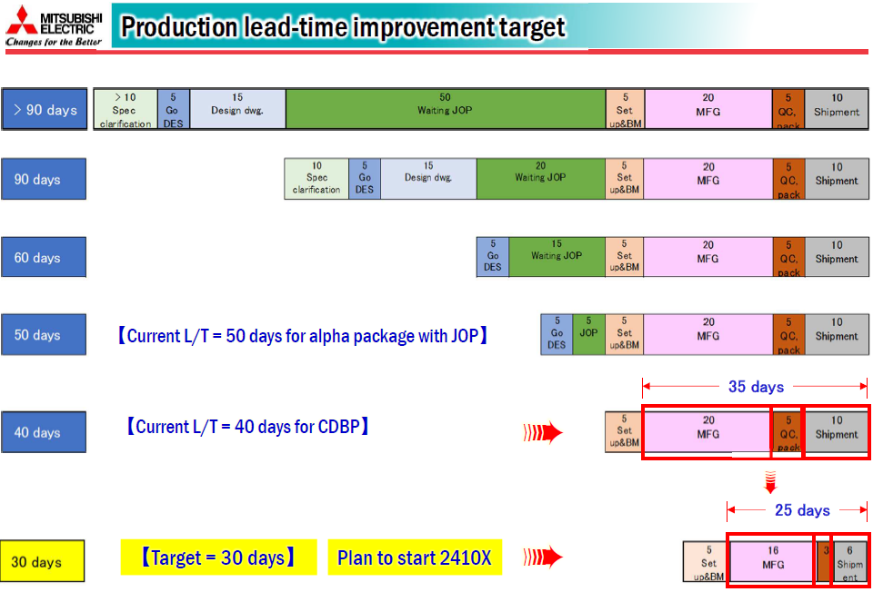
DES BM for support reduce lead time 40 days.

Concept
 | 1 | 2 | 3 | 4 | Working only
 | MAR Add order | MAP Setup | DES B/M | PP B/M

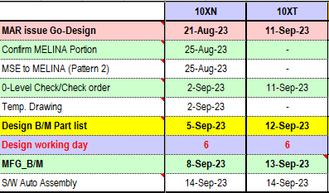
21-Aug-23
 |  |  |  |  | Condition
 |  |  |  |  | Go Design | Same with JUN "N"

 |  |  |  |  | 0-level | Design B/M - 1 (Only working day)

 |  |  |  |  | Design B/M | MFG B/M-1 (Only working day)

 |  |  |  |  | MFG B/M | Refer AMEC MFG B/M schedule P3 or P4.

 |  |  |  |  | S/W Auto Assembly | Same with JUN "N"

Production lead time 30 days.

