10X-03C
D/E DDEM
PRATEEP T.
23-Jun.'26
D/E DEM
LUECHAI M.
23-Jun.'26
PREPARED
PORRAMATE N.
23-Jun.'26
To : AMEC: MAR Dept.,P/S Dept.,IS Dept.,PUS Dept. |  |  |  |  |  | AMEC Design Schedule (10X'26-3C'27) |  |  |  |  |  |  |  |  |  |  |  |  |  |  |  |  |  | Rev. | Dated | Rev. | Dated
From : DE Dept. |  |  |  |  |  |  |  |  |  |  |  |  |  |  |  |  |  |  |  |  |  |  |  | * |  | E
 |  |  |  |  |  |  |  |  |  |  |  |  |  |  |  |  |  |  |  |  |  |  |  | A |  | F
 |  |  |  |  |  |  |  |  |  |  |  |  |  |  |  |  |  |  |  |  |  |  |  | B |  | G
 |  |  |  |  |  |  |  |  |  |  |  |  |  |  |  |  |  |  |  |  |  |  |  | C |  | H
 |  |  |  |  |  |  |  |  |  |  |  |  |  |  |  |  |  |  |  |  |  |  |  | D |  | I

 |  |  | 10XN | 10XT | 10AN | 10AT | 10YN | 10YT | 10BN | 10BT | 10ZN | 10ZT | 10CN | 10CT | 11XN | 11XT | 11AN | 11AT | 11YN | 11YT | 11BN | 11BT | 11ZN | 11ZT | 11CN | 11CT | 12XN | 12XT | 12AN | 12AT | 12YN | 12YT | 12BN | 12BT | 12ZN | 12ZT | 12CN | 12CT
MAR issue Go-Design |  |  | 0 | 0 | 0 | 0 | 0 | 0 | 0 | 0 | 0 | 0 | 0 | 0 | 0 | 0 | 0 | 0 | 0 | 0 | 0 | 0 | 0 | 0 | 0 | 0 | 0 | 0 | 0 | 0 | 0 | 0 | 0 | 0 | 0 | 0 | 0 | 0
Confirm MELINA Portion |  |  | 0 | 0 | 0 | 0 | 0 | 0 | 0 | 0 | 0 | 0 | 0 | 0 | 0 | 0 | 0 | 0 | 0 | 0 | 0 | 0 | 0 | 0 | 0 | 0 | 0 | 0 | 0 | 0 | 0 | 0 | 0 | 0 | 0 | 0 | 0 | 0
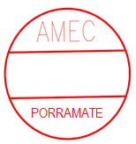
LUECHAI
PRATEEP
MSE to MELINA (Pattern 2) |  |  | 0 | 0 | 0 | 0 | 0 | 0 | 0 | 0 | 0 | 0 | 0 | 0 | 0 | 0 | 0 | 0 | 0 | 0 | 0 | 0 | 0 | 0 | 0 | 0 | 0 | 0 | 0 | 0 | 0 | 0 | 0 | 0 | 0 | 0 | 0 | 0
0-Level Check/Check order |  |  | 0 | 0 | 0 | 0 | 0 | 0 | 0 | 0 | 0 | 0 | 0 | 0 | 0 | 0 | 0 | 0 | 0 | 0 | 0 | 0 | 0 | 0 | 0 | 0 | 0 | 0 | 0 | 0 | 0 | 0 | 0 | 0 | 0 | 0 | 0 | 0
4 JUN 2024
31 MAY 2024
31 MAY 2024
Temp. Drawing |  |  | 0 | - | 0 | - | 0 | - | 0 | - | 0 | - | 0 | - | 0 | - | 0 | - | 0 | - | 0 | - | 0 | - | 0 | - | 0 | - | 0 | - | 0 | - | 0 | - | 0 | - | 0 | -
Design B/M Part list |  |  | 0 | 0 | 0 | 0 | 0 | 0 | 0 | 0 | 0 | 0 | 0 | 0 | 0 | 0 | 0 | 0 | 0 | 0 | 0 | 0 | 0 | 0 | 0 | 0 | 0 | 0 | 0 | 0 | 0 | 0 | 0 | 0 | 0 | 0 | 0 | 0
Day between DES B/M date |  |  | 0 | 0 | 0 | 0 | 0 | 0 | 0 | 0 | 0 | 0 | 0 | 0 | 0 | 0 | 0 | 0 | 0 | 0 | 0 | 0 | 0 | 0 | 0 | 0 | 0 | 0 | 0 | 0 | 0 | 0 | 0 | 0 | 0 | 0 | 0 | 0
MFG_B/M |  |  | 0 | 0 | 0 | 0 | 0 | 0 | 0 | 0 | 0 | 0 | 0 | 0 | 0 | 0 | 0 | 0 | 0 | 0 | 0 | 0 | 0 | 0 | 0 | 0 | 0 | 0 | 0 | 0 | 0 | 0 | 0 | 0 | 0 | 0 | 0 | 0
S/W Auto Assembly |  |  | 0 | 0 | 0 | 0 | 0 | 0 | 0 | 0 | 0 | 0 | 0 | 0 | 0 | 0 | 0 | 0 | 0 | 0 | 0 | 0 | 0 | 0 | 0 | 0 | 0 | 0 | 0 | 0 | 0 | 0 | 0 | 0 | 0 | 0 | 0 | 0
 |  |  | 01XN | 01XT | 01AN | 01AT | 01YN | 01YT | 01BN | 01BT | 01ZN | 01ZT | 01CN | 01CT | 02XN | 02XT | 02AN | 02AT | 02YN | 02YT | 02BN | 02BT | 02ZN | 02ZT | 02CN | 02CT | 03XN | 03XT | 03AN | 03AT | 03YN | 03YT | 03BN | 03BT | 03ZN | 03ZT | 03CN | 03CT
MAR issue Go-Design |  |  | 0 | 0 | 0 | 0 | 0 | 0 | 0 | 0 | 0 | 0 | 0 | 0 | 0 | 0 | 0 | 0 | 0 | 0 | 0 | 0 | 0 | 0 | 0 | 0 | 0 | 0 | 0 | 0 | 0 | 0 | 0 | 0 | 0 | 0 | 0 | 0
Confirm MELINA Portion |  |  | 0 | 0 | 0 | 0 | 0 | 0 | 0 | 0 | 0 | 0 | 0 | 0 | 0 | 0 | 0 | 0 | 0 | 0 | 0 | 0 | 0 | 0 | 0 | 0 | 0 | 0 | 0 | 0 | 0 | 0 | 0 | 0 | 0 | 0 | 0 | 0
MSE to MELINA (Pattern 2) |  |  | 0 | 0 | 0 | 0 | 0 | 0 | 0 | 0 | 0 | 0 | 0 | 0 | 0 | 0 | 0 | 0 | 0 | 0 | 0 | 0 | 0 | 0 | 0 | 0 | 0 | 0 | 0 | 0 | 0 | 0 | 0 | 0 | 0 | 0 | 0 | 0
0-Level Check/Check order |  |  | 0 | 0 | 0 | 0 | 0 | 0 | 0 | 0 | 0 | 0 | 0 | 0 | 0 | 0 | 0 | 0 | 0 | 0 | 0 | 0 | 0 | 0 | 0 | 0 | 0 | 0 | 0 | 0 | 0 | 0 | 0 | 0 | 0 | 0 | 0 | 0
Temp. Drawing |  |  | 0 | - | 0 | - | 0 | - | 0 | - | 0 | - | 0 | - | 0 | - | 0 | - | 0 | - | 0 | - | 0 | - | 0 | - | 0 | - | 0 | - | 0 | - | 0 | - | 0 | - | 0 | -
Design B/M Part list |  |  | 0 | 0 | 0 | 0 | 0 | 0 | 0 | 0 | 0 | 0 | 0 | 0 | 0 | 0 | 0 | 0 | 0 | 0 | 0 | 0 | 0 | 0 | 0 | 0 | 0 | 0 | 0 | 0 | 0 | 0 | 0 | 0 | 0 | 0 | 0 | 0
Day between DES B/M date |  |  | 0 | 0 | 0 | 0 | 0 | 0 | 0 | 4 | 0 | 0 | 0 | 0 | 0 | 0 | 0 | 0 | 0 | 0 | 0 | 0 | 0 | 0 | 0 | 0 | 0 | 0 | 0 | 0 | 0 | 0 | 0 | 0 | 0 | 0 | 0 | 0
MFG_B/M |  |  | 0 | 0 | 0 | 0 | 0 | 0 | 0 | 0 | 0 | 0 | 0 | 0 | 0 | 0 | 0 | 0 | 0 | 0 | 0 | 0 | 0 | 0 | 0 | 0 | 0 | 0 | 0 | 0 | 0 | 0 | 0 | 0 | 0 | 0 | 0 | 0
S/W Auto Assembly |  |  | 0 | 0 | 0 | 0 | 0 | 0 | 0 | 0 | 0 | 0 | 0 | 0 | 0 | 0 | 0 | 0 | 0 | 0 | 0 | 0 | 0 | 0 | 0 | 0 | 0 | 0 | 0 | 0 | 0 | 0 | 0 | 0 | 0 | 0 | 0 | 0

GO-DESIGN |  |  |  |  |  |  |  |  |  |  |  |  |  |  |  |  | AMEC Production Lead-time (30,60&90 days) after specification finalize.
10XN | 0 | 11XN | 0 | 12XN | 0 | 01XN | 0 | 02XN | 0 | 03XN | 0
10XT | 0 | 11XT | 0 | 12XT | 0 | 01XT | 0 | 02XT | 0 | 03XT | 0 |  |  |  |  |  | L/T = 30 days |  | MAR(1) | DES(1) | P/P(3) | MFG(16) |  |  |  | P/C(3) | Shipment(6)
10AN | 0 | 11AN | 0 | 12AN | 0 | 01AN | 0 | 02AN | 0 | 03AN | 0
10AT | 0 | 11AT | 0 | 12AT | 0 | 01AT | 0 | 02AT | 0 | 03AT | 0 |  |  |  |  |  | L/T = 60 days |  | MAR(5) | DES(15) +JOP |  | P/P(5) | MFG(20) |  |  |  | P/C(5) | Shipment(10)
10YN | 0 | 11YN | 0 | 12YN | 0 | 01YN | 0 | 02YN | 0 | 03YN | 0
10YT | 0 | 11YT | 0 | 12YT | 0 | 01YT | 0 | 02YT | 0 | 03YT | 0 |  |  |  |  |  | L/T = 90 days |  | MAR(5) | DES(15) |  | JOP(30) |  |  |  | P/P(5) | MFG(20) |  |  |  | P/C(5) | Shipment(10)
10BN | 0 | 11BN | 0 | 12BN | 0 | 01BN | 0 | 02BN | 0 | 03BN | 0
10BT | 0 | 11BT | 0 | 12BT | 0 | 01BT | 0 | 02BT | 0 | 03BT | 0 |  |  |  |  |  | Note: (X) = days, The value in parenthese is the number of days.
10ZN | 0 | 11ZN | 0 | 12ZN | 0 | 01ZN | 0 | 02ZN | 0 | 03ZN | 0 |  |  |  |  |  | Condition of Design Class for set-up Production schedule
10ZT | 0 | 11ZT | 0 | 12ZT | 0 | 01ZT | 0 | 02ZT | 0 | 03ZT | 0
10CN | 0 | 11CN | 0 | 12CN | 0 | 01CN | 0 | 02CN | 0 | 03CN | 0 |  |  |  |  |  | DES_class | DES_time | Condition |  |  | DES_jun | JOP | L/T of JOP |  | Production L/T |  | Remark
10CT | 0 | 11CT | 0 | 12CT | 0 | 01CT | 0 | 02CT | 0 | 03CT | 0 |  |  |  |  |  | A | 0 | Alpha package, DBP |  |  | T | Without | - |  | 30 days |  | Alpha package, DBP, No JOP
 |  |  |  |  |  |  |  |  |  |  |  |  |  |  |  |  | B- E (*2) | 15 | STD & Special specs |  |  | N | Without | - |  | 60 days |  | Non-Alpha, No-JOP
DES_BM |  |  |  |  |  |  |  |  |  |  |  |  |  |  |  |  |  |  | Special & Out of scope specs |  |  |  | With | <30 (Pre-pro)<55 |  | 90 days |  | Non-Alpha, W/JOP
10XN | 0 | 11XN | 0 | 12XN | 0 | 01XN | 0 | 02XN | 0 | 03XN | 0 |  |  |  |  |  | Note: | (*2) DES_class "B" will be done by "Daily DES_B/M" and design time 5 days can be accepted also.
10XT | 0 | 11XT | 0 | 12XT | 0 | 01XT | 0 | 02XT | 0 | 03XT | 0
10AN | 0 | 11AN | 0 | 12AN | 0 | 01AN | 0 | 02AN | 0 | 03AN | 0
10AT | 0 | 11AT | 0 | 12AT | 0 | 01AT | 0 | 02AT | 0 | 03AT | 0
10YN | 0 | 11YN | 0 | 12YN | 0 | 01YN | 0 | 02YN | 0 | 03YN | 0
10YT | 0 | 11YT | 0 | 12YT | 0 | 01YT | 0 | 02YT | 0 | 03YT | 0
10BN | 0 | 11BN | 0 | 12BN | 0 | 01BN | 0 | 02BN | 0 | 03BN | 0
10BT | 0 | 11BT | 0 | 12BT | 0 | 01BT | 0 | 02BT | 0 | 03BT | 0
10ZN | 0 | 11ZN | 0 | 12ZN | 0 | 01ZN | 0 | 02ZN | 0 | 03ZN | 0
10ZT | 0 | 11ZT | 0 | 12ZT | 0 | 01ZT | 0 | 02ZT | 0 | 03ZT | 0
10CN | 0 | 11CN | 0 | 12CN | 0 | 01CN | 0 | 02CN | 0 | 03CN | 0
10CT | 0 | 11CT | 0 | 12CT | 0 | 01CT | 0 | 02CT | 0 | 03CT | 0

Prepared by Ms.Orawan/Mr.Porramate. Ext.2321

LT40Days
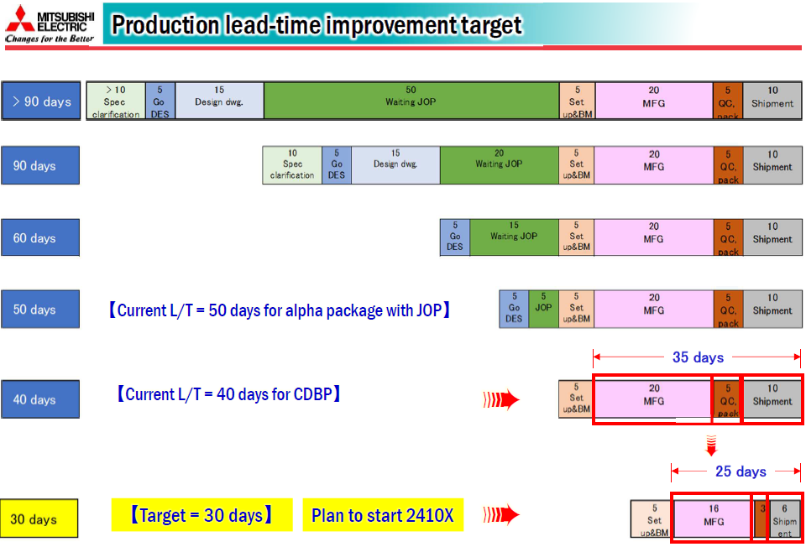
DES BM for support reduce lead time 40 days.

Concept
 | 1 | 2 | 3 | 4 | Working only
 | MAR Add order | MAP Setup | DES B/M | PP B/M

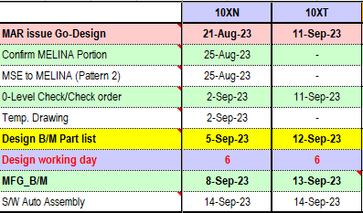
21-Aug-23
 |  |  |  |  | Condition
 |  |  |  |  | Go Design | Same with JUN "N"

 |  |  |  |  | 0-level | Design B/M - 1 (Only working day)

 |  |  |  |  | Design B/M | MFG B/M-1 (Only working day)

 |  |  |  |  | MFG B/M | Refer AMEC MFG B/M schedule P3 or P4.

 |  |  |  |  | S/W Auto Assembly | Same with JUN "N"

Production lead time 30 days.

