Readmission Rate chart
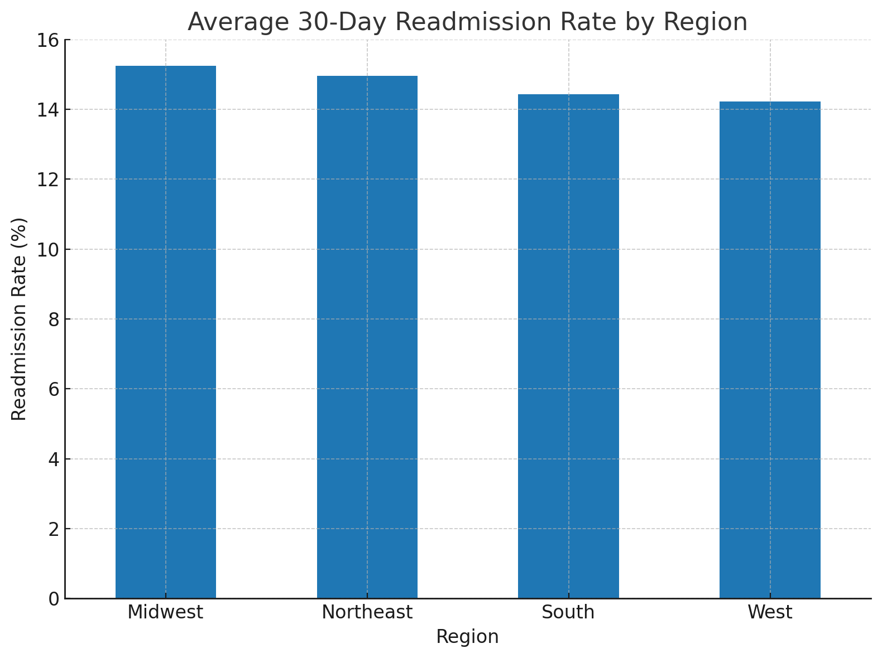

Region | Avg_30_Day_Readmission_Rate
Midwest | 15.24017094
Northeast | 14.952777778
South | 14.434782609
West | 14.225806452

